Sheet1
R-type | 7 | 5 | 5 | 3 | 5 | 7
 | funct7 | rs2 | rs1 | funct3 | rd | upcode
ADD | 0000000 |  |  | 000 |  | 0110011
SUB | 0100000 |  |  | 000 |  | 0110011
SLL | 0000000 |  |  | 001 |  | 0110011
SLT | 0000000 |  |  | 010 |  | 0110011
SLTU | 0000000 |  |  | 011 |  | 0110011
XOR | 0000000 |  |  | 100 |  | 0110011
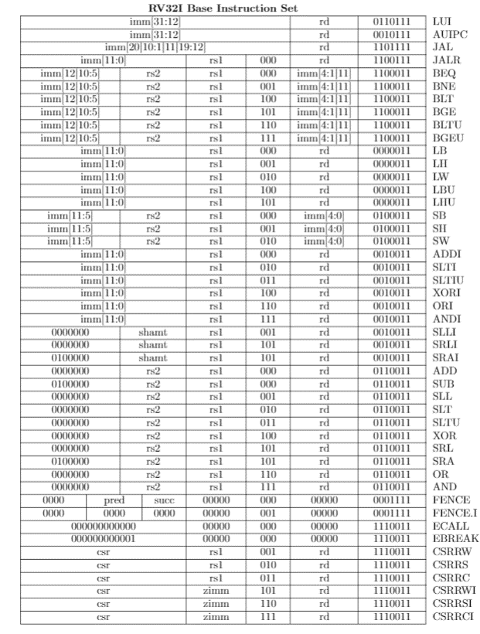
SRL | 0000000 |  |  | 101 |  | 0110011
SRA | 0100000 |  |  | 101 |  | 0110011
OR | 0000000 |  |  | 110 |  | 0110011
AND | 0000000 |  |  | 111 |  | 0110011

I-type | 12 |  | 5 | 3 | 5 | 7
 | imm[11:0] |  | rs1 | funct3 | rd | upcode
JALR |  |  |  | 000 |  | 1100111
LB |  |  |  | 000 |  | 0000011
LH |  |  |  | 001 |  | 0000011
LW |  |  |  | 010 |  | 0000011
LBU |  |  |  | 100 |  | 0000011
LHU |  |  |  | 101 |  | 0000011
ADDI |  |  |  | 000 |  | 0010011
SLTI |  |  |  | 010 |  | 0010011
SLTIU |  |  |  | 011 |  | 0010011
XORI |  |  |  | 100 |  | 0010011
ORI |  |  |  | 110 |  | 0010011
ANDI |  |  |  | 111 |  | 0010011
ECALL | 000000000000 |  | 00000 | 000 | 00000 | 1110011

IR-type | 7 | 5 | 5 | 3 | 5 | 7
 | funct7 | imm | rs1 | funct3 | rd | upcode
SLLI | 0000000 |  |  | 011 |  | 0010011
SRLI | 0000000 |  |  | 101 |  | 0010011
SRAI | 0100000 |  |  | 101 |  | 0010011

S-type | 7 | 5 | 5 | 3 | 5 | 7
 | imm[11:5] | rs2 | rs1 | funct3 | imm[4:0] | upcode
SB |  |  |  | 000 |  | 0100011
SH |  |  |  | 001 |  | 0100011
SW |  |  |  | 010 |  | 0100011

U-type | 20 |  |  |  | 5 | 7
 | imm[31:12] |  |  |  | rd | upcode
LUI |  |  |  |  |  | 0110111
AUIPC |  |  |  |  |  | 0010111

B-type | 7 | 5 | 5 | 3 | 5 | 7
 | imm[12|10:5] | rs2 | rs1 | funct3 | imm[4:1|11] | upcode
BEQ |  |  |  | 000 |  | 1100011
BNE |  |  |  | 001 |  | 1100011
BLT |  |  |  | 100 |  | 1100011
BGE |  |  |  | 101 |  | 1100011
BLTU |  |  |  | 110 |  | 1100011
BGEU |  |  |  | 111 |  | 1100011

J-type
 | imm[20|10:11|11|19:12] |  |  |  | rd | upcode
JAL |  |  |  |  |  | 1101111

