Sheet1
编码 | 名称 | 图标 | JS方法 | Action地址 | 说明
lr-replace | 刷新 | arrow_refresh.png | Replace() |  | 刷新当前(Ctrl+Q)
lr-add | 新增 | add.png | btn_add() | /SecondaryDevelopment/HealthGuide/Form | 新增(Ctrl+Z)
lr-edit | 编辑 | edit.gif | btn_edit() | /SecondaryDevelopment/HealthGuide/Form | 编辑(Ctrl+W)
lr-delete | 删除 | DeleteRed.png | btn_delete() | /SecondaryDevelopment/HealthGuide/Delete | 删除(Ctrl+S)
lr-detail | 详细 | application_view_detail.png | btn_detail() | /SecondaryDevelopment/HealthGuide/Detail | 详细信息(Ctrl+X)
lr-leave | 离开 | back.png | btn_back() |  | 关闭当前窗口(Esc)
lr-copy | 复制 | page_copy.png | btn_copy() |  | 复制数据
lr-paste | 粘贴 | page_paste.png | btn_paste() |  | 粘贴数据
learun-FormLayout | 表单预览 | layout_edit.png | btn_FormLayout() | /CommonModule/FormLayout/Layout | 表单预览

lr-import | 导入 | excel_imports.png | btn_import() | /CommonModule/ExcelImport/ExcelImportDialog | Excel导入
lr-derive | 导出 | excel_exports.png | btn_derive() | /CommonModule/ExcelImport/DeriveDialog | 导出Excel
lr-ResetPassword | 重置密码 | gnupg_keys.png | btn_resetpassword() | /CommonModule/User/ResetPassword | 重置密码
lr-query | 高级查找 | page_white_magnify.png | btn_query() |  | 查找(Ctrl+A)
lr-SendNote | 发送短信 | email_send_receive.png | btn_SendNote() | /ExampleModule/PhoneNote/Form
lr-upload | 上传文件 | inbox_upload.png | btn_upload() | /ExampleModule/Document/Uploadify | 上传文件、支持批量上传
lr-read | 标为已读 | accept.png | btn_read()

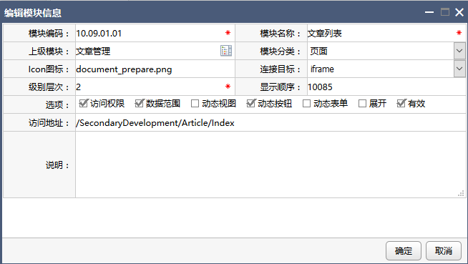
 |  |  |  | /PublicInfoManage/Resources/Form
 |  |  |  | /SecondaryDevelopment/MsgTips/Index

 |  |  |  | btn_Reply()

