Sheet1
Row Labels | Count of Program Name
Aquarius | 4
Applied Research Analytics | 1
Brooklyn | 19
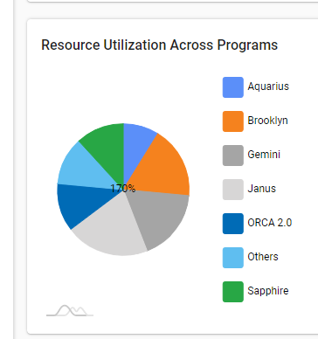
Build Engineering | 1
CloudOps | 5
EU MDR | 20
Gemini | 8
IPT | 9
Janus | 1
Localization Verification | 3
Mobile Sustenance/ Market Expantion | 2
ORCA 2.0 | 13
PenTest | 1
Sapphire | 11
Verification support | 1
(blank)
Grand Total | 99

Resource - Programs
Row Labels | Count of Existing NMD Program
Applied Research Analytics | 1
Brooklyn / OneApp | 19
Build Engineering | 1
CloudOps | 5
EU MDR | 20
Gemini FW | 8
IPT | 9
Janus Test Automation | 1
Localization Verification | 3
NMD A3.11 Aquarius Project Onsite Support | 4
NMD Onsite Test Support | 2
ORCA2.0 Android Dev | 4
ORCA2.0 Android Development | 1
ORCA2.0 Test Automation | 8
PenTest | 1
Sapphire / NSUP | 11
Verification support | 1
Grand Total | 99

Resource Skill Levels
Row Labels | Count of Resource Skill Level | Count of Resource Skill Level2
Entry Level | 11 | 11.1%
Experianced | 78 | 78.8%
Expert | 9 | 9.1%
Subject Matter Expert | 1 | 1.0%
Grand Total | 99 | 100.0%

Training Compliance
 | Count of Training Compliance | Count of Training Compliance2
No | 56 | 67.47%
Yes | 27 | 32.53%
(blank) |  | 0.00%
Row Labels | Count of Training Compliance | Count of Training Compliance2
No | 56 | 67.47%
Yes | 27 | 32.53%
(blank) |  | 0.00%
Grand Total | 83 | 100.00%

Resource Location
Row Labels | Count of Onsite/Offshore
Canada/Ontario | 1
Costa Rica | 1
Offshore | 77
Plano | 20
Grand Total | 99

Programs by Functions
Row Labels | Count of Function
Applied Research Analytics | 1
Software- Digital | 1
Brooklyn / OneApp | 19
Software- Digital | 19
Build Engineering | 1
Software- Digital | 1
CloudOps | 5
Software- Digital | 5
EU MDR | 20
Electrical | 7
Mechanical | 6
Software - Embedded | 2
Systems | 5
Gemini FW | 8
Software - Embedded | 8
IPT | 9
Electrical | 4
Mechanical | 3
Software - Embedded | 1
Systems / Mechanical | 1
Janus Test Automation | 1
Software- Digital | 1
Localization Verification | 3
Software- Digital | 3
NMD A3.11 Aquarius Project Onsite Support | 4
Software - Embedded | 3
Software- Digital | 1
NMD Onsite Test Support | 2
Software - Embedded | 2
ORCA2.0 Android Dev | 4
Software- Digital | 4
ORCA2.0 Android Development | 1
Software- Digital | 1
ORCA2.0 Test Automation | 8
Software- Digital | 8
PenTest | 1
Software- Digital | 1
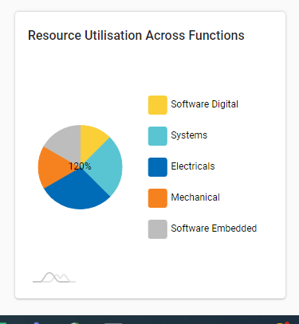
Sapphire / NSUP | 11
Software- Digital | 11
Verification support | 1
Mechanical | 1
Grand Total | 99

