Master Data - Program Suammry
Program Summary

Program Level Finance consumption
S.No. | NMD Program Name | Budget | Budget Consumed till Date
1 | Aquarius | #REF! | #REF!
2 | Brooklyn | #REF! | #REF!
3 | Gemini | #REF! | #REF!
4 | Jupiter | #REF! | #REF!
5 | Others(Cloud Ops) | #REF! | #REF!
6 | Sapphire | $891,825.44 | $166,227.29
7 | Sustenance | #REF! | #REF!

Master Data-Program_Metrics
Month | Project / Work Request Name | On-time delivery | Delivered Right the first time | Project status update | Quality of output | Responsiveness | Technical skills | Escalation Management | Average Score (PCSAT) | Remarks
JFM-23 | IPT | NA | NA | NA | NA | NA | NA | NA | NA
JFM-23 | EU MDR | NA | NA | NA | NA | NA | NA | NA | NA
JFM-23 | GMI | NA | NA | NA | NA | NA | NA | NA | NA
JFM-23 | Mobile Ops (Sustaining and Market Expansion)(Software and System Testing Work) | NA | NA | NA | NA | NA | NA | NA | NA
JFM-23 | Mobile Ops - Jupiter | 7 | 7 | 7 | 7 | 7 | 7 | 7 | 7
JFM-23 | Mobile Ops - Oahu(Acquaris Testing) | NA | NA | NA | NA | NA | NA | NA | NA
JFM-23 | ORCA2.0+FW+FWTest(Gemini / Jupiter Devops & Automation) | NA | NA | NA | NA | NA | NA | NA | NA
JFM-23 | Brookyln Bridge
JFM-23 | Sapphire | 7 | 7 | 7 | 7 | 7 | 7 | 7 | 7
JFM-23 | Cloud Ops
JFM-23 | Hercules | NA | NA | NA | NA | NA | NA | NA | NA
JFM-23 | CAPEX | 7 | 7 | 7 | 7 | 7 | 7 | 7 | 7

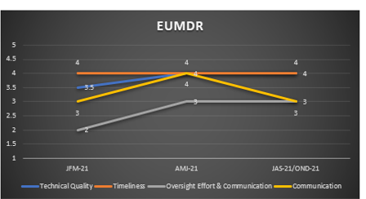

 |  |  | Program Status
 |  |  | Performance Metrics
 |  |  | Program Performance and Quality | Filter for month
 |  |  |  | Chart for program vs Average

 |  |  | Program and Performance metrics- Program wise | Filter for program
 |  |  |  | Chart for Trend

