Master Data-Program_Metrics
Month | Project / Work Request Name | On-time delivery | Delivered Right the first time | Project status update | Quality of output | Responsiveness | Technical skills | Escalation Management | Average Score (PCSAT) | Remarks
JFM-23 | IPT | 7 | 6 | 7 | 5 | 7 | 6 | 5 | 6.14 | Received Dec'22. Next PCSAT to be triggered by June'23
JFM-23 | EU MDR | 7 | 6 | 7 | 5 | 7 | 6 | 7 | 6.43
JFM-23 | GMI | NA | NA | NA | NA | NA | NA | NA | NA
JFM-23 | Mobile Ops - Markt Expn | 7 | 7 | 7 | 6 | 7 | 6 | 7 | 6.71
JFM-23 | Mobile Ops - Digital | 7 | 7 | 7 | 7 | 7 | 7 | 7 | 7 | Received Apr'23
JFM-23 | Mobile Ops - Oahu | 7 | 7 | 7 | 6 | 7 | 6 | 7 | 6.71 | Received Dec'22. Next PCSAT to be triggered by June'23
JFM-23 | ORCA2.0 | 7 | 7 | 7 | 7 | 7 | 7 | 7 | 7 | Received Mar'23
JFM-23 | Brookyln Bridge | 7 | 7 | 7 | 7 | 6 | 7 | 6 | 6.71 | Received Mar'23
JFM-23 | Sapphire | 7 | 7 | 7 | 7 | 7 | 7 | 7 | 7 | Received Mar'23
JFM-23 | Cloud Ops | 6 | 6 | 6 | 6 | NA | 6 | 7 | 6.17 | Received Apr'23
JFM-23 | Hercules | NA | NA | NA | NA | NA | NA | NA | NA | Started in Jan'23
JFM-23 | CAPEX | 7 | 7 | 7 | 7 | 7 | 7 | 7 | 7 | Received Apr'23

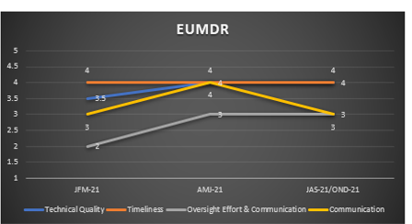

 |  |  | Program Status
 |  |  | Performance Metrics
 |  |  | Program Performance and Quality | Filter for month
 |  |  |  | Chart for program vs Average

 |  |  | Program and Performance metrics- Program wise | Filter for program
 |  |  |  | Chart for Trend

