Sheet1
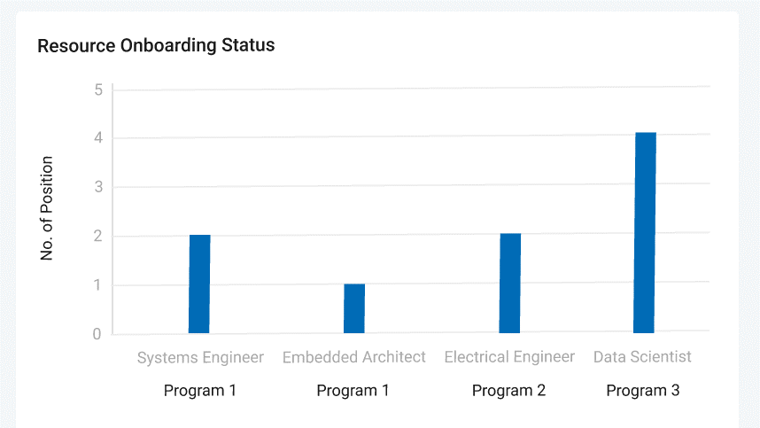

Instead of above chart, please create a pareto chart (under each program, there will be 2 towers - one for position request alone and other one for combined/stacked tower for "position onboarded" and "open positions" in different color) based on below table "Project Resource Summary"

Project Resource Summary

 | Aquarius | Gemini | Brooklyn
No. of positions requested | 5 | 4 | 7
No. of positions onboarded | 4 | 2 | 5
No. of open positions | 1 | 2 | 2

When we click on "No. of open positions" in the above new chart, below table "Open Positions Summary" should pop-up for the respective program alone like Aquarius, Gemini etc.
Open Positions Summary

Open position Roles | Aquarius | Gemini | Brooklyn
System/SW Test Engineer | 1 | 0 | 0
Firmware Developer | 0 | 2 | 0
Mobile(SW) Test Engineer | 0 | 0 | 0
Cloud Engineer | 0 | 0 | 2

When we click on "No. of positions onboarded" in the above new chart, below table "Summary of Onboarded Resources" should pop-up for the respective program alone like Aquarius, Gemini etc.
Summary of Onboarded Resources
Resource | Program Name | Abbott ID Activation | Abbott Laptop/ VDI | Project Specific access
Aswani Jaladi | Aquarius | Closed | Closed | Closed
Pavani | Aquarius | Closed | Closed | Closed
Shruthi R | Aquarius | Closed | Closed | Closed
Farjana | Aquarius | Closed | Closed | Closed
Vijayakumar | Gemini | Closed | Closed | Closed
Bhuvanesh | Gemini | Closed | Closed | Closed
Resource 1 | Brooklyn | Ongoing | Ongoing | Ongoing
Resource 2 | Brooklyn | Ongoing | Ongoing | Ongoing
Resource 3 | Brooklyn | Closed | Closed | Closed
Resource 4 | Brooklyn | Closed | Closed | Closed

