Sheet2
Training compliance |  | pie chart | 98% completed
 |  |  | 2% non-completed | click
For non compliance, it should go to next screen

 | Resource | Reason for non-compliance | Target completion date
 | Rersource #1 | Emergency leave | 31-Oct-22
 | Resource #2 | Project completed on 21-Oct. Abbott credentials not closed on time | NA

Project & Resource Performance

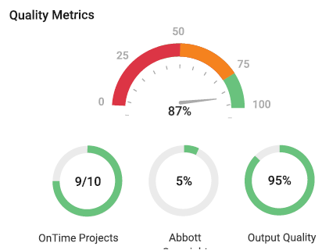

 | when they click "On time projects", it should pop up the below table

 | Project | Delayed by | Reason for delay
 | DHF Remediation | 2 weeks | Non availability of test data to complete the final Verification summary report

 | when they click "Output Quality", it should pop up the below table

 | Project | Deliverable | Defects identified | Reason for defect
 | DHF Remediation | DFMEA | 2 (Minor) | Lack of awareness in Abbott Quality process
 | CIP | Tolerance analysis | 1 (Minor) | Lack of training

Resource Utilization
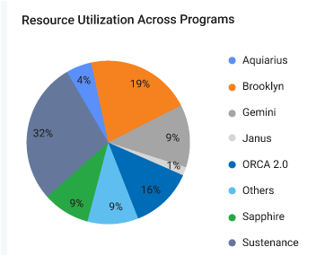

 |  |  | Spelling should be "Aquarius"

 |  |  | when we click "Brookyln", it should pop up the below table

 |  |  | Overall Productivity | Remarks
 |  |  | 85% | Recommend to move 2 resources to other projects

 |  |  | when we click "Sustenance", it should pop up the below table

 |  |  | Overall Productivity | Remarks
 |  |  | 120% | Recommend to onboard 3 resources in next 2 weeks

 |  |  | when we click all other programs, it should pop up the below table

 |  |  | Overall Productivity | Remarks
 |  |  | 95% | No issues

