IO description
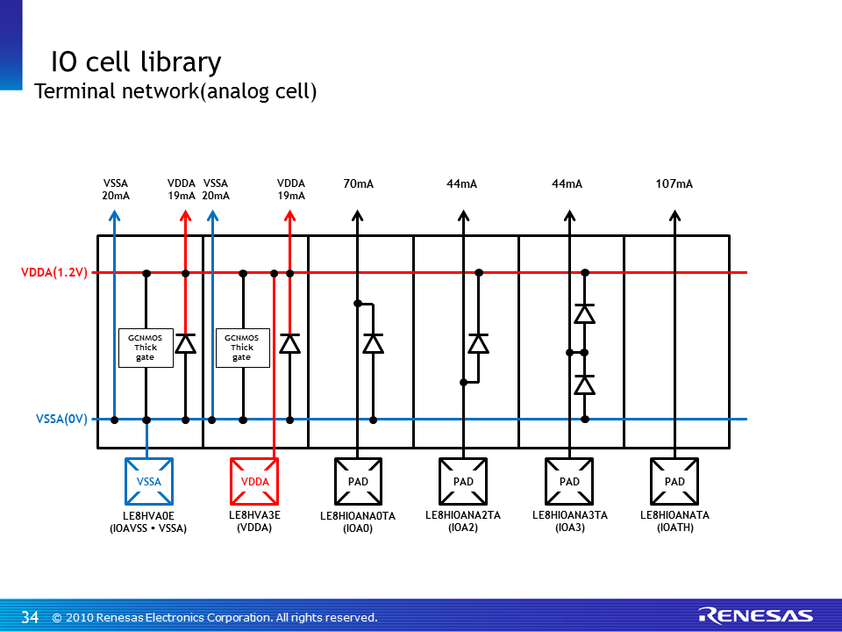
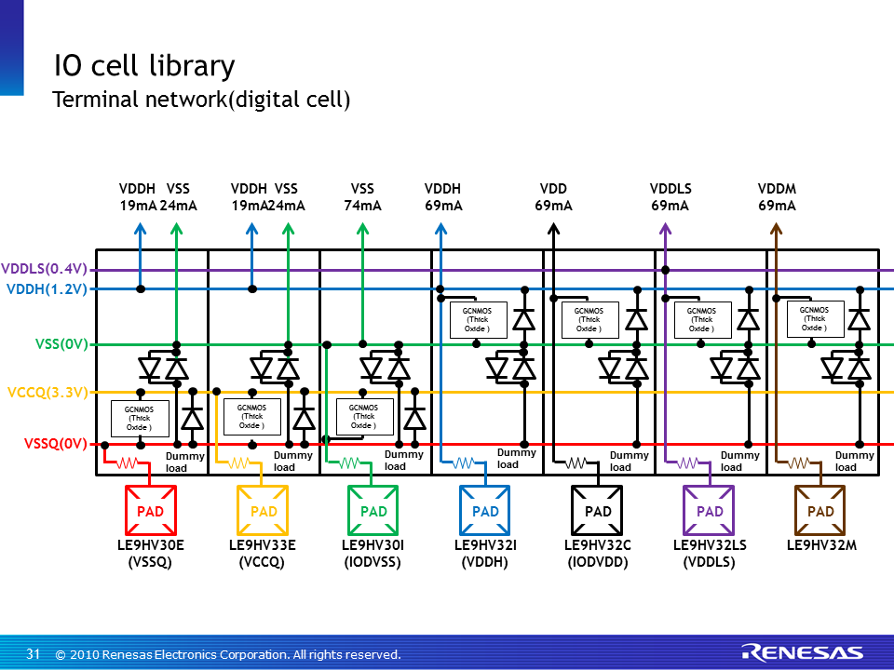
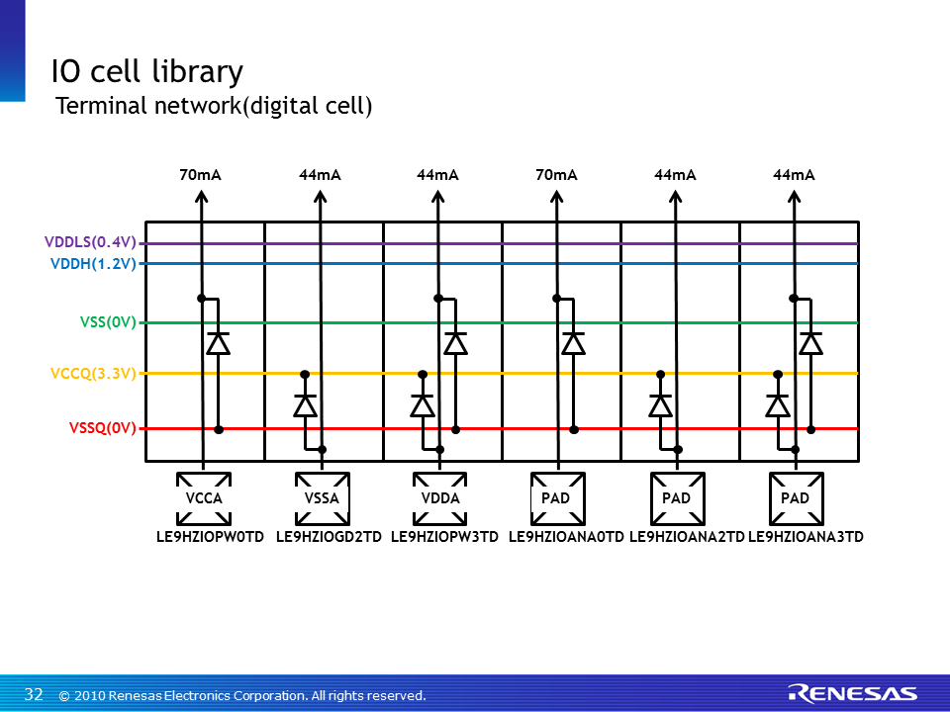
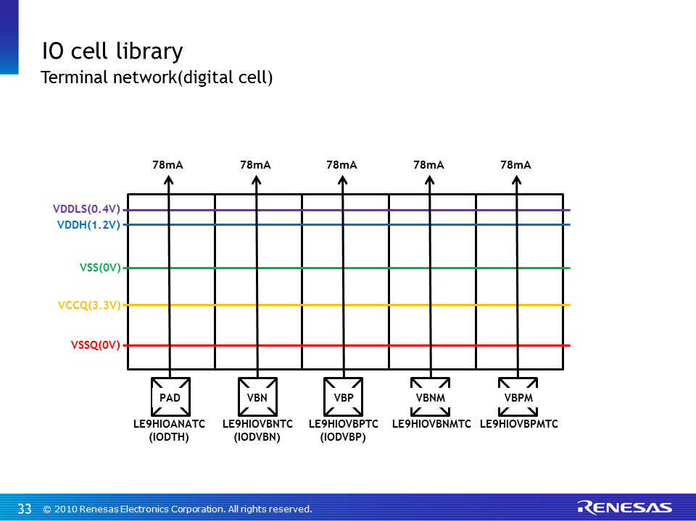
Back to Index

 | English Ver. |  |  |  |  | Pin No.
 | A/D | I/O | Description | Layou name | Base cell
 | Analog | IOAVSS | for VSS, common with IO's VSS | LE8HVA0E | PBGV30E
 |  | IOATH | Through (connect to pad directly) (ex) VBP, VBN, VDD etc. | LE8HIOANATA | PBGV33E
 |  | IOA3 | with diode in PAD-VSSA & PAD-VDDA | LE8HIOANA3TA | PBGV33MB
 |  | IOA2 | for minus voltage, with diode in PAD-VDDA | LE8HIOANA2TA | PBGV33MB
 |  | IOA0 | ESD protection for Analog signal, with diode in PAD-VSSA (ex) VDD | LE8HIOANA0TA | PBGV33MB
 | Digital | IODIN | for Digital input signal, with digital buffer | LE9HIO3B02BZ_IN | PBGT3B02BZ
 |  | IODOUT | for Digital output signal, with digital buffer | LE9HIO3B02BZ_OUT | PBGT3B02BZ
 |  | IODVSS | for VSS, common with IO's VSS | LE9HV30I | PBGV30I
 |  | IODVDD | for 0.4V VDD | LE9HV32C | PBGV32TC
 |  | IODTH | Through (connect to pad directly) | LE9HIOANATC | PBGV33E
 |  | IODVBN | Through for VBN (connect to pad directly) | LE9HIOVBNTC | PBGV33E
 |  | IODVBP | Through for VBP (connect to pad directly) | LE9HIOVBPTC | PBGV33E

 | Japanese Ver.
 | A/D | I/O | Description | Layou name | Base cell
 | Analog | IOAVSS | IOのVSSAと共通。VSS用。 | LE8HVA0E | PBGV30E
 |  | IOATH | ピンに直接つなぐ場合。VBN, VBP, VDDなど。 | LE8HIOANATA | PBGV33E
 |  | IOA3 | PAD-VSSA間、PAD-VDDA間ダイオード付。 | LE8HIOANA3TA | PBGV33MB
 |  | IOA2 | PAD-VDDA間ダイオード付。負電圧用。 | LE8HIOANA2TA | PBGV33MB
 |  | IOA0 | PAD-VSSA間ダイオード付。 ESD保護あり。正電圧、VDDなど。 | LE8HIOANA0TA | PBGV33MB
 | Digital | IODIN | デジタルインプット。デジタルバッファ込。 | LE9HIO3B02BZ_IN | PBGT3B02BZ
 |  | IODOUT | デジタルアウトプット。デジタルバッファ込。 | LE9HIO3B02BZ_OUT | PBGT3B02BZ
 |  | IODVSS | IOのVSSと共通。VSS用。 | LE9HV30I | PBGV30I
 |  | IODVDD | 0.4V電源ピン。VDD用。 | LE9HV32C | PBGV32TC
 |  | IODTH | スルー。 | LE9HIOANATC | PBGV33E
 |  | IODVBN | VBN用スルー。 | LE9HIOVBNTC | PBGV33E
 |  | IODVBP | VBP用スルー。 | LE9HIOVBPTC | PBGV33E

 |  | IOについて
 |  | ・IOの動作保障は致しかねますので、自己責任でお願いいたします。 |  | s

