复核者1
复核者 1｜端点化学独立复核
先看 D 列反应图理解 R→P 的映射变化；黄色单元格为复核输入。两位复核者应独立完成，未填字段不代表通过。

反应ID | split | 机制层 | 反应结构与映射 | 复核者 | 结论 | 反应中心/机制 | 原子映射 | 电荷与自旋 | 几何/装配 | 扫描可行性 | R multiplicity | P multiplicity | 备注
RXN_0000007104 | train | A · H transfer | 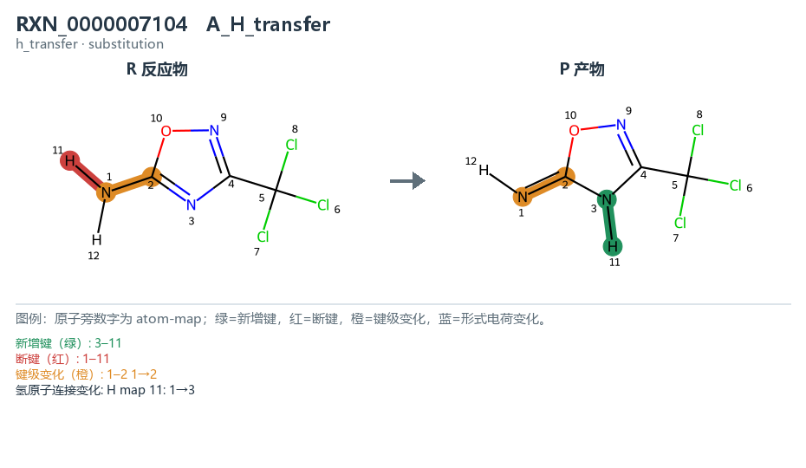 见结构图 |  | pending | not_reviewed | not_reviewed | not_reviewed | not_reviewed | pending
RXN_0000161724 | train | A · H transfer | 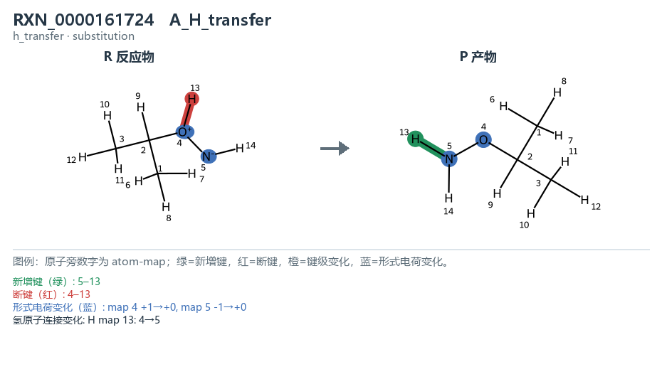 见结构图 |  | pending | not_reviewed | not_reviewed | not_reviewed | not_reviewed | pending
RXN_0000091050 | valid | A · H transfer | 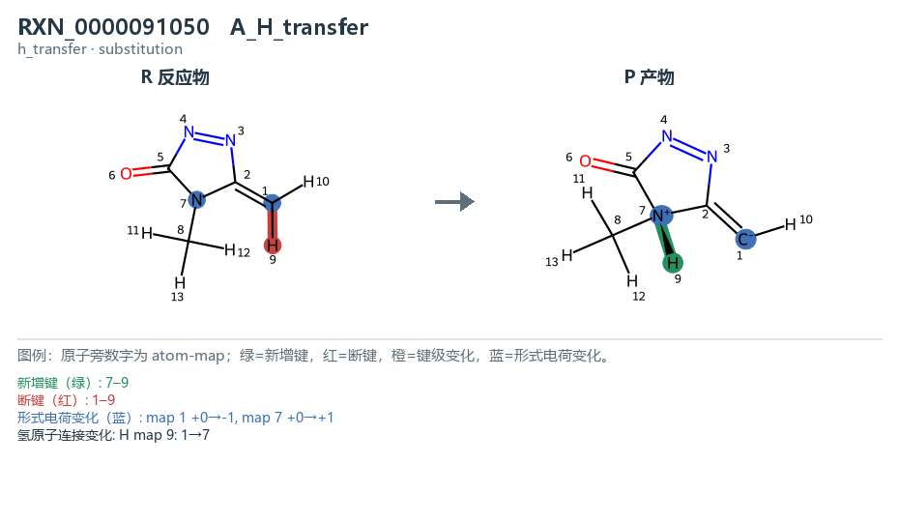 见结构图 |  | pending | not_reviewed | not_reviewed | not_reviewed | not_reviewed | pending
RXN_0000077619 | train | B · single bond | 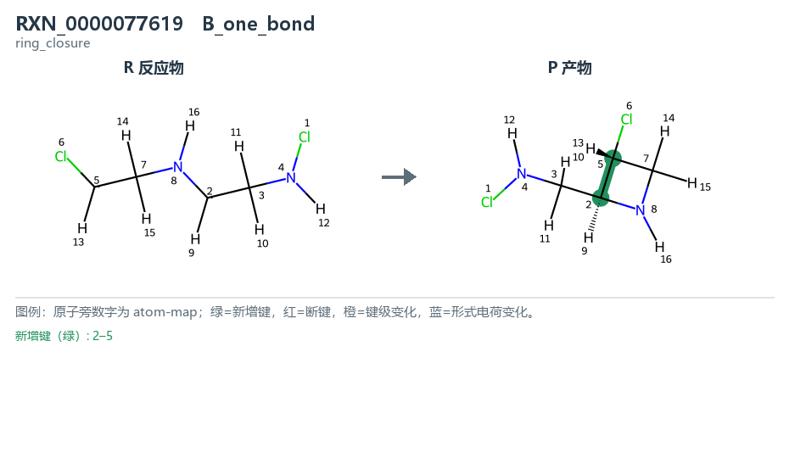 见结构图 |  | pending | not_reviewed | not_reviewed | not_reviewed | not_reviewed | pending
RXN_0000026256 | train | B · single bond | 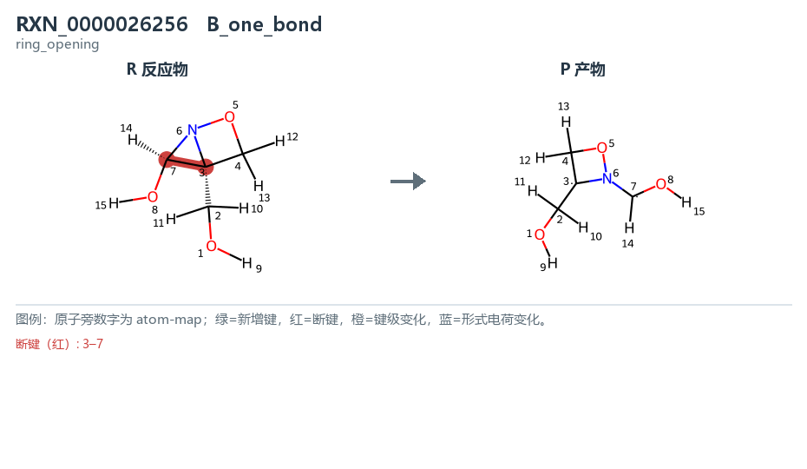 见结构图 |  | pending | not_reviewed | not_reviewed | not_reviewed | not_reviewed | pending
RXN_0000079731 | valid | B · single bond | 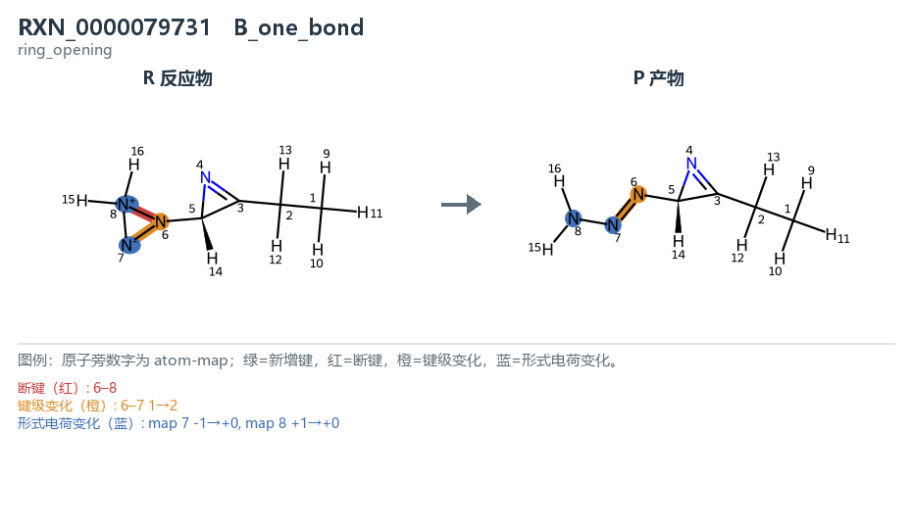 见结构图 |  | pending | not_reviewed | not_reviewed | not_reviewed | not_reviewed | pending
RXN_0000053132 | train | C · substitution | 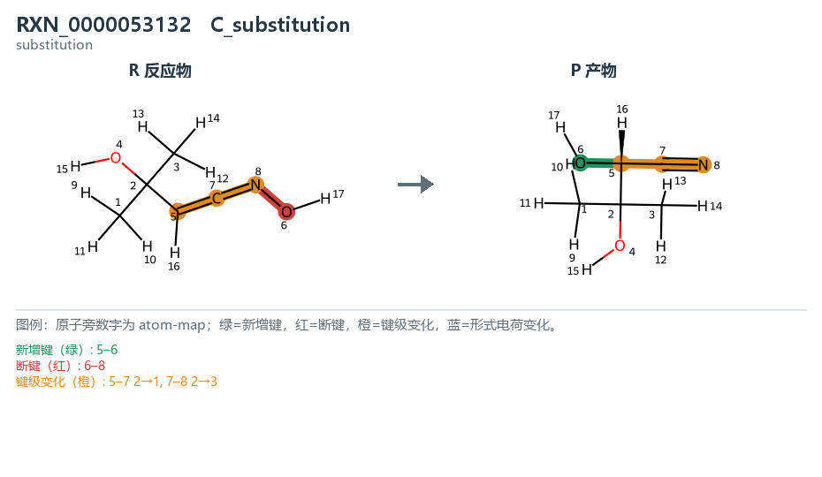 见结构图 |  | pending | not_reviewed | not_reviewed | not_reviewed | not_reviewed | pending
RXN_0000155302 | train | C · substitution | 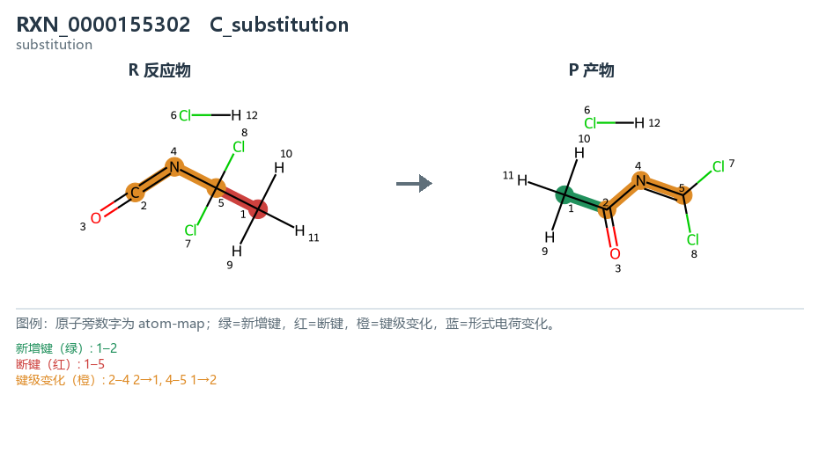 见结构图 |  | pending | not_reviewed | not_reviewed | not_reviewed | not_reviewed | pending
RXN_0000171675 | valid | C · substitution | 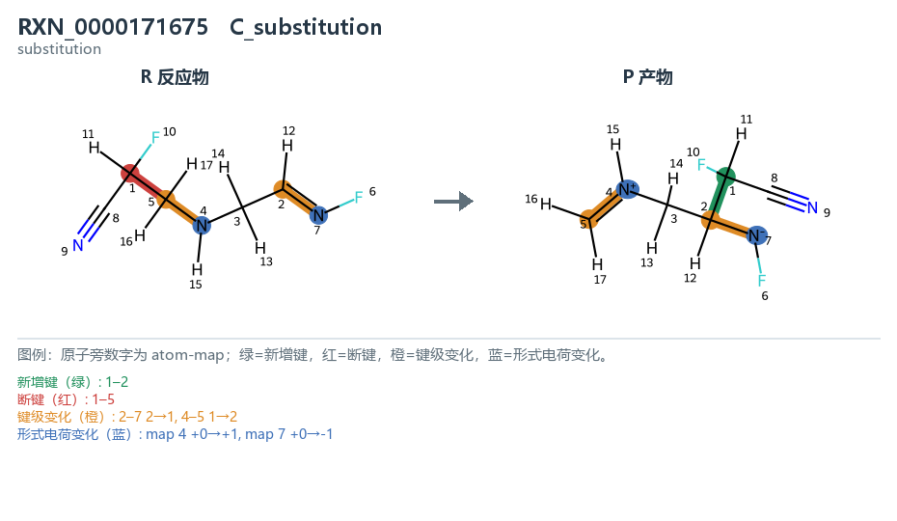 见结构图 |  | pending | not_reviewed | not_reviewed | not_reviewed | not_reviewed | pending
RXN_0000100071 | train | D · 2-bond | 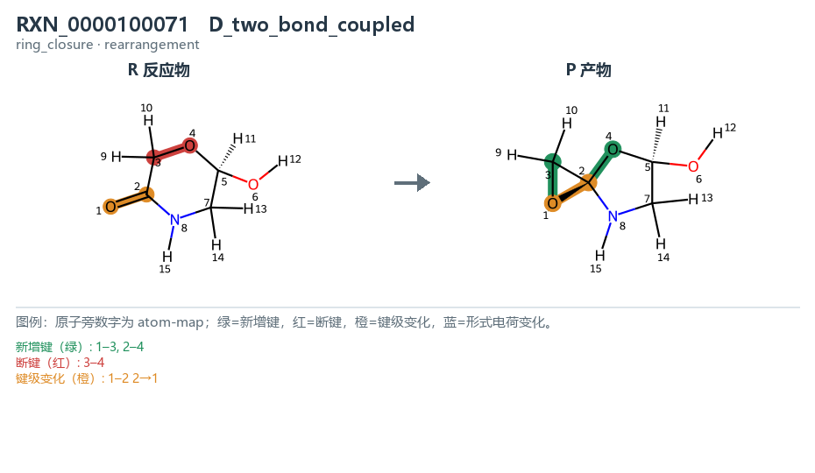 见结构图 |  | pending | not_reviewed | not_reviewed | not_reviewed | not_reviewed | pending
RXN_0000132222 | train | D · 2-bond | 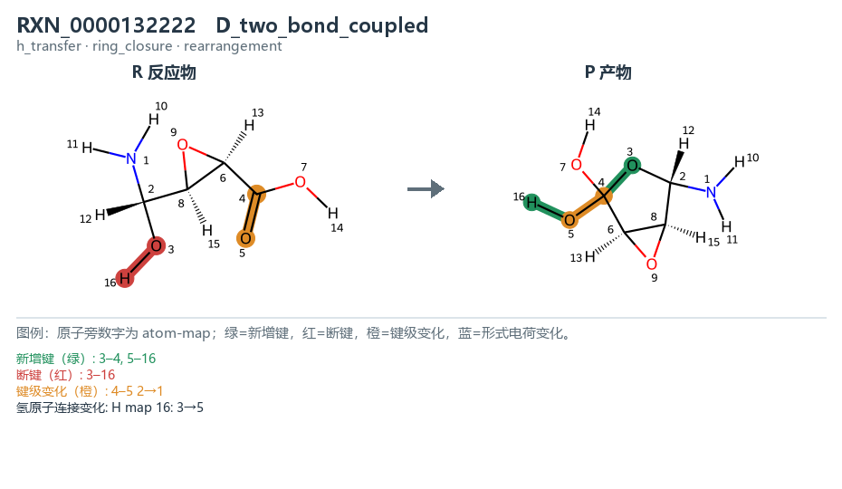 见结构图 |  | pending | not_reviewed | not_reviewed | not_reviewed | not_reviewed | pending
RXN_0000102998 | valid | D · 2-bond | 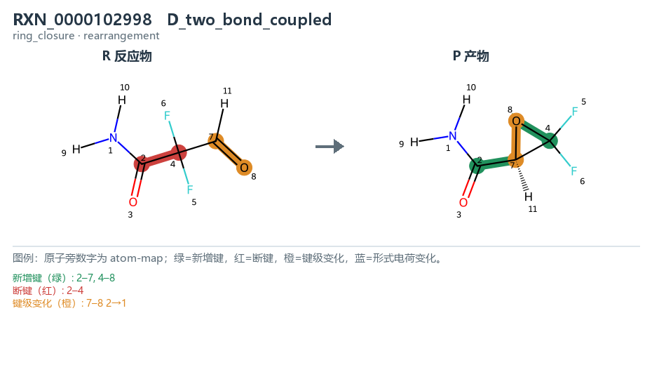 见结构图 |  | pending | not_reviewed | not_reviewed | not_reviewed | not_reviewed | pending
RXN_0000059834 | train | E · 3-bond | 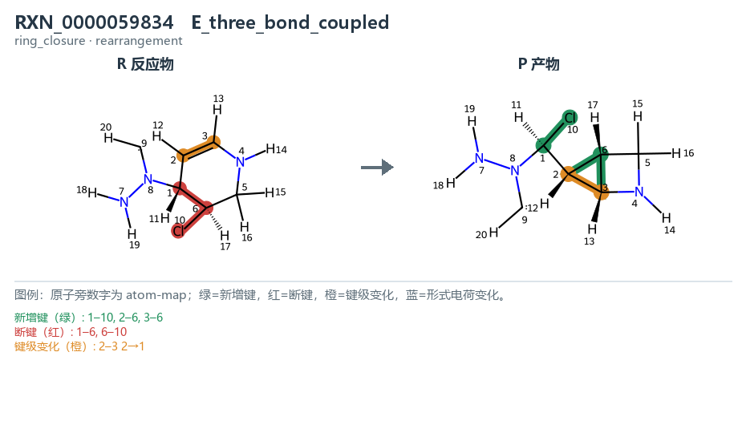 见结构图 |  | pending | not_reviewed | not_reviewed | not_reviewed | not_reviewed | pending
RXN_0000094438 | train | E · 3-bond | 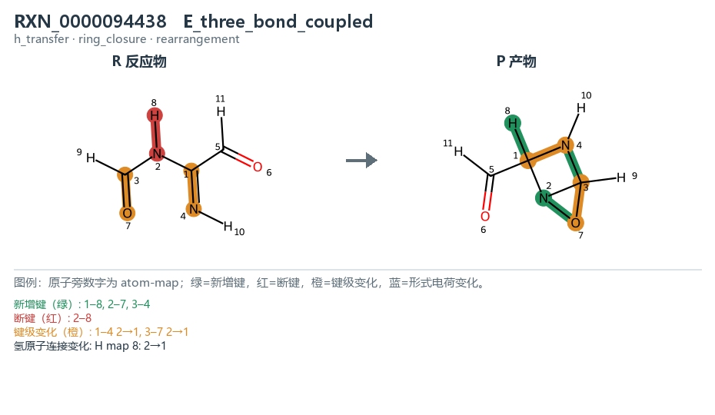 见结构图 |  | pending | not_reviewed | not_reviewed | not_reviewed | not_reviewed | pending
RXN_0000187964 | valid | E · 3-bond | 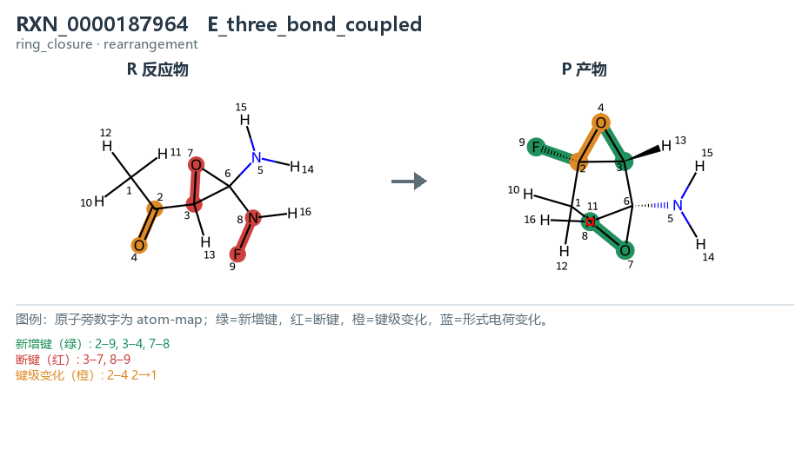 见结构图 |  | pending | not_reviewed | not_reviewed | not_reviewed | not_reviewed | pending
RXN_0000100736 | train | F · H₂ | 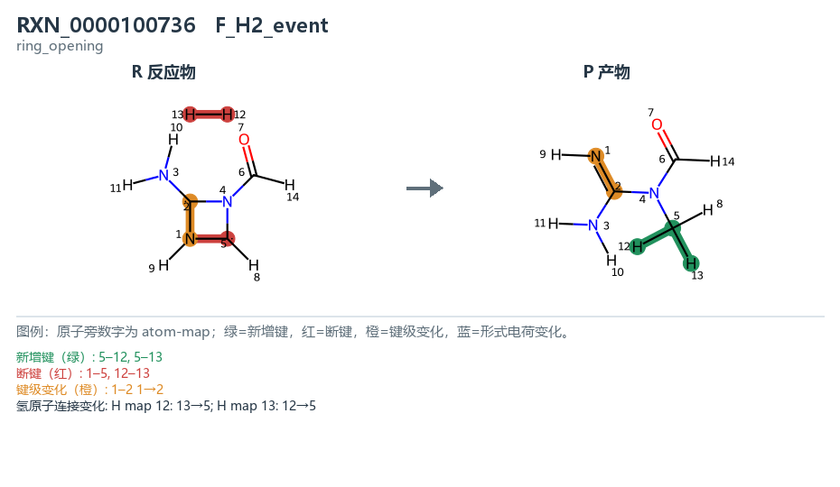 见结构图 |  | pending | not_reviewed | not_reviewed | not_reviewed | not_reviewed | pending
RXN_0000149368 | train | F · H₂ | 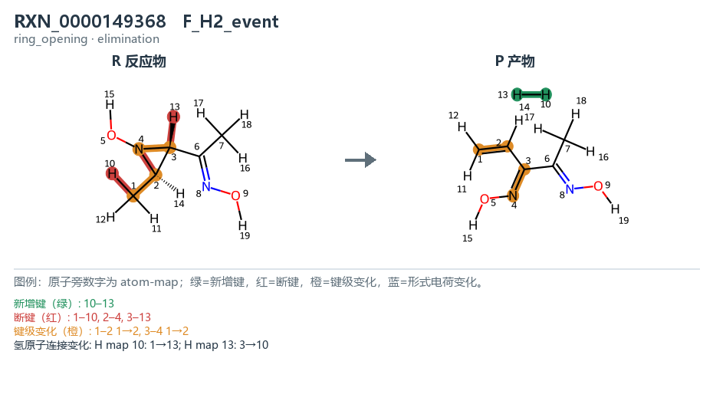 见结构图 |  | pending | not_reviewed | not_reviewed | not_reviewed | not_reviewed | pending
RXN_0000017762 | valid | F · H₂ | 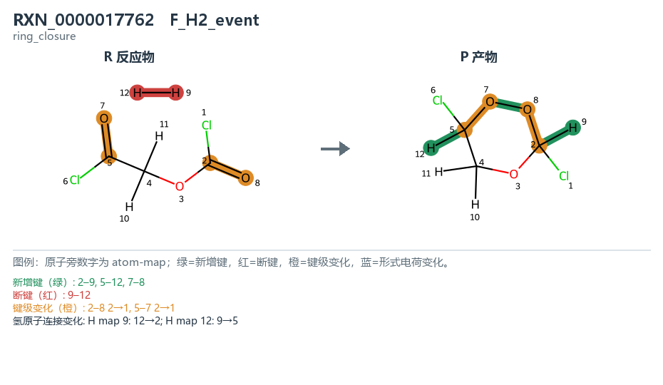 见结构图 |  | pending | not_reviewed | not_reviewed | not_reviewed | not_reviewed | pending
RXN_0000138453 | train | G · aromatic | 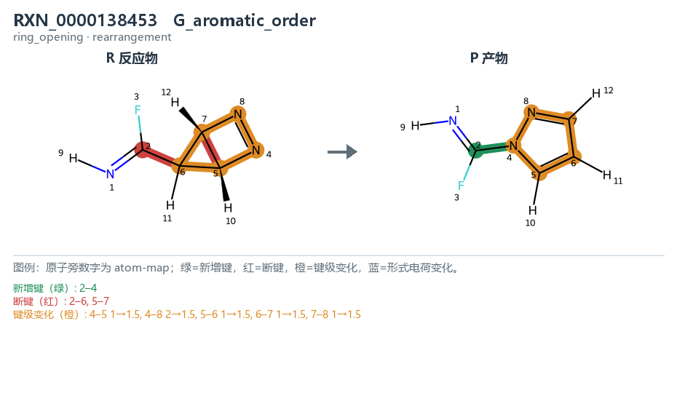 见结构图 |  | pending | not_reviewed | not_reviewed | not_reviewed | not_reviewed | pending
RXN_0000110869 | train | G · aromatic | 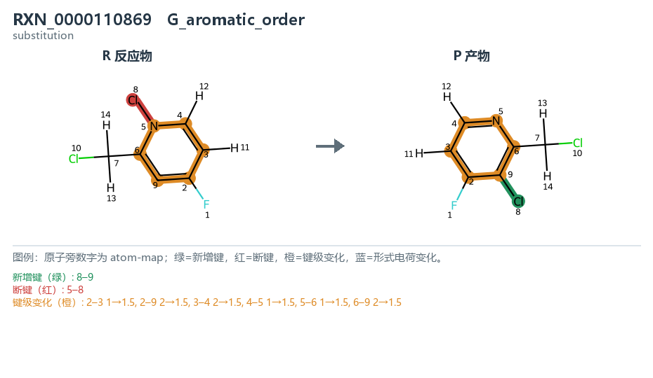 见结构图 |  | pending | not_reviewed | not_reviewed | not_reviewed | not_reviewed | pending
RXN_0000047010 | valid | G · aromatic | 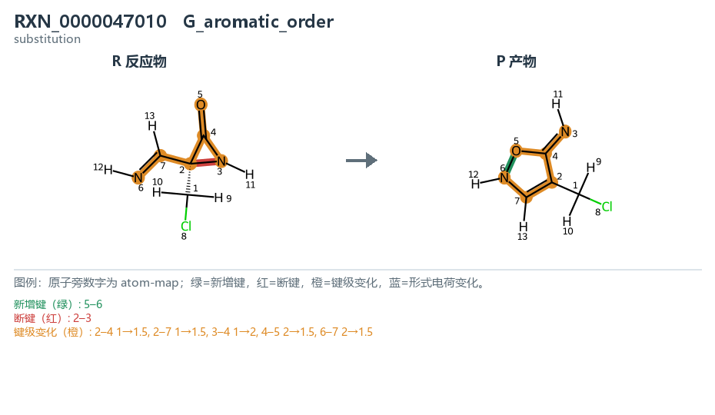 见结构图 |  | pending | not_reviewed | not_reviewed | not_reviewed | not_reviewed | pending
RXN_0000194484 | train | H · fallback | 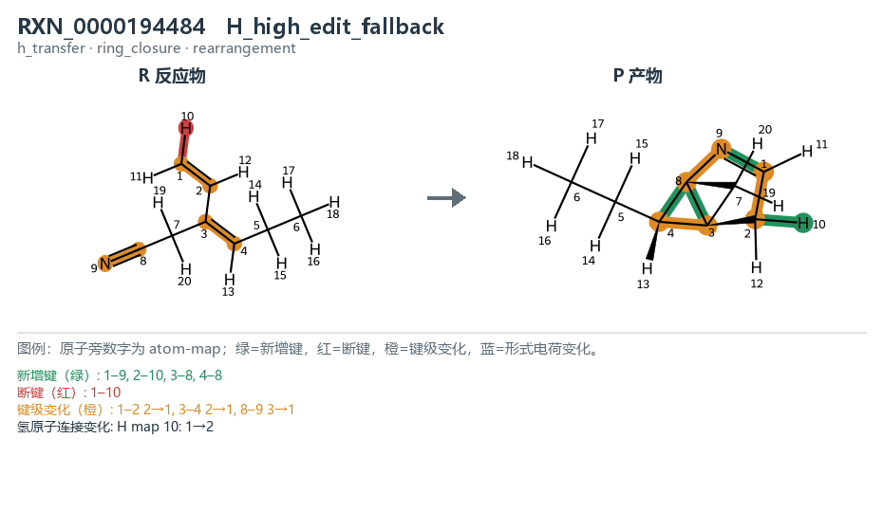 见结构图 |  | pending | not_reviewed | not_reviewed | not_reviewed | not_reviewed | pending
RXN_0000074997 | train | H · fallback | 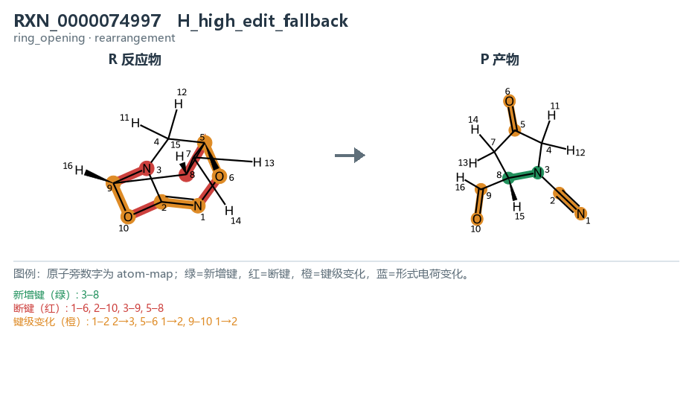 见结构图 |  | pending | not_reviewed | not_reviewed | not_reviewed | not_reviewed | pending
RXN_0000109608 | valid | H · fallback | 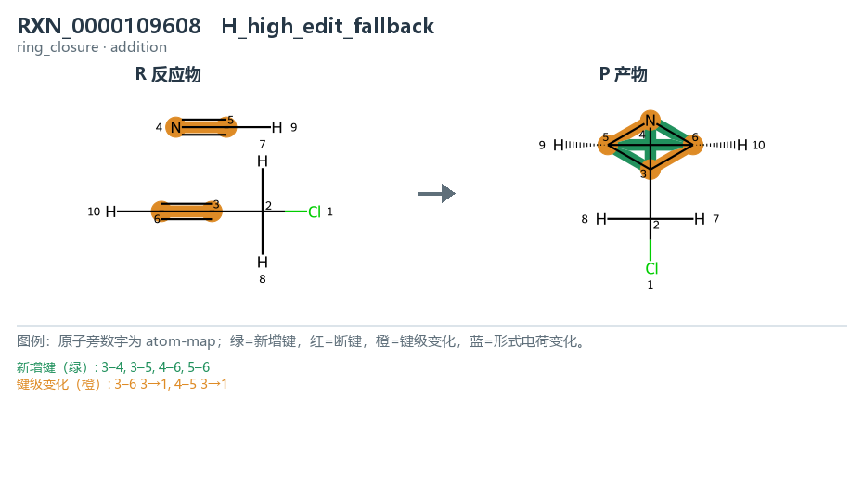 见结构图 |  | pending | not_reviewed | not_reviewed | not_reviewed | not_reviewed | pending

