Sheet1
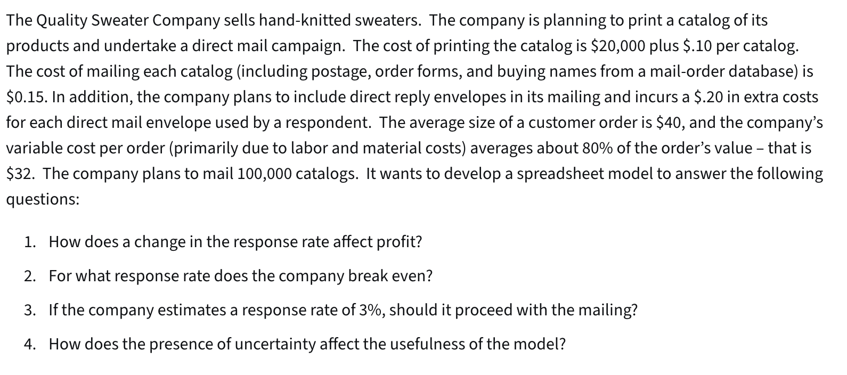
Quality Sweater Company

Inputs: |  |  | a)Data Table
Costs: |  |  | Response Rate: | Profit:
Printing: | $20,000.00 |  |  | $(33,300)
Response Rate vs Profit (Quality Sweater Co.)
Variable |  |  | 1.5% | $(33,300)
Printing: | $0.10 | per catalog | 2.0% | $(29,400)
Mailing: | $0.15 | per catalog | 2.5% | $(25,500)
Reply envelopes: | $0.20 | per order | 3.0% | $(21,600)
Labor & Materials: | $32.00 | per order | 3.5% | $(17,700)
Total Costs: | $93,300 | =B5+(B7+B8)*B13+(B9+B10)*B15 | 4.0% | $(13,800)
 |  |  | 4.5% | $(9,900)
Catalogs Ordered: | 100,000 |  | 5.0% | $(6,000)
Response Rate: | 1.5% | <-dummy value | 5.5% | $(2,100)
Total Orders: | 1500 | =B13*B14 | 6.0% | $1,800
 |  |  | 6.5% | $5,700
Revenue |  |  | 7.0% | $9,600
Average Customer Order: | $40.00 |  | 7.5% | $13,500
Total Revenue: | $60,000.00 | =B15*B18 | 8.0% | $17,400
Total Profit: | $(33,300) | =B19-B11

