Figure 7-6
This file presents data that supplement information presented in CBO’s June 2015 report The 2015 Long-Term Budget Outlook.
www.cbo.gov/publication/50250

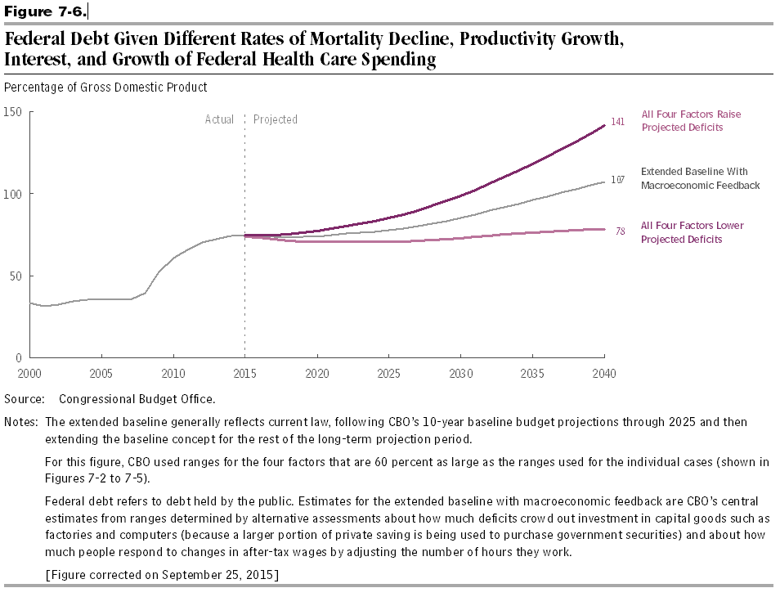
Figure 7-6.
Federal Debt Given Different Rates of Mortality Decline, Productivity Growth, Interest, and Growth of Federal Health Care Spending

Percentage of Gross Domestic Product

Fiscal Year | Extended Baseline With Macroeconomic Feedback | All Four Factors Lower Projected Deficits | All Four Factors Raise Projected Deficits
2000 | 34
2001 | 31
2002 | 33
2003 | 35
2004 | 36
2005 | 36
2006 | 35
2007 | 35
2008 | 39
2009 | 52
2010 | 61
2011 | 66
2012 | 70
2013 | 72
2014 | 74
2015 | 74 | 74 | 75
2016 | 74 | 73 | 75
2017 | 73 | 72 | 75
2018 | 73 | 71 | 75
2019 | 74 | 71 | 76
2020 | 74 | 71 | 77
2021 | 74 | 71 | 78
2022 | 75 | 71 | 80
2023 | 76 | 71 | 82
2024 | 77 | 71 | 83
2025 | 78 | 71 | 85
2026 | 79 | 71 | 87
2027 | 80 | 71 | 90
2028 | 82 | 72 | 92
2029 | 83 | 72 | 95
2030 | 85 | 73 | 99
2031 | 87 | 74 | 102
2032 | 89 | 74 | 106
2033 | 92 | 75 | 110
2034 | 94 | 76 | 114
2035 | 96 | 76 | 118
2036 | 98 | 77 | 122
2037 | 101 | 77 | 127
2038 | 103 | 78 | 132
2039 | 105 | 78 | 136
2040 | 107 | 78 | 141

Source: Congressional Budget Office

Notes: The Congressional Budget Office’s long-term projections generally reflect current law. Through 2025, they follow the agency’s March 2015 10-year baseline budget projections, with adjustments to incorporate the effects of recently enacted legislation; the most important such adjustment incorporates the estimated effect of Public Law 114-10, the Medicare Access and CHIP Reauthorization Act of 2015, which became law on April 16, 2015. The baseline concept is then extended into later years; hence, the resulting projections constitute the agency’s extended baseline.

For this figure, CBO used ranges for the four factors that are 60 percent as large as the ranges used for the individual cases (shown in Figures 7-2 to 7-5).

Federal debt refers to debt held by the public. Estimates for the extended baseline with macroeconomic feedback are CBO’s central estimates from ranges determined by alternative assessments about how much deficits crowd out investment in capital goods such as factories and computers (because a larger portion of private saving is being used to purchase government securities) and about how much people respond to changes in after-tax wages by adjusting the number of hours they work.

