Python_headings
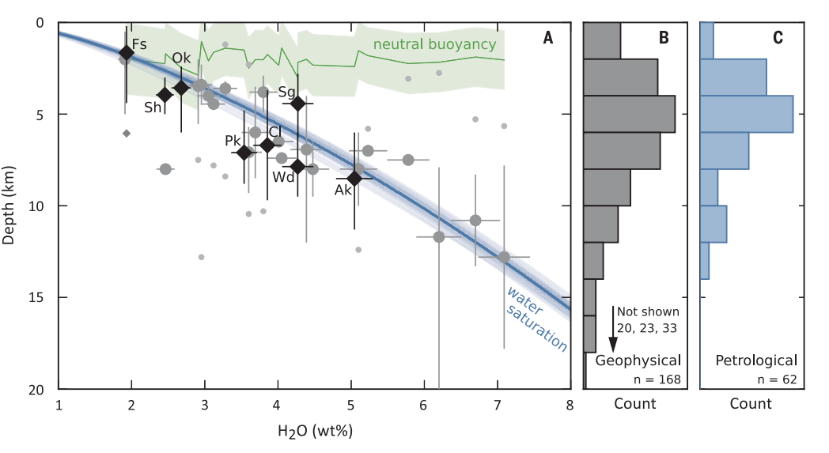
...
 | H2O (wt%)f
8.5 | 5.0
1.0
4.0 | 3.1
10.8 | 6.7
5.3 | 6.7
6.7 | 3.9
4.0
7.3
1.7 | 1.9
6.1 | 1.9
9.5
5.4
12.0
8.0 | 4.5
6.9
7.1 | 3.5
3.6 | 2.7
6.8
7.0
5.1
22.6
4.4 | 4.3
8.0 | 2.5
4.0 | 2.5
3.4 | 3.0
12.8 | 3.0
6.0 | 3.7
2.3
10.0
7.9 | 4.3
9.5
5.3
11.2
2.5
15.0
6.7
10.2
10.0
5.1
0.9
12.0
13.0
4.2
4.8
2.1
4.0
5.2
8.5
0.1
8.1
...
...
 | H2O (wt%)f
8.5 | 5.0
1.0
4.0 | 3.1
10.8 | 6.7
5.3 | 6.7
6.7 | 3.9
4.0
7.3
1.7 | 1.9
6.1 | 1.9
9.5
5.4
12.0
8.0 | 4.5
6.9
7.1 | 3.5
3.6 | 2.7
6.8
7.0
5.1
22.6
4.4 | 4.3
8.0 | 2.5
4.0 | 2.5
3.4 | 3.0
12.8 | 3.0
6.0 | 3.7
2.3
10.0
7.9 | 4.3
9.5
5.3
11.2
2.5
15.0
6.7
10.2
10.0
5.1
0.9
12.0
13.0
4.2
4.8
2.1
4.0
5.2
8.5
0.1
8.1
...
...

Only good water contents
TiO2 (wt%) | Al2O3 (wt%) | Fe2O3 (wt%) | FeO (wt%)e | MnO (wt%) | MgO (wt%) | CaO (wt%) | Na2O (wt%) | K2O (wt%) | P2O5 (wt%) | S (ppm) | Cl (ppm) | H2O (wt%)f | CO2 (ppm)g | Ba/La | Nb/Ce | H2O/Ce | Notesh | Reference
1.2 | 17.2 | 2.0 | 8.8 | 0.2 | 4.6 | 9.2 | 3.2 | 0.4 | 0.1 | 1288 | 748 | 5.0 | 0 | 43.3 | 0.13 | 3637 | Trace element data are estimated using bulk rock data. | Rasmussen and Plank (2021)
...
8.5 | 5.0
1.0
4.0 | 3.1
10.8 | 6.7
5.3
6.7 | 3.9
4.0
7.3
1.7 | 1.9
6.1
9.5
5.4
12.0
8.0 | 4.5
6.9
7.1 | 3.5
3.6 | 2.7
6.8
7.0
5.1
22.6
4.4 | 4.3
8.0 | 2.5
4.0 | 2.5
3.4 | 3.0
12.8
6.0 | 3.7
2.3
10.0
7.9 | 4.3
9.5
5.3
11.2
2.5
15.0
6.7
10.2
10.0
5.1
0.9
12.0
13.0
4.2
4.8
2.1
4.0
5.2
8.5
0.1
8.1
...
 |  |  |  |  |  |  |  |  |  |  |  | 3.1 |  |  |  |  |  | Larsen (2006)
0.7 | 16.2 |  | 7.5 | 0.1 | 5.3 | 9.3 | 2.1 | 0.4 | 0.2 | 2513 | 3084 | 6.7 | 46 |  |  |  |  | Zimmer et al. (2010)
...
0.8 | 21.1 | 1.8 | 4.6 | 0.1 | 3.8 | 11.4 | 2.6 | 0.4 | 0.1 | 959 | 594 | 3.9 | 0 | 36.6 | 0.14 | 3195 | Trace element data are estimated using bulk rock data. | Rasmussen and Plank (2021)
...
1.3 | 16.2 | 3.0 | 7.6 | 0.2 | 3.5 | 7.1 | 3.7 | 1.3 | 0.3 | 651 | 986 | 1.9 | 0 | 33.8 | 0.16 | 632 | Trace element data are estimated using bulk rock data. | Rasmussen and Plank (2021)
...
0.8 | 16.6 |  | 9.5 | 0.2 | 6.3 | 9.6 | 2.6 | 0.9 | 0.2 | 2434 | 992 | 4.5 | 193 |  |  |  |  | Zimmer et al. (2010)
...
0.7 | 16.4 |  | 8.5 | 0.2 | 5.7 | 5.8 | 2.4 | 2.4 | 0.2 | 1036 | 1090 | 3.5 | 201 | 32.8 | 0.13 | 2605 |  | Zimmer et al. (2010)
1.0 | 14.2 |  | 10.7 | 0.2 | 6.7 | 10.9 | 2.3 | 0.5 | 0.1 | 502 | 518 | 2.7 |  | 42.4 | 0.13 | 3478 |  | Zimmer et al. (2010)
...
0.6 | 18.8 | 2.3 | 6.1 | 0.2 | 5.3 | 10.6 | 1.9 | 0.3 | 0.1 | 999 | 668 | 4.3 | 228 | 47.6 | 0.11 | 5059 | Trace element data are estimated using bulk rock data. | Moore et al. (2015); Rasmussen et al. (2020)
1.2 | 16.1 |  | 9.4 | 0.2 | 3.7 | 7.6 | 3.5 | 1.3 | 0.3 | 1091 | 1146 | 2.5 | 70 |  |  |  |  | Zimmer et al. (2010)
2.0 | 14.8 | 2.4 | 8.9 | 0.2 | 4.0 | 8.9 | 3.4 | 1.3 | 0.3 | 770 | 1557 | 2.5 | 0 | 30.9 | 0.17 | 662 |  | Rasmussen et al. (2018)
0.8 | 16.2 |  | 6.9 | 0.1 | 2.1 | 5.1 | 5.1 | 1.7 | 0.4 | 333 | 3266 | 3.0 | 0 |  |  |  |  | Zimmer et al. (2010)
...
1.1 | 15.8 |  | 10.7 | 0.3 | 4.3 | 7.3 | 3.0 | 1.2 | 0.3 | 1571 | 1808 | 3.7 | 346 |  |  |  |  | Zimmer et al. (2010)
...

