Sheet1
...
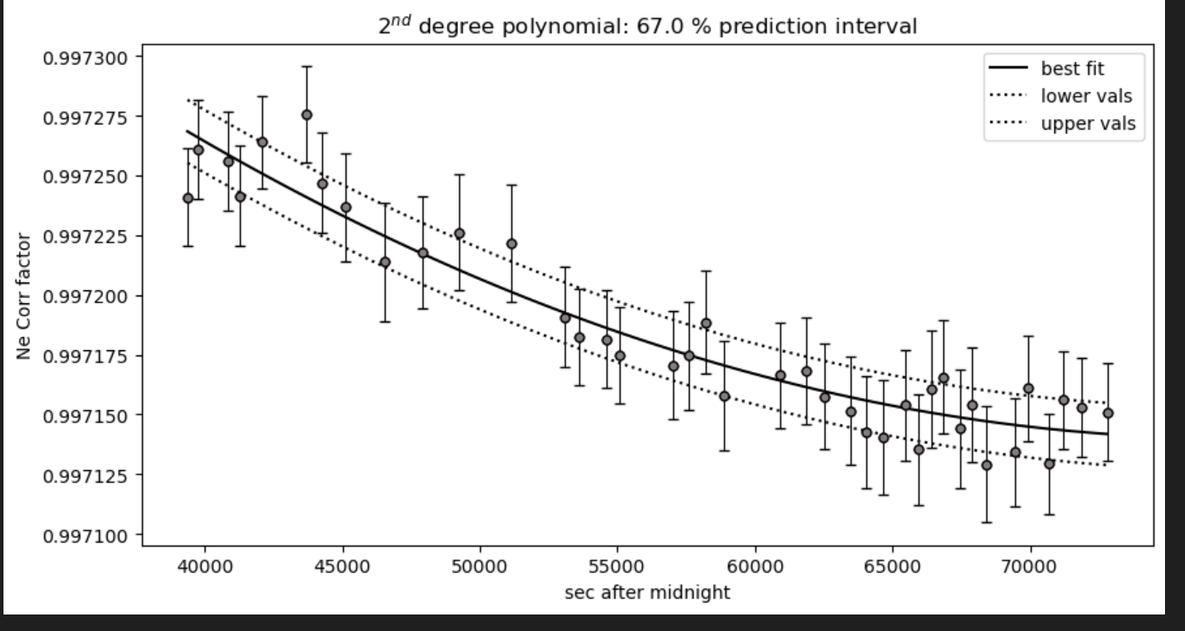
...

Sheet2
0.99762025966 | 03 C1_CRR_DiadFit | 0.99725960287 | 1.0026673443 | 1.0026674818 | 0.99740881655
0.99761680338 | 05 C2_CRR_DiadFit | 0.99725706328 | 1.0025939751 | 1.0025938001 | 0.99733211501
0.99761079304 | 07 C3_CRR_DiadFit | 0.99725262128 | 1.0025834907 | 1.0025832733 | 0.99732145572
0.99760962054 | 08 C4_CRR_DiadFit | 0.99725175074 | 1.0025709333 | 1.0025706662 | 0.9973088525
0.99759332534 | 11 C5_CRR_DiadFit | 0.99723950106 | 1.0025698246 | 1.0025695533 | 0.99730775001
0.99759212725 | 12 C6_CRR_DiadFit | 0.99723858819 | 1.002551982 | 1.0025516437 | 0.99729030597
0.99758543278 | 14 C7_CRR_DiadFit | 0.99723345239 | 1.0025461804 | 1.0025458215 | 0.99728479122
0.99757828877 | 16 C8 | 0.99722790004 | 1.0025430098 | 1.00254264 | 0.9972818219
0.99757603705 | 17 C9 | 0.99722613306 | 1.0025408076 | 1.0025404304 | 0.99727978102
0.99756591627 | 19 C10 | 0.99721807664 | 1.0025307371 | 1.0025303282 | 0.99727074451
0.99755811254 | 21 C11 | 0.99721171592 | 1.0025280281 | 1.0025276115 | 0.99726842589
0.99762025966 | 0.99725960287
0.99761680338 | 0.99725706328
0.99761079304 | 0.99725262128
0.99760962054 | 0.99725175074
0.99759332534 | 0.99723950106
0.99759212725 | 0.99723858819
0.99758543278 | 0.99723345239
0.99757828877 | 0.99722790004
0.99757603705 | 0.99722613306
0.99756591627 | 0.99721807664
0.99755811254 | 0.99721171592
0.99754874503 | 0.99720386556
0.99754791672 | 0.99720315805
0.99753454798 | 0.99719134713
0.99753018116 | 0.99718728403
0.99752778913 | 0.99718500069
0.99752612488 | 0.99718338404
0.99751847716 | 0.9971755723
0.99751640567 | 0.9971733119
0.99751507445 | 0.99717181464
0.99750926787 | 0.99716468252
0.99750730195 | 0.99716190702
0.99750619804 | 0.99716020359
0.99750474623 | 0.99715770651
0.99750411508 | 0.99715647687
0.99750337544 | 0.99715484115
0.99750268957 | 0.99715296099
0.99750243469 | 0.99715206408
0.99750223017 | 0.99715114901
0.99750208178 | 0.99715017394
0.99750201386 | 0.9971491105
0.99750203201 | 0.99714838912
0.99750212717 | 0.99714755956
0.99750240104 | 0.99714645132
0.99750296198 | 0.99714520456
0.99750354057 | 0.99714436052
0.99750425624 | 0.99714358928
0.99750523381 | 0.99714280266
0.99750622356 | 0.99714219673
0.99754874503 | 23 C12 | 0.99720386556 | 1.0026626648 | 1.0026627818 | 0.99740384762
0.99754791672 | 24 C13 | 0.99720315805 | 1.002526293 | 1.0025258717 | 0.99726697573
0.99753454798 | 27 C14_CRR_DiadFit | 0.99719134713 | 1.0025188024 | 1.0025183646 | 0.99726118748
0.99753018116 | 29 C15 | 0.99718728403 | 1.0025163131 | 1.0025158718 | 0.99725955002
0.99752778913 | 31 C16 | 0.99718500069 | 1.002514934 | 1.0025144918 | 0.99725876
0.99752612488 | 33 C17 | 0.99718338404 | 1.0025131536 | 1.0025127117 | 0.9972579504
0.99751847716 | 35 C18 | 0.9971755723 | 1.0025123982 | 1.0025119573 | 0.99725772714
0.99751640567 | 37 C19 | 0.9971733119 | 1.0025115382 | 1.0025110998 | 0.9972576394
0.99751507445 | 39 C20 | 0.99717181464 | 1.0025107878 | 1.0025103539 | 0.99725788261
0.99750926787 | 41 C21 | 0.99716468252 | 1.0025105346 | 1.0025101036 | 0.99725815004
0.99750730195 | 43 C22 | 0.99716190702 | 1.0025103567 | 1.0025099292 | 0.99725853914
0.99750619804 | 45 C23 | 0.99716020359 | 1.0026545307 | 1.0026546122 | 0.99739522981
0.99750474623 | 47 C24 | 0.99715770651 | 1.0025102679 | 1.002509845 | 0.99725909936
0.99750411508 | 49 C25 | 0.99715647687 | 1.0025103072 | 1.0025098902 | 0.99725990705
0.99750337544 | 51 C26_CRR_DiadFit | 0.99715484115 | 1.0025104269 | 1.0025100145 | 0.9972605894
0.99750268957 | 53 C27_CRR_DiadFit | 0.99715296099 | 1.0025106722 | 1.002510266 | 0.99726152964
0.99750243469 | 55 C28_CRR_DiadFit | 0.99715206408 | 1.0025112125 | 1.0025108161 | 0.99726309304
0.99750223017 | 57 C29_CRR_DiadFit | 0.99715114901 | 1.0025121867 | 1.0025118041 | 0.99726538127
0.99750208178 | 59 C30 | 0.99715017394 | 1.0025131344 | 1.0025127631 | 0.99726734673
0.99750201386 | 61 C31 | 0.9971491105 | 1.0025142713 | 1.0025139123 | 0.9972695342
0.99750203201 | 63 C32 | 0.99714838912 | 1.0025157897 | 1.0025154459 | 0.99727228385
0.99750212717 | 65 C33 | 0.99714755956 | 1.0025173023 | 1.0025169727 | 0.99727489758
0.99750240104 | 67 C34 | 0.99714645132 | 1.0026529444 | 1.002653019 | 0.9973935522
0.99750296198 | 69 C35 | 0.99714520456 | 1.002630918 | 1.0026308977 | 0.99737037215
0.99750354057 | 71 C36 | 0.99714436052 | 1.0026293001 | 1.0026292729 | 0.99736867876
0.99750425624 | 73 C37 | 0.99714358928 | 1.0026202646 | 1.0026201989 | 0.99735924813
...

