Sheet1
...
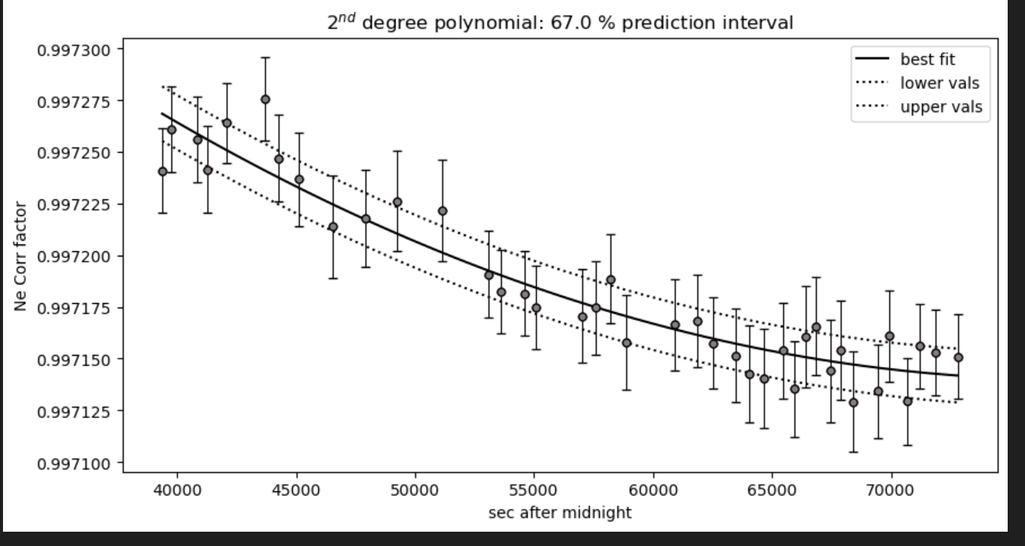
...
filename_x | Ne_corr_fact_old_1447_1117 | Ne_corr_fact_1447_1117_V77 | 1220_1447_new | 1220_1400_new | 1117_1400_new
65 C33 | 0.99750146368 | 0.99750212717 | 0.99714755956 | 1.0025169727 | 0.99727489758
67 C34 | 0.9975017112 | 0.99750240104 | 0.99714645132 | 1.002653019 | 0.9973935522
69 C35 | 0.99750223666 | 0.99750296198 | 0.99714520456 | 1.0026308977 | 0.99737037215
71 C36 | 0.99750278666 | 0.99750354057 | 0.99714436052 | 1.0026292729 | 0.99736867876
73 C37 | 0.99750347191 | 0.99750425624 | 0.99714358928 | 1.0026201989 | 0.99735924813
75 C38 | 0.99750441276 | 0.99750523381 | 0.99714280266 | 1.0026105253 | 0.99734924824
77 C39 | 0.99750536877 | 0.99750622356 | 0.99714219673 | 1.0026074786 | 0.99734611148
03 C40 | 0.99759701269 | 0.99759869623 | 0.99722993225 | 1.0026367011 | 0.9973882676
05 C41 | 0.99758314616 | 0.99758458986 | 0.99721763565 | 1.0026129916 | 0.99736659047
07 C42 | 0.99757962097 | 0.9975810059 | 0.9972145117 | 1.0026070474 | 0.99736113393
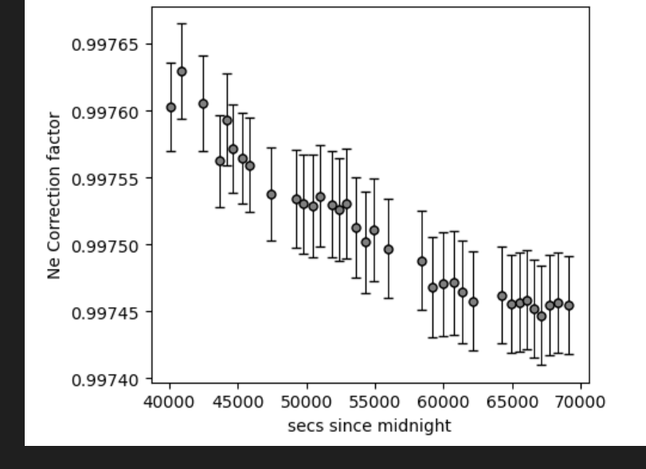
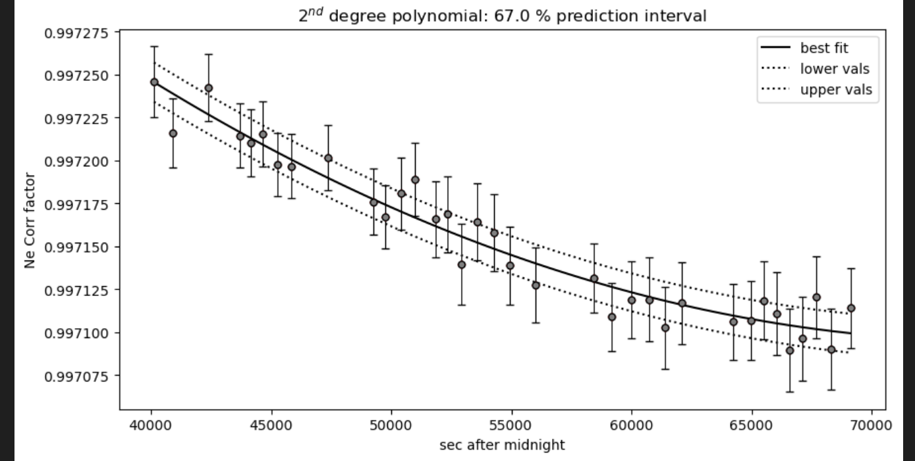
09 C43_CRR_DiadFit | 0.99757547655 | 0.99757679359 | 0.99721084018 | 1.0026001055 | 0.99735474922
11 C44 | 0.99757030974 | 0.99757154409 | 0.99720626482 | 1.0025915249 | 0.99734683762
13 C45 | 0.99756650537 | 0.99756768029 | 0.99720289736 | 1.002585262 | 0.99734104814
16 C46_CRR_DiadFit | 0.99753969471 | 0.99754049132 | 0.99717920502 | 1.0025426658 | 0.99730125207
18 C47_CRR_DiadFit | 0.99753562695 | 0.99753637341 | 0.99717561743 | 1.0025364787 | 0.99729539388
20 C48_CRR_DiadFit | 0.99753131087 | 0.9975320066 | 0.99717181322 | 1.002530008 | 0.99728923939
22 C49_CRR_DiadFit | 0.99752747003 | 0.9975281229 | 0.99716843011 | 1.0025243367 | 0.99728381932
24 C50_CRR_DiadFit | 0.99752197137 | 0.99752256696 | 0.99716359071 | 1.0025163719 | 0.99727616036
26 C51_CRR_DiadFit | 0.99751867931 | 0.99751924306 | 0.99716069574 | 1.0025116971 | 0.99727163606
28 C52_CRR_DiadFit | 0.99751538019 | 0.99751591403 | 0.99715779649 | 1.0025070882 | 0.9972671516
30 C53_CRR_DiadFit | 0.99751121182 | 0.99751171096 | 0.99715413635 | 1.002501382 | 0.9972615618
32 C54_CRR_DiadFit | 0.99750717032 | 0.99750763936 | 0.99715059106 | 1.0024959844 | 0.99725623016
34 C55_CRR_DiadFit | 0.99750331286 | 0.99750375674 | 0.99714721067 | 1.0024909681 | 0.9972512297
36 C56_CRR_DiadFit | 0.99749822001 | 0.99749863658 | 0.99714275343 | 1.0024845701 | 0.99724477428
38 C57_CRR_DiadFit | 0.9974848317 | 0.99748521578 | 0.99713107415 | 1.0024692436 | 0.99722877748
40 C58_CRR_DiadFit | 0.9974811883 | 0.99748157583 | 0.99712790778 | 1.0024655399 | 0.9972247288
42 C59_CRR_DiadFit | 0.997477656 | 0.99747805318 | 0.99712484407 | 1.0024621892 | 0.99722096009
44 C60_CRR_DiadFit | 0.99747482023 | 0.9974752303 | 0.99712238949 | 1.0024596942 | 0.9972180617
46 C61_CRR_DiadFit | 0.99747188092 | 0.99747230986 | 0.99711985063 | 1.0024573176 | 0.99721519405
48 C62_CRR_DiadFit | 0.99746870392 | 0.99746916052 | 0.99711711352 | 1.002455025 | 0.99721227461
02 C63_CRR_DiadFit | 0.99745868685 | 0.99745929842 | 0.99710854919 | 1.0024503709 | 0.99720474809
04 C64_CRR_DiadFit | 0.99745711449 | 0.9974577634 | 0.9971072175 | 1.0024501351 | 0.99720388931
06 C65_CRR_DiadFit | 0.99745563104 | 0.99745631974 | 0.99710596553 | 1.0024500858 | 0.99720319195
08 C66_CRR_DiadFit | 0.99745423965 | 0.99745497033 | 0.99710479579 | 1.0024502169 | 0.99720265344
10 C67_CRR_DiadFit | 0.99745278848 | 0.9974535686 | 0.99710358128 | 1.0024505682 | 0.99720223179
12 C68_CRR_DiadFit | 0.99745144077 | 0.99745227295 | 0.99710245932 | 1.0024511282 | 0.99720199258
14 C69_CRR_DiadFit | 0.99745021943 | 0.99745110496 | 0.99710144856 | 1.0024518704 | 0.99720192879
16 C70_CRR_DiadFit | 0.99744835261 | 0.99744933418 | 0.99709991767 | 1.002453555 | 0.99720219009

Sheet2
0.99762025966 | 03 C1_CRR_DiadFit | 0.99725960287 | 1.0026673443 | 1.0026674818 | 0.99740881655
0.99761680338 | 05 C2_CRR_DiadFit | 0.99725706328 | 1.0025939751 | 1.0025938001 | 0.99733211501
0.99761079304 | 07 C3_CRR_DiadFit | 0.99725262128 | 1.0025834907 | 1.0025832733 | 0.99732145572
0.99760962054 | 08 C4_CRR_DiadFit | 0.99725175074 | 1.0025709333 | 1.0025706662 | 0.9973088525
0.99759332534 | 11 C5_CRR_DiadFit | 0.99723950106 | 1.0025698246 | 1.0025695533 | 0.99730775001
0.99759212725 | 12 C6_CRR_DiadFit | 0.99723858819 | 1.002551982 | 1.0025516437 | 0.99729030597
0.99758543278 | 14 C7_CRR_DiadFit | 0.99723345239 | 1.0025461804 | 1.0025458215 | 0.99728479122
0.99757828877 | 16 C8 | 0.99722790004 | 1.0025430098 | 1.00254264 | 0.9972818219
0.99757603705 | 17 C9 | 0.99722613306 | 1.0025408076 | 1.0025404304 | 0.99727978102
0.99756591627 | 19 C10 | 0.99721807664 | 1.0025307371 | 1.0025303282 | 0.99727074451
0.99755811254 | 21 C11 | 0.99721171592 | 1.0025280281 | 1.0025276115 | 0.99726842589
0.99762025966 | 0.99725960287
0.99761680338 | 0.99725706328
0.99761079304 | 0.99725262128
0.99760962054 | 0.99725175074
0.99759332534 | 0.99723950106
0.99759212725 | 0.99723858819
0.99758543278 | 0.99723345239
0.99757828877 | 0.99722790004
0.99757603705 | 0.99722613306
0.99756591627 | 0.99721807664
0.99755811254 | 0.99721171592
0.99754874503 | 0.99720386556
0.99754791672 | 0.99720315805
0.99753454798 | 0.99719134713
0.99753018116 | 0.99718728403
0.99752778913 | 0.99718500069
0.99752612488 | 0.99718338404
0.99751847716 | 0.9971755723
0.99751640567 | 0.9971733119
0.99751507445 | 0.99717181464
0.99750926787 | 0.99716468252
0.99750730195 | 0.99716190702
0.99750619804 | 0.99716020359
0.99750474623 | 0.99715770651
0.99750411508 | 0.99715647687
0.99750337544 | 0.99715484115
0.99750268957 | 0.99715296099
0.99750243469 | 0.99715206408
0.99750223017 | 0.99715114901
0.99750208178 | 0.99715017394
0.99750201386 | 0.9971491105
0.99750203201 | 0.99714838912
0.99750212717 | 0.99714755956
0.99750240104 | 0.99714645132
0.99750296198 | 0.99714520456
0.99750354057 | 0.99714436052
0.99750425624 | 0.99714358928
0.99750523381 | 0.99714280266
0.99750622356 | 0.99714219673
0.99754874503 | 23 C12 | 0.99720386556 | 1.0026626648 | 1.0026627818 | 0.99740384762
0.99754791672 | 24 C13 | 0.99720315805 | 1.002526293 | 1.0025258717 | 0.99726697573
0.99753454798 | 27 C14_CRR_DiadFit | 0.99719134713 | 1.0025188024 | 1.0025183646 | 0.99726118748
0.99753018116 | 29 C15 | 0.99718728403 | 1.0025163131 | 1.0025158718 | 0.99725955002
0.99752778913 | 31 C16 | 0.99718500069 | 1.002514934 | 1.0025144918 | 0.99725876
0.99752612488 | 33 C17 | 0.99718338404 | 1.0025131536 | 1.0025127117 | 0.9972579504
0.99751847716 | 35 C18 | 0.9971755723 | 1.0025123982 | 1.0025119573 | 0.99725772714
0.99751640567 | 37 C19 | 0.9971733119 | 1.0025115382 | 1.0025110998 | 0.9972576394
0.99751507445 | 39 C20 | 0.99717181464 | 1.0025107878 | 1.0025103539 | 0.99725788261
0.99750926787 | 41 C21 | 0.99716468252 | 1.0025105346 | 1.0025101036 | 0.99725815004
0.99750730195 | 43 C22 | 0.99716190702 | 1.0025103567 | 1.0025099292 | 0.99725853914
0.99750619804 | 45 C23 | 0.99716020359 | 1.0026545307 | 1.0026546122 | 0.99739522981
0.99750474623 | 47 C24 | 0.99715770651 | 1.0025102679 | 1.002509845 | 0.99725909936
0.99750411508 | 49 C25 | 0.99715647687 | 1.0025103072 | 1.0025098902 | 0.99725990705
0.99750337544 | 51 C26_CRR_DiadFit | 0.99715484115 | 1.0025104269 | 1.0025100145 | 0.9972605894
0.99750268957 | 53 C27_CRR_DiadFit | 0.99715296099 | 1.0025106722 | 1.002510266 | 0.99726152964
0.99750243469 | 55 C28_CRR_DiadFit | 0.99715206408 | 1.0025112125 | 1.0025108161 | 0.99726309304
0.99750223017 | 57 C29_CRR_DiadFit | 0.99715114901 | 1.0025121867 | 1.0025118041 | 0.99726538127
0.99750208178 | 59 C30 | 0.99715017394 | 1.0025131344 | 1.0025127631 | 0.99726734673
0.99750201386 | 61 C31 | 0.9971491105 | 1.0025142713 | 1.0025139123 | 0.9972695342
0.99750203201 | 63 C32 | 0.99714838912 | 1.0025157897 | 1.0025154459 | 0.99727228385
0.99750212717 | 65 C33 | 0.99714755956 | 1.0025173023 | 1.0025169727 | 0.99727489758
0.99750240104 | 67 C34 | 0.99714645132 | 1.0026529444 | 1.002653019 | 0.9973935522
0.99750296198 | 69 C35 | 0.99714520456 | 1.002630918 | 1.0026308977 | 0.99737037215
0.99750354057 | 71 C36 | 0.99714436052 | 1.0026293001 | 1.0026292729 | 0.99736867876
0.99750425624 | 73 C37 | 0.99714358928 | 1.0026202646 | 1.0026201989 | 0.99735924813
...

