Sheet1
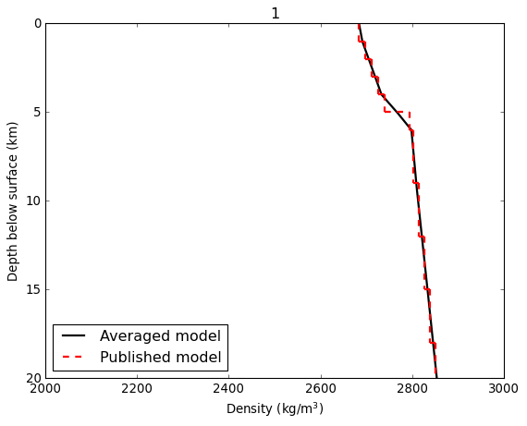
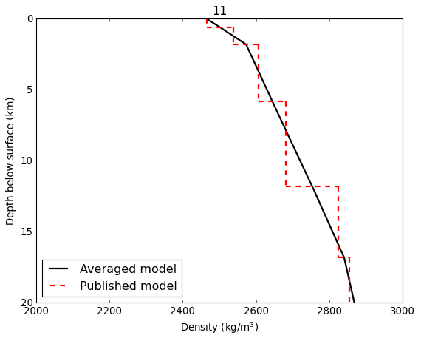
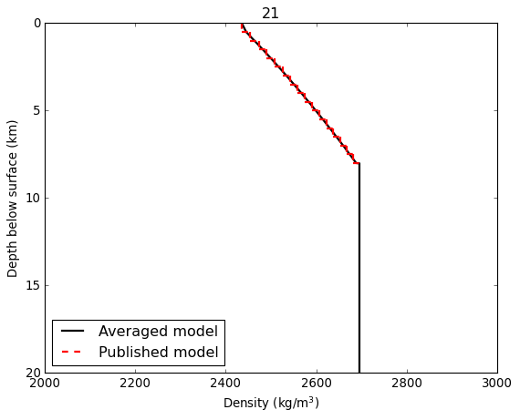
Profile# | Region | Vpa | Topoflayer(km)a | Notes | Reference | ρ(kg/m3)b
1 | Andreanof_7 | 5.6 | 0.0 | Assumedgroundelevationof1km | Dixonetal.(2019) | 2684
1 | Andreanof_8 | 5.7 | 1.0 | Assumedgroundelevationof1km | Dixonetal.(2019) | 2698
1 | Andreanof_9 | 5.9 | 2.0 | Assumedgroundelevationof1km | Dixonetal.(2019) | 2712
1 | Andreanof_10 | 6.0 | 3.0 | Assumedgroundelevationof1km | Dixonetal.(2019) | 2726
1 | Andreanof_11 | 6.1 | 4.0 | Assumedgroundelevationof1km | Dixonetal.(2019) | 2740
 | Depth(km) | Pressure(MPa)
 | 0.0 | 0.0
 | 0.1 | 2.3
 | 0.2 | 4.7
 | 0.3 | 7.0
 | 0.4 | 9.4
 | 0.5 | 11.8
 | 0.6 | 14.1
 | 0.7 | 16.5
 | 0.8 | 18.9
 | 0.9 | 21.3
 | 1.0 | 23.7
 | 1.1 | 26.1
 | 1.2 | 28.5
 | 1.3 | 30.9
 | 1.4 | 33.3
 | 1.5 | 35.8
 | 1.6 | 38.2
 | 1.7 | 40.6
 | 1.8 | 43.1
 | 1.9 | 45.5
 | 2.0 | 48.0
 | 2.1 | 50.4
 | 2.2 | 52.9
 | 2.3 | 55.3
 | 2.4 | 57.8
 | 2.5 | 60.3
 | 2.6 | 62.8
 | 2.7 | 65.2
 | 2.8 | 67.7
 | 2.9 | 70.2
 | 3.0 | 72.7
 | 3.1 | 75.2
 | 3.2 | 77.7
 | 3.3 | 80.2
 | 3.4 | 82.8
 | 3.5 | 85.3
 | 3.6 | 87.8
 | 3.7 | 90.3
 | 3.8 | 92.9
 | 3.9 | 95.4
 | 4.0 | 97.9
 | 4.1 | 100.5
 | 4.2 | 103.0
 | 4.3 | 105.6
 | 4.4 | 108.1
 | 4.5 | 110.7
 | 4.6 | 113.3
 | 4.7 | 115.8
 | 4.8 | 118.4
 | 4.9 | 121.0
...
1 | Andreanof_12 | 6.6 | 5.0 | Assumedgroundelevationof1km | Dixonetal.(2019) | 2794
1 | Andreanof_13 | 6.7 | 6.0 | Assumedgroundelevationof1km | Dixonetal.(2019) | 2803
1 | Andreanof_14 | 6.8 | 9.0 | Assumedgroundelevationof1km | Dixonetal.(2019) | 2815
1 | Andreanof_15 | 6.9 | 12.0 | Assumedgroundelevationof1km | Dixonetal.(2019) | 2827
1 | Andreanof_16 | 7.0 | 15.0 | Assumedgroundelevationof1km | Dixonetal.(2019) | 2840
1 | Andreanof_17 | 7.2 | 18.0 | Assumedgroundelevationof1km | Dixonetal.(2019) | 2852
1 | Andreanof_18 | 7.3 | 21.0 | Assumedgroundelevationof1km | Dixonetal.(2019) | 2863
1 | Andreanof_19 | 7.9 | 24.0 | Assumedgroundelevationof1km | Dixonetal.(2019) | 2918
1 | Andreanof_20 | 8.1 | 38.0 | Assumedgroundelevationof1km | Dixonetal.(2019) | 2936
2 | Augustine_1 | 2.3 | 0.0 | Assumedgroundelevationof1.3km | Dixonetal.(2019) | 2147
2 | Augustine_2 | 2.6 | 0.6 | Assumedgroundelevationof1.3km | Dixonetal.(2019) | 2214
2 | Augustine_3 | 3.4 | 1.3 | Assumedgroundelevationof1.3km | Dixonetal.(2019) | 2367
2 | Augustine_4 | 5.1 | 2.3 | Assumedgroundelevationof1.3km | Dixonetal.(2019) | 2620
2 | Augustine_5 | 6.3 | 10.3 | Assumedgroundelevationof1.3km | Dixonetal.(2019) | 2762
2 | Augustine_6 | 8.0 | 45.3 | Assumedgroundelevationof1.3km | Dixonetal.(2019) | 2932
3 | ColdBay_1 | 3.1 | 0.0 | Assumedgroundelevationof3km | Dixonetal.(2019) | 2304
3 | ColdBay_2 | 3.4 | 3.0 | Assumedgroundelevationof3km | Dixonetal.(2019) | 2374
3 | ColdBay_3 | 5.6 | 4.8 | Assumedgroundelevationof3km | Dixonetal.(2019) | 2677
3 | ColdBay_4 | 6.1 | 6.7 | Assumedgroundelevationof3km | Dixonetal.(2019) | 2735
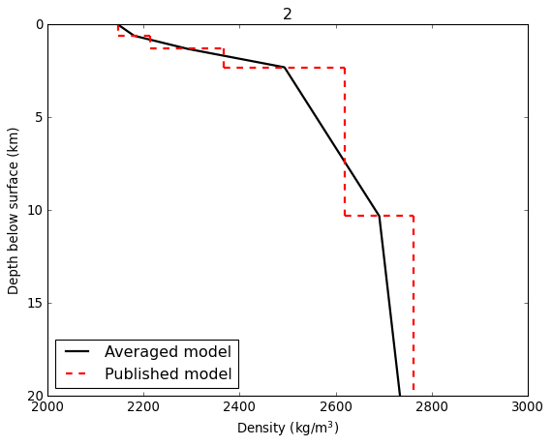
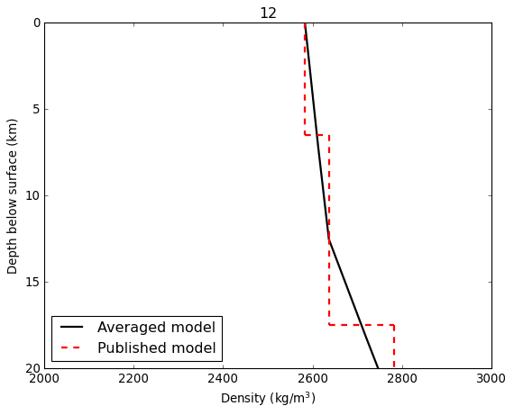
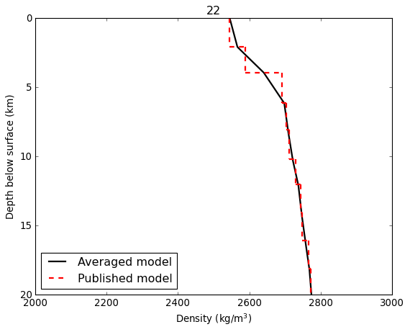
3 | ColdBay_5 | 6.7 | 13.2 | Assumedgroundelevationof3km | Dixonetal.(2019) | 2807
3 | ColdBay_6 | 7.6 | 25.6 | Assumedgroundelevationof3km | Dixonetal.(2019) | 2895
3 | ColdBay_7 | 7.9 | 41.5 | Assumedgroundelevationof3km | Dixonetal.(2019) | 2923
4 | Cleveland_1 | 1.5 | 0.0 |  | Werneretal.(2020) | 1920
4 | Cleveland_2 | 2.6 | 1.7 |  | Werneretal.(2020) | 2210
4 | Cleveland_3 | 2.8 | 3.5 |  | Werneretal.(2020) | 2260
4 | Cleveland_4 | 6.4 | 5.4 |  | Werneretal.(2020) | 2770
4 | Cleveland_5 | 8.2 | 11.0 |  | Werneretal.(2020) | 2950
4 | Cleveland_6 | 11.6 | 24.0 |  | Werneretal.(2020) | 3220
5 | Iliamna_1 | 4.8 | 0.0 | Assumedgroundelevationof3km | Dixonetal.(2019) | 2580
5 | Iliamna_2 | 6.1 | 1.4 | Assumedgroundelevationof3km | Dixonetal.(2019) | 2740
5 | Iliamna_3 | 6.2 | 4.7 | Assumedgroundelevationof3km | Dixonetal.(2019) | 2751
5 | Iliamna_4 | 6.3 | 5.9 | Assumedgroundelevationof3km | Dixonetal.(2019) | 2762
5 | Iliamna_5 | 6.4 | 6.1 | Assumedgroundelevationof3km | Dixonetal.(2019) | 2773
5 | Iliamna_6 | 7.1 | 19.5 | Assumedgroundelevationof3km | Dixonetal.(2019) | 2846
6 | Katmai_1 | 5.1 | 0.0 | Assumedgroundelevationof2km | Dixonetal.(2019) | 2613
6 | Katmai_2 | 5.1 | 3.0 | Assumedgroundelevationof2km | Dixonetal.(2019) | 2620
6 | Katmai_3 | 5.4 | 4.0 | Assumedgroundelevationof2km | Dixonetal.(2019) | 2659
6 | Katmai_4 | 5.5 | 5.0 | Assumedgroundelevationof2km | Dixonetal.(2019) | 2668
6 | Katmai_5 | 5.7 | 6.0 | Assumedgroundelevationof2km | Dixonetal.(2019) | 2688
6 | Katmai_6 | 5.7 | 7.0 | Assumedgroundelevationof2km | Dixonetal.(2019) | 2690
6 | Katmai_7 | 5.7 | 8.0 | Assumedgroundelevationof2km | Dixonetal.(2019) | 2692
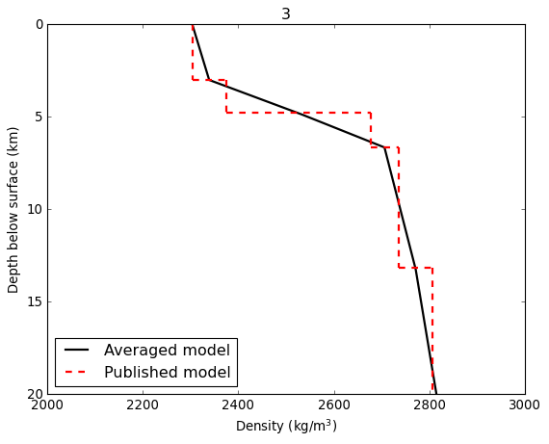
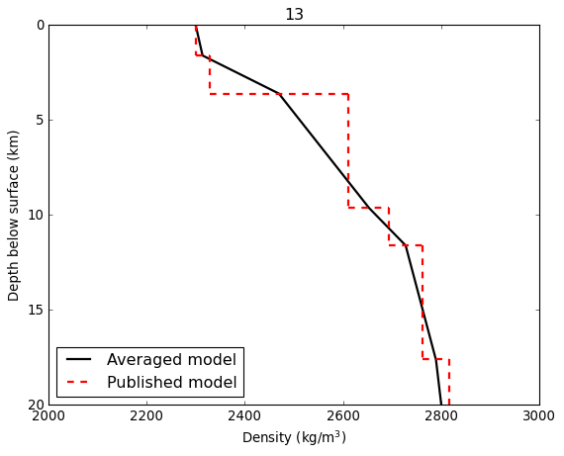
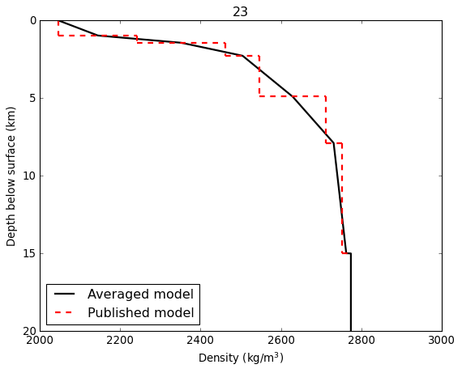
6 | Katmai_8 | 5.8 | 9.0 | Assumedgroundelevationof2km | Dixonetal.(2019) | 2701
6 | Katmai_9 | 5.8 | 10.0 | Assumedgroundelevationof2km | Dixonetal.(2019) | 2705
6 | Katmai_10 | 6.0 | 11.0 | Assumedgroundelevationof2km | Dixonetal.(2019) | 2728
6 | Katmai_11 | 6.0 | 12.0 | Assumedgroundelevationof2km | Dixonetal.(2019) | 2733
6 | Katmai_12 | 6.1 | 14.0 | Assumedgroundelevationof2km | Dixonetal.(2019) | 2737
6 | Katmai_13 | 6.3 | 17.0 | Assumedgroundelevationof2km | Dixonetal.(2019) | 2762
6 | Katmai_14 | 6.7 | 22.0 | Assumedgroundelevationof2km | Dixonetal.(2019) | 2808
6 | Katmai_15 | 7.5 | 27.0 | Assumedgroundelevationof2km | Dixonetal.(2019) | 2889
6 | Katmai_16 | 7.8 | 35.0 | Assumedgroundelevationof2km | Dixonetal.(2019) | 2911
7 | Makushin_1 | 3.9 | 0.0 | Assumedgroundelevationof1.8km | Dixonetal.(2019) | 2447
7 | Makushin_2 | 3.9 | 1.8 | Assumedgroundelevationof1.8km | Dixonetal.(2019) | 2453
7 | Makushin_3 | 4.0 | 2.8 | Assumedgroundelevationof1.8km | Dixonetal.(2019) | 2464
7 | Makushin_4 | 4.1 | 3.8 | Assumedgroundelevationof1.8km | Dixonetal.(2019) | 2482
7 | Makushin_5 | 4.8 | 4.8 | Assumedgroundelevationof1.8km | Dixonetal.(2019) | 2582
7 | Makushin_6 | 5.4 | 5.8 | Assumedgroundelevationof1.8km | Dixonetal.(2019) | 2657
7 | Makushin_7 | 5.8 | 6.3 | Assumedgroundelevationof1.8km | Dixonetal.(2019) | 2708
7 | Makushin_8 | 6.4 | 6.8 | Assumedgroundelevationof1.8km | Dixonetal.(2019) | 2773
7 | Makushin_9 | 6.5 | 10.8 | Assumedgroundelevationof1.8km | Dixonetal.(2019) | 2787
7 | Makushin_10 | 6.9 | 11.8 | Assumedgroundelevationof1.8km | Dixonetal.(2019) | 2827
7 | Makushin_11 | 7.4 | 12.8 | Assumedgroundelevationof1.8km | Dixonetal.(2019) | 2872
7 | Makushin_12 | 7.7 | 24.8 | Assumedgroundelevationof1.8km | Dixonetal.(2019) | 2902
7 | Makushin_13 | 8.1 | 29.8 | Assumedgroundelevationof1.8km | Dixonetal.(2019) | 2939
8 | Okmok_1 | 3.8 | 0.0 | Assumedgroundelevationof0.4km | Dixonetal.(2019) | 2439
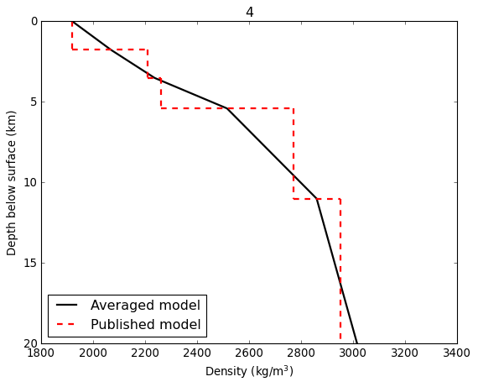
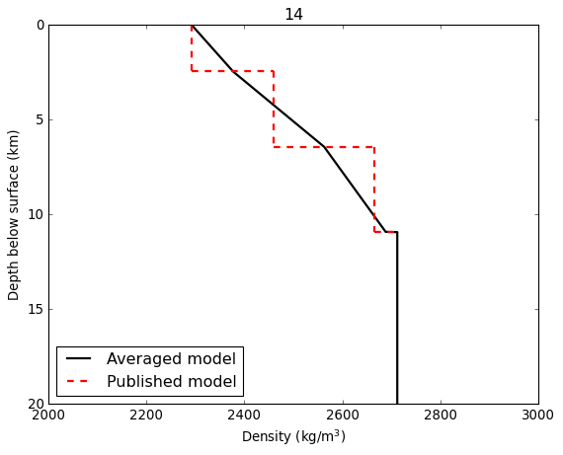
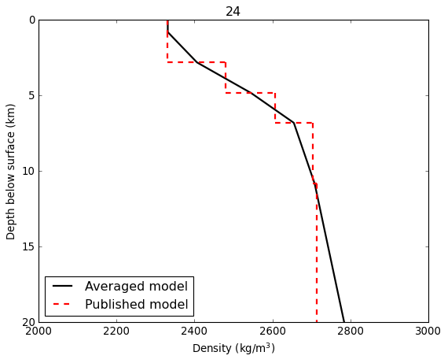
8 | Okmok_2 | 3.9 | 0.4 | Assumedgroundelevationof0.4km | Dixonetal.(2019) | 2448
8 | Okmok_3 | 5.1 | 1.4 | Assumedgroundelevationof0.4km | Dixonetal.(2019) | 2618
8 | Okmok_4 | 5.2 | 2.4 | Assumedgroundelevationof0.4km | Dixonetal.(2019) | 2631
8 | Okmok_5 | 5.5 | 3.4 | Assumedgroundelevationof0.4km | Dixonetal.(2019) | 2666
8 | Okmok_6 | 6.2 | 4.4 | Assumedgroundelevationof0.4km | Dixonetal.(2019) | 2749
8 | Okmok_7 | 6.2 | 10.4 | Assumedgroundelevationof0.4km | Dixonetal.(2019) | 2750
8 | Okmok_8 | 6.5 | 12.4 | Assumedgroundelevationof0.4km | Dixonetal.(2019) | 2779
8 | Okmok_9 | 6.9 | 16.4 | Assumedgroundelevationof0.4km | Dixonetal.(2019) | 2825
8 | Okmok_10 | 7.4 | 20.4 | Assumedgroundelevationof0.4km | Dixonetal.(2019) | 2877
9 | Redoubt_1 | 2.9 | 0.0 | Assumedgroundelevationof3km | Dixonetal.(2019) | 2275
9 | Redoubt_2 | 5.1 | 1.3 | Assumedgroundelevationof3km | Dixonetal.(2019) | 2620
9 | Redoubt_3 | 6.4 | 4.5 | Assumedgroundelevationof3km | Dixonetal.(2019) | 2773
9 | Redoubt_4 | 7.0 | 20.0 | Assumedgroundelevationof3km | Dixonetal.(2019) | 2836
10 | Spurr_1 | 5.1 | 0.0 | Assumedgroundelevationof3km | Dixonetal.(2019) | 2620
10 | Spurr_2 | 5.5 | 1.0 | Assumedgroundelevationof3km | Dixonetal.(2019) | 2670
10 | Spurr_3 | 6.3 | 8.3 | Assumedgroundelevationof3km | Dixonetal.(2019) | 2762
10 | Spurr_4 | 7.2 | 30.3 | Assumedgroundelevationof3km | Dixonetal.(2019) | 2856
11 | Tanaga_1 | 4.0 | 0.0 | Assumedgroundelevationof1.8km | Dixonetal.(2019) | 2465
11 | Tanaga_2 | 4.5 | 0.6 | Assumedgroundelevationof1.8km | Dixonetal.(2019) | 2539
11 | Tanaga_3 | 5.0 | 1.8 | Assumedgroundelevationof1.8km | Dixonetal.(2019) | 2607
11 | Tanaga_4 | 5.6 | 5.8 | Assumedgroundelevationof1.8km | Dixonetal.(2019) | 2682
11 | Tanaga_5 | 6.9 | 11.8 | Assumedgroundelevationof1.8km | Dixonetal.(2019) | 2825
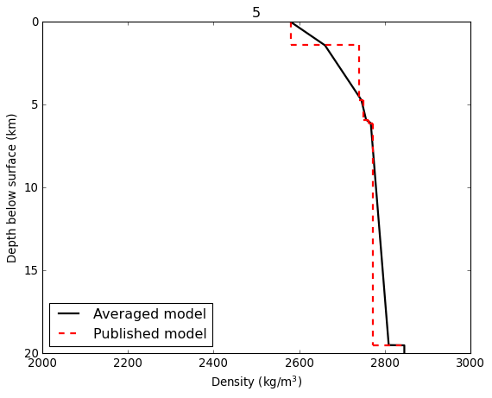
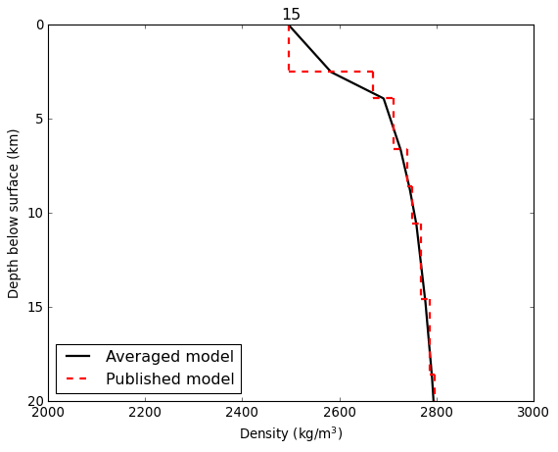
11 | Tanaga_6 | 7.2 | 16.8 | Assumedgroundelevationof1.8km | Dixonetal.(2019) | 2856
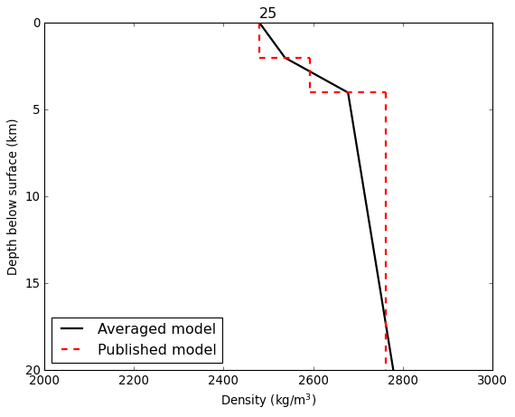
11 | Tanaga_7 | 7.8 | 21.8 | Assumedgroundelevationof1.8km | Dixonetal.(2019) | 2913
11 | Tanaga_8 | 8.1 | 34.8 | Assumedgroundelevationof1.8km | Dixonetal.(2019) | 2941
12 | Veniaminof_1 | 4.8 | 0.0 | Assumedgroundelevationof2.5km | Dixonetal.(2019) | 2583
12 | Veniaminof_2 | 5.2 | 6.5 | Assumedgroundelevationof2.5km | Dixonetal.(2019) | 2636
12 | Veniaminof_3 | 5.2 | 12.5 | Assumedgroundelevationof2.5km | Dixonetal.(2019) | 2636
12 | Veniaminof_4 | 6.5 | 17.5 | Assumedgroundelevationof2.5km | Dixonetal.(2019) | 2782
12 | Veniaminof_5 | 6.5 | 22.5 | Assumedgroundelevationof2.5km | Dixonetal.(2019) | 2786
12 | Veniaminof_6 | 8.2 | 27.5 | Assumedgroundelevationof2.5km | Dixonetal.(2019) | 2948
12 | Veniaminof_7 | 8.2 | 35.5 | Assumedgroundelevationof2.5km | Dixonetal.(2019) | 2951
12 | Veniaminof_8 | 8.2 | 49.5 | Assumedgroundelevationof2.5km | Dixonetal.(2019) | 2951
12 | Veniaminof_9 | 8.3 | 67.5 | Assumedgroundelevationof2.5km | Dixonetal.(2019) | 2959
13 | Westdahl_1 | 3.0 | 0.0 | Assumedgroundelevationof1.6km | Dixonetal.(2019) | 2300
13 | Westdahl_2 | 3.2 | 1.6 | Assumedgroundelevationof1.6km | Dixonetal.(2019) | 2328
13 | Westdahl_3 | 5.0 | 3.6 | Assumedgroundelevationof1.6km | Dixonetal.(2019) | 2611
13 | Westdahl_4 | 5.7 | 9.6 | Assumedgroundelevationof1.6km | Dixonetal.(2019) | 2694
13 | Westdahl_5 | 6.3 | 11.6 | Assumedgroundelevationof1.6km | Dixonetal.(2019) | 2762
13 | Westdahl_6 | 6.8 | 17.6 | Assumedgroundelevationof1.6km | Dixonetal.(2019) | 2817
13 | Westdahl_7 | 7.2 | 27.6 | Assumedgroundelevationof1.6km | Dixonetal.(2019) | 2853
13 | Westdahl_8 | 8.2 | 39.6 | Assumedgroundelevationof1.6km | Dixonetal.(2019) | 2946
14 | Tungurahua_1 | 3.0 | 0.0 | Assumedgroundelevationof5km | Molinaetal.(2005) | 2293
14 | Tungurahua_2 | 4.0 | 2.4 | Assumedgroundelevationof5km | Molinaetal.(2005) | 2460
14 | Tungurahua_3 | 5.5 | 6.4 | Assumedgroundelevationof5km | Molinaetal.(2005) | 2665
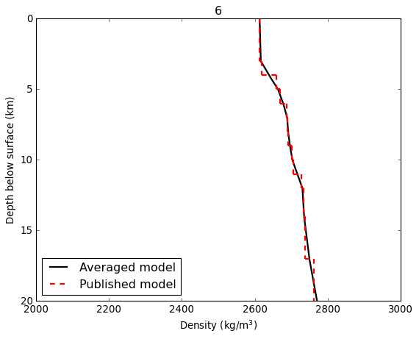
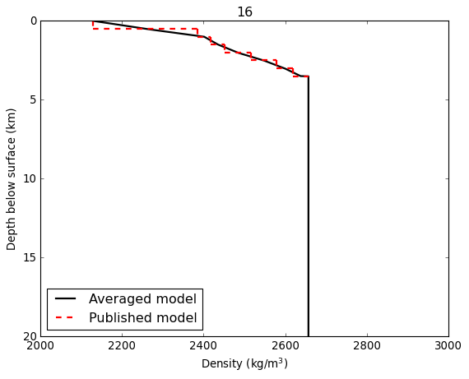
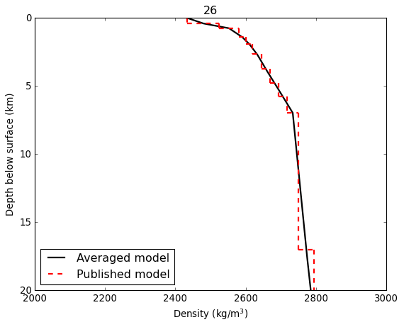
14 | Tungurahua_4 | 5.9 | 10.9 | Assumedgroundelevationof5km | Molinaetal.(2005) | 2712
15 | StHelens_1 | 4.2 | 0.0 | Assumedgroundelevationof2.5km | WaiteandMoran(2009) | 2496
15 | StHelens_2 | 5.5 | 2.5 | Assumedgroundelevationof2.5km | WaiteandMoran(2009) | 2670
15 | StHelens_3 | 5.9 | 3.9 | Assumedgroundelevationof2.5km | WaiteandMoran(2009) | 2713
15 | StHelens_4 | 6.1 | 6.6 | Assumedgroundelevationof2.5km | WaiteandMoran(2009) | 2739
15 | StHelens_5 | 6.2 | 8.6 | Assumedgroundelevationof2.5km | WaiteandMoran(2009) | 2749
15 | StHelens_6 | 6.4 | 10.5 | Assumedgroundelevationof2.5km | WaiteandMoran(2009) | 2768
15 | StHelens_7 | 6.5 | 14.6 | Assumedgroundelevationof2.5km | WaiteandMoran(2009) | 2786
15 | StHelens_8 | 6.6 | 18.6 | Assumedgroundelevationof2.5km | WaiteandMoran(2009) | 2795
15 | StHelens_9 | 6.8 | 24.5 | Assumedgroundelevationof2.5km | WaiteandMoran(2009) | 2814
15 | StHelens_10 | 6.9 | 30.6 | Assumedgroundelevationof2.5km | WaiteandMoran(2009) | 2828
15 | StHelens_11 | 7.2 | 36.7 | Assumedgroundelevationof2.5km | WaiteandMoran(2009) | 2855
15 | StHelens_12 | 7.5 | 38.7 | Assumedgroundelevationof2.5km | WaiteandMoran(2009) | 2884
15 | StHelens_13 | 7.8 | 43.5 | Assumedgroundelevationof2.5km | WaiteandMoran(2009) | 2915
16 | Kirishima_1 | 2.2 | 0.0 | Assumedgroundelevationof1.5km | Tomatsuetal.(2001) | 2129
16 | Kirishima_2 | 3.5 | 0.5 | Assumedgroundelevationof1.5km | Tomatsuetal.(2001) | 2384
16 | Kirishima_3 | 3.7 | 1.0 | Assumedgroundelevationof1.5km | Tomatsuetal.(2001) | 2418
16 | Kirishima_4 | 3.9 | 1.5 | Assumedgroundelevationof1.5km | Tomatsuetal.(2001) | 2451
16 | Kirishima_5 | 4.3 | 2.0 | Assumedgroundelevationof1.5km | Tomatsuetal.(2001) | 2516
16 | Kirishima_6 | 4.8 | 2.5 | Assumedgroundelevationof1.5km | Tomatsuetal.(2001) | 2578
16 | Kirishima_7 | 5.1 | 3.0 | Assumedgroundelevationof1.5km | Tomatsuetal.(2001) | 2619
16 | Kirishima_8 | 5.4 | 3.5 | Assumedgroundelevationof1.5km | Tomatsuetal.(2001) | 2657
17 | Newberry_1 | 1.6 | 0.0 |  | Beachlyetal.(2012) | 1961
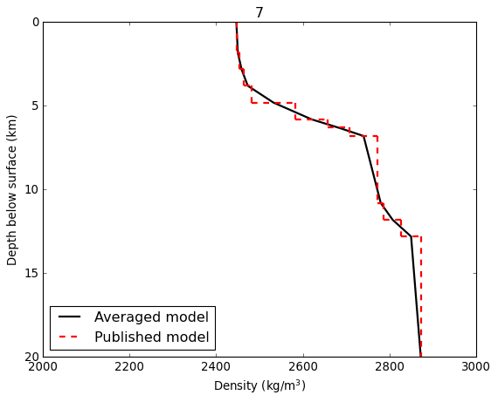
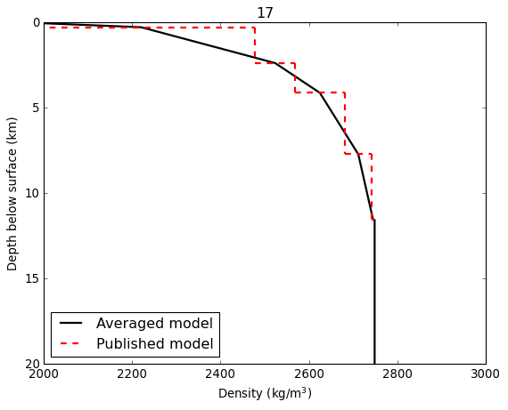
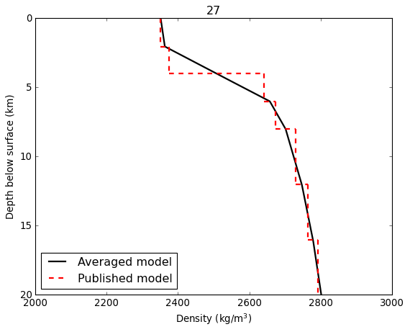
17 | Newberry_2 | 4.1 | 0.3 |  | Beachlyetal.(2012) | 2479
17 | Newberry_3 | 4.7 | 2.4 |  | Beachlyetal.(2012) | 2568
17 | Newberry_4 | 5.6 | 4.1 |  | Beachlyetal.(2012) | 2682
17 | Newberry_5 | 6.1 | 7.7 |  | Beachlyetal.(2012) | 2742
17 | Newberry_6 | 6.2 | 11.5 |  | Beachlyetal.(2012) | 2749
18 | Unzen_1 | 5.6 | 0.0 |  | OhmiandLees(1994) | 2682
18 | Unzen_2 | 5.8 | 2.5 |  | OhmiandLees(1994) | 2702
18 | Unzen_3 | 5.9 | 5.0 |  | OhmiandLees(1994) | 2720
18 | Unzen_4 | 6.0 | 7.5 |  | OhmiandLees(1994) | 2727
18 | Unzen_5 | 6.1 | 10.0 |  | OhmiandLees(1994) | 2735
18 | Unzen_6 | 6.2 | 12.5 |  | OhmiandLees(1994) | 2745
18 | Unzen_7 | 6.3 | 15.0 |  | OhmiandLees(1994) | 2756
18 | Unzen_8 | 6.4 | 17.5 |  | OhmiandLees(1994) | 2768
19 | Kuju_1 | 2.0 | 0.0 | Assumedgroundelevationof1.0km | SudoandMatsumoto(1998) | 2083
19 | Kuju_2 | 5.3 | 4.0 | Assumedgroundelevationof1.0km | SudoandMatsumoto(1998) | 2644
19 | Kuju_3 | 6.0 | 8.0 | Assumedgroundelevationof1.0km | SudoandMatsumoto(1998) | 2728
19 | Kuju_4 | 6.3 | 16.0 | Assumedgroundelevationof1.0km | SudoandMatsumoto(1998) | 2760
20 | Kamchatka_1 | 3.7 | 0.0 |  | Gorbatovetal.(1999) | 2410
20 | Kamchatka_2 | 5.7 | 5.0 |  | Gorbatovetal.(1999) | 2698
20 | Kamchatka_3 | 6.7 | 15.0 |  | Gorbatovetal.(1999) | 2809
20 | Kamchatka_4 | 7.4 | 35.0 |  | Gorbatovetal.(1999) | 2872
21 | Popocatepetl_1 | 3.8 | 0.0 |  | Bergeretal.(2011) | 2436
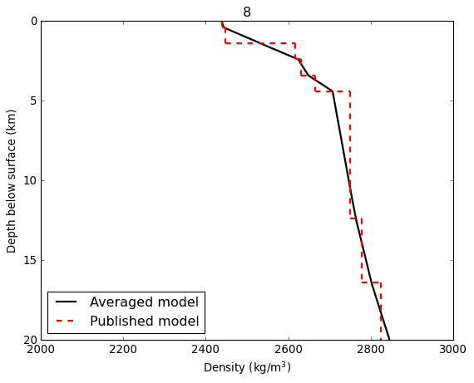
21 | Popocatepetl_2 | 3.9 | 0.5 |  | Bergeretal.(2011) | 2454
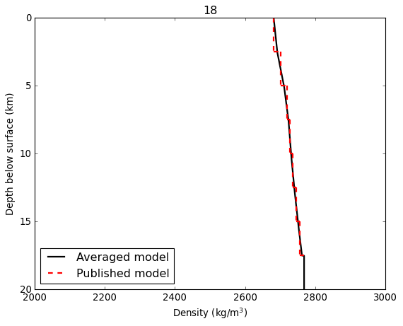
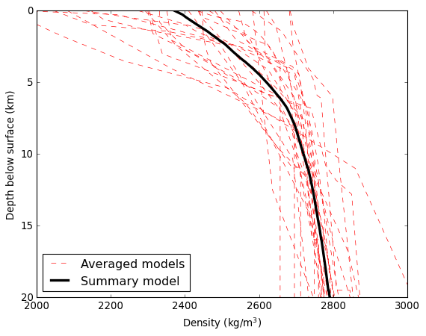
21 | Popocatepetl_3 | 4.0 | 1.0 |  | Bergeretal.(2011) | 2473
21 | Popocatepetl_4 | 4.2 | 1.5 |  | Bergeretal.(2011) | 2491
21 | Popocatepetl_5 | 4.3 | 2.0 |  | Bergeretal.(2011) | 2508
21 | Popocatepetl_6 | 4.4 | 2.5 |  | Bergeretal.(2011) | 2526
21 | Popocatepetl_7 | 4.5 | 3.0 |  | Bergeretal.(2011) | 2543
21 | Popocatepetl_8 | 4.6 | 3.5 |  | Bergeretal.(2011) | 2559
21 | Popocatepetl_9 | 4.8 | 4.0 |  | Bergeretal.(2011) | 2575
21 | Popocatepetl_10 | 4.9 | 4.5 |  | Bergeretal.(2011) | 2591
21 | Popocatepetl_11 | 5.0 | 5.0 |  | Bergeretal.(2011) | 2607
21 | Popocatepetl_12 | 5.1 | 5.5 |  | Bergeretal.(2011) | 2622
21 | Popocatepetl_13 | 5.2 | 6.0 |  | Bergeretal.(2011) | 2638
21 | Popocatepetl_14 | 5.4 | 6.5 |  | Bergeretal.(2011) | 2652
21 | Popocatepetl_15 | 5.5 | 7.0 |  | Bergeretal.(2011) | 2667
21 | Popocatepetl_16 | 5.6 | 7.5 |  | Bergeretal.(2011) | 2681
21 | Popocatepetl_17 | 5.7 | 8.0 |  | Bergeretal.(2011) | 2696
22 | Kanlaon_1 | 4.5 | 0.0 |  | Sevillaetal.(2020) | 2545
22 | Kanlaon_2 | 4.9 | 2.1 |  | Sevillaetal.(2020) | 2588
22 | Kanlaon_3 | 5.7 | 3.9 |  | Sevillaetal.(2020) | 2692
22 | Kanlaon_4 | 5.8 | 6.1 |  | Sevillaetal.(2020) | 2704
22 | Kanlaon_5 | 5.9 | 8.1 |  | Sevillaetal.(2020) | 2712
22 | Kanlaon_6 | 6.0 | 10.2 |  | Sevillaetal.(2020) | 2730
22 | Kanlaon_7 | 6.1 | 12.0 |  | Sevillaetal.(2020) | 2744
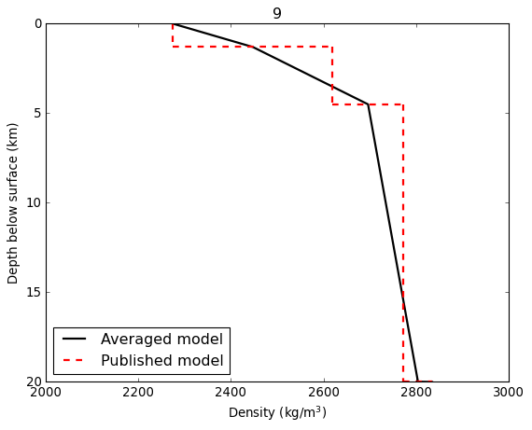
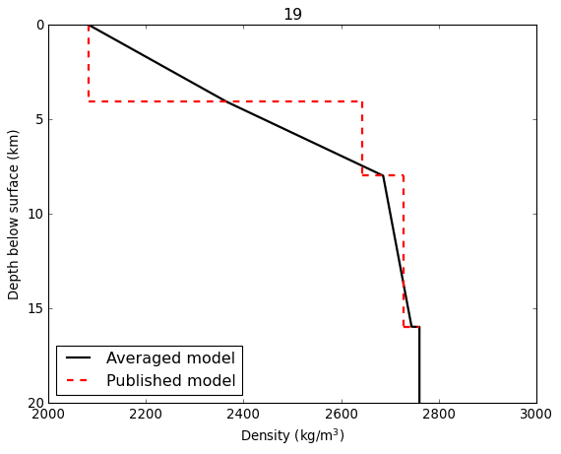
22 | Kanlaon_8 | 6.2 | 14.1 |  | Sevillaetal.(2020) | 2748
22 | Kanlaon_9 | 6.3 | 16.1 |  | Sevillaetal.(2020) | 2765
22 | Kanlaon_10 | 6.4 | 18.1 |  | Sevillaetal.(2020) | 2771
22 | Kanlaon_11 | 6.4 | 20.0 |  | Sevillaetal.(2020) | 2777
22 | Kanlaon_12 | 6.5 | 22.2 |  | Sevillaetal.(2020) | 2788
22 | Kanlaon_13 | 6.6 | 24.1 |  | Sevillaetal.(2020) | 2799
22 | Kanlaon_14 | 6.7 | 26.0 |  | Sevillaetal.(2020) | 2807
22 | Kanlaon_15 | 6.8 | 28.2 |  | Sevillaetal.(2020) | 2814
22 | Kanlaon_16 | 7.1 | 30.1 |  | Sevillaetal.(2020) | 2848
22 | Kanlaon_17 | 7.2 | 32.0 |  | Sevillaetal.(2020) | 2853
22 | Kanlaon_18 | 7.2 | 34.0 |  | Sevillaetal.(2020) | 2858
22 | Kanlaon_19 | 7.3 | 36.1 |  | Sevillaetal.(2020) | 2869
22 | Kanlaon_20 | 8.1 | 40.0 |  | Sevillaetal.(2020) | 2937
22 | Kanlaon_21 | 8.1 | 45.0 |  | Sevillaetal.(2020) | 2943
22 | Kanlaon_22 | 8.2 | 55.0 |  | Sevillaetal.(2020) | 2948
23 | Rabaul_1 | 1.9 | 0.0 |  | Finlaysonetal.(2003) | 2047
23 | Rabaul_2 | 2.7 | 1.0 |  | Finlaysonetal.(2003) | 2243
23 | Rabaul_3 | 4.0 | 1.4 |  | Finlaysonetal.(2003) | 2462
23 | Rabaul_4 | 4.6 | 2.3 |  | Finlaysonetal.(2003) | 2547
23 | Rabaul_5 | 5.8 | 4.9 |  | Finlaysonetal.(2003) | 2711
23 | Rabaul_6 | 6.2 | 7.9 |  | Finlaysonetal.(2003) | 2751
23 | Rabaul_7 | 6.4 | 15.0 |  | Finlaysonetal.(2003) | 2774
24 | Taupo_1 | 3.2 | 0.0 | Assumedgroundelevationof0.8km | Sherburnetal.(2003) | 2332
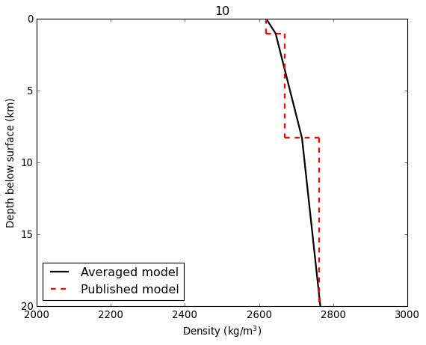
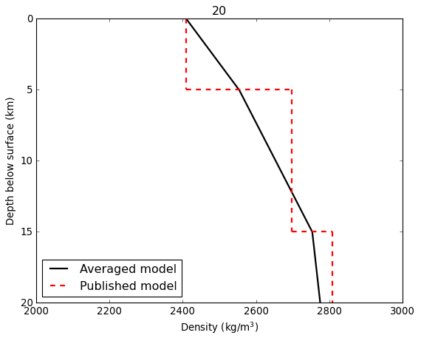
24 | Taupo_2 | 3.2 | 0.8 | Assumedgroundelevationof0.8km | Sherburnetal.(2003) | 2332
24 | Taupo_3 | 4.1 | 2.8 | Assumedgroundelevationof0.8km | Sherburnetal.(2003) | 2481
24 | Taupo_4 | 5.0 | 4.8 | Assumedgroundelevationof0.8km | Sherburnetal.(2003) | 2607
24 | Taupo_5 | 5.8 | 6.8 | Assumedgroundelevationof0.8km | Sherburnetal.(2003) | 2703
24 | Taupo_6 | 5.9 | 10.8 | Assumedgroundelevationof0.8km | Sherburnetal.(2003) | 2713
24 | Taupo_7 | 7.3 | 20.8 | Assumedgroundelevationof0.8km | Sherburnetal.(2003) | 2868
24 | Taupo_8 | 7.9 | 40.8 | Assumedgroundelevationof0.8km | Sherburnetal.(2003) | 2921
24 | Taupo_9 | 8.1 | 100.8 | Assumedgroundelevationof0.8km | Sherburnetal.(2003) | 2939
25 | Ruiz_1 | 4.1 | 0.0 |  | LondoñoandSudo(2003) | 2481
25 | Ruiz_2 | 4.9 | 2.0 |  | LondoñoandSudo(2003) | 2594
25 | Ruiz_3 | 6.3 | 4.0 |  | LondoñoandSudo(2003) | 2762
25 | Ruiz_4 | 7.9 | 30.0 |  | LondoñoandSudo(2003) | 2923
26 | Aso_1 | 3.8 | 0.0 |  | SudoandKong(2001) | 2434
26 | Aso_2 | 4.4 | 0.4 |  | SudoandKong(2001) | 2525
26 | Aso_3 | 4.8 | 0.8 |  | SudoandKong(2001) | 2580
26 | Aso_4 | 5.0 | 1.4 |  | SudoandKong(2001) | 2600
26 | Aso_5 | 5.1 | 1.9 |  | SudoandKong(2001) | 2620
26 | Aso_6 | 5.3 | 2.7 |  | SudoandKong(2001) | 2645
26 | Aso_7 | 5.5 | 3.8 |  | SudoandKong(2001) | 2670
26 | Aso_8 | 5.7 | 4.8 |  | SudoandKong(2001) | 2694
26 | Aso_9 | 5.9 | 5.8 |  | SudoandKong(2001) | 2717
26 | Aso_10 | 6.2 | 7.0 |  | SudoandKong(2001) | 2751
26 | Aso_11 | 6.6 | 17.0 |  | SudoandKong(2001) | 2794
26 | Aso_12 | 7.0 | 27.0 |  | SudoandKong(2001) | 2836
26 | Aso_13 | 7.4 | 37.0 |  | SudoandKong(2001) | 2875
26 | Aso_14 | 7.7 | 47.0 |  | SudoandKong(2001) | 2904
27 | Tongariro_1 | 3.3 | 0.0 | Assumedgroundelevationof2km | Rowlandsetal.(2005) | 2352
27 | Tongariro_2 | 3.4 | 2.0 | Assumedgroundelevationof2km | Rowlandsetal.(2005) | 2375
27 | Tongariro_3 | 5.3 | 4.0 | Assumedgroundelevationof2km | Rowlandsetal.(2005) | 2641
27 | Tongariro_4 | 5.5 | 6.0 | Assumedgroundelevationof2km | Rowlandsetal.(2005) | 2674
27 | Tongariro_5 | 6.0 | 8.0 | Assumedgroundelevationof2km | Rowlandsetal.(2005) | 2730
27 | Tongariro_6 | 6.3 | 12.0 | Assumedgroundelevationof2km | Rowlandsetal.(2005) | 2764
27 | Tongariro_7 | 6.6 | 16.0 | Assumedgroundelevationof2km | Rowlandsetal.(2005) | 2793
27 | Tongariro_8 | 6.8 | 20.1 | Assumedgroundelevationof2km | Rowlandsetal.(2005) | 2812
27 | Tongariro_9 | 7.0 | 24.0 | Assumedgroundelevationof2km | Rowlandsetal.(2005) | 2837
27 | Tongariro_10 | 7.1 | 28.0 | Assumedgroundelevationof2km | Rowlandsetal.(2005) | 2847
27 | Tongariro_11 | 7.4 | 32.0 | Assumedgroundelevationof2km | Rowlandsetal.(2005) | 2874
a:Inmostcases,thepublicationdidnotincludeatablewithseismicvelocities.Inthosecases,velocitymodelswereshowninafigure,andquantitativedatawasextractedusingthis(https://automeris.io/WebPlotDigitizer/)website.
b:VptodensityconversionwasperformedusingGardner'srelation.

References
Beachly,M.W.,Hooft,E.E.,Toomey,D.R.andWaite,G.P.,2012.UppercrustalstructureofNewberryvolcanofromP‐wavetomographyandfinitedifferencewaveformmodeling. JournalofGeophysicalResearch:SolidEarth, 117(B10).
Berger,P.,Got,J.L.,González,C.V.andMonteiller,V.,2011.SeismictomographyatPopocatépetlvolcano,Mexico. JournalofVolcanologyandGeothermalResearch, 200(3-4),pp.234-244.
Dixon,J.P.,Stihler,S.D.,Haney,M.M.,Lyons,J.J.,Ketner,D.M.,Mulliken,K.M.,Parker,T.andPower,J.A.,2019. CatalogofearthquakeparametersanddescriptionofseismographandinfrasoundstationsatAlaskanvolcanoes—January1,2013,throughDecember31,2017 (No.1115).USGeologicalSurvey.
Finlayson,D.M.,Gudmundsson,O.,Itikarai,I.,Nishimura,Y.andShimamura,H.,2003.Rabaulvolcano,PapuaNewGuinea:seismictomographicimagingofanactivecaldera. JournalofVolcanologyandGeothermalResearch, 124(3-4),pp.153-171.
Gorbatov,A.,Dominguez,J.,Suarez,G.,Kostoglodov,V.,Zhao,D.andGordeev,E.,1999.TomographicimagingoftheP-wavevelocitystructurebeneaththeKamchatkapeninsula. GeophysicalJournalInternational, 137(2),pp.269-279.
Londoño,J.M.andSudo,Y.,2003.VelocitystructureandaseismicmodelforNevadodelRuizVolcano(Colombia).JournalofVolcanologyandGeothermalResearch,119(1-4),pp.61-87.
Molina,I.,Kumagai,H.,LePennec,J.L.andHall,M.,2005.Three-dimensionalP-wavevelocitystructureofTungurahuaVolcano,Ecuador. JournalofVolcanologyandGeothermalResearch, 147(1-2),pp.144-156.
Ohmi,S.andLees,J.M.,1995.Three-dimensionalP-andS-wavevelocitystructurebelowUnzenvolcano. JournalofVolcanologyandGeothermalResearch, 65(1-2),pp.1-26.
Rowlands,D.P.,White,R.S.andHaines,A.J.,2005.SeismictomographyoftheTongariroVolcanicCentre,NewZealand. GeophysicalJournalInternational, 163(3),pp.1180-1194.
Sevilla,W.I.,Jumawan,L.A.,Clarito,C.J.,Quintia,M.A.,Dominguiano,A.A.andSolidumJr,R.U.,2020.Improved1Dvelocitymodelanddeeplong-periodearthquakesinKanlaonVolcano,Philippines:Implicationsforitsmagmaticsystem. JournalofVolcanologyandGeothermalResearch, 393,p.106793.
Sherburn,S.,Bannister,S.andBibby,H.,2003.SeismicvelocitystructureofthecentralTaupoVolcanicZone,NewZealand,fromlocalearthquaketomography. JournalofVolcanologyandGeothermalResearch, 122(1-2),pp.69-88.
Sudo,Y.andKong,L.,2001.Three-dimensionalseismicvelocitystructurebeneathAsoVolcano,Kyushu,Japan. BulletinofVolcanology, 63(5),pp.326-344.
Sudo,Y.andMatsumoto,Y.,1998.Three-dimensionalP-wavevelocitystructureintheuppercrustbeneathKujuVolcano,centralKyushu,Japan. Bulletinofvolcanology, 60(3),pp.147-159.
Tomatsu,T.,Kumagai,H.andDawson,P.B.,2001.TomographicinversionofP-wavevelocityandQstructuresbeneaththeKirishimavolcaniccomplex,southernJapan,basedonfinitedifferencecalculationsofcomplextraveltimes. GeophysicalJournalInternational, 146(3),pp.781-794.
Waite,G.P.andMoran,S.C.,2009.VPStructureofMountSt.Helens,Washington,USA,imagedwithlocalearthquaketomography. JournalofVolcanologyandGeothermalResearch, 182(1-2),pp.113-122.
Werner,C.,Rasmussen,D.J.,Plank,T.,Kelly,P.J.,Kern,C.,Lopez,T.,Gliss,J.,Power,J.A.,Roman,D.C.,Izbekov,P.andLyons,J.,2020.LinkingsubsurfacetosurfaceusinggasemissionandmeltinclusiondataatMountClevelandvolcano,Alaska. Geochemistry,Geophysics,Geosystems, 21(7),p.e2019GC008882.

