Sheet1 (2)
Match name | Composition | Run | V+ | V- | Ne+ | Ne- | ∆ | Ne ∆ | Ne (mea) - ∆(Real) | ∆ Real | ∆ (average) | r (Lamadrid et al., 2017) | r (average)
LL8_302 | R_LL8_302 | MI 300s 1 | 1388.45 | 1285.68 | 1458.54 | 1031.19 | 102.77 | 427.35 | 0.19 | 102.72 |  | 0.0471
LL8_302 | R_LL8_302 | MI 300s 2 | 1388.44 | 1285.68 | 1458.53 | 1031.19 | 102.76 | 427.34 | 0.18 | 102.72 |  | 0.0444
LL8_302 | R_LL8_302 | MI 300s 3 | 1388.46 | 1285.68 | 1458.54 | 1031.2 | 102.78 | 427.34 | 0.18 | 102.74 | 102.73 | 0.0515 | 0.0477
LL8_400 | R_LL8_400 | MI 300s 1 | 1388.51 | 1285.78 | 1458.55 | 1031.23 | 102.73 | 427.32 | 0.16 | 102.69 |  | 0.0355
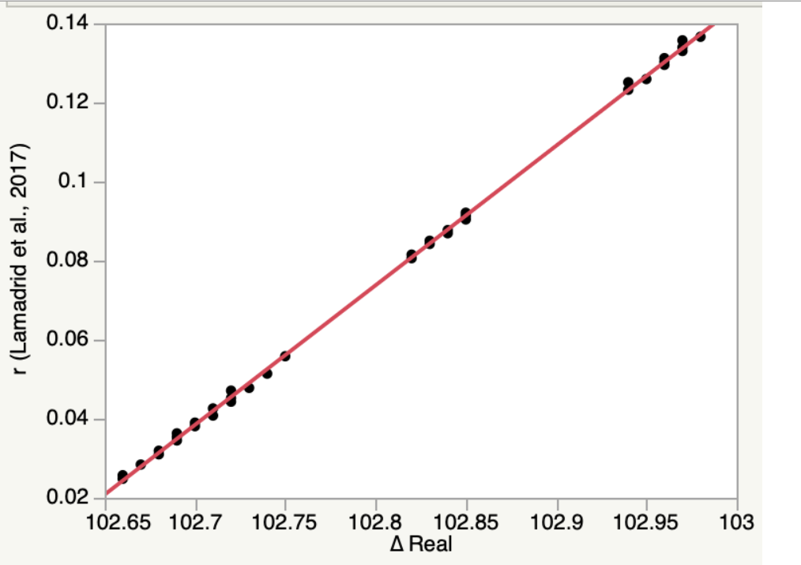
LL8_400 | R_LL8_400 | MI 300s 3 | 1388.54 | 1285.81 | 1458.59 | 1031.28 | 102.73 | 427.31 | 0.15 | 102.69 |  | 0.0363
LL8_400 | R_LL8_400 | MI 300s 4 | 1388.57 | 1285.82 | 1458.63 | 1031.31 | 102.75 | 427.32 | 0.16 | 102.71 |  | 0.0426
 | r (average)
102.72591095 | 0.047698387471
102.69773488 | 0.03769588304
102.67900788 | 0.031047796718
102.67647663 | 0.030149203173
102.96119516 | 0.13122428116
102.96199833 | 0.13150940735
102.96211792 | 0.13155186156
102.96039171 | 0.13093905758
102.95453064 | 0.12885837557
102.83203784 | 0.08537343381
102.83123557 | 0.085088626508
102.82617536 | 0.083292253472
102.82870556 | 0.084190474853
102.84950183 | 0.091573149717
102.72633185 | 0.047847807161
102.71540671 | 0.043969382231
...
LL8_400 | R_LL8_400 | MI 500s 5 | 1388.65 | 1285.92 | 1458.69 | 1031.38 | 102.73 | 427.31 | 0.15 | 102.69 | 102.70 | 0.0363 | 0.0377
LL8_404a | R_LL8_404A | MI A 120S 1 | 1388.57 | 1285.87 | 1458.56 | 1031.24 | 102.7 | 427.32 | 0.16 | 102.66 |  | 0.0248
LL8_404a | R_LL8_404A | MI A 120S 2 | 1388.57 | 1285.85 | 1458.56 | 1031.24 | 102.72 | 427.32 | 0.16 | 102.68 |  | 0.0319
LL8_404a | R_LL8_404A | MI A 120S 3 | 1388.57 | 1285.84 | 1458.57 | 1031.26 | 102.73 | 427.31 | 0.15 | 102.69 | 102.68 | 0.0363 | 0.0310
LL8_404b | R_LL8_404B | MI B 60S 1 | 1388.61 | 1285.88 | 1458.61 | 1031.3 | 102.73 | 427.31 | 0.15 | 102.69 |  | 0.0363
LL8_404b | R_LL8_404B | MI B 60S 2 | 1388.6 | 1285.89 | 1458.62 | 1031.3 | 102.71 | 427.32 | 0.16 | 102.67 |  | 0.0284
LL8_404b | R_LL8_404B | MI B 60S 3 | 1388.63 | 1285.93 | 1458.62 | 1031.31 | 102.7 | 427.31 | 0.15 | 102.66 | 102.68 | 0.0257 | 0.0301
10mol_FIA | 10.4 mol% | A1 30s | 1388.42 | 1285.43 | 1458.8 | 1031.51 | 102.99 | 427.29 | 0.13 | 102.96 |  | 0.1303
10mol_FIA | 10.4 mol% | A2 30s | 1388.41 | 1285.42 | 1458.8 | 1031.5 | 102.99 | 427.3 | 0.14 | 102.96 |  | 0.1295
10mol_FIA | 10.4 mol% | A3 30s | 1388.41 | 1285.41 | 1458.79 | 1031.5 | 103 | 427.29 | 0.13 | 102.97 | 102.96 | 0.1339 | 0.1312
10mol_FIB | 10.4 mol% | B1 30s | 1388.38 | 1285.38 | 1458.79 | 1031.5 | 103 | 427.29 | 0.13 | 102.97 |  | 0.1339
10mol_FIB | 10.4 mol% | B2 30s | 1388.39 | 1285.4 | 1458.79 | 1031.5 | 102.99 | 427.29 | 0.13 | 102.96 |  | 0.1303
10mol_FIB | 10.4 mol% | B3 30s | 1388.4 | 1285.41 | 1458.78 | 1031.49 | 102.99 | 427.29 | 0.13 | 102.96 | 102.96 | 0.1303 | 0.1315
10mol_FIC | 10.4 mol% | C1 30s | 1388.4 | 1285.4 | 1458.79 | 1031.49 | 103 | 427.3 | 0.14 | 102.97 |  | 0.1330
10mol_FIC | 10.4 mol% | C2 30s | 1388.4 | 1285.42 | 1458.79 | 1031.48 | 102.98 | 427.31 | 0.15 | 102.94 |  | 0.1251
10mol_FIC | 10.4 mol% | C3 30s | 1388.41 | 1285.4 | 1458.79 | 1031.49 | 103.01 | 427.3 | 0.14 | 102.98 | 102.96 | 0.1366 | 0.1316
10mol_FID | 10.4 mol% | D1 30s | 1388.44 | 1285.44 | 1458.82 | 1031.53 | 103 | 427.29 | 0.13 | 102.97 |  | 0.1339
10mol_FID | 10.4 mol% | D2 30s | 1388.44 | 1285.43 | 1458.82 | 1031.51 | 103.01 | 427.31 | 0.15 | 102.97 |  | 0.1357
10mol_FID | 10.4 mol% | D3 30s | 1388.43 | 1285.46 | 1458.82 | 1031.53 | 102.97 | 427.29 | 0.13 | 102.94 | 102.96 | 0.1232 | 0.1309
10mol_FIE | 10.4 mol% | E1 30s | 1388.4 | 1285.41 | 1458.82 | 1031.54 | 102.99 | 427.28 | 0.12 | 102.96 |  | 0.1312
10mol_FIE | 10.4 mol% | E2 30s | 1388.4 | 1285.41 | 1458.82 | 1031.52 | 102.99 | 427.3 | 0.14 | 102.96 |  | 0.1295
10mol_FIE | 10.4 mol% | E3 30s | 1388.39 | 1285.41 | 1458.81 | 1031.51 | 102.98 | 427.3 | 0.14 | 102.95 | 102.95 | 0.1259 | 0.1289
4mol_FIA | 4 mol% | A1 30s | 1388.49 | 1285.62 | 1458.84 | 1031.54 | 102.87 | 427.3 | 0.14 | 102.84 |  | 0.0869
4mol_FIA | 5 mol% | A2 30s | 1388.5 | 1285.64 | 1458.85 | 1031.57 | 102.86 | 427.28 | 0.12 | 102.83 |  | 0.0850
4mol_FIA | 6 mol% | A3 30s | 1388.5 | 1285.64 | 1458.85 | 1031.56 | 102.86 | 427.29 | 0.13 | 102.83 | 102.83 | 0.0842 | 0.0854
4mol_FIB | 7 mol% | B1 30s | 1388.48 | 1285.62 | 1458.86 | 1031.57 | 102.86 | 427.29 | 0.13 | 102.83 |  | 0.0842
4mol_FIB | 8 mol% | B2 30s | 1388.48 | 1285.6 | 1458.86 | 1031.56 | 102.88 | 427.3 | 0.14 | 102.85 |  | 0.0904
4mol_FIB | 9 mol% | B3 30s | 1388.48 | 1285.63 | 1458.86 | 1031.57 | 102.85 | 427.29 | 0.13 | 102.82 | 102.83 | 0.0806 | 0.0851
4mol_FIC | 10 mol% | C1 30s | 1388.49 | 1285.63 | 1458.85 | 1031.56 | 102.86 | 427.29 | 0.13 | 102.83 |  | 0.0842
4mol_FIC | 11 mol% | C2 30s | 1388.49 | 1285.63 | 1458.84 | 1031.55 | 102.86 | 427.29 | 0.13 | 102.83 |  | 0.0842
4mol_FIC | 12 mol% | C3 30s | 1388.49 | 1285.64 | 1458.84 | 1031.56 | 102.85 | 427.28 | 0.12 | 102.82 | 102.83 | 0.0815 | 0.0833
4mol_FID | 13 mol% | D1 45s | 1388.48 | 1285.63 | 1458.85 | 1031.56 | 102.85 | 427.29 | 0.13 | 102.82 |  | 0.0806
4mol_FID | 14 mol% | D2 45s | 1388.49 | 1285.62 | 1458.85 | 1031.56 | 102.87 | 427.29 | 0.13 | 102.84 |  | 0.0877
4mol_FID | 15 mol% | D3 45s | 1388.48 | 1285.62 | 1458.85 | 1031.56 | 102.86 | 427.29 | 0.13 | 102.83 | 102.83 | 0.0842 | 0.0842
4mol_FIE | 16 mol% | E1 45s | 1388.51 | 1285.63 | 1458.86 | 1031.57 | 102.88 | 427.29 | 0.13 | 102.85 |  | 0.0913
4mol_FIE | 17 mol% | E2 45s | 1388.52 | 1285.64 | 1458.86 | 1031.58 | 102.88 | 427.28 | 0.12 | 102.85 |  | 0.0921
4mol_FIE | 18 mol% | E3 45s | 1388.51 | 1285.63 | 1458.86 | 1031.57 | 102.88 | 427.29 | 0.13 | 102.85 | 102.85 | 0.0913 | 0.0916
1mol_FIA | 1.2 mol% | A1 45s | 1388.88 | 1286.12 | 1458.88 | 1031.58 | 102.76 | 427.3 | 0.14 | 102.73 |  | 0.0478
1mol_FIA | 1.2 mol% | A2 45s | 1388.87 | 1286.12 | 1458.87 | 1031.57 | 102.75 | 427.3 | 0.14 | 102.72 |  | 0.0443
1mol_FIA | 1.2 mol% | A3 45s | 1388.87 | 1286.1 | 1458.87 | 1031.57 | 102.77 | 427.3 | 0.14 | 102.74 | 102.73 | 0.0514 | 0.0478
1mol_FIB | 1.2 mol% | B1 45s | 1388.84 | 1286.13 | 1458.87 | 1031.58 | 102.71 | 427.29 | 0.13 | 102.68 |  | 0.0310
1mol_FIB | 1.2 mol% | B2 45s | 1388.84 | 1286.09 | 1458.87 | 1031.58 | 102.75 | 427.29 | 0.13 | 102.72 |  | 0.0452
1mol_FIB | 1.2 mol% | B3 45s | 1388.86 | 1286.08 | 1458.87 | 1031.58 | 102.78 | 427.29 | 0.13 | 102.75 | 102.72 | 0.0558 | 0.0440
1mol_FIC | 1.2 mol% | C1 45s | 1388.88 | 1286.14 | 1458.89 | 1031.57 | 102.74 | 427.32 | 0.16 | 102.70 |  | 0.0390
1mol_FIC | 1.2 mol% | C2 45s | 1388.88 | 1286.14 | 1458.88 | 1031.58 | 102.74 | 427.3 | 0.14 | 102.71 |  | 0.0408
1mol_FIC | 1.2 mol% | C3 45s | 1388.88 | 1286.14 | 1458.88 | 1031.58 | 102.74 | 427.3 | 0.14 | 102.71 | 102.70 | 0.0408 | 0.0402
1mol_FID | 1.2 mol% | D1 45s | 1388.88 | 1286.12 | 1458.87 | 1031.57 | 102.76 | 427.3 | 0.14 | 102.73 |  | 0.0478
1mol_FID | 1.2 mol% | D2 45s | 1388.87 | 1286.15 | 1458.87 | 1031.58 | 102.72 | 427.29 | 0.13 | 102.69 |  | 0.0345
1mol_FID | 1.2 mol% | D3 45s | 1388.87 | 1286.15 | 1458.87 | 1031.59 | 102.72 | 427.28 | 0.12 | 102.69 | 102.70 | 0.0354 | 0.0392
1mol_FIE | 1.2 mol% | E1 60s | 1388.91 | 1286.17 | 1458.89 | 1031.59 | 102.74 | 427.3 | 0.14 | 102.71 |  | 0.0408
1mol_FIE | 1.2 mol% | E2 60s | 1388.89 | 1286.15 | 1458.89 | 1031.59 | 102.74 | 427.3 | 0.14 | 102.71 |  | 0.0408
1mol_FIE | 1.2 mol% | E3 60s | 1388.91 | 1286.18 | 1458.89 | 1031.6 | 102.73 | 427.29 | 0.13 | 102.70 | 102.70 | 0.0381 | 0.0399

