Sheet1
...
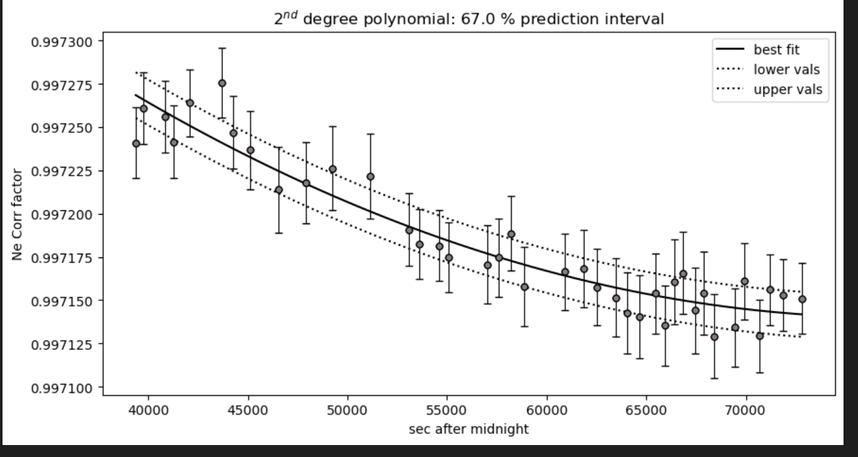
...
 |  |  | rho_gmL | filename_x | Ne_corr_fact_old_1447_1117 | Ne_corr_fact_1447_1117_V77 | 1220_1447_new | 1220_1400_new
 |  |  | 0.31604850265 | 65 C33 | 0.99750146368 | 0.99750212717 | 0.99714755956 | 1.0025169727
 |  |  | 0.30068050608 | 67 C34 | 0.9975017112 | 0.99750240104 | 0.99714645132 | 1.002653019
 |  |  | 0.2829892959 | 69 C35 | 0.99750223666 | 0.99750296198 | 0.99714520456 | 1.0026308977
 |  |  | 0.26242211712 | 71 C36 | 0.99750278666 | 0.99750354057 | 0.99714436052 | 1.0026292729
 |  |  | 0.25126801563 | 73 C37 | 0.99750347191 | 0.99750425624 | 0.99714358928 | 1.0026201989
36.9995 | 0.0005 | 7.17815 | 0.22315637747 | 75 C38 | 0.99750441276 | 0.99750523381 | 0.99714280266 | 1.0026105253
36.9995 | 0.00086602540379 | 6.59355 | 0.18443415858 | 77 C39 | 0.99750536877 | 0.99750622356 | 0.99714219673 | 1.0026074786
37 | 0.0012247448714 | 7.237 | 0.22784760715 | 03 C40 | 0.99759701269 | 0.99759869623 | 0.99722993225 | 1.0026367011
37.0005 | 0.0011180339887 | 6.8968 | 0.20317639551 | 05 C41 | 0.99758314616 | 0.99758458986 | 0.99721763565 | 1.0026129916
37.00375 | 0.0014790199458 | 6.70475 | 0.19135760218 | 07 C42 | 0.99757962097 | 0.9975810059 | 0.9972145117 | 1.0026070474
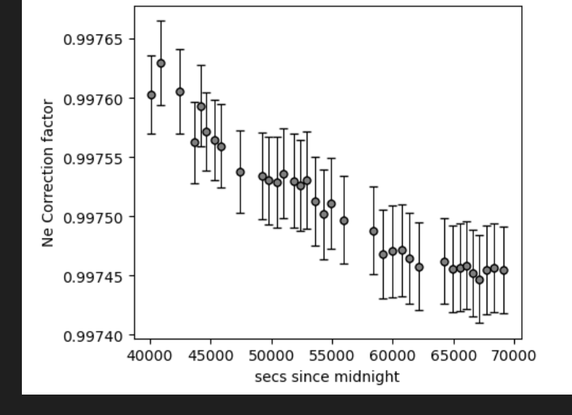
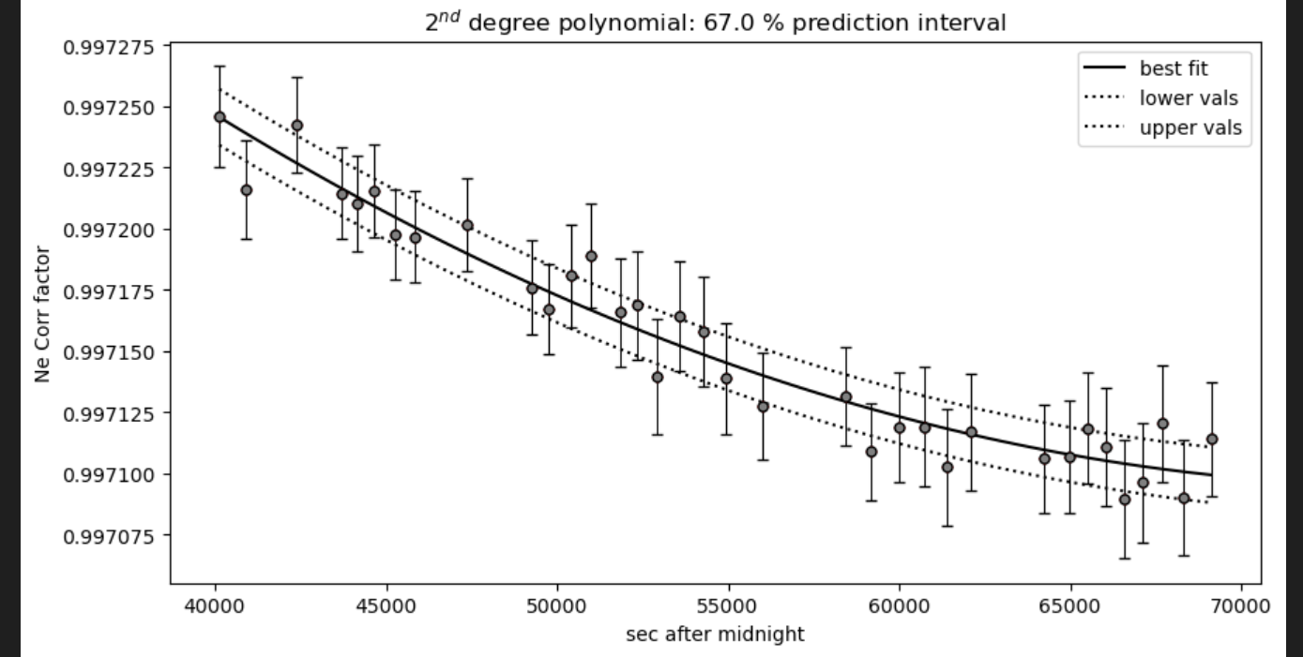
36.9995 | 0.0020615528128 | 6.4969 | 0.17910756155 | 09 C43_CRR_DiadFit | 0.99757547655 | 0.99757679359 | 0.99721084018 | 1.0026001055
37.001 | 0.0037416573868 | 6.30625 | 0.1695871039 | 11 C44 | 0.99757030974 | 0.99757154409 | 0.99720626482 | 1.0025915249
36.99975 | 0.0049686517286 | 6.1094 | 0.16014273083 | 13 C45 | 0.99756650537 | 0.99756768029 | 0.99720289736 | 1.002585262
37.00475 | 0.0028613807856 | 5.8993 | 0.150262353 | 16 C46_CRR_DiadFit | 0.99753969471 | 0.99754049132 | 0.99717920502 | 1.0025426658
36.99725 | 0.001920286437 | 5.704925 | 0.14228480142 | 18 C47_CRR_DiadFit | 0.99753562695 | 0.99753637341 | 0.99717561743 | 1.0025364787
37.007 | 0.0023452078799 | 5.49915 | 0.13393193373 | 20 C48_CRR_DiadFit | 0.99753131087 | 0.9975320066 | 0.99717181322 | 1.002530008
37.0035 | 0.0025 | 5.30675 | 0.12700135611 | 22 C49_CRR_DiadFit | 0.99752747003 | 0.9975281229 | 0.99716843011 | 1.0025243367
37.001 | 0.005 | 5.09705 | 0.11919123835 | 24 C50_CRR_DiadFit | 0.99752197137 | 0.99752256696 | 0.99716359071 | 1.0025163719
37.00325 | 0.0036996621467 | 4.85205 | 0.11107198542 | 26 C51_CRR_DiadFit | 0.99751867931 | 0.99751924306 | 0.99716069574 | 1.0025116971
37.002 | 0.0035355339059 | 4.52215 | 0.10122926814 | 28 C52_CRR_DiadFit | 0.99751538019 | 0.99751591403 | 0.99715779649 | 1.0025070882
37.00275 | 0.0016393596311 | 4.1688 | 0.090410426309 | 30 C53_CRR_DiadFit | 0.99751121182 | 0.99751171096 | 0.99715413635 | 1.002501382
37.00675 | 0.0022776083948 | 3.8069 | 0.080331977551 | 32 C54_CRR_DiadFit | 0.99750717032 | 0.99750763936 | 0.99715059106 | 1.0024959844
36.996 | 0.0012247448714 | 3.40735 | 0.069956746383 | 34 C55_CRR_DiadFit | 0.99750331286 | 0.99750375674 | 0.99714721067 | 1.0024909681
37.0055 | 0.0016583123952 | 3.01225 | 0.060405985765 | 36 C56_CRR_DiadFit | 0.99749822001 | 0.99749863658 | 0.99714275343 | 1.0024845701
37.006 | 0.0037416573868 | 2.51855 | 0.047635959332 | 38 C57_CRR_DiadFit | 0.9974848317 | 0.99748521578 | 0.99713107415 | 1.0024692436
37.0025 | 0.0026925824036 | 2.1206 | 0.040298552122 | 40 C58_CRR_DiadFit | 0.9974811883 | 0.99748157583 | 0.99712790778 | 1.0024655399
37.0018 | 0.0024819347292 | 1.828 | 0.034485908853 | 42 C59_CRR_DiadFit | 0.997477656 | 0.99747805318 | 0.99712484407 | 1.0024621892
37.0044 | 0.0021540659229 | 1.5489 | 0.028575455465 | 44 C60_CRR_DiadFit | 0.99747482023 | 0.9974752303 | 0.99712238949 | 1.0024596942
37.0008 | 0.0047497368348 | 1.1 | 0.020583812553 | 46 C61_CRR_DiadFit | 0.99747188092 | 0.99747230986 | 0.99711985063 | 1.0024573176
37.0048 | 0.001833030278 | 0.5578 | 0.009598919674 | 48 C62_CRR_DiadFit | 0.99746870392 | 0.99746916052 | 0.99711711352 | 1.002455025
37.0066 | 0.0021540659229 | 4.1554 | 0.089771251701 | 02 C63_CRR_DiadFit | 0.99745868685 | 0.99745929842 | 0.99710854919 | 1.0024503709
36.999 | 0.00070710678119 | 3.553 | 0.073487206636 | 04 C64_CRR_DiadFit | 0.99745711449 | 0.9974577634 | 0.9971072175 | 1.0024501351
37.0025 | 0.0015 | 2.9398 | 0.058410983866 | 06 C65_CRR_DiadFit | 0.99745563104 | 0.99745631974 | 0.99710596553 | 1.0024500858
36.99825 | 0.00082915619759 | 2.2993 | 0.043957857105 | 08 C66_CRR_DiadFit | 0.99745423965 | 0.99745497033 | 0.99710479579 | 1.0024502169
36.9975 | 0.0015 | 1.29015 | 0.023384795233 | 10 C67_CRR_DiadFit | 0.99745278848 | 0.9974535686 | 0.99710358128 | 1.0024505682
37.003 | 0.00070710678118 | 0.5611 | 0.0098223777677 | 12 C68_CRR_DiadFit | 0.99745144077 | 0.99745227295 | 0.99710245932 | 1.0024511282
37.005 | 0.0012247448714 | 4.6895 | 0.10580369278 | 14 C69_CRR_DiadFit | 0.99745021943 | 0.99745110496 | 0.99710144856 | 1.0024518704
36.9972 | 0.0017204650534 | 4.9627 | 0.11471380277 | 16 C70_CRR_DiadFit | 0.99744835261 | 0.99744933418 | 0.99709991767 | 1.002453555

Sheet2
0.99762025966 | 03 C1_CRR_DiadFit | 0.99725960287 | 1.0026673443 | 1.0026674818
0.99761680338 | 05 C2_CRR_DiadFit | 0.99725706328 | 1.0025939751 | 1.0025938001
0.99761079304 | 07 C3_CRR_DiadFit | 0.99725262128 | 1.0025834907 | 1.0025832733
0.99760962054 | 08 C4_CRR_DiadFit | 0.99725175074 | 1.0025709333 | 1.0025706662
0.99759332534 | 11 C5_CRR_DiadFit | 0.99723950106 | 1.0025698246 | 1.0025695533
0.99759212725 | 12 C6_CRR_DiadFit | 0.99723858819 | 1.002551982 | 1.0025516437
0.99758543278 | 14 C7_CRR_DiadFit | 0.99723345239 | 1.0025461804 | 1.0025458215
0.99757828877 | 16 C8 | 0.99722790004 | 1.0025430098 | 1.00254264
0.99757603705 | 17 C9 | 0.99722613306 | 1.0025408076 | 1.0025404304
0.99756591627 | 19 C10 | 0.99721807664 | 1.0025307371 | 1.0025303282
0.99755811254 | 21 C11 | 0.99721171592 | 1.0025280281 | 1.0025276115
0.99762025966 | 0.99725960287
0.99761680338 | 0.99725706328
0.99761079304 | 0.99725262128
0.99760962054 | 0.99725175074
0.99759332534 | 0.99723950106
0.99759212725 | 0.99723858819
0.99758543278 | 0.99723345239
0.99757828877 | 0.99722790004
0.99757603705 | 0.99722613306
0.99756591627 | 0.99721807664
0.99755811254 | 0.99721171592
0.99754874503 | 0.99720386556
0.99754791672 | 0.99720315805
0.99753454798 | 0.99719134713
0.99753018116 | 0.99718728403
0.99752778913 | 0.99718500069
0.99752612488 | 0.99718338404
0.99751847716 | 0.9971755723
0.99751640567 | 0.9971733119
0.99751507445 | 0.99717181464
0.99750926787 | 0.99716468252
0.99750730195 | 0.99716190702
0.99750619804 | 0.99716020359
0.99750474623 | 0.99715770651
0.99750411508 | 0.99715647687
0.99750337544 | 0.99715484115
0.99750268957 | 0.99715296099
0.99750243469 | 0.99715206408
0.99750223017 | 0.99715114901
0.99750208178 | 0.99715017394
0.99750201386 | 0.9971491105
0.99750203201 | 0.99714838912
0.99750212717 | 0.99714755956
0.99750240104 | 0.99714645132
0.99750296198 | 0.99714520456
0.99750354057 | 0.99714436052
0.99750425624 | 0.99714358928
0.99750523381 | 0.99714280266
0.99750622356 | 0.99714219673
0.99754874503 | 23 C12 | 0.99720386556 | 1.0026626648 | 1.0026627818
0.99754791672 | 24 C13 | 0.99720315805 | 1.002526293 | 1.0025258717
0.99753454798 | 27 C14_CRR_DiadFit | 0.99719134713 | 1.0025188024 | 1.0025183646
0.99753018116 | 29 C15 | 0.99718728403 | 1.0025163131 | 1.0025158718
0.99752778913 | 31 C16 | 0.99718500069 | 1.002514934 | 1.0025144918
0.99752612488 | 33 C17 | 0.99718338404 | 1.0025131536 | 1.0025127117
0.99751847716 | 35 C18 | 0.9971755723 | 1.0025123982 | 1.0025119573
0.99751640567 | 37 C19 | 0.9971733119 | 1.0025115382 | 1.0025110998
0.99751507445 | 39 C20 | 0.99717181464 | 1.0025107878 | 1.0025103539
0.99750926787 | 41 C21 | 0.99716468252 | 1.0025105346 | 1.0025101036
0.99750730195 | 43 C22 | 0.99716190702 | 1.0025103567 | 1.0025099292
0.99750619804 | 45 C23 | 0.99716020359 | 1.0026545307 | 1.0026546122
0.99750474623 | 47 C24 | 0.99715770651 | 1.0025102679 | 1.002509845
0.99750411508 | 49 C25 | 0.99715647687 | 1.0025103072 | 1.0025098902
0.99750337544 | 51 C26_CRR_DiadFit | 0.99715484115 | 1.0025104269 | 1.0025100145
0.99750268957 | 53 C27_CRR_DiadFit | 0.99715296099 | 1.0025106722 | 1.002510266
0.99750243469 | 55 C28_CRR_DiadFit | 0.99715206408 | 1.0025112125 | 1.0025108161
0.99750223017 | 57 C29_CRR_DiadFit | 0.99715114901 | 1.0025121867 | 1.0025118041
0.99750208178 | 59 C30 | 0.99715017394 | 1.0025131344 | 1.0025127631
0.99750201386 | 61 C31 | 0.9971491105 | 1.0025142713 | 1.0025139123
0.99750203201 | 63 C32 | 0.99714838912 | 1.0025157897 | 1.0025154459
0.99750212717 | 65 C33 | 0.99714755956 | 1.0025173023 | 1.0025169727
0.99750240104 | 67 C34 | 0.99714645132 | 1.0026529444 | 1.002653019
0.99750296198 | 69 C35 | 0.99714520456 | 1.002630918 | 1.0026308977
0.99750354057 | 71 C36 | 0.99714436052 | 1.0026293001 | 1.0026292729
0.99750425624 | 73 C37 | 0.99714358928 | 1.0026202646 | 1.0026201989
...

