连招说明分页
 | 连招 [[连招Id，检测时长（毫秒）],...] 连招id：技能id 检测时长：此时间段内点击按钮将触发连招 与“技能提前按键响应”字段配合使用。 连招判定时长=检测时长+技能提前按键响应时间 |  |  | 按键响应（单位毫秒） 需要配合“连招”字段使用。 开始连招检测的时间点 例：一个1s长的动作，该字段填227。则在该动作播放后227毫秒开始检测。在277毫秒前点击，不作为连击判断。

…… | combo |  |  | keyInAdvance
…… | int[][] |  |  | int
…… | [[11100,1000],[11101,1000],[11102,1000]] |  |  | 227
 | [[11100,1000],[11101,1000],[11102,1000]] |  |  | 400

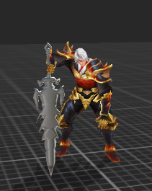
 |  |  | 动作是我啦啦啦

 | 图例说明 假设三连击动作，每个动作美术资源作时长均为1000毫秒。示例参数如右侧所填。按键响应 227；检测时长 1000

 | 动作时长（1000毫秒）

 |  |  |  |  | 假设我在这个时间点按了按钮，则触发连击
 | 按键响应(227毫秒）
 | 此时间段内不做连击判断 | 检测时长（1000毫秒），该时间段内点击按钮则触发连招

 |  |  |  |  |  | 动作时长（1000毫秒）

 |  |  |  |  | 按键响应(400毫秒）

 |  |  |  |  |  |  | 检测时长（1000毫秒）

