Dashboard Examples
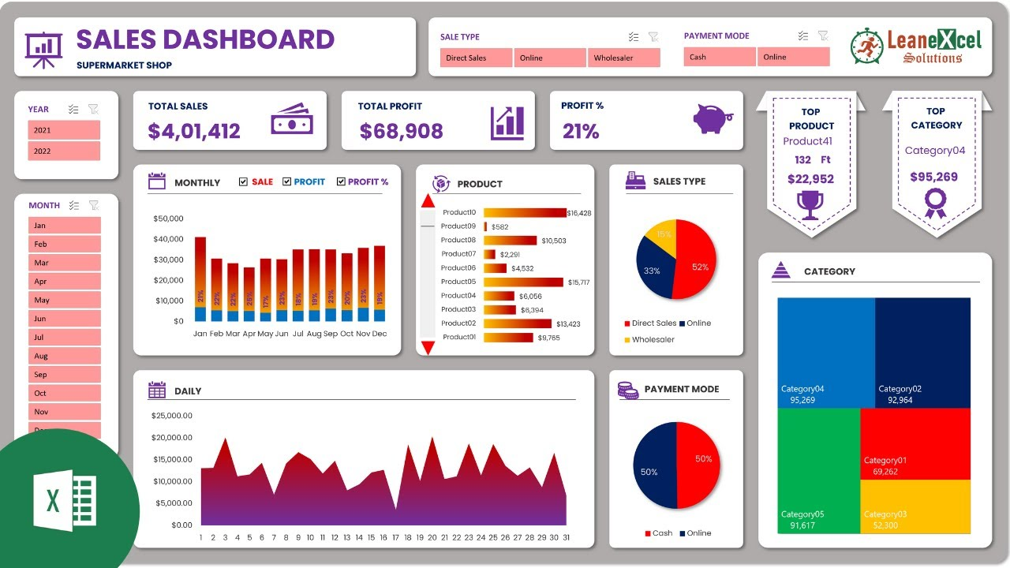
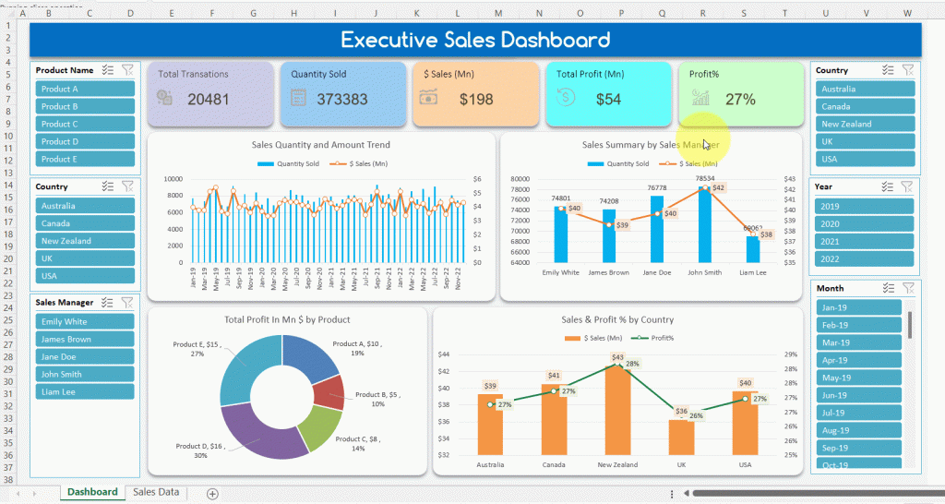
Այստեղ կարող ես տեսնել նկարներ թե ինչ տեսքի են լինում Dashboard-երը, որը կօգնի քեզ ստեղծելու dashboard քո տվյալների հիման վրա

Dashboard
 | Sum of Sales | Sum of Profit
2014 | $178,907 | $18,992
2015 | $372,978 | $45,997
2016 | $566,778 | $75,921
2017 | $601,035 | $72,408
2018 | $454,889 | $55,133
2019 | $122,614 | $17,946
SALES DASHBOARD
2014-2019 Sales by Product
 | Total
Fasteners | $3,024
Labels | $12,486
Envelopes | $16,476
Art | $27,119
Supplies | $46,674
Paper | $78,479
Furnishings | $91,705
Appliances | $107,532
Bookcases | $114,880
Copiers | $149,528
Accessories | $167,380
Machines | $189,239
Binders | $203,413
Tables | $206,966
Storage | $223,844
Chairs | $328,449
Phones | $330,007
 | Region | Sales | Profit
 | West | $725,458 | $108,418
 | East | $678,781 | $91,523
 | Central | $501,240 | $39,706
 | South | $391,722 | $46,749

Total Sales

$2,297,201
100%

Total Profit
Consumer Is The Leader In All Quarters
 | Consumer | Corporate | Home Office
Qtr1 | 411 | 199 | 131
Qtr2 | 318 | 270 | 115
Qtr3 | 467 | 204 | 163
Qtr4 | 447 | 187 | 146
Qtr1 | 698 | 410 | 246
Qtr2 | 739 | 453 | 236
Qtr3 | 1035 | 569 | 199
Qtr4 | 790 | 363 | 220
Qtr1 | 1483 | 734 | 401
Qtr2 | 1259 | 797 | 438
Qtr3 | 960 | 574 | 340
Qtr4 | 1043 | 467 | 407
Qtr1 | 1684 | 1186 | 637
Qtr2 | 1146 | 779 | 477
Qtr3 | 1226 | 810 | 423
Qtr4 | 1077 | 615 | 487
Qtr1 | 1122 | 779 | 341
Qtr2 | 974 | 750 | 386
Qtr3 | 860 | 410 | 300
Qtr4 | 623 | 389 | 178
Qtr1 | 593 | 326 | 179
Qtr2 | 496 | 288 | 260
Qtr3 | 70 | 49 | 34

$286,397

Total Qty

37,873

Division By Ship Mode
 | Total
First Class | $351,428
Same Day | $128,363
Second Class | $459,194
Standard Class | $1,358,216
Division By Segment
 | Total
Consumer | $1,161,401
Corporate | $706,146
Home Office | $429,653

Profit Margin %

12%

Մեր վաճառքի Dashboard-ը ներկայացնում է ապրանքերի վաճառքից ստացած եկամուտը և շահույթը 2014-ից 2019թ-երի ընթացքում: Dashboard-ի ձախ անկյունում ներկայացված է ընդհանուր վաճառքը այդ տարիների, ինչպես նաև շահույթի մարժան քանի տոկոս է կազմել: Sales & Profit գրաֆիկում կարող ենք տեսնել վաճառքը և շահույթը առանձնացված ըստ տարիների, որտեղ երևում է, որ 2014թ-ից մինչև 2017թ-ը աճ է գրանցված, այնուհետև այն գնալով նվազել է: Որպեսզի հասկանանք թե որ ապրանքերի մասով է վաճառքը նվազել, կարող ենք դիտել 2014-2019 Sales by Product գրաֆիկը և միևնույն ժամանակ Slicer-ների միջոցով կարող ենք ֆիլտրել թե որ ժամանակահատվածում և որ նահանգում է այն նվազել: Վաճառքների առաջատար տեղն են զբաղեցնում Phones-ը և Charis-ը, սակայն դրանք նույնպես 2019թ-ին բավականին նվազել են: Այստեղ կարելի է եզարակացնել, որ վաճառքները նվազել են բոլոր ապրանքատեսականու մասով այլ ոչ թե կոնկրետ մեկ կամ երկու ապրանքերի մասով: Pie-գրաֆիկներին նայելով կարող ենք ասել, որ բոլոր տարիներում իրենց տոկոսային հարաբերակցույթունը էական փոփոխության չի ենթարկվել, որը ևս կարող է վկայել այն մասին, որ 2019թ-ի վաճառքի նվազման պատճառ կարող են հանդիսանալ ավելի շատ արտաքին ֆակտորները: Slicer-ների միջոցով կարող ենք հասկանալ նաև թե որ նահանգում է ամենաշատ վաճառքներ եղել, դրանք են California 20%, New York 14%, Washington 6%, մնացածը ընկնում են 0.1-2%-ների սահմաններում: Որոշ նահանգներում կարող ենք տեսնել որ շահույթ չի գրանցվել, օրինակ՝ Arizona, Colorado, Florida, Ilinois, North Calorina, Ohio, Oregon, Pennsylvania, Tennessee, Texas: Այս մասով կարելի է առանձին հետազոտություն անել, թե ինչ է պատճառ հանդիսացել, որ նշված նահանգներում շահույթ չի գրանցվել: Որից հետո կարելի է համապատասխան ռազմավարություն մտածել վաճառքները շատացնելու համար:

