Sheet2
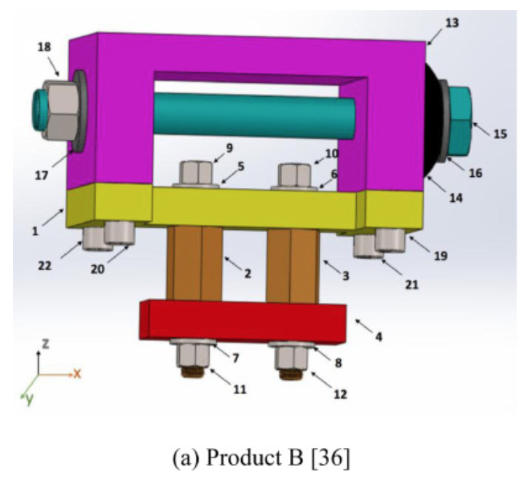
Part No | Comp no | C1-X+ | C1-X- | C1-Y+ | C1-Y- | C1-Z+
1 | C1 | 0 | 0 | 0 | 0 | 0
2 | S1 | 0.2 | 0.2 | 0.2 | 0.2 | 100
3 | S2 | 0.2 | 0.2 | 0.2 | 0.2 | 100
4 | C2 | 0 | 0 | 0 | 0 | 0
5 | W1 | 0.2 | 0.2 | 0.2 | 0.2 | 0.01
6 | W2 | 0.2 | 0.2 | 0.2 | 0.2 | 0.01
7 | W3 | 0 | 0 | 0 | 0 | 0.4
8 | W4 | 0 | 0 | 0 | 0 | 0.4
9 | B1 | 100 | 100 | 100 | 100 | 0.3
10 | B2 | 100 | 100 | 100 | 100 | 0.3
11 | N1 | 0 | 0 | 0 | 0 | 0.4
12 | N2 | 0 | 0 | 0 | 0 | 0.4
13 | C3 | 0.2 | 0.2 | 0.2 | 0.2 | 0
14 | C4 | 0 | 0 | 0 | 0 | 0
15 | B3 | 0 | 0 | 0 | 0 | 0
16 | W5 | 0 | 0 | 0 | 0 | 0
17 | W6 | 0 | 0 | 0 | 0 | 0
18 | N3 | 0 | 0 | 0 | 0 | 0
19 | B4 | 100 | 100 | 100 | 100 | 100
20 | B5 | 100 | 100 | 100 | 100 | 100
21 | B6 | 100 | 100 | 100 | 100 | 100
22 | B7 | 100 | 100 | 100 | 100 | 100

THREAD | 0.3
PERP | 0.01
PARRA | 0.2
REMOTE | 0.4
IMPOSS | 100

