Sheet2
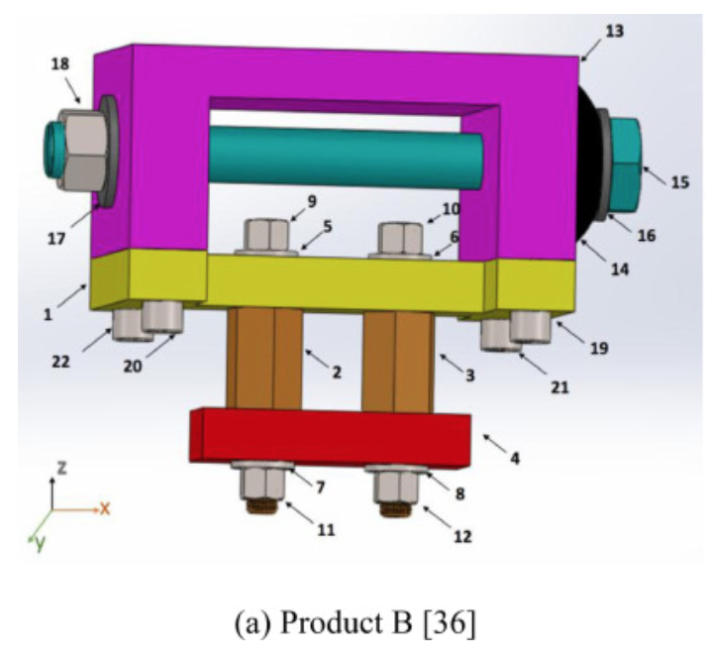
Part No | Comp no | C1-X+ | C1-X- | C1-Y+ | C1-Y- | C1-Z+
1 | C1 | 0 | 0 | 0 | 0 | 0
2 | S1 | 0.05 | 0.05 | 0.05 | 0.05 | 0
3 | S2 | 0.05 | 0.05 | 0.05 | 0.05 | 0
4 | C2 | 0 | 0 | 0 | 0 | 0
5 | W1 | 0.05 | 0.05 | 0.05 | 0.05 | 0.01
6 | W2 | 0.05 | 0.05 | 0.05 | 0.05 | 0.01
7 | W3 | 0 | 0 | 0 | 0 | 0.03
8 | W4 | 0 | 0 | 0 | 0 | 0.03
9 | B1 | 0 | 0 | 0 | 0 | 0.04
10 | B2 | 0 | 0 | 0 | 0 | 0.04
11 | N1 | 0 | 0 | 0 | 0 | 0.03
12 | N2 | 0 | 0 | 0 | 0 | 0.03
13 | C3 | 0.05 | 0.05 | 0.05 | 0.05 | 0
14 | C4 | 0 | 0 | 0 | 0 | 0
15 | B3 | 0 | 0 | 0 | 0 | 0
16 | W5 | 0 | 0 | 0 | 0 | 0
17 | W6 | 0 | 0 | 0 | 0 | 0
18 | N3 | 0 | 0 | 0 | 0 | 0
19 | B4 | 0 | 0 | 0 | 0 | 0
20 | B5 | 0 | 0 | 0 | 0 | 0
21 | B6 | 0 | 0 | 0 | 0 | 0
22 | B7 | 0 | 0 | 0 | 0 | 0

THREAD | 0.04
PERP | 0.01
PARRA | 0.05
REMOTE | 0.03
IMPOSS | 0

