Definitions and Validation
Definitions

The RAID Log contains four different Logs that include Risks, Assumptions, Issues and Dependencies.
Each log is oriented to have a clear description of each item in them taking into account the following definitions:

Risk | We define a risk as a potential situation that could impact the programme (positively or negatively) in the future.

Assumptions | We define an an assumption as information used to establish programme plans or scope that we assumed to be true but may not be true.

Issue | We define an Issue as anything that is unplanned, affecting the programme / project, and that requires an action to resolve and move forward.

Dependency | We define a dependency as a milestone that must occur before another area can progress.

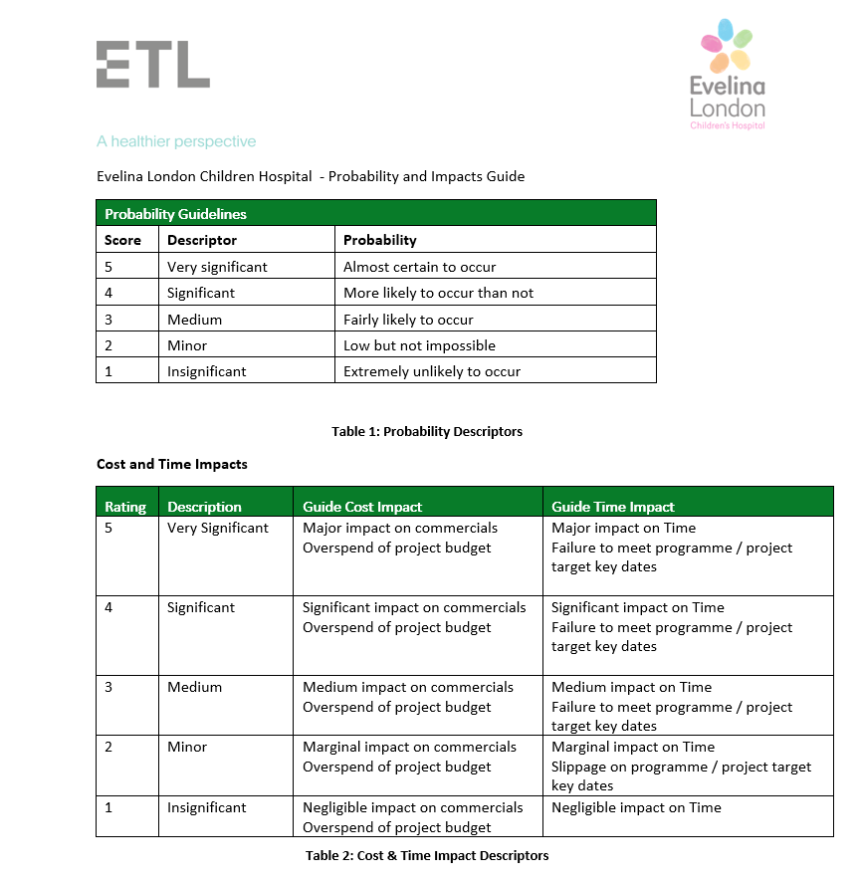
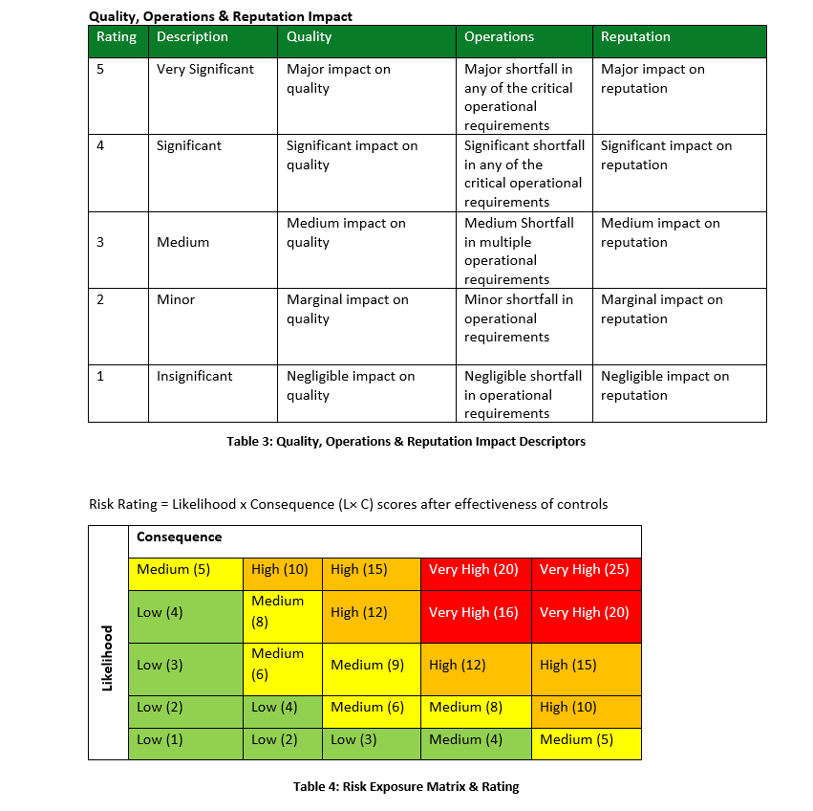

 | Impact |  |  |  |  |  | **The MPO will only focus on high Impact risks and issues

 | Critical Milestones

 | Not at Risk |  | The Milestone is ON track and being managed by the Major Programme and is likely to meet its agreed baseline date.
 | At Risk |  | The Milestone is OFF track and is unlikely to meet the agreed baseline date, mitigation actions will need to be taken.

 | Dependencies

 | Not at Risk |  | The Dependency is ON track and being managed by the Major Programme and is likely to meet its agreed baseline date.
 | At Risk |  | The Dependency is OFF track and is unlikely to meet the agreed baseline date, mitigation actions will need to be taken.

Workstreams | Escalate | Status | Risk mitigation strategy | Priority | Agreement status | RAG
Board rounds and criteria-led discharge | Yes | Open | Avoid |  | Identified | R
Medicines to take out (TTOs) | No | Closed | Reduce | High | Meeting planned | A
Transport and discharge lounge |  | Occurred | Fallback | Medium | Agreed | G
Complex discharges |  |  | Transfer | Low | Delivered
Data and measurement |  |  | Share |  | Delivered late
PMO, comms and engagement |  |  | Accept

