Project Report

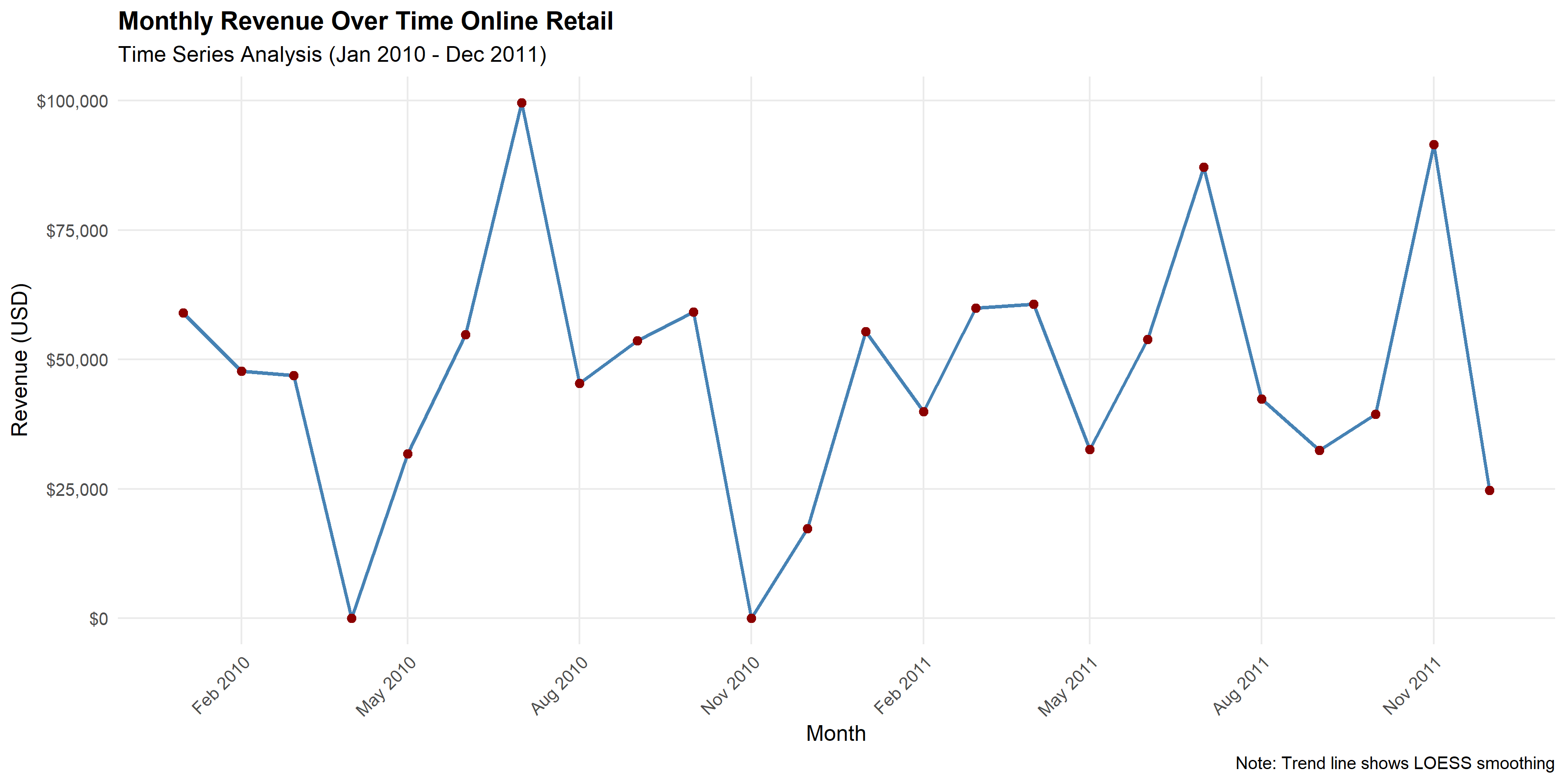
Online Retail Analytics - Report

Revenue Analysis

Monthly Revenue Breakdown

YearMonth | Revenue | TransactionCount | AvgRevenue
2010-01-01 | 58960.79 | 3072 | 58960.79
2010-02-01 | 47748.38 | 2063 | 47748.38
2010-03-01 | 46943.71 | 2155 | 46943.71
2010-04-01 | 0 | 0 | 0
2010-05-01 | 31774.95 | 2708 | 31774.95
2010-06-01 | 54830.46 | 3816 | 54830.46
2010-07-01 | 99618.2 | 2862 | 99618.2
2010-08-01 | 45389.98 | 2565 | 45389.98
2010-09-01 | 53586.18 | 2775 | 53586.18
2010-10-01 | 59182.92 | 2681 | 59182.92
2010-11-01 | 0 | 0 | 0
2010-12-01 | 17329.07 | 1439 | 17329.07
2011-01-01 | 55389.95 | 2881 | 55389.95
2011-02-01 | 39906.99 | 2288 | 39906.99
2011-03-01 | 59883.83 | 2315 | 59883.83
2011-04-01 | 60695.07 | 3457 | 60695.07
2011-05-01 | 32634.47 | 1666 | 32634.47
2011-06-01 | 53845.33 | 2866 | 53845.33
2011-07-01 | 87148.15 | 4902 | 87148.15
2011-08-01 | 42368.36 | 2425 | 42368.36
2011-09-01 | 32470.78 | 1975 | 32470.78
2011-10-01 | 39465.53 | 2672 | 39465.53
2011-11-01 | 91528.69 | 2262 | 91528.69
2011-12-01 | 24693.78 | 1783 | 24693.78
Note : dates are in M/D/YY format

Geographic Analysis
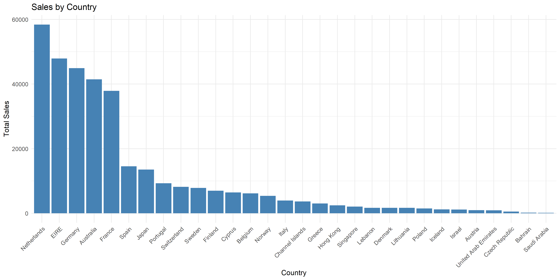
Sales by Country

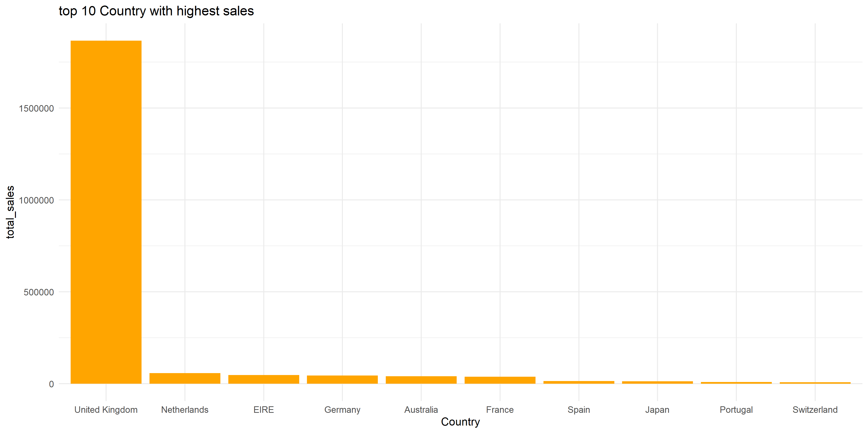
 | Country | total_sales
 | United Kingdom | 1867784
 | Netherlands | 58407.55
 | EIRE | 47912.83
 | Germany | 44923
 | Australia | 41472.82
 | France | 37909.06
 | Spain | 14516.12
 | Japan | 13534.78
 | Portugal | 9279.77
 | Switzerland | 8191.07

Product Analysis
Top Performing Products (UK)
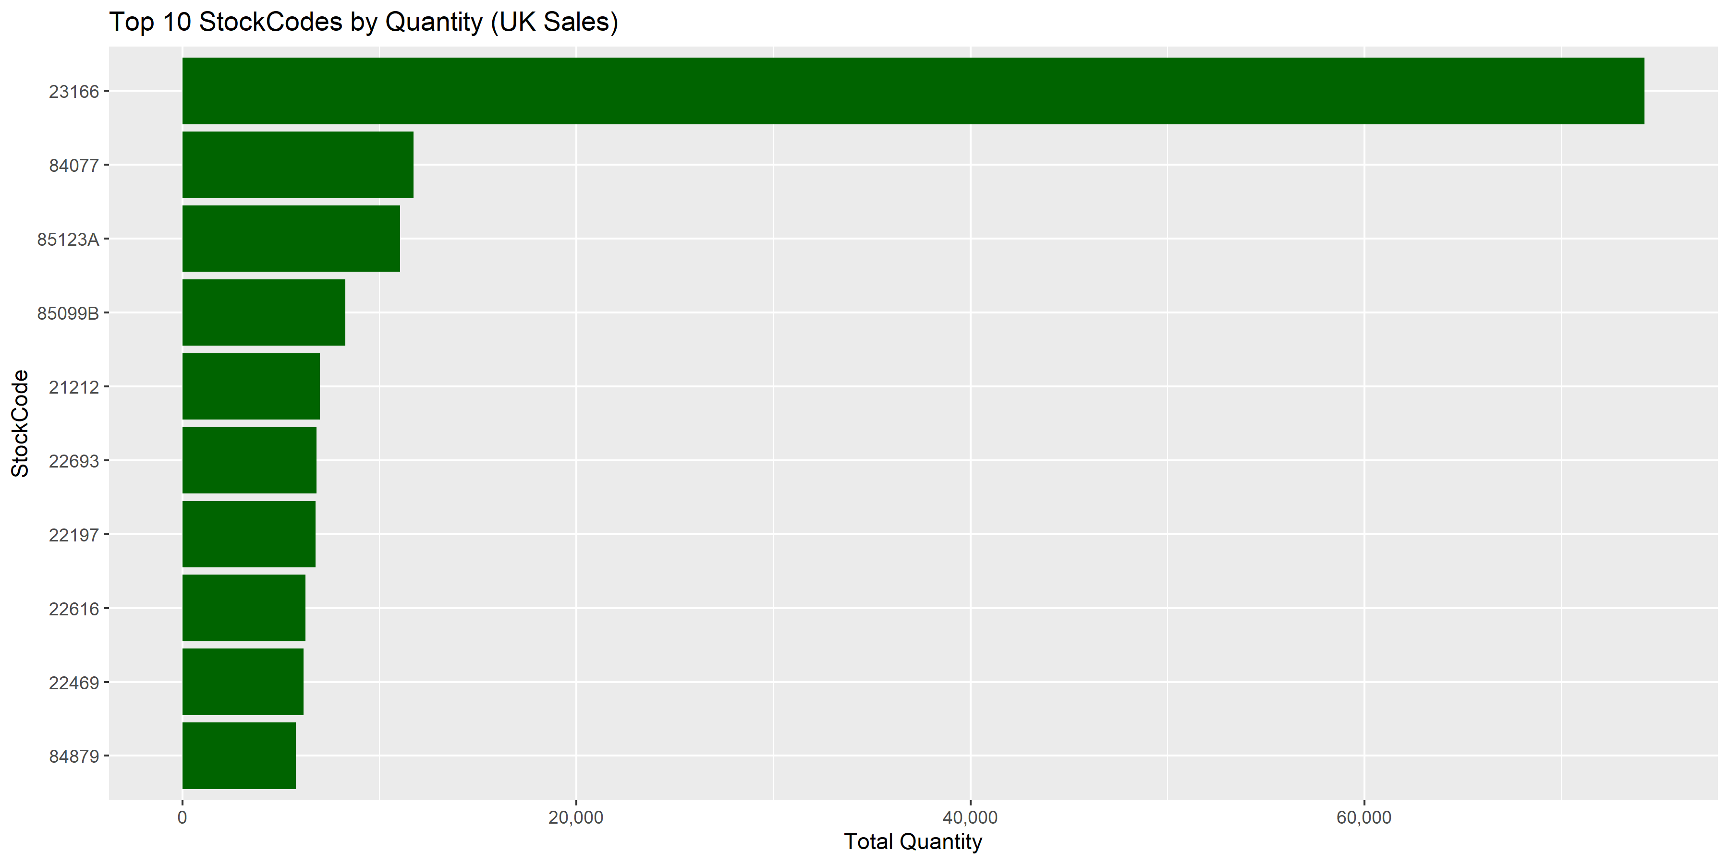
 | StockCode | TotalQuantity
 | 23166 | 74215
 | 84077 | 11740
 | 85123A | 11063
 | 85099B | 8266
 | 21212 | 6983
 | 22693 | 6820
 | 22197 | 6755
 | 22616 | 6247
 | 22469 | 6155
 | 84879 | 5762

Customer Segmentation
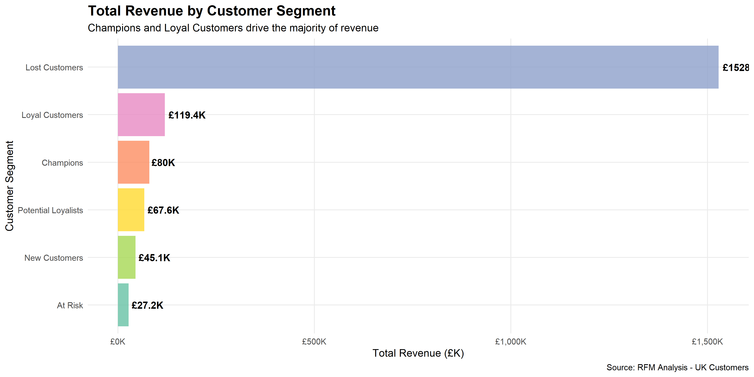
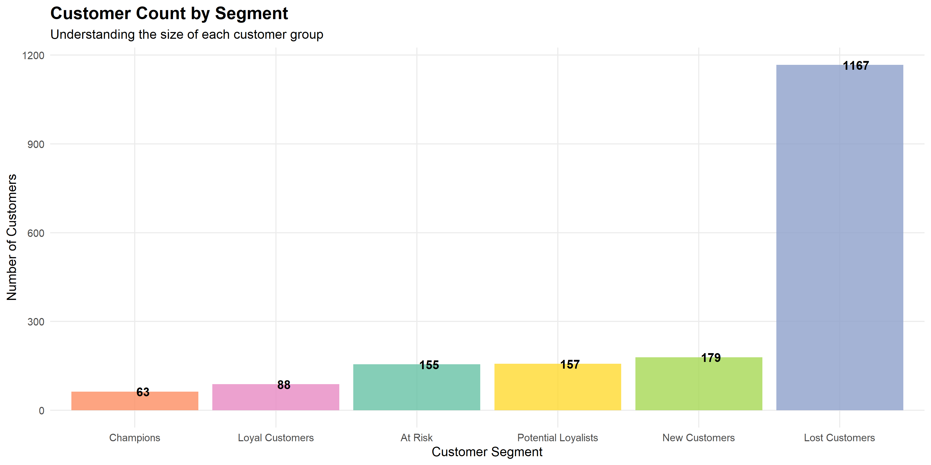
RFM Analysis & Customer Segments

Segment Performance Summary
Customer_Segment | Customer_Count | Avg_Monetary | Total_Revenue | Avg_Frequency | Avg_Recency
Lost Customers | 1041 | 1468.282805 | 1528482.4 | 39.980787704 | 577.25806452
Loyal Customers | 90 | 1326.9366667 | 119424.3 | 39.388888889 | 189.66666667
Champions | 52 | 1539.3961538 | 80048.6 | 80.096153846 | 132.15384615
Potential Loyalists | 139 | 485.9723741 | 67550.16 | 27.345323741 | 271.4676259
New Customers | 164 | 274.80871951 | 45068.63 | 19.182926829 | 324.51829268
At Risk | 142 | 191.61908451 | 27209.91 | 11.429577465 | 440.08450704

RFM Details
RFM Score Distribution & Metrics

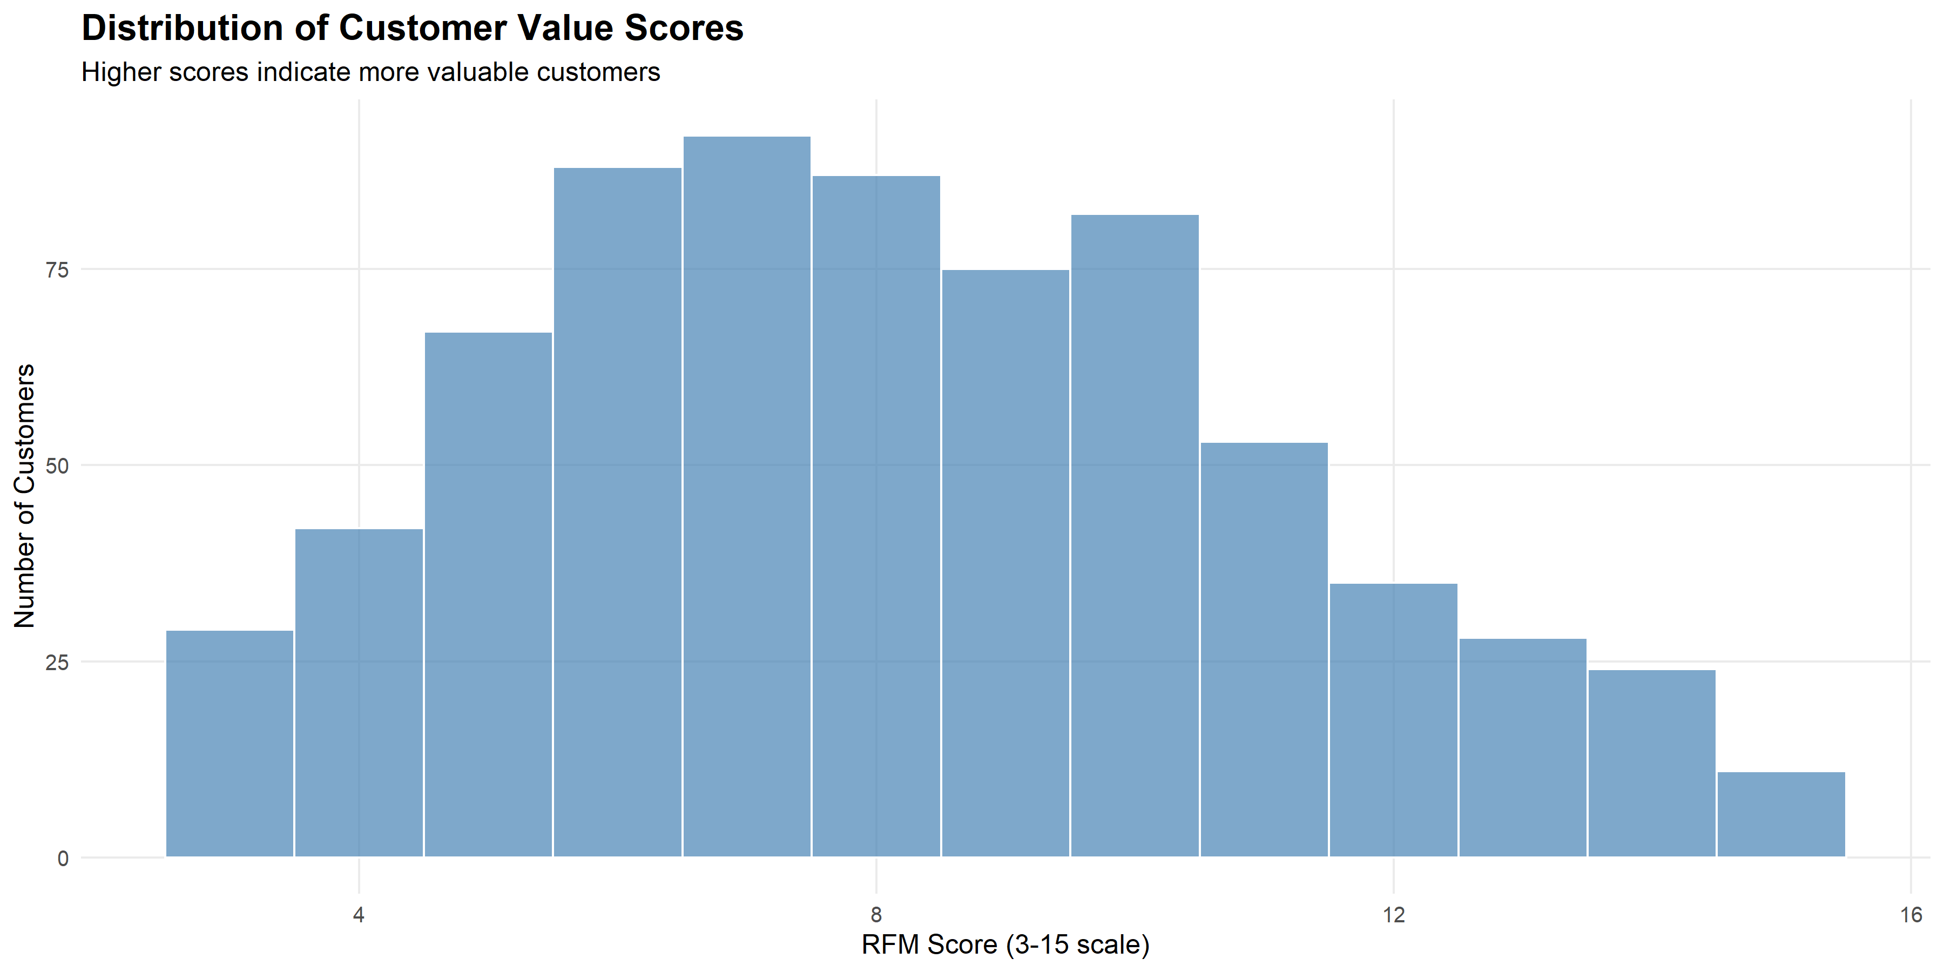

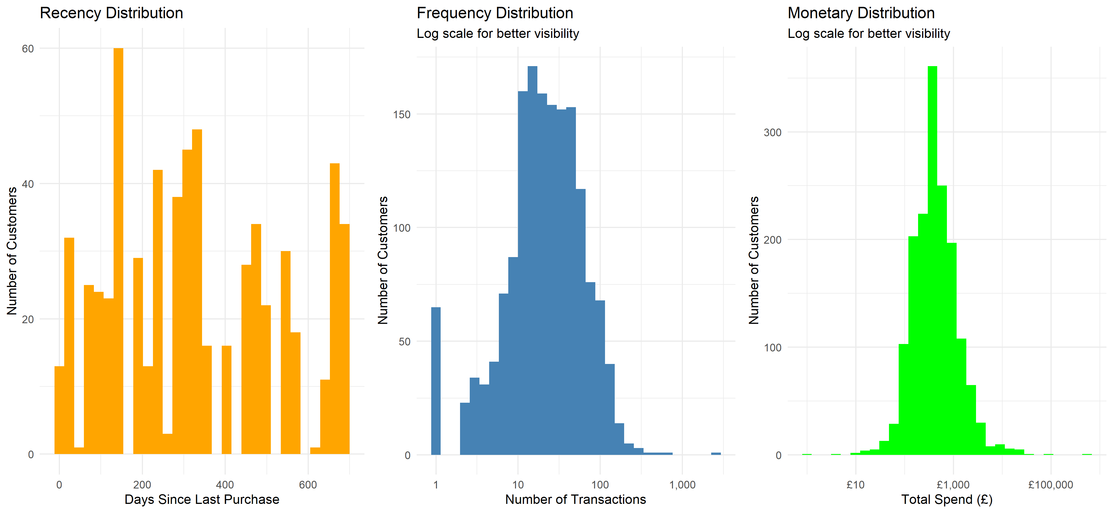

Top 100 Customers by RFM Score
CustomerID | Recency | Frequency | Monetary | R_Score | F_Score | M_Score | RFM_Score | Customer_Segment
13488 | 0 | 136 | 3395.76 | 5 | 5 | 5 | 15 | Champions
14081 | 60 | 126 | 934.52 | 5 | 5 | 5 | 15 | Champions
14367 | 120 | 82 | 983.16 | 5 | 5 | 5 | 15 | Champions
14800 | 91 | 112 | 1757.84 | 5 | 5 | 5 | 15 | Champions
15764 | 120 | 59 | 1120.93 | 5 | 5 | 5 | 15 | Champions
15834 | 150 | 151 | 1281.37 | 5 | 5 | 5 | 15 | Champions
16951 | 121 | 70 | 1053.79 | 5 | 5 | 5 | 15 | Champions
17406 | 61 | 99 | 2200.42 | 5 | 5 | 5 | 15 | Champions
17450 | 30 | 60 | 20649.04 | 5 | 5 | 5 | 15 | Champions
17634 | 151 | 109 | 1240.69 | 5 | 5 | 5 | 15 | Champions
17686 | 60 | 68 | 1592.61 | 5 | 5 | 5 | 15 | Champions
13334 | 152 | 124 | 1660.44 | 4 | 5 | 5 | 14 | Champions
13340 | 120 | 51 | 3678.03 | 5 | 4 | 5 | 14 | Champions
13344 | 151 | 68 | 1656.15 | 4 | 5 | 5 | 14 | Champions
13373 | 120 | 50 | 987.7 | 5 | 4 | 5 | 14 | Champions
13680 | 183 | 69 | 2391.59 | 4 | 5 | 5 | 14 | Champions
13715 | 214 | 89 | 1079.34 | 4 | 5 | 5 | 14 | Champions
13975 | 120 | 111 | 678.76 | 5 | 5 | 4 | 14 | Champions
14030 | 152 | 66 | 983.73 | 4 | 5 | 5 | 14 | Champions
14395 | 91 | 54 | 689.36 | 5 | 5 | 4 | 14 | Champions
14505 | 183 | 156 | 1367.41 | 4 | 5 | 5 | 14 | Champions
14587 | 0 | 108 | 523.92 | 5 | 5 | 4 | 14 | Champions
14669 | 30 | 106 | 842.45 | 5 | 5 | 4 | 14 | Champions
15464 | 214 | 155 | 1048.85 | 4 | 5 | 5 | 14 | Champions
15719 | 183 | 138 | 1044.8 | 4 | 5 | 5 | 14 | Champions
16456 | 182 | 52 | 1236.68 | 4 | 5 | 5 | 14 | Champions
16771 | 214 | 99 | 951.62 | 4 | 5 | 5 | 14 | Champions
17107 | 181 | 63 | 1695.21 | 4 | 5 | 5 | 14 | Champions
17365 | 30 | 75 | 742.66 | 5 | 5 | 4 | 14 | Champions
17537 | 90 | 60 | 630.7 | 5 | 5 | 4 | 14 | Champions
12857 | 60 | 34 | 801.6 | 5 | 4 | 4 | 13 | Champions
13162 | 91 | 37 | 753.26 | 5 | 4 | 4 | 13 | Champions
13599 | 183 | 38 | 1302.55 | 4 | 4 | 5 | 13 | Champions
13758 | 91 | 28 | 1141.25 | 5 | 3 | 5 | 13 | Champions
13764 | 183 | 69 | 499.89 | 4 | 5 | 4 | 13 | Champions
14903 | 181 | 56 | 533.18 | 4 | 5 | 4 | 13 | Champions
15416 | 301 | 69 | 1375.24 | 3 | 5 | 5 | 13 | Champions
15485 | 152 | 33 | 1278.63 | 4 | 4 | 5 | 13 | Champions
15752 | 151 | 103 | 641.4 | 4 | 5 | 4 | 13 | Champions
15819 | 120 | 41 | 639.64 | 5 | 4 | 4 | 13 | Champions
16255 | 152 | 61 | 893.21 | 4 | 5 | 4 | 13 | Champions
16303 | 61 | 35 | 827.18 | 5 | 4 | 4 | 13 | Champions
16655 | 0 | 39 | 812.25 | 5 | 4 | 4 | 13 | Champions
16735 | 91 | 33 | 660.36 | 5 | 4 | 4 | 13 | Champions
16842 | 60 | 30 | 520.57 | 5 | 4 | 4 | 13 | Champions
17048 | 0 | 36 | 760.4 | 5 | 4 | 4 | 13 | Champions
17162 | 151 | 43 | 636.16 | 5 | 4 | 4 | 13 | Champions
17191 | 242 | 90 | 820.88 | 4 | 5 | 4 | 13 | Champions
17284 | 153 | 130 | 716.11 | 4 | 5 | 4 | 13 | Champions
17337 | 301 | 230 | 1026.72 | 3 | 5 | 5 | 13 | Champions
17416 | 273 | 98 | 2114.71 | 3 | 5 | 5 | 13 | Champions
17426 | 301 | 66 | 1193.88 | 3 | 5 | 5 | 13 | Champions
12947 | 153 | 31 | 605.7 | 4 | 4 | 4 | 12 | Loyal Customers
13107 | 61 | 21 | 566.84 | 5 | 3 | 4 | 12 | Loyal Customers
13126 | 214 | 31 | 547.31 | 4 | 4 | 4 | 12 | Loyal Customers
13183 | 91 | 20 | 625.04 | 5 | 3 | 4 | 12 | Loyal Customers
13451 | 91 | 43 | 401.49 | 5 | 4 | 3 | 12 | Loyal Customers
13593 | 153 | 39 | 559.85 | 4 | 4 | 4 | 12 | Loyal Customers
13722 | 301 | 46 | 1463.47 | 3 | 4 | 5 | 12 | Loyal Customers
13842 | 153 | 48 | 907.53 | 4 | 4 | 4 | 12 | Loyal Customers
14048 | 152 | 83 | 409.93 | 4 | 5 | 3 | 12 | Loyal Customers
14161 | 181 | 46 | 546.19 | 4 | 4 | 4 | 12 | Loyal Customers
14194 | 243 | 30 | 516.95 | 4 | 4 | 4 | 12 | Loyal Customers
14214 | 151 | 37 | 638.65 | 4 | 4 | 4 | 12 | Loyal Customers
14466 | 242 | 17 | 1035.65 | 4 | 3 | 5 | 12 | Loyal Customers
14506 | 332 | 70 | 566.86 | 3 | 5 | 4 | 12 | Loyal Customers
14670 | 242 | 107 | 411.53 | 4 | 5 | 3 | 12 | Loyal Customers
14732 | 244 | 37 | 673.98 | 4 | 4 | 4 | 12 | Loyal Customers
14739 | 214 | 18 | 943.44 | 4 | 3 | 5 | 12 | Loyal Customers
14817 | 151 | 34 | 580.79 | 4 | 4 | 4 | 12 | Loyal Customers
15270 | 29 | 12 | 1013.5 | 5 | 2 | 5 | 12 | Loyal Customers
15326 | 61 | 29 | 311.71 | 5 | 4 | 3 | 12 | Loyal Customers
15676 | 332 | 61 | 897.8 | 3 | 5 | 4 | 12 | Loyal Customers
15750 | 332 | 61 | 612.57 | 3 | 5 | 4 | 12 | Loyal Customers
15953 | 0 | 28 | 654.22 | 5 | 3 | 4 | 12 | Loyal Customers
16225 | 151 | 61 | 416.61 | 4 | 5 | 3 | 12 | Loyal Customers
16241 | 244 | 67 | 438.03 | 4 | 5 | 3 | 12 | Loyal Customers
16709 | 273 | 31 | 1120.53 | 3 | 4 | 5 | 12 | Loyal Customers
16712 | 120 | 50 | 370.77 | 5 | 4 | 3 | 12 | Loyal Customers
16748 | 91 | 18 | 609.8 | 5 | 3 | 4 | 12 | Loyal Customers
16873 | 415 | 68 | 2157.64 | 2 | 5 | 5 | 12 | Loyal Customers
16889 | 153 | 47 | 523.05 | 4 | 4 | 4 | 12 | Loyal Customers
17324 | 0 | 17 | 702.23 | 5 | 3 | 4 | 12 | Loyal Customers
17569 | 30 | 29 | 344.14 | 5 | 4 | 3 | 12 | Loyal Customers
17672 | 274 | 41 | 1177.84 | 3 | 4 | 5 | 12 | Loyal Customers
17809 | 29 | 15 | 1861.7 | 5 | 2 | 5 | 12 | Loyal Customers
17827 | 415 | 109 | 1271.8 | 2 | 5 | 5 | 12 | Loyal Customers
17884 | 333 | 86 | 602.84 | 3 | 5 | 4 | 12 | Loyal Customers
18159 | 29 | 23 | 530.15 | 5 | 3 | 4 | 12 | Loyal Customers
12913 | 29 | 12 | 866.39 | 5 | 2 | 4 | 11 | Loyal Customers
13013 | 629 | 64 | 1528.34 | 1 | 5 | 5 | 11 | Loyal Customers
13047 | 274 | 34 | 825.53 | 3 | 4 | 4 | 11 | Loyal Customers
13110 | 332 | 40 | 540.15 | 3 | 4 | 4 | 11 | Loyal Customers
13309 | 243 | 34 | 390.71 | 4 | 4 | 3 | 11 | Loyal Customers
13706 | 60 | 20 | 330.79 | 5 | 3 | 3 | 11 | Loyal Customers
13800 | 274 | 33 | 558.32 | 3 | 4 | 4 | 11 | Loyal Customers
13875 | 29 | 24 | 340.65 | 5 | 3 | 3 | 11 | Loyal Customers
13881 | 151 | 17 | 1699.24 | 4 | 2 | 5 | 11 | Loyal Customers
13908 | 120 | 28 | 496 | 5 | 3 | 3 | 11 | Loyal Customers
14217 | 30 | 19 | 378.8 | 5 | 3 | 3 | 11 | Loyal Customers

