Visual
Mushroom edibility by visual

Go to Odor page ->

Cap shape
Edibility by cap shape

 | edible | poisonous
bell | 89% | 11%
conical | 0% | 100%
convex | 53% | 47%
flat | 51% | 49%
knobbed | 28% | 72%
sunken | 100% | 0%
Grand Total | 52% | 48%
 |  |  | https://midwestmycology.org/mushroom-cap-shapes/
Edibility by cap colour
Cap colour
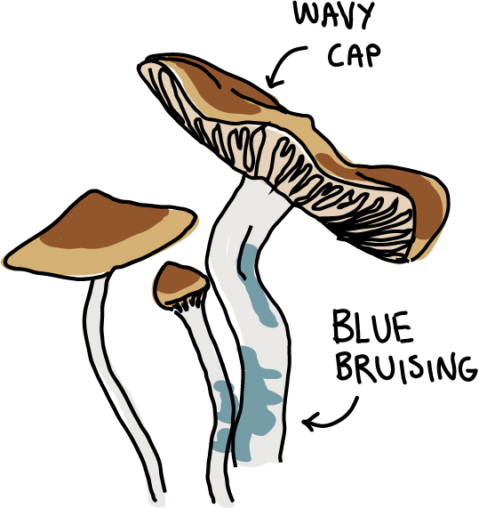
Row Labels | edible | poisonous
brown | 55% | 45%
buff | 29% | 71%
cinnamon | 73% | 27%
green | 100% | 0%
greened | 42% | 58%
grey | 56% | 44%
pink | 39% | 61%
purple | 100% | 0%
white | 69% | 31%
yellow | 37% | 63% |  | https://www.sporty.co.nz/canta/newsarticle/117505?newsfeedId=1453025
Grand Total | 52% | 48%

\

Odor
Mushroom edibility by odor

Go to Visual page ->

Odor
 | edible | poisonous
almond | 400
anise | 400
creosete |  | 192
fishy |  | 576
foul |  | 2160
musty |  | 36
none | 3408 | 120
pungent |  | 256
spicy |  | 576
This report is intended to explore the classification of North American mushrooms based on their edibility and and is meant for learning purposes. The only reliable way to accurately determine the edibility of the mushroom is to identify the exact species. To learn more click here to open an youtube video.
 | edible | poisonous
almond | 400
anise | 400
creosete |  | 192
fishy |  | 576
foul |  | 2160
musty |  | 36
none | 3408 | 120
pungent |  | 256
spicy |  | 576
Grand Total | 4208 | 3916

\

