Pivot table
Average Income per purchase
This shape represents a slicer. Slicers are supported in Excel 2010 or later.
If the shape was modified in an earlier version of Excel, or if the workbook was saved in Excel 2003 or earlier, the slicer cannot be used.
Average of Income | Purchased Bike
Gender | No | Yes | Total Result
Female | $53,440 | $55,774 | $54,581
Male | $56,208 | $60,124 | $58,063
Total Result | $54,875 | $57,963 | $56,360

This shape represents a slicer. Slicers are supported in Excel 2010 or later.
If the shape was modified in an earlier version of Excel, or if the workbook was saved in Excel 2003 or earlier, the slicer cannot be used.

Customer Commute
This shape represents a slicer. Slicers are supported in Excel 2010 or later.
If the shape was modified in an earlier version of Excel, or if the workbook was saved in Excel 2003 or earlier, the slicer cannot be used.

Count of Purchased Bike | Purchased Bike
Commute Distance | No | Yes | Total Result
0-1 Miles | 166 | 200 | 366
1-2 Miles | 92 | 77 | 169
2-5 Miles | 67 | 95 | 162
5-10 Miles | 116 | 76 | 192
More than 10 Miles | 78 | 33 | 111
Total Result | 519 | 481 | 1000

Customer Age Brackets

Count of Purchased Bike | Purchased Bike
Age Brackets | No | Yes | Total Result
Adolescent | 71 | 39 | 110
Middle Age | 318 | 383 | 701
Old | 130 | 59 | 189
Total Result | 519 | 481 | 1000

Count of Purchased Bike | Purchased Bike
Age | No | Yes | Total Result
25 | 2 | 4 | 6
26 | 8 | 8 | 16
27 | 15 | 8 | 23
28 | 12 | 10 | 22
29 | 11 | 5 | 16
30 | 23 | 4 | 27
31 | 17 | 8 | 25
32 | 19 | 14 | 33
33 | 8 | 13 | 21
34 | 12 | 19 | 31
35 | 14 | 22 | 36
36 | 7 | 30 | 37
37 | 4 | 28 | 32
38 | 8 | 29 | 37
39 | 10 | 12 | 22
40 | 24 | 18 | 42
41 | 13 | 15 | 28
42 | 22 | 12 | 34
43 | 17 | 19 | 36
44 | 15 | 12 | 27
45 | 18 | 13 | 31
46 | 12 | 15 | 27
47 | 19 | 20 | 39
48 | 16 | 13 | 29
49 | 15 | 8 | 23
50 | 12 | 12 | 24
51 | 10 | 12 | 22
52 | 10 | 15 | 25
53 | 11 | 13 | 24
54 | 5 | 11 | 16
55 | 13 | 5 | 18
56 | 13 | 3 | 16
57 | 4 | 4 | 8
58 | 8 | 4 | 12
59 | 14 | 6 | 20
60 | 8 | 7 | 15
61 | 5 | 4 | 9
62 | 9 | 4 | 13
63 | 7 | 2 | 9
64 | 7 | 3 | 10
65 | 6 | 3 | 9
66 | 8 | 6 | 14
67 | 8 | 2 | 10
68 | 3 |  | 3
69 | 8 |  | 8
70 | 3 | 1 | 4
71 | 1 |  | 1
72 |  | 1 | 1
73 | 2 | 2 | 4
74 |  | 1 | 1
78 | 1 | 1 | 2
80 | 1 |  | 1
89 | 1 |  | 1
Total Result | 519 | 481 | 1000

Dashboard
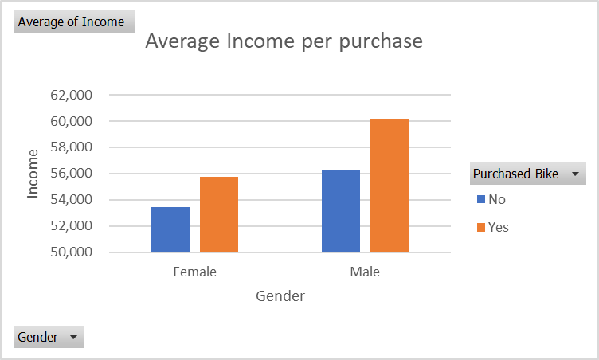
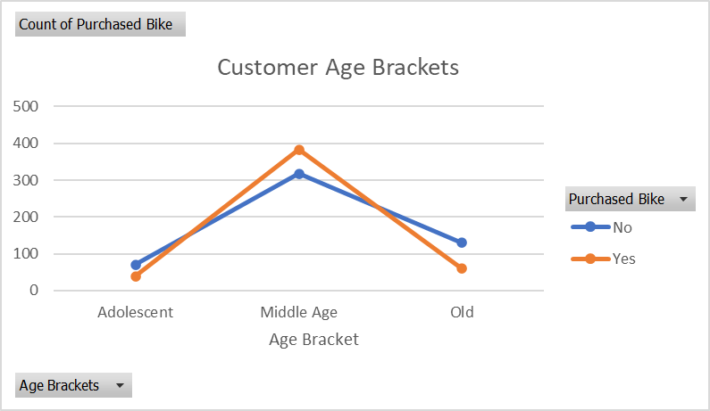
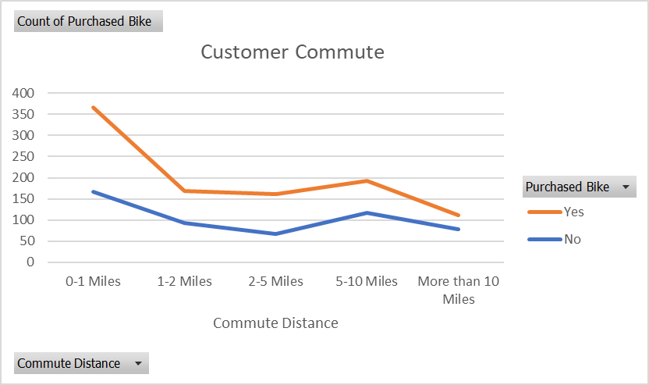
Bike Sales Dashboard

