jac_new
 | > ebeta |  |  |  |  |  |  |  |  | > ewhs | s1 | s2 | s3 | s4
 |  | k1 | k2 | k3 |  |  |  |  |  |  | [,1] | [,2] | [,3] | [,4] | ewh
 |  | [,1] | [,2] | [,3] |  |  |  |  | h1 | [1,] | 14.00623 | 15.68613 | 14.45462 | 15.53959 | 59.68657
s1 | [1,] | (1.3422) | (0.6176) | (0.0448) |  |  |  |  | h2 | [2,] | 14.76816 | 16.43073 | 12.18375 | 14.05008 | 57.43272
s2 | [2,] | (1.4203) | (0.4873) | 0.0226 |  |  |  |  | h3 | [3,] | 14.99619 | 16.15564 | 16.71444 | 16.32274 | 64.18901
s3 | [3,] | (1.7665) | (0.6741) | 0.1438 |  |  |  |  | h4 | [4,] | 16.22072 | 17.69462 | 13.89731 | 15.54512 | 63.35777
s4 | [4,] | (1.7245) | (0.4552) | 0.0312 |  |  |  |  | h5 | [5,] | 12.18357 | 13.70854 | 10.83808 | 12.98974 | 49.71993
 |  |  |  |  |  |  |  |  | h6 | [6,] | 13.79995 | 13.66191 | 10.00983 | 10.71179 | 48.18348 |  |  | This is the delta part of the partial derivative, for off-diagonal elements of Jacobian
 |  |  |  |  |  |  |  |  |  | ews | 85.97482 | 93.33757 | 78.09803 | 85.15906
 | > edelta | h1 | h2 | h3 | h4 | h5 | h6
 | [1] | 3.203761 | 4.08959 | 2.89403 | 3.92932 | 3.462986 | 3.937237 |  |  | h1s1
 |  |  |  |  |  |  |  |  |  | beta_x | (0.56426)
 |  |  |  |  |  |  |  |  |  | plus delta | 2.63950
 |  |  |  |  |  |  |  |  |  | exp | 14.00623
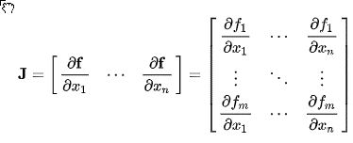
 | xmat | k1 | k2 | k3
 |  | [,1] | [,2] | [,3] |  |  |  |  |  | > ebeta %*% t(xmat)
h1 | [1,] | 0.113703411 | 0.6222994 | 0.6092747 |  |  |  |  |  |  | h1 | h2 | h3 | h4 | h5 | h6
h2 | [2,] | 0.623379442 | 0.8609154 | 0.6403106 |  |  |  |  |  |  | [,1] | [,2] | [,3] | [,4] | [,5] | [,6]
h3 | [3,] | 0.009495756 | 0.2325505 | 0.6660838 |  |  |  |  | s1 | [1,] | -0.5642591 | -1.397117 | -0.18623362 | -1.14303 | -0.9628983 | -1.312572
h4 | [4,] | 0.514251141 | 0.6935913 | 0.5449748 |  |  |  |  | s2 | [2,] | -0.4509843 | -1.290437 | -0.11176073 | -1.056059 | -0.8449673 | -1.322625
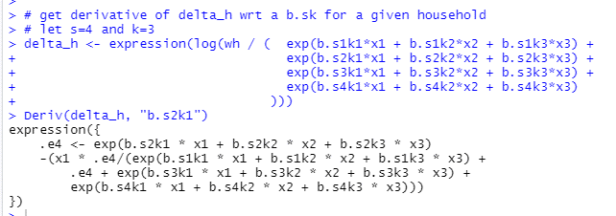
h5 | [5,] | 0.282733584 | 0.9234335 | 0.2923158 |  |  |  |  | s3 | [3,] | -0.5327475 | -1.589488 | -0.07775722 | -1.297624 | -1.0799203 | -1.63367
h6 | [6,] | 0.837295628 | 0.2862233 | 0.2668208 |  |  |  |  | s4 | [4,] | -0.4603701 | -1.446962 | -0.10147117 | -1.185573 | -0.8988268 | -1.565893

 |  |  |  |  |  |  |  |  |  | ebeta at start of iteration 2
 | > targets |  |  |  |  |  |  |  |  | > ebeta | k1 | k2 | k3
 |  | [,1] | [,2] | [,3] |  |  |  |  |  |  | [,1] | [,2] | [,3]
 | [1,] | 34.2821 | 51.3688 | 44.0621 |  |  |  |  | s1 | [1,] | 0.219 | (0.064) | (0.079)
 | [2,] | 36.5942 | 56.5063 | 48.1347 |  |  |  |  | s2 | [2,] | 0.142 | 0.075 | (0.017)
 | [3,] | 27.9893 | 45.8833 | 41.1539 |  |  |  |  | s3 | [3,] | (0.196) | (0.112) | 0.103
 | [4,] | 31.3161 | 51.4052 | 44.4635 |  |  |  |  | s4 | [4,] | (0.166) | 0.102 | (0.007)

 | etargets at iteration 2 before jac
 |  | [,1] | [,2] | [,3] |  |  |  |  |  | edelta at iteration 2 before jac |  |  |  |  |  |  |  |  |  |  |  |  |  | e4 | e4 | term1 | term1 | term1 | term1 | term1 | term2 | term3 |  | term4
 | [1,] | 32.5454 | 51.2909 | 44.4536 |  |  |  |  |  |  | h1 | h2 | h3 | h4 | h5 | h6 |  |  |  |  |  | for h1: |  | e4: for state in question |  | exp_denom |  |  |  |  |  |  |  |  |  | calc before whs
 | [2,] | 32.5454 | 51.2909 | 44.4536 |  |  | 22026.465795 |  |  |  | 2.701658 | 2.658736 | 2.774757 | 2.758843 | 2.516405 | 2.478775 |  |  |  |  |  |  |  | sum(b.s, all k) | e4=exp(left) | x1 | e4 | denom_exponent | denom | term1 | e4 | exponent | term3 | exponent | term4 |  | whs=2
 | [3,] | 32.5454 | 51.2909 | 44.4536 |  |  | 10 |  |  |  |  |  |  |  |  |  |  |  |  |  |  |  | h1 | 0.05 | 1.05 | 0.1137 | 1.05 | (0.06) | 0.94 | 0.12764101019 | 1.05 | (0.03) | 0.97112870431 | 0.04 | 1.0409965097 | (3.19) | 15.706 | (50.16)
 | [4,] | 32.5454 | 51.2909 | 44.4536 |  |  |  |  |  |  | finite differences jac at iteration 2 using ebeta, etc. |  |  |  |  |  |  |  |  |  |  |  | h2 | 0.14 | 1.15 | 0.6234 | 1.15 | 0.03 | 1.03 | 0.69715123905 | 1.15 | (0.15) | 0.85851593144 | (0.02) | 0.97991220926 | (3.69) | 16.463 | (60.72)
 |  |  |  |  |  |  |  |  |  |  | s1 | s2 | s3 | s4 | s1 | s2 | s3 | s4 | s1 | s2 | s3 | s4 | h3 | 0.01 | 1.01 | 0.0095 | 1.01 | (0.07) | 0.94 | 0.010212331697 | 1.01 | 0.04 | 1.0414144773 | 0.02 | 1.0176432017 | (3.08) | 16.153 | (49.70)
 | d at iteration 2 before jac |  |  |  |  |  |  |  |  |  | k1 | k1 | k1 | k1 | k2 | k2 | k2 | k2 | k3 | k3 | k3 | k3 | h4 | 0.12 | 1.12 | 0.5143 | 1.12 | 0.02 | 1.03 | 0.56323397842 | 1.12 | (0.12) | 0.88491683863 | (0.02) | 0.98162954497 | (3.55) | 17.721 | (62.96)
 |  | [,1] | [,2] | [,3] |  |  |  |  |  |  | [,1] | [,2] | [,3] | [,4] | [,5] | [,6] | [,7] | [,8] | [,9] | [,10] | [,11] | [,12] | h5 | 0.10 | 1.11 | 0.2827 | 1.11 | (0.02) | 0.98 | 0.32043055522 | 1.11 | (0.13) | 0.87925705904 | 0.04 | 1.0459243443 | (3.36) | 13.748 | (46.13)
 | [1,] | 1.737 | 0.078 | (0.391) |  |  |  | s1 | k1 | [1,] | (15.2083) | 5.8910 | 4.4400 | 4.8773 | (15.7074) | 5.9594 | 4.5908 | 5.1572 | (11.5164) | 4.3814 | 3.3764 | 3.7586 | h6 | 0.14 | 1.15 | 0.8373 | 1.15 | 0.14 | 1.15 | 0.8309073142 | 1.15 | (0.17) | 0.8449769555 | (0.11) | 0.89444125067 | (3.72) | 13.667 | (50.79)
 | [2,] | 4.049 | 5.215 | 3.681 |  |  |  | s2 | k1 | [2,] | 5.8910 | (15.7486) | 4.6926 | 5.1650 | 5.9594 | (16.6442) | 5.0288 | 5.6560 | 4.3814 | (12.1524) | 3.6751 | 4.0959
 | [3,] | (4.556) | (5.408) | (3.300) |  |  |  | s3 | k1 | [3,] | 4.4400 | 4.6926 | (13.0361) | 3.9035 | 4.5908 | 5.0288 | (13.9911) | 4.3715 | 3.3764 | 3.6751 | (10.2208) | 3.1694
 | [4,] | (1.229) | 0.114 | 0.010 |  |  |  | s4 | k1 | [4,] | 4.8773 | 5.1650 | 3.9035 | (13.9458) | 5.1572 | 5.6560 | 4.3715 | (15.1847) | 3.7586 | 4.0959 | 3.1694 | (11.0239)
 |  |  |  |  |  |  |  | s1 | k2 | [5,] | (15.7074) | 5.9594 | 4.5908 | 5.1572 | (27.3063) | 10.1148 | 8.0709 | 9.1206 | (19.6589) | 7.2217 | 5.9087 | 6.5285
 |  |  |  |  |  |  |  | s2 | k2 | [6,] | 5.9594 | (16.6442) | 5.0288 | 5.6560 | 10.1148 | (29.2640) | 8.9871 | 10.1620 | 7.2217 | (20.9916) | 6.5394 | 7.2305
 |  |  |  |  |  |  |  | s3 | k2 | [7,] | 4.5908 | 5.0288 | (13.9911) | 4.3715 | 8.0709 | 8.9871 | (25.2024) | 8.1443 | 5.9087 | 6.5394 | (18.4053) | 5.9571
 |  |  |  |  |  |  |  | s4 | k2 | [8,] | 5.1572 | 5.6560 | 4.3715 | (15.1847) | 9.1206 | 10.1620 | 8.1443 | (27.4270) | 6.5285 | 7.2305 | 5.9571 | (19.7162)
 |  |  |  |  |  |  |  | s1 | k3 | [9,] | (11.5164) | 4.3814 | 3.3764 | 3.7586 | (19.6589) | 7.2217 | 5.9087 | 6.5285 | (18.6312) | 6.6823 | 5.7725 | 6.1765
 | > ewhs at iteration 2 before Jac |  |  |  |  |  |  | s2 | k3 | [10,] | 4.3814 | (12.1524) | 3.6751 | 4.0959 | 7.2217 | (20.9916) | 6.5394 | 7.2305 | 6.6823 | (19.8121) | 6.3397 | 6.7900
 |  | [,1] | [,2] | [,3] | [,4] |  |  | s3 | k3 | [11,] | 3.3764 | 3.6751 | (10.2208) | 3.1694 | 5.9087 | 6.5394 | (18.4053) | 5.9571 | 5.7725 | 6.3397 | (18.0320) | 5.9198
 | [1,] | 13.991 | 15.706 | 14.474 | 15.515 |  |  | s4 | k3 | [12,] | 3.7586 | 4.0959 | 3.1694 | (11.0239) | 6.5285 | 7.2305 | 5.9571 | (19.7162) | 6.1765 | 6.7900 | 5.9198 | (18.8863)
 | [2,] | 14.721 | 16.463 | 12.258 | 13.991
 | [3,] | 15.020 | 16.153 | 16.699 | 16.318
 | [4,] | 16.180 | 17.721 | 13.965 | 15.492
 | [5,] | 12.131 | 13.748 | 10.889 | 12.953
 | [6,] | 13.772 | 13.667 | 10.078 | 10.668

sse_gradient
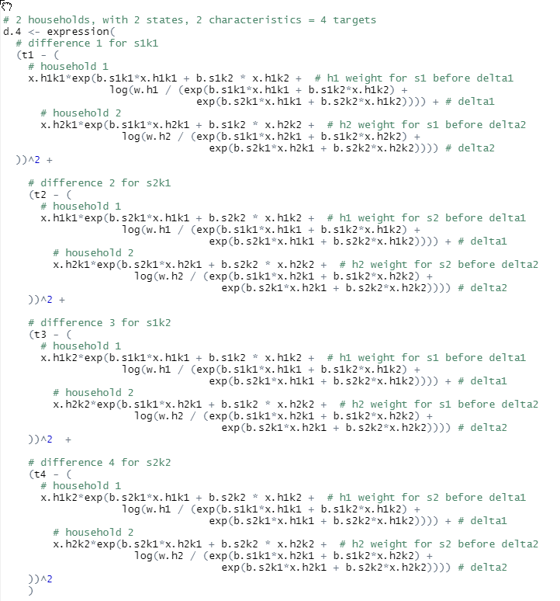

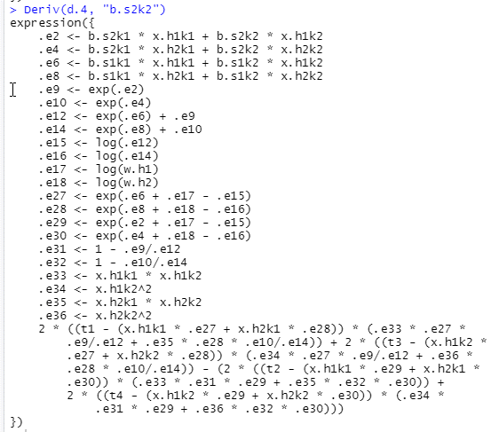
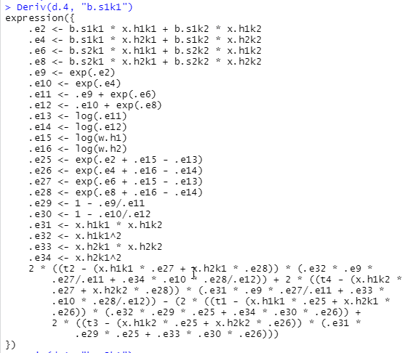
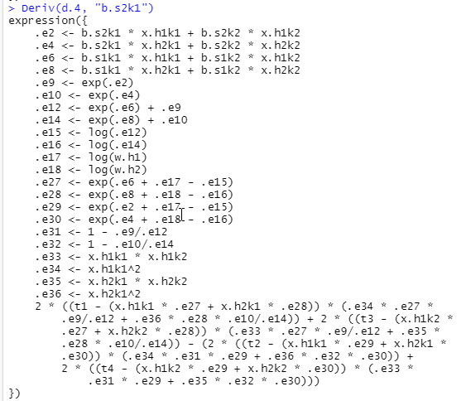
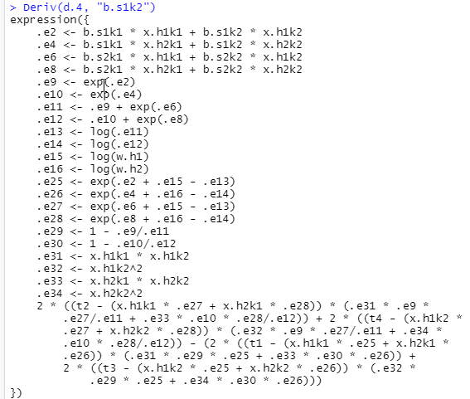

gradient_sse
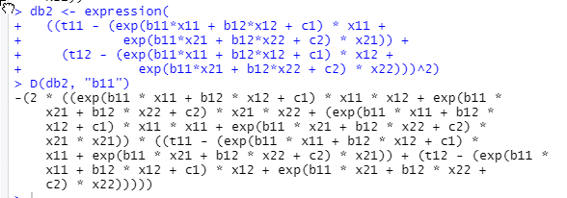

-(2 * ((exp(b11 * x11 + b12 * x12 + c1) * x11 * x12 + exp(b11 * x21 + b12 * x22 + c2) * x21 * x22 + (exp(b11 * x11 + b12 * x12 + c1) * x11 * x11 + exp(b11 * x21 + b12 * x22 + c2) * x21 * x21)) * ((t11 - (exp(b11 * x11 + b12 * x12 + c1) * x11 + exp(b11 * x21 + b12 * x22 + c2) * x21)) + (t12 - (exp(b11 * x11 + b12 * x12 + c1) * x12 + exp(b11 * x21 + b12 * x22 + c2) * x22)))))
-(2 * (( exp(b11 * x11 + b12 * x12 + c1) * x11 * x12 + exp(b11 * x21 + b12 * x22 + c2) * x21 * x22 + (exp(b11 * x11 + b12 * x12 + c1) * x11 * x11 + exp(b11 * x21 + b12 * x22 + c2) * x21 * x21)) * ((t11 - (exp(b11 * x11 + b12 * x12 + c1) * x11 + exp(b11 * x21 + b12 * x22 + c2) * x21)) + (t12 - (exp(b11 * x11 + b12 * x12 + c1) * x12 + exp(b11 * x21 + b12 * x22 + c2) * x22)))))

-(2 * (( w11 * x11 * x12 + w21 * x21 * x22 + (w11 * x11 * x11 + w21 * x21 * x21)) * ((t11 - (w11 * x11 + w21 * x21)) + (t12 - (w11 * x12 + w21 * x22)))))

derivs
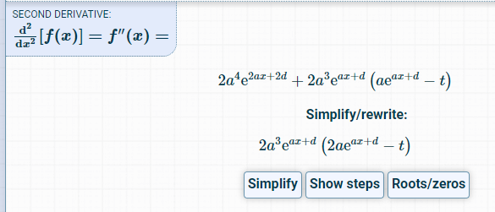
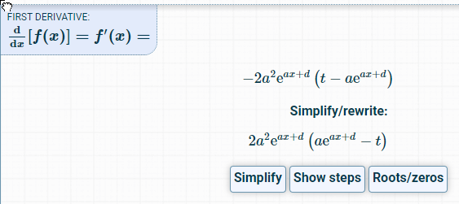
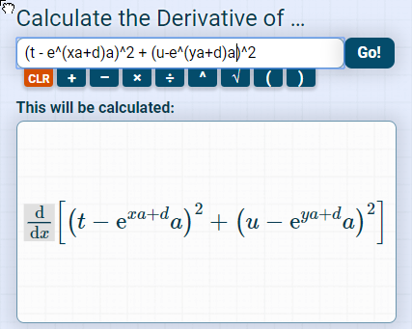
t, u are targets | f1 | 2a^2(e^(ax+d(-t))
x, y are betas | f1 | 2X^2(e^(xbeta+d)-t) | replacing x with x[, 1] and t with t[1], etc
d are deltas
a are the x's | f2 | 2a^3(e^(ax+d))*(2a(e^(ax+d)-t)
 | f2 | 2x^3(e^(xbeta+d))*(2x(e^xbeta+d)-t)

