image
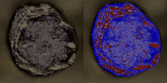
IMC result(Annotation 2023-01-07 115624.jpg) | 0.77020486641
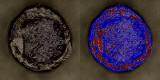

IMC result(Annotation 2023-01-07 115732.jpg) | 0.76808139917
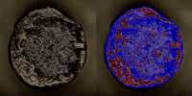

IMC result(Annotation 2023-01-07 115818.jpg) | 0.77337040687
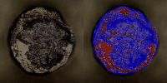

IMC result(Annotation 2023-01-07 115834.jpg) | 0.76752866859
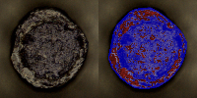

IMC result(Annotation 2023-01-07 115916.jpg) | 0.79601846018
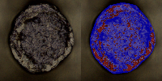

IMC result(Annotation 2023-01-07 115958.jpg) | 0.72790594951
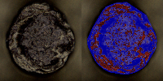

IMC result(Annotation 2023-01-07 120013.jpg) | 0.78282180566
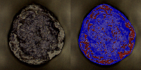

IMC result(Annotation 2023-01-07 120115.jpg) | 0.78345918005
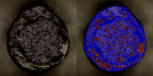

IMC result(Annotation 2023-01-07 120142.jpg) | 0.82767507862
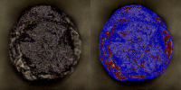

IMC result(Annotation 2023-01-07 120256.jpg) | 0.8305022209
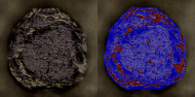

IMC result(Annotation 2023-01-07 120312.jpg) | 0.8273915302
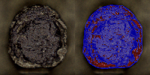

IMC result(Annotation 2023-01-07 120343.jpg) | 0.8437148697
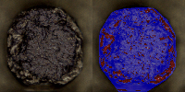

IMC result(Annotation 2023-01-07 120408.jpg) | 0.79489753116
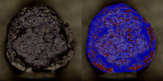

IMC result(Annotation 2023-01-07 120433.jpg) | 0.81237153247
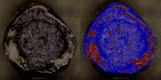

IMC result(Annotation 2023-01-07 120446.jpg) | 0.80900021687
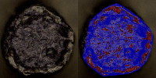

IMC result(Annotation 2023-01-07 120540.jpg) | 0.78485600993
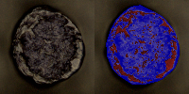

IMC result(Annotation 2023-01-07 120645.jpg) | 0.79483033578
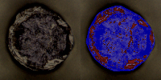

IMC result(Annotation 2023-01-07 120724.jpg) | 0.83341874767
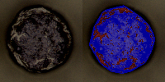

IMC result(Annotation 2023-01-07 120740.jpg) | 0.83270033734
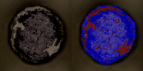

IMC result(Annotation 2023-01-07 121031.jpg) | 0.7589161238
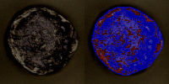

IMC result(Annotation 2023-01-07 121204.jpg) | 0.78443934845
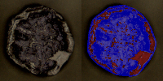

IMC result(Annotation 2023-01-07 121238.jpg) | 0.76476051812
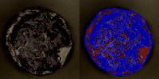

IMC result(Annotation 2023-01-07 121309.jpg) | 0.72532178339
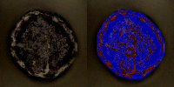

IMC result(Annotation 2023-01-07 121403.jpg) | 0.80886523933
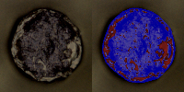

IMC result(Annotation 2023-01-07 121419.jpg) | 0.78318402983
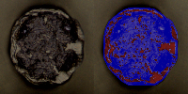

IMC result(Annotation 2023-01-07 121521.jpg) | 0.81061350555
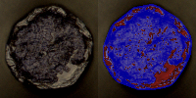

IMC result(Annotation 2023-01-07 121559.jpg) | 0.79718111045
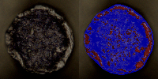

IMC result(Annotation 2023-01-07 121612.jpg) | 0.83510228537
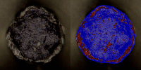

IMC result(Annotation 2023-01-07 121626.jpg) | 0.81885949343
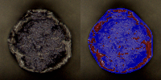

IMC result(Annotation 2023-01-07 121656.jpg) | 0.80808098561
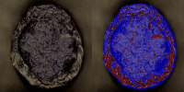

IMC result(Annotation 2023-01-07 121727.jpg) | 0.76951625521
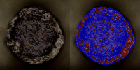

IMC result(Annotation 2023-01-07 121803.jpg) | 0.79039832427
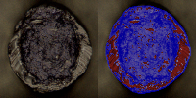

IMC result(Annotation 2023-01-07 121820.jpg) | 0.81099802353
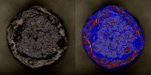

IMC result(Annotation 2023-01-07 121858.jpg) | 0.80948574958
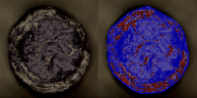

IMC result(Annotation 2023-01-07 121927.jpg) | 0.80510526967
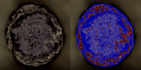

IMC result(Annotation 2023-01-07 122240.jpg) | 0.78926228411
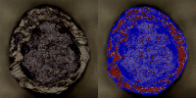

IMC result(Annotation 2023-01-07 122336.jpg) | 0.79825993331
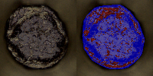

IMC result(Annotation 2023-01-07 122430.jpg) | 0.81734461802
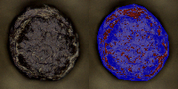

IMC result(Annotation 2023-01-07 122451.jpg) | 0.82683423312
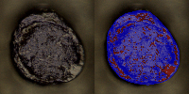

IMC result(Annotation 2023-01-07 122523.jpg) | 0.81979609024

