image
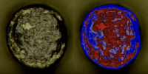
IMC result(Annotation 2023-01-11 095458.jpg) | 0.42710051766
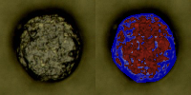

IMC result(Annotation 2023-01-11 095511.jpg) | 0.49240194606
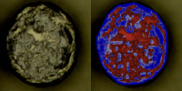

IMC result(Annotation 2023-01-11 095537.jpg) | 0.33343452128
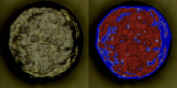

IMC result(Annotation 2023-01-11 095550.jpg) | 0.40118924823
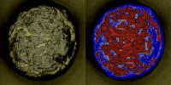

IMC result(Annotation 2023-01-11 095606.jpg) | 0.43275265411
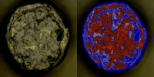

IMC result(Annotation 2023-01-11 095616.jpg) | 0.41787716232
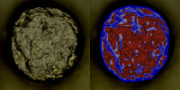

IMC result(Annotation 2023-01-11 095629.jpg) | 0.58895253218
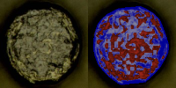

IMC result(Annotation 2023-01-11 095647.jpg) | 0.41014064942
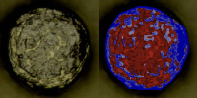

IMC result(Annotation 2023-01-11 095738.jpg) | 0.34669189313
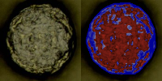

IMC result(Annotation 2023-01-11 095751.jpg) | 0.43746843966
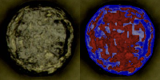

IMC result(Annotation 2023-01-11 095812.jpg) | 0.45572958717
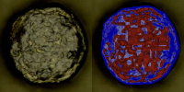

IMC result(Annotation 2023-01-11 095822.jpg) | 0.52634709171
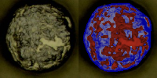

IMC result(Annotation 2023-01-11 095837.jpg) | 0.51121473262
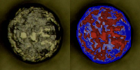

IMC result(Annotation 2023-01-11 095852.jpg) | 0.38999269054
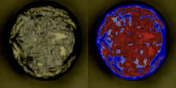

IMC result(Annotation 2023-01-11 095912.jpg) | 0.58382494169
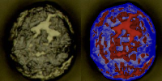

IMC result(Annotation 2023-01-11 095940.jpg) | 0.36325092949
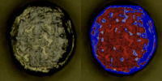

IMC result(Annotation 2023-01-11 095953.jpg) | 0.4340670236
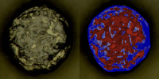

IMC result(Annotation 2023-01-11 100029.jpg) | 0.49350569783
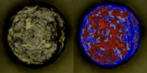

IMC result(Annotation 2023-01-11 100056.jpg) | 0.48046661401
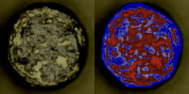

IMC result(Annotation 2023-01-11 100230.jpg) | 0.4908627755
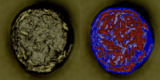

IMC result(Annotation 2023-01-11 100248.jpg) | 0.3932807514
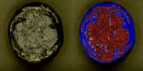

IMC result(Annotation 2023-01-11 100322.jpg) | 0.43652113652
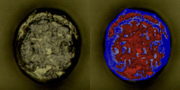

IMC result(Annotation 2023-01-11 100335.jpg) | 0.46547244633
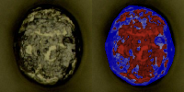

IMC result(Annotation 2023-01-11 100400.jpg) | 0.35923801991
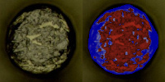

IMC result(Annotation 2023-01-11 100416.jpg) | 0.43339392366
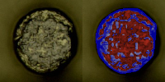

IMC result(Annotation 2023-01-11 100431.jpg) | 0.42720859926
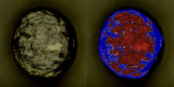

IMC result(Annotation 2023-01-11 100458.jpg) | 0.38316084351
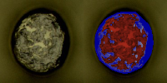

IMC result(Annotation 2023-01-11 100509.jpg) | 0.43470093177
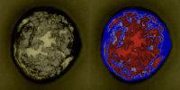

IMC result(Annotation 2023-01-11 100525.jpg) | 0.55176828293
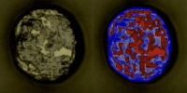

IMC result(Annotation 2023-01-11 100541.jpg) | 0.5182740698
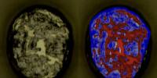

IMC result(Annotation 2023-01-11 100608.jpg) | 0.42128065159
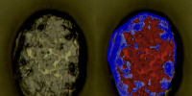

IMC result(Annotation 2023-01-11 100643.jpg) | 0.46887875221
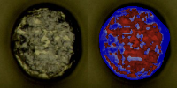

IMC result(Annotation 2023-01-11 100706.jpg) | 0.40942698706
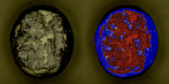

IMC result(Annotation 2023-01-11 100731.jpg) | 0.48141546181
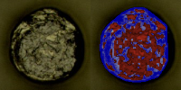

IMC result(Annotation 2023-01-11 100821.jpg) | 0.42974198047
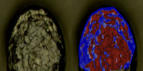

IMC result(Annotation 2023-01-11 100837.jpg) | 0.44992594281

