Summary_comparison
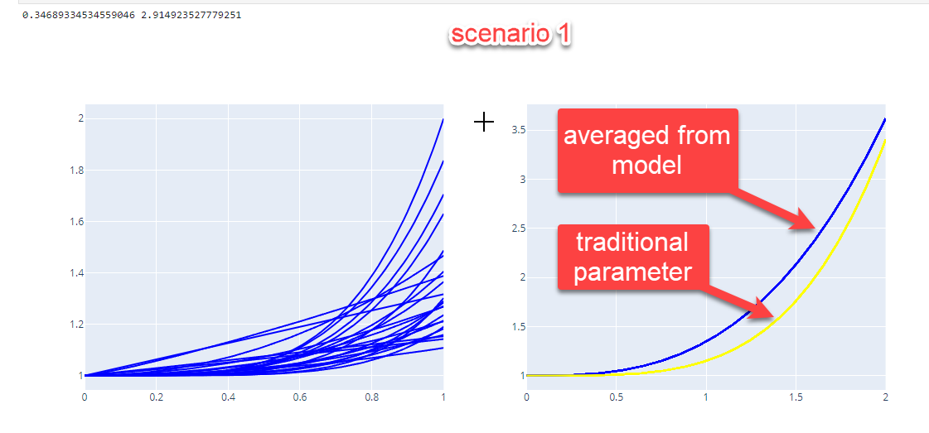
Comparison
 | scenario_1 | scenario_2 | traditional
alpha | 0.35 | 0.51 | 0.15
beta | 2.91 | 3.53 | 4

speed change based on different V/C and VDF parameter
FFSPD 70, VC 1.6 | 29.483330663 | 19.022411504 | 35.29933839
FFSPD 70, VC 0.8 | 59.179839782 | 56.818431994 | 65.948145915
Speed percent change | 101% | 199% | 87%

speed change based on different V/C and VDF parameter
FFSPD 70, VC 1.2 | 43.888334613 | 35.520577118 | 53.392726385
FFSPD 70, VC 0.6 | 64.865458425 | 64.573746553 | 68.665149494
Speed percent change | 48% | 82% | 29%

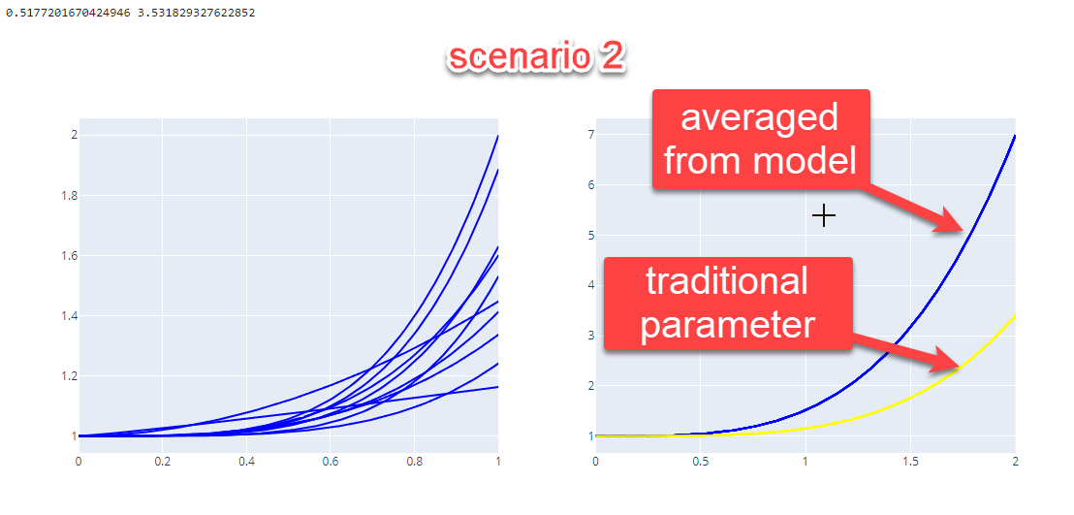
speed change based on different V/C and VDF parameter
FFSPD 70, VC 1 | 51.851851852 | 46.357615894 | 60.869565217
FFSPD 70, VC 0.5 | 66.885401327 | 67.04015283 | 69.349845201
Speed percent change | 29% | 45% | 14%

speed change based on different V/C and VDF parameter
FFSPD 70, VC 0.8 | 59.179839782 | 56.818431994 | 65.948145915
FFSPD 70, VC 0.4 | 68.337649284 | 68.621825492 | 69.732228244
Speed percent change | 15% | 21% | 6%

using scenario_2 parameters per Peng's decision on 3/13/2023
explained this is based on the HV% capacity not fixed capacity

