s23-11295-E2_S11_L001_merged_va
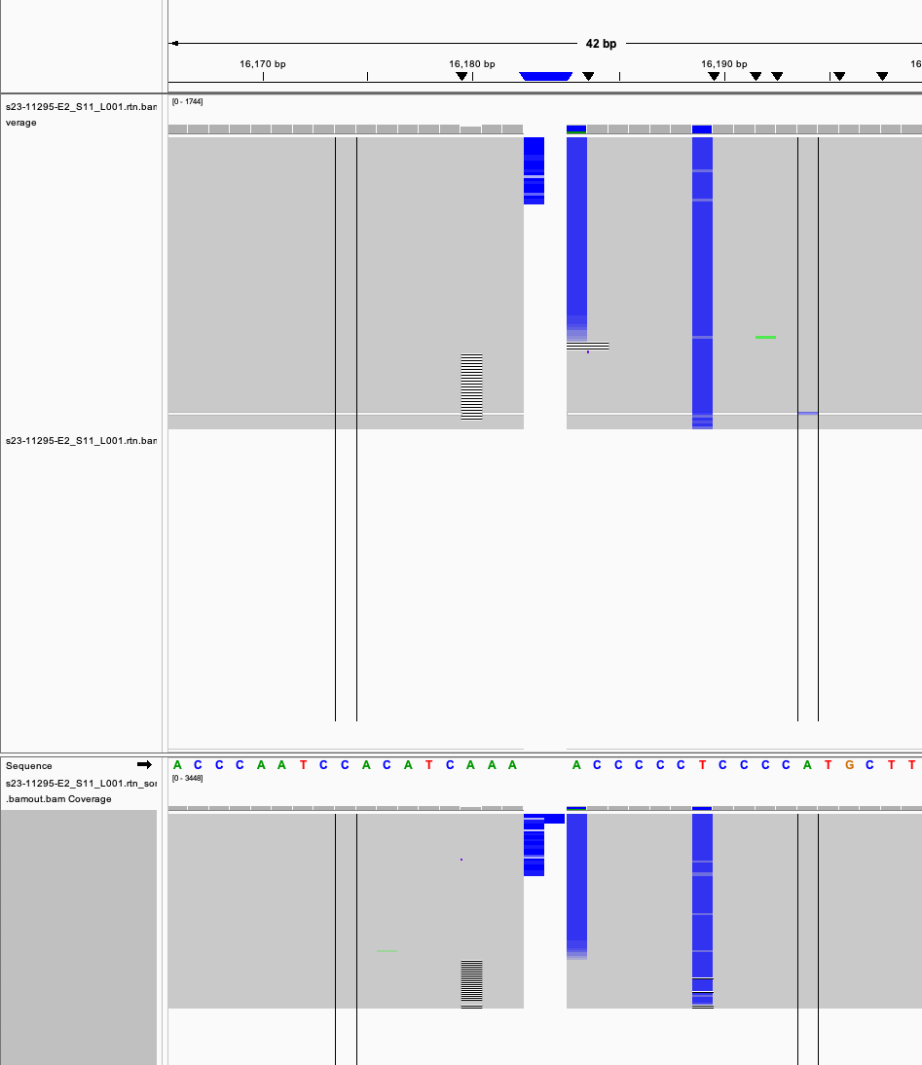
variant | GROUND | called_in_vc1 | called_in_vc2 | total | estimated_total_coverage | is_noise_or_low | clean_marker_total_wo_OS_THR | num_markers | variant_frequency | variant_frequency_wo_OS_THR | VariantLevel | Coverage | MeanBaseQuality | ID | Filter | Pos | Ref | Variant | GT | Type
A73G | A73G | TRUE | TRUE | 581 | 604 | FALSE | 581 | 1 | 96.2 | 100 | 0.998 | 0,603 | 0,39 | s23-11295-E2_S11_L001.rtn.bam | clustered_events;haplotype | 73 | A | G | 0|1 | 2
A263G | A263G | TRUE | TRUE | 2524 | 2692 | FALSE | 2524 | 2 | 93.8 | 100 | 1 | 0,2702 | 0,39 | s23-11295-E2_S11_L001.rtn.bam | clustered_events;haplotype | 263 | A | G | 0|1 | 2
-315.1C | -315.1C | TRUE | TRUE | 982 | 1076 | FALSE | 982 | 1 | 91.3 | 100 | 0.999 | 0,1104 | 0,31 | s23-11295-E2_S11_L001.rtn.bam | PASS | 310 | T | TC | 0|1 | 3
C497T | C497T | TRUE | TRUE | 4498 | 4889 | FALSE | 4498 | 1 | 92 | 100 | 1 | 0,4885 | 0,39 | s23-11295-E2_S11_L001.rtn.bam | clustered_events;haplotype | 497 | C | T | 0|1 | 2
A750G | A750G | TRUE | TRUE | 4366 | 4705 | FALSE | 4366 | 1 | 92.8 | 100 | 0.999 | 4,4767 | 39,39 | s23-11295-E2_S11_L001.rtn.bam | PASS | 750 | A | G | 0/1 | 2
T1189C | T1189C | TRUE | TRUE | 3517 | 3873 | FALSE | 3517 | 1 | 90.8 | 100 | 0.992 | 32,3916 | 38,39 | s23-11295-E2_S11_L001.rtn.bam | clustered_events | 1189 | T | C | 0/1 | 2
A1438G | A1438G | TRUE | TRUE | 2525 | 2687 | FALSE | 2525 | 2 | 94 | 100 | 0.985 | 40,2669 | 39,39 | s23-11295-E2_S11_L001.rtn.bam | clustered_events | 1438 | A | G | 0/1 | 2
A1811G | A1811G | TRUE | TRUE | 1872 | 2000 | FALSE | 1872 | 1 | 93.6 | 100 | 0.996 | 7,2024 | 39,39 | s23-11295-E2_S11_L001.rtn.bam | PASS | 1811 | A | G | 0/1 | 2
A2706G | A2706G | TRUE | TRUE | 1253 | 1342 | FALSE | 1253 | 1 | 93.4 | 100 | 0.999 | 0,1356 | 0,39 | s23-11295-E2_S11_L001.rtn.bam | PASS | 2706 | A | G | 0/1 | 2
A3480G | A3480G | TRUE | TRUE | 3227 | 3722 | FALSE | 3227 | 2 | 86.7 | 100 | 1 | 0,3569 | 0,39 | s23-11295-E2_S11_L001.rtn.bam | PASS | 3480 | A | G | 0|1 | 2
T4117C | T4117C | TRUE | TRUE | 1473 | 1613 | FALSE | 1473 | 1 | 91.3 | 100 | 0.98 | 32,1574 | 39,39 | s23-11295-E2_S11_L001.rtn.bam | clustered_events | 4117 | T | C | 0/1 | 2
A4769G | A4769G | TRUE | TRUE | 1062 | 1139 | FALSE | 1062 | 1 | 93.2 | 100 | 0.999 | 0,1129 | 0,39 | s23-11295-E2_S11_L001.rtn.bam | PASS | 4769 | A | G | 0|1 | 2
G5177A | G5177A | TRUE | TRUE | 1452 | 1570 | FALSE | 1452 | 1 | 92.5 | 100 | 0.989 | 17,1545 | 39,39 | s23-11295-E2_S11_L001.rtn.bam | PASS | 5177 | G | A | 0/1 | 2
C7028T | C7028T | TRUE | TRUE | 2874 | 3048 | FALSE | 2874 | 1 | 94.3 | 100 | 1 | 0,3020 | 0,39 | s23-11295-E2_S11_L001.rtn.bam | PASS | 7028 | C | T | 0/1 | 2
A7559G | A7559G | TRUE | TRUE | 2177 | 2313 | FALSE | 2177 | 1 | 94.1 | 100 | 0.997 | 7,2308 | 39,39 | s23-11295-E2_S11_L001.rtn.bam | PASS | 7559 | A | G | 1|0 | 2
A8860G | A8860G | TRUE | TRUE | 2001 | 2199 | FALSE | 2001 | 1 | 91 | 100 | 1 | 1,2172 | 17,39 | s23-11295-E2_S11_L001.rtn.bam | PASS | 8860 | A | G | 1|0 | 2
G9055A | G9055A | TRUE | TRUE | 4013 | 4244 | FALSE | 4013 | 2 | 94.6 | 100 | 1 | 0,4144 | 0,38 | s23-11295-E2_S11_L001.rtn.bam | clustered_events;position | 9055 | G | A | 0/1 | 2
T9698C | T9698C | TRUE | TRUE | 1362 | 1508 | FALSE | 1362 | 1 | 90.3 | 100 | 1 | 1,4096 | 39,39 | s23-11295-E2_S11_L001.rtn.bam | PASS | 9698 | T | C | 0/1 | 2
C10193T | C10193T | TRUE | TRUE | 4425 | 4712 | FALSE | 4425 | 1 | 93.9 | 100 | 1 | 1,4622 | 14,38 | s23-11295-E2_S11_L001.rtn.bam | PASS | 10193 | C | T | 0/1 | 2
A10398G | A10398G | TRUE | TRUE | 2563 | 2774 | FALSE | 2563 | 1 | 92.4 | 100 | 0.999 | 2,2759 | 38,38 | s23-11295-E2_S11_L001.rtn.bam | PASS | 10398 | A | G | 0|1 | 2
A10550G | A10550G | TRUE | TRUE | 189 | 202 | FALSE | 189 | 1 | 93.6 | 100 | 0.995 | 0,200 | 0,39 | s23-11295-E2_S11_L001.rtn.bam | PASS | 10550 | A | G | 0|1 | 2
T11299C | T11299C | TRUE | TRUE | 859 | 900 | FALSE | 859 | 1 | 95.4 | 100 | 0.999 | 0,883 | 0,39 | s23-11295-E2_S11_L001.rtn.bam | PASS | 11299 | T | C | 0/1 | 2
A11467G | A11467G | TRUE | TRUE | 2760 | 2984 | FALSE | 2760 | 1 | 92.5 | 100 | 0.997 | 9,2934 | 39,39 | s23-11295-E2_S11_L001.rtn.bam | clustered_events;haplotype | 11467 | A | G | 0|1 | 2
G11719A | G11719A | TRUE | TRUE | 1863 | 1974 | FALSE | 1863 | 1 | 94.4 | 100 | 0.997 | 4,1935 | 39,39 | s23-11295-E2_S11_L001.rtn.bam | clustered_events | 11719 | G | A | 0/1 | 2
A12308G | A12308G | TRUE | TRUE | 2467 | 2619 | FALSE | 2467 | 1 | 94.2 | 100 | 1 | 1,2541 | 20,39 | s23-11295-E2_S11_L001.rtn.bam | PASS | 12308 | A | G | 0|1 | 2
G12372A | G12372A | TRUE | TRUE | 702 | 766 | FALSE | 702 | 1 | 91.6 | 100 | 0.999 | 0,754 | 0,39 | s23-11295-E2_S11_L001.rtn.bam | clustered_events;haplotype | 12372 | G | A | 1|0 | 2
A13117G | A13117G | TRUE | TRUE | 4846 | 5384 | FALSE | 4846 | 1 | 90 | 100 | 0.979 | 116,5162 | 38,38 | s23-11295-E2_S11_L001.rtn.bam | clustered_events | 13117 | A | G | 0/1 | 2
C14167T | C14167T | TRUE | TRUE | 689 | 752 | FALSE | 689 | 1 | 91.6 | 100 | 0.999 | 0,732 | 0,39 | s23-11295-E2_S11_L001.rtn.bam | PASS | 14167 | C | T | 0/1 | 2
T14494C | T14494C | TRUE | TRUE | 1339 | 1455 | FALSE | 1339 | 1 | 92 | 100 | 0.999 | 1,1431 | 37,39 | s23-11295-E2_S11_L001.rtn.bam | PASS | 14494 | T | C | 0|1 | 2
C14766T | C14766T | TRUE | TRUE | 2308 | 2471 | FALSE | 2308 | 1 | 93.4 | 100 | 1 | 0,2460 | 0,39 | s23-11295-E2_S11_L001.rtn.bam | PASS | 14766 | C | T | 0|1 | 2
T14798C | T14798C | TRUE | TRUE | 2308 | 2471 | FALSE | 2308 | 1 | 93.4 | 100 | 0.999 | 1,2459 | 39,39 | s23-11295-E2_S11_L001.rtn.bam | PASS | 14798 | T | C | 0|1 | 2
A15326G | A15326G | TRUE | TRUE | 2595 | 2793 | FALSE | 2595 | 1 | 92.9 | 100 | 0.999 | 3,2731 | 39,39 | s23-11295-E2_S11_L001.rtn.bam | PASS | 15326 | A | G | 0/1 | 2
A16182- |  | FALSE | TRUE |  |  |  |  |  |  |  | 0.243 | 302,97 | 39,39 | s23-11295-E2_S11_L001.rtn.bam | clustered_events | 16179 | CA | C | 0/1 | 3
A16183C | A16183C | TRUE | FALSE | 309 | 395 | FALSE | 309 | 1 | 78.2 | 100
A16183M |  | FALSE | TRUE |  |  |  |  |  |  |  | 0.756 | 98,301 | 39,32 | s23-11295-E2_S11_L001.rtn.bam | clustered_events | 16183 | A | C | 0/1 | 2
T16189Y |  | TRUE | FALSE | 236 | 394 | FALSE | 309 | 1 | 59.9 | 76.4
T16189- |  | TRUE | FALSE | 73 | 395 | FALSE | 309 | 1 | 18.5 | 23.6
T16189C | T16189C | FALSE | TRUE |  |  |  |  |  |  |  | 0.997 | 1,398 | 16,38 | s23-11295-E2_S11_L001.rtn.bam | clustered_events | 16189 | T | C | 0/1 | 2
-16193.1c |  | TRUE | TRUE | 78 | 394 | FALSE | 309 | 1 | 19.8 | 25.2 | 0.263 | 292,107 | 39,39 | s23-11295-E2_S11_L001.rtn.bam | clustered_events | 16182 | A | AC | 0/1 | 3
T16224C | T16224C | TRUE | TRUE | 1519 | 1717 | FALSE | 1519 | 2 | 88.5 | 100 | 0.999 | 1,1713 | 16,38 | s23-11295-E2_S11_L001.rtn.bam | clustered_events | 16224 | T | C | 0/1 | 2
T16311C | T16311C | TRUE | TRUE | 1210 | 1322 | FALSE | 1210 | 1 | 91.5 | 100 | 0.999 | 0,1321 | 0,39 | s23-11295-E2_S11_L001.rtn.bam | clustered_events;haplotype | 16311 | T | C | 0|1 | 2
T16519C | T16519C | TRUE | TRUE | 880 | 936 | FALSE | 880 | 1 | 94 | 100 | 0.997 | 9,3223 | 39,39 | s23-11295-E2_S11_L001.rtn.bam | haplotype | 16519 | T | C | 0|1 | 2

