176LQFP-EP
...
WKPU[30] |  | dSIN_1 | EIRQ7 | WKPU[29] | EIRQ21 |  |  |  |  |  |  |  |  | EIRQ1 |  |  | CAN4RX |  |  |  |  |  |  |  |  |  |  | dSIN_2
FR_B_RX | EIRQ9 | SSCM_DBG[2] | SSCM_DBG[3] | FR_A_RX | dSIN_1 | TCK |  |  |  |  |  |  | TMS | LIN4RX |  | EIRQ5 | CAN1RX |  |  |  |  |  | SIN_0 |  | EIRQ12 | LIN8RX | SIN_2 | MII_0_CRS
ULPI0_D3 | ULPI0_D2 | ULPI0_D1 | ULPI0_D0
SD_DAT2 | SD_DAT1 | SD_DAT0 | SD_CLK | SD_CMD | SD_DAT3 | RESERVED | RESERVED |  |  |  |  |  | RESERVED |  | ULPI0_STP |  |  |  |  |  |  |  |  |  | SPARE | SPARE |  |  |  | AF5
SPARE | FR_B_TX | FR_B_TX_EN | FR_A_TX | SPARE | FR_A_TX_EN | RESERVED | RESERVED |  |  |  |  | RESERVED | RESERVED | SPARE | SPARE | SSCM_DBG[0] | SSCM_DBG[1] | ULPI1_STP | CS2_2 | ULPI1_D7 | ULPI1_D6 | ULPI1_D5 | ULPI1_D4 | ULPI1_D3 | ULPI1_D2 | ULPI1_D1 | ULPI1_D0 | ULPI1_FAULT |  |  |  |  |  |  | AF4
ADC0_MA[2] | SPARE | SPARE | E2UC_24_X | SPARE | SPARE | RESERVED | RESERVED |  |  |  |  | RESERVED | RESERVED | dCS1_1 | SPARE | E2UC_22_X | E2UC_23_X | SPARE | CS2_1 | E1UC_25_Y | E1UC_5_H | CS0_2 | SPARE | SCLK_2 | SPARE | SPARE | SPARE | SPARE |  |  |  |  |  | AF3
dCS0_1 | dSCLK_1 | SPARE | CAN3TX | dSOUT_1 | SPARE | RESERVED | TDI |  |  |  |  | TDO | RESERVED | SPARE | LIN4TX | CAN4TX | ADC0_MA[0] | SOUT_0 | SCLK_0 | CS1_0 | CS0_0 | CS0_0 | E1UC_31_Y | E1UC_22_X | E1UC_21_Y | SOUT_2 | LIN8TX | E1UC_19_Y |  |  |  |  | AF2
E0UC_21_Y | E0UC_20_Y | E1UC_31_Y | dSOUT_1 | E0UC_19_Y | E0UC_18_Y | RESERVED | RESERVED |  |  |  |  | RESERVED | RESERVED | E0UC_6_G | E0UC_5_G | dSCLK_1 | dCS0_1 | E1UC_28_Y | E1UC_29_Y | dSCLK_3 | dSOUT_3 | E0UC_25_Y | E0UC_24_X | dCS0_2 | dSCLK_2 | E1UC_1_H | E1UC_0_X | SPARE |  |  |  | AF1
GPIO[69] | GPIO[68] | GPIO[36] | GPIO[37] | GPIO[67] | GPIO[66] | GPIO[121] | GPIO[32] |  |  | VDD_HV_A | VSS_HV | GPIO[33] | GPIO[122] | GPIO[6] | GPIO[5] | GPIO[34] | GPIO[35] | GPIO[132] | GPIO[133] | GPIO[124] | GPIO[123] | GPIO[107] | GPIO[106] | GPIO[79] | GPIO[78] | GPIO[111] | GPIO[110] | GPIO[76] |  |  | AF0
PE[5] | PE[4] | PC[4] | PC[5] | PE[3] | PE[2] | PH[9] | PC[0] | PORST | VDD_LV |  |  | PC[1] | PH[10] | PA[6] | PA[5] | PC[2] | PC[3] | PI[4] | PI[5] | PH[12] | PH[11] | PG[11] | PG[10] | PE[15] | PE[14] | PG[15] | PG[14] | PE[12]
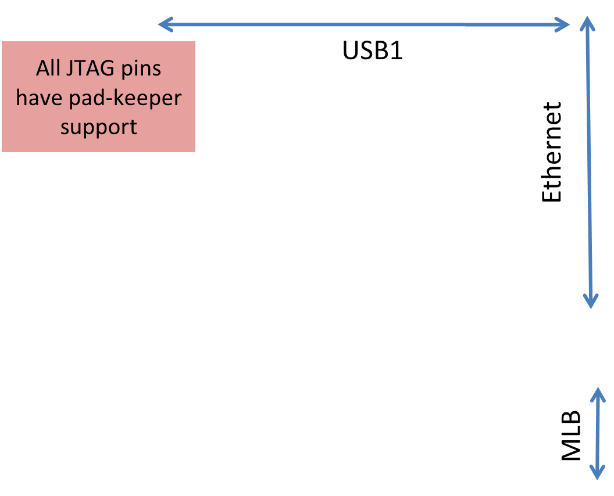
161 | 160 | 159 | 158 | 157 | 156 | 155 | 154 | 153 | 152 | 151 | 150 | 149 | 148 | 147 | 146 | 145 | 144 | 143 | 142 | 141 | 140 | 139 | 138 | 137 | 136 | 135 | 134 | 133
 |  |  |  |  |  |  |  |  |  |  |  |  |  |  |  |  |  |  |  |  |  |  |  |  |  |  |  |  | 132 | PA[11] | GPIO[11] | E0UC_11_H | SCL0 | SPARE | ULPI0_FAULT
 |  |  |  |  |  |  |  |  |  |  |  |  |  |  |  |  |  |  |  |  |  |  |  |  |  |  |  |  | 131 | PA[10] | GPIO[10] | E0UC_10_H | SDA0 | LIN2TX | SPARE
 |  |  |  |  |  |  |  |  |  |  |  |  |  |  |  |  |  |  |  |  |  |  |  |  |  |  |  |  | 130 | PA[9] | GPIO[9] | E0UC_9_H | SPARE | dCS2_1 | SPARE
 |  |  |  |  |  |  |  |  |  |  |  |  |  |  |  |  |  |  |  |  |  |  |  |  |  |  |  |  | 129 | PA[8] | GPIO[8] | E0UC_8_X | E0UC_14_H | SPARE | SPARE
 |  |  |  |  |  |  |  |  |  |  |  |  |  |  |  |  |  |  |  |  |  |  |  |  |  |  |  |  | 128 | PA[7] | GPIO[7] | E0UC_7_G | LIN3TX | SPARE | SPARE
 |  |  |  |  |  |  |  |  |  |  |  |  |  |  |  |  |  |  |  |  |  |  |  |  |  |  |  |  | 127 | PE[13] | GPIO[77] | dSOUT_2 | E1UC_20_Y | SPARE | SPARE
 |  |  |  |  |  |  |  |  |  |  |  |  |  |  |  |  |  |  |  |  |  |  |  |  |  |  |  |  | 126 | PF[14] | GPIO[94] | CAN4TX | E1UC_27_Y | CAN1TX | MII_0_RMII_MDIO
 |  |  |  |  |  |  |  |  |  |  |  |  |  |  |  |  |  |  |  |  |  |  |  |  |  |  |  |  | 125 | PF[15] | GPIO[95] | E1UC_4_H | SPARE | SPARE | SPARE
 |  |  |  |  |  |  |  |  |  |  |  |  |  |  |  |  |  |  |  |  |  |  |  |  |  |  |  |  | 124 | VDD_HV_B
 |  |  |  |  |  |  |  |  |  |  |  |  |  |  |  |  |  |  |  |  |  |  |  |  |  |  |  |  | 123 | VSS_HV
 |  |  |  |  |  |  |  |  |  |  |  |  |  |  |  |  |  |  |  |  |  |  |  |  |  |  |  |  | 122 | PG[0] | GPIO[96] | CAN5TX | E1UC_23_X | SPARE | MII_0_RMII_MDC
 |  |  |  |  |  |  |  |  |  |  |  |  |  |  |  |  |  |  |  |  |  |  |  |  |  |  |  |  | 121 | PG[1] | GPIO[97] | SPARE | E1UC_24_X | SPARE | MII_0_RMII_TX_CLK
 |  |  |  |  |  |  |  |  |  |  |  |  |  |  |  |  |  |  |  |  |  |  |  |  |  |  |  |  | 120 | PH[3] | GPIO[115] | E1UC_5_H | dCS0_1 | SPARE | MII_0_TX_ER
 |  |  |  |  |  |  |  |  |  |  |  |  |  |  |  |  |  |  |  |  |  |  |  |  |  |  |  |  | 119 | PH[2] | GPIO[114] | E1UC_4_H | dSCLK_1 | E2UC_9_Y | MII_RMII_0_TX_EN
 |  |  |  |  |  |  |  |  |  |  |  |  |  |  |  |  |  |  |  |  |  |  |  |  |  |  |  |  | 118 | PH[1] | GPIO[113] | E1UC_3_H | dSOUT_1 | E2UC_10_Y | MII_RMII_0_TXD[0]
 |  |  |  |  |  |  |  |  |  |  |  |  |  |  |  |  |  |  |  |  |  |  |  |  |  |  |  |  | 117 | PH[0] | GPIO[112] | E1UC_2_H | SPARE | E2UC_11_Y | MII_RMII_0_TXD[1]
 |  |  |  |  |  |  |  |  |  |  |  |  |  |  |  |  |  |  |  |  |  |  |  |  |  |  |  |  | 116 | PG[12] | GPIO[108] | E0UC_26_Y | SOUT_0 | E2UC_12_Y | MII_0_TXD[2]
 |  |  |  |  |  |  |  |  |  |  |  |  |  |  |  |  |  |  |  |  |  |  |  |  |  |  |  |  | 115 | PG[13] | GPIO[109] | E0UC_27_Y | SCLK_0 | E2UC_13_Y | MII_0_TXD[3]
 |  |  |  |  |  |  |  |  |  |  |  |  |  |  |  |  |  |  |  |  |  |  |  |  |  |  |  |  | 114 | PA[3] | GPIO[3] | E0UC_3_G | LIN5TX | dCS4_1 | SPARE
 |  |  |  |  |  |  |  |  |  |  |  |  |  |  |  |  |  |  |  |  |  |  |  |  |  |  |  |  | 113 | PI[13] | GPIO[141] | dCS1_3 | dCS1_2 |  | SPARE
 |  |  |  |  |  |  |  |  |  |  |  |  |  |  |  |  |  |  |  |  |  |  |  |  |  |  |  |  | 112 | PI[12] | GPIO[140] | dCS0_3 | dCS0_2
 |  |  |  |  |  |  |  |  |  |  |  |  |  |  |  |  |  |  |  |  |  |  |  |  |  |  |  |  | 111 | PI[11] | GPIO[139] | E2UC_14_Y | SPARE
 |  |  |  |  |  |  |  |  |  |  |  |  |  |  |  |  |  |  |  |  |  |  |  |  |  |  |  |  | 110 | VDD_LV
 |  |  |  |  |  |  |  |  |  |  |  |  |  |  |  |  |  |  |  |  |  |  |  |  |  |  |  |  | 109 | VSS_LV
 |  |  |  |  |  |  |  |  |  |  |  |  |  |  |  |  |  |  |  |  |  |  |  |  |  |  |  |  | 108 | PI[8] | GPIO[136] | E2UC_15_Y | SPARE |  | SPARE
 |  |  |  |  |  |  |  |  |  |  |  |  |  |  |  |  |  |  |  |  |  |  |  |  |  |  |  |  | 107 | PB[15] | GPIO[31] | E0UC_7_G | SPARE | dCS4_0 | MLBSIG
 |  |  |  |  |  |  |  |  |  |  |  |  |  |  |  |  |  |  |  |  |  |  |  |  |  |  |  |  | 106 | PD[15] | GPIO[63] | dCS2_1 | E0UC_27_Y | FR_DBG[1]
 |  |  |  |  |  |  |  |  |  |  |  |  |  |  |  |  |  |  |  |  |  |  |  |  |  |  |  |  | 105 | PB[14] | GPIO[30] | E0UC_6_G | dCS3_0 | FR_DBG[1]
 |  |  |  |  |  |  |  |  |  |  |  |  |  |  |  |  |  |  |  |  |  |  |  |  |  |  |  |  | 104 | PD[14] | GPIO[62] | dCS1_1 | E0UC_26_Y | FR_DBG[0]
 |  |  |  |  |  |  |  |  |  |  |  |  |  |  |  |  |  |  |  |  |  |  |  |  |  |  |  |  | 103 | PB[13] | GPIO[29] | E0UC_5_G | SPARE | dCS2_0
 |  |  |  |  |  |  |  |  |  |  |  |  |  |  |  |  |  |  |  |  |  |  |  |  |  |  |  |  | 102 | PD[13] | GPIO[61] | dCS0_1 | E0UC_25_Y | SPARE | SPARE
 |  |  |  |  |  |  |  |  |  |  |  |  |  |  |  |  |  |  |  |  |  |  |  |  |  |  |  |  | 101 | PB[12] | GPIO[28] | E0UC_4_G | SPARE | dCS1_0 | DO1
 |  |  |  |  |  |  |  |  |  |  |  |  |  |  |  |  |  |  |  |  |  |  |  |  |  |  |  |  | 100 | PD[12] | GPIO[60] | dCS5_0 | E0UC_24_X | SPARE | DO0
 |  |  |  |  |  |  |  |  |  |  |  |  |  |  |  |  |  |  |  |  |  |  |  |  |  |  |  |  | 99 | VDD_HV_ADC1
 |  |  |  |  |  |  |  |  |  |  |  |  |  |  |  |  |  |  |  |  |  |  |  |  |  |  |  |  | 98 | VDD_HV_ADC1_REF
 |  |  |  |  |  |  |  |  |  |  |  |  |  |  |  |  |  |  |  |  |  |  |  |  |  |  |  |  | 97 | VSS_HV_ADC1
 |  |  |  |  |  |  |  |  |  |  |  |  |  |  |  |  |  |  |  |  |  |  |  |  |  |  |  |  | 96 | PB[11] | GPIO[27] | E0UC_3_G | SPARE | dCS0_0 | SPARE
 |  |  |  |  |  |  |  |  |  |  |  |  |  |  |  |  |  |  |  |  |  |  |  |  |  |  |  |  | 95 | PD[10] | GPI[58] | SPARE | SPARE | SPARE | SPARE
 |  |  |  |  |  |  |  |  |  |  |  |  |  |  |  |  |  |  |  |  |  |  |  |  |  |  |  |  | 94 | PD[9] | GPI[57] | SPARE | SPARE | SPARE | SPARE
 |  |  |  |  |  |  |  |  |  |  |  |  |  |  |  |  |  |  |  |  |  |  |  |  |  |  |  |  | 93 | PB[7] | GPI[23] | SPARE | SPARE | SPARE | SPARE
 |  |  |  |  |  |  |  |  |  |  |  |  |  |  |  |  |  |  |  |  |  |  |  |  |  |  |  |  | 92 | PB[6] | GPI[22] | SPARE | SPARE | SPARE | SPARE
 |  |  |  |  |  |  |  |  |  |  |  |  |  |  |  |  |  |  |  |  |  |  |  |  |  |  |  |  | 91 | PB[5] | GPI[21] | SPARE | SPARE | SPARE | SPARE
...

