TASKS
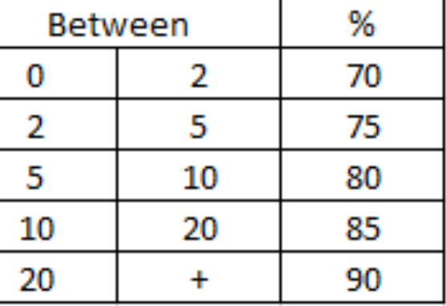
1 Oil swap daily update
2 Day shift and night shift spread mark up change daily | Day shift | 10:00 Beij | Night Shift | 2:00:00
3 Swap update every Wednesday
4 Holiday notification, trading time setting
5 order issue checking
6 pricing issue checking, recover charts
7 symbols setting
8 restart server

