Table p. 1
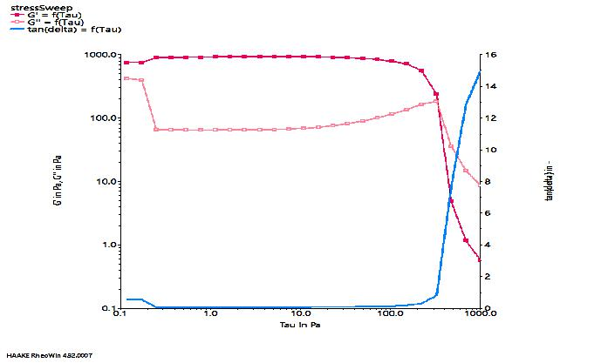
 | t in s | t_seg in s | G' in Pa | G'' in Pa | f in Hz | omega in rad/s | tan(delta) in - | Tau in Pa | Gamma in % | GP in 1/s | Fn in N
1-1 | 94.00 | 16.00 | 749.00 | 420.00 | 1.00 | 6.28 | 0.56 | 0.12 | 0.01 | 0.00 | 0.32
1-2 | 110.00 | 32.00 | 758.00 | 403.00 | 1.00 | 6.28 | 0.53 | 0.17 | 0.02 | 0.00 | 0.28
1-3 | 126.00 | 48.00 | 901.00 | 65.60 | 1.00 | 6.28 | 0.07 | 0.25 | 0.03 | 0.00 | 0.26
1-4 | 142.00 | 64.00 | 905.00 | 65.30 | 1.00 | 6.28 | 0.07 | 0.37 | 0.04 | 0.00 | 0.23
1-5 | 158.00 | 80.00 | 911.00 | 64.80 | 1.00 | 6.28 | 0.07 | 0.54 | 0.06 | 0.00 | 0.22
1-6 | 174.00 | 95.90 | 915.00 | 64.60 | 1.00 | 6.28 | 0.07 | 0.78 | 0.09 | 0.01 | 0.21
1-7 | 190.00 | 112.00 | 920.00 | 65.10 | 1.00 | 6.28 | 0.07 | 1.14 | 0.13 | 0.01 | 0.20
1-8 | 206.00 | 128.00 | 924.00 | 64.80 | 1.00 | 6.28 | 0.07 | 1.66 | 0.18 | 0.01 | 0.18
1-9 | 222.00 | 144.00 | 925.00 | 65.00 | 1.00 | 6.28 | 0.07 | 2.42 | 0.27 | 0.02 | 0.17
1-10 | 238.00 | 160.00 | 928.00 | 65.00 | 1.00 | 6.28 | 0.07 | 3.52 | 0.39 | 0.02 | 0.17
1-11 | 254.00 | 176.00 | 933.00 | 66.10 | 1.00 | 6.28 | 0.07 | 5.13 | 0.56 | 0.04 | 0.16
1-12 | 270.00 | 192.00 | 930.00 | 67.20 | 1.00 | 6.28 | 0.07 | 7.48 | 0.82 | 0.05 | 0.16
1-13 | 286.00 | 208.00 | 925.00 | 68.90 | 1.00 | 6.28 | 0.07 | 10.90 | 1.20 | 0.08 | 0.15
1-14 | 302.00 | 224.00 | 920.00 | 71.40 | 1.00 | 6.28 | 0.08 | 15.90 | 1.76 | 0.11 | 0.14
1-15 | 318.00 | 240.00 | 910.00 | 75.70 | 1.00 | 6.28 | 0.08 | 23.10 | 2.59 | 0.16 | 0.14
1-16 | 334.00 | 256.00 | 894.00 | 82.30 | 1.00 | 6.28 | 0.09 | 33.70 | 3.84 | 0.24 | 0.13
1-17 | 350.00 | 272.00 | 870.00 | 90.40 | 1.00 | 6.28 | 0.10 | 49.20 | 5.75 | 0.36 | 0.14
1-18 | 366.00 | 288.00 | 836.00 | 101.00 | 1.00 | 6.28 | 0.12 | 71.60 | 8.70 | 0.55 | 0.14
1-19 | 382.00 | 304.00 | 787.00 | 116.00 | 1.00 | 6.28 | 0.15 | 104.00 | 13.50 | 0.85 | 0.16
1-20 | 398.00 | 320.00 | 710.00 | 137.00 | 1.00 | 6.28 | 0.19 | 152.00 | 21.60 | 1.36 | 0.17
1-21 | 414.00 | 336.00 | 565.00 | 166.00 | 1.00 | 6.28 | 0.29 | 222.00 | 38.80 | 2.44 | 0.21
1-22 | 430.00 | 352.00 | 237.00 | 184.00 | 1.00 | 6.28 | 0.79 | 323.00 | 114.00 | 7.15 | 0.27
1-23 | 446.00 | 368.00 | 4.87 | 35.90 | 1.00 | 6.28 | 7.68 | 471.00 | 1,160.00 | 73.10 | 0.02
1-24 | 462.00 | 384.00 | 1.16 | 14.90 | 1.00 | 6.28 | 12.80 | 686.00 | 2,690.00 | 169.00 | 0.02
1-25 | 478.00 | 400.00 | 0.57 | 8.59 | 1.00 | 6.28 | 15.00 | 1,000.00 | 4,510.00 | 283.00 | 0.02

