Table p. 1
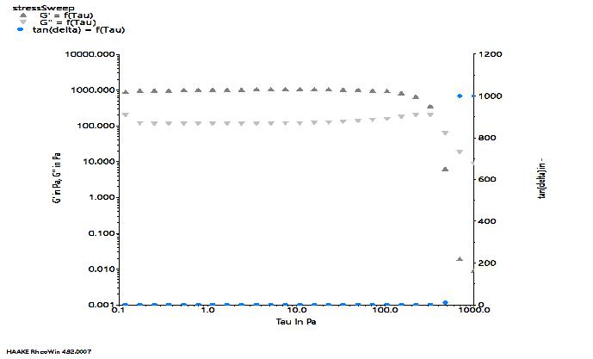
 | t in s | t_seg in s | G' in Pa | G'' in Pa | f in Hz | omega in rad/s | tan(delta) in - | Tau in Pa | Gamma in % | GP in 1/s | Fn in N
1-1 | 77.60 | 16.00 | 870.00 | 200.00 | 1.00 | 6.28 | 0.23 | 0.12 | 0.01 | 0.00 | 1.34
1-2 | 93.60 | 32.00 | 928.00 | 121.00 | 1.00 | 6.28 | 0.13 | 0.17 | 0.02 | 0.00 | 1.18
1-3 | 110.00 | 48.00 | 951.00 | 117.00 | 1.00 | 6.28 | 0.12 | 0.25 | 0.03 | 0.00 | 1.04
1-4 | 126.00 | 64.00 | 968.00 | 118.00 | 1.00 | 6.28 | 0.12 | 0.37 | 0.04 | 0.00 | 0.91
1-5 | 142.00 | 80.00 | 978.00 | 116.00 | 1.00 | 6.28 | 0.12 | 0.54 | 0.05 | 0.00 | 0.80
1-6 | 158.00 | 95.90 | 987.00 | 116.00 | 1.00 | 6.28 | 0.12 | 0.78 | 0.08 | 0.00 | 0.71
1-7 | 174.00 | 112.00 | 995.00 | 117.00 | 1.00 | 6.28 | 0.12 | 1.14 | 0.11 | 0.01 | 0.62
1-8 | 190.00 | 128.00 | 1,000.00 | 116.00 | 1.00 | 6.28 | 0.12 | 1.66 | 0.17 | 0.01 | 0.56
1-9 | 206.00 | 144.00 | 1,010.00 | 117.00 | 1.00 | 6.28 | 0.12 | 2.42 | 0.24 | 0.02 | 0.52
1-10 | 221.00 | 160.00 | 1,020.00 | 117.00 | 1.00 | 6.28 | 0.11 | 3.52 | 0.35 | 0.02 | 0.47
1-11 | 237.00 | 176.00 | 1,030.00 | 118.00 | 1.00 | 6.28 | 0.11 | 5.13 | 0.50 | 0.03 | 0.43
1-12 | 253.00 | 192.00 | 1,030.00 | 119.00 | 1.00 | 6.28 | 0.11 | 7.48 | 0.73 | 0.05 | 0.39
1-13 | 269.00 | 208.00 | 1,030.00 | 119.00 | 1.00 | 6.28 | 0.12 | 10.90 | 1.06 | 0.07 | 0.35
1-14 | 285.00 | 224.00 | 1,030.00 | 122.00 | 1.00 | 6.28 | 0.12 | 15.90 | 1.55 | 0.10 | 0.33
1-15 | 301.00 | 240.00 | 1,020.00 | 126.00 | 1.00 | 6.28 | 0.12 | 23.10 | 2.26 | 0.14 | 0.30
1-16 | 317.00 | 256.00 | 1,010.00 | 131.00 | 1.00 | 6.28 | 0.13 | 33.70 | 3.34 | 0.21 | 0.27
1-17 | 333.00 | 272.00 | 992.00 | 138.00 | 1.00 | 6.28 | 0.14 | 49.20 | 4.94 | 0.31 | 0.25
1-18 | 349.00 | 288.00 | 961.00 | 148.00 | 1.00 | 6.28 | 0.15 | 71.60 | 7.42 | 0.47 | 0.23
1-19 | 365.00 | 304.00 | 905.00 | 162.00 | 1.00 | 6.28 | 0.18 | 104.00 | 11.40 | 0.72 | 0.23
1-20 | 381.00 | 320.00 | 813.00 | 181.00 | 1.00 | 6.28 | 0.22 | 152.00 | 18.40 | 1.16 | 0.25
1-21 | 397.00 | 336.00 | 654.00 | 202.00 | 1.00 | 6.28 | 0.31 | 222.00 | 32.70 | 2.05 | 0.31
1-22 | 413.00 | 352.00 | 344.00 | 200.00 | 1.00 | 6.28 | 0.58 | 323.00 | 82.60 | 5.19 | 0.36
1-23 | 429.00 | 368.00 | 6.19 | 63.00 | 1.00 | 6.28 | 10.60 | 471.00 | 742.00 | 46.60 | 0.09
1-24 | 445.00 | 384.00 | 0.02 | 18.80 | 1.00 | 6.28 | 1,000.00 | 686.00 | 3,200.00 | 201.00 | 0.03
1-25 | 461.00 | 400.00 | 0.01 | 8.93 | 1.00 | 6.28 | 1,000.00 | 1,000.00 | 8,140.00 | 511.00 | 0.06

