Dashboard
Car Sales Dashboard

Reigon
West
South
Northeast
Midwest
Brand

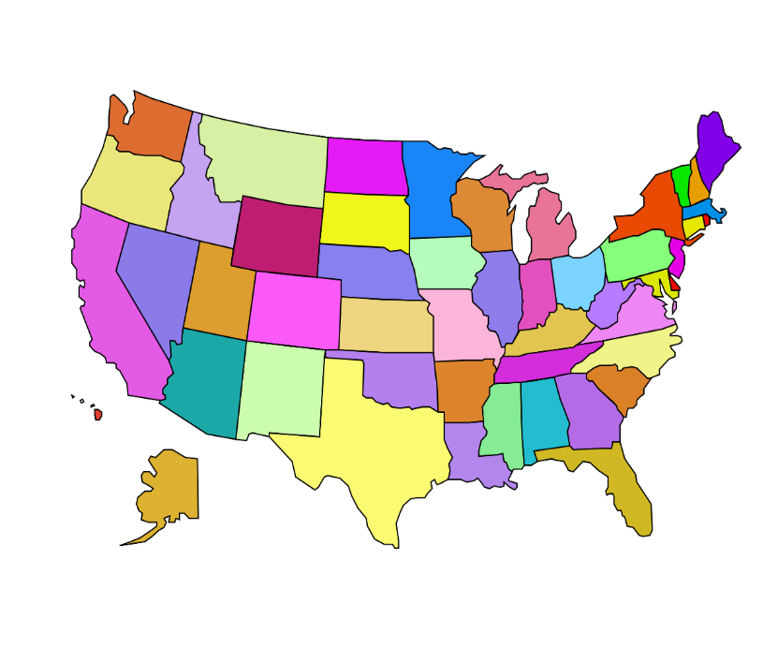
5 | 20
-3 | 28
15 | 28
48.5 | 0
44 | 12
36 | 26
39 | 30
55 | 40
40 | 40
32 | 25
53 | 35
50 | 40
50 | 20
43 | 30
-1 | 45
50 | 33
40 | 18
25 | 5
50 | 25
0 | 52

 | Background
 | 180
 | 60
 | 60
 | 60
 | 180
 | 45.393513056
 | 2
 | 132.60648694
25%
Summer
 | Background
 | 180
 | 60
 | 60
 | 60
 | 180
 | 38.498869097
 | 2
 | 139.5011309
21%
Spring

Chevrolet

West | $6,575,372,868
South | $9,319,869,176
Northeast | $5,953,891,756
Midwest | $7,365,547,665

 | Background
 | 180
 | 60
 | 60
 | 60
 | 180
 | 52.617787815
 | 2
 | 125.38221218
25%
Fall
 | Background
 | 180
 | 60
 | 60
 | 60
 | 180
 | 43.489830032
 | 2
 | 134.51016997
24%
Winter

PreProcess
Month | TotalSale |  | States | Revenue |  |  |  | Car_Brand |  |  | Region
Jan | $2,147,475,806 | $2,147,475,806 | Arizona | $1,295,734,427 | $1,295,734,427 |  |  | Tesla | 4 |  | West | TRUE | West | $6,575,372,868 | states | Latitude | Longitude | value
Feb | $2,083,723,793 | $2,083,723,793 | California | $1,288,980,736 | $1,288,980,736 |  |  | Ford |  |  | South | TRUE | South | $9,319,869,176 | Arizona | 5 | 20 | $1,295,734,427
Mar | $2,017,312,609 | $2,017,312,609 | Colorado | $1,324,768,928 | $1,324,768,928 |  |  | Toyota |  |  | Northeast | TRUE | Northeast | $5,953,891,756 | California | -3 | 28 | $1,288,980,736
Apr | $2,459,825,602 | $2,459,825,602 | Florida | $1,435,882,445 | $1,435,882,445 |  |  | Chevrolet |  |  | Midwest | TRUE | Midwest | $7,365,547,665 | Colorado | 15 | 28 | $1,324,768,928
May | $2,384,310,988 | $2,384,310,988 | Georgia | $1,301,025,941 | $1,301,025,941 |  |  | Honda |  |  |  |  |  |  | Florida | 48.5 | 0 | $1,435,882,445
Jun | $2,523,402,435 | $2,523,402,435 | Illinois | $1,818,744,465 | $1,818,744,465 |  |  |  |  |  |  |  |  |  | Georgia | 44 | 12 | $1,301,025,941
Jul | $2,466,948,247 | $2,466,948,247 | Indiana | $1,322,166,074 | $1,322,166,074 |  |  |  |  |  |  |  |  |  | Illinois | 36 | 26 | $1,818,744,465
Aug | $2,725,517,757 | $2,725,517,757 | Massachusetts | $1,393,483,462 | $1,393,483,462 |  |  |  |  |  |  |  |  |  | Indiana | 39 | 30 | $1,322,166,074
Sep | $3,347,600,165 | $3,347,600,165 | Michigan | $1,585,611,028 | $1,585,611,028 |  |  |  | Chevrolet |  |  |  |  |  | Massachusetts | 55 | 40 | $1,393,483,462
Oct | $2,309,741,420 | $2,309,741,420 | Missouri | $1,466,924,725 | $1,466,924,725 |  |  |  |  |  |  |  |  |  | Michigan | 40 | 40 | $1,585,611,028
Nov | $2,276,677,031 | $2,276,677,031 | New Jersey | $1,128,856,416 | $1,128,856,416 |  |  |  |  |  |  |  |  |  | Missouri | 32 | 25 | $1,466,924,725
Dec | $2,472,145,612 | $2,472,145,612 | New York | $1,591,492,743 | $1,591,492,743 |  |  |  |  |  |  |  |  |  | New Jersey | 53 | 35 | $1,128,856,416
Total: | $29,214,681,465 |  | North Carolina | $1,732,968,162 | $1,732,968,162 |  |  |  |  |  |  |  |  |  | New York | 50 | 40 | $1,591,492,743
 |  |  | Ohio | $1,172,101,373 | $1,172,101,373 |  |  |  |  |  |  |  |  |  | North Carolina | 50 | 20 | $1,732,968,162
 |  |  | Oregon | $888,910,373 | $888,910,373 |  |  |  |  |  |  |  |  |  | Ohio | 43 | 30 | $1,172,101,373
 |  |  | Pennsylvania | $1,840,059,135 | $1,840,059,135 |  |  |  |  |  |  |  |  |  | Oregon | -1 | 45 | $888,910,373
 |  |  | Tennessee | $1,446,789,820 | $1,446,789,820 |  |  |  |  |  |  |  |  |  | Pennsylvania | 50 | 33 | $1,840,059,135
 |  |  | Texas | $1,671,955,679 | $1,671,955,679 |  |  |  |  |  |  |  |  |  | Tennessee | 40 | 18 | $1,446,789,820
 |  |  | Virginia | $1,731,247,129 | $1,731,247,129 |  |  |  |  |  |  |  |  |  | Texas | 25 | 5 | $1,671,955,679
 |  |  | Washington | $1,776,978,404 | $1,776,978,404 |  |  |  |  |  |  |  |  |  | Virginia | 50 | 25 | $1,731,247,129
 |  |  | Total | $29,214,681,465 |  |  |  |  |  |  |  |  |  |  | Washington | 0 | 52 | $1,776,978,404
 |  |  |  |  |  | Percentage Spring | Percentage summer | Percentage Fall | Percentage Winter
 |  |  |  |  |  | 6248512208 | 7367539025 | 8540066169 | 7058564063
 |  |  |  |  |  | 21% | 25% | 29% | 24% | 100%

 |  |  |  |  |  | Hand | Hand | Hand | Hand | Background
 |  |  |  |  |  | 180 | 180 | 180 | 180 | 180
 |  |  |  |  |  | 38.498869097 | 45.393513056 | 52.617787815 | 43.489830032 | 60
 |  |  |  |  |  | 2 | 2 | 2 | 2 | 60
 |  |  |  |  |  | 140 | 133 | 125 | 135 | 60

