BuildingBlocks
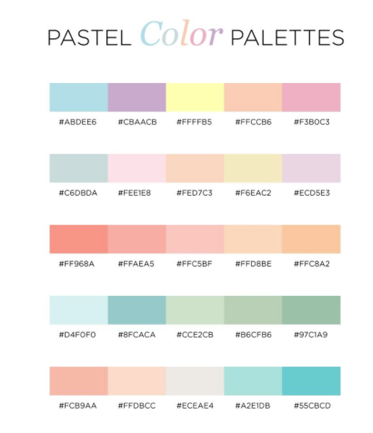
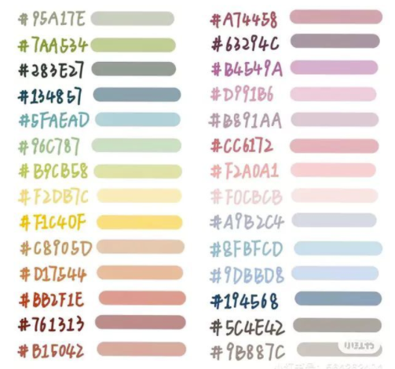
Step | Plate |  | Solutions
Category | Pathways |  | Categories | General Reagent,Reductant,Alkylant,Quench,Buffer/Diluent,Denaturant,Enzyme
Disableable | FALSE |  | Storage Temperatures | Ambient,Cold
Color (Hex Only) | F6EAC2 |  | Volatility Options | Low,Medium,High,Very High
Supported? | TRUE |  | Viscosity Options | Low,Medium,High,Very High
BookmarkName | BlockDescriptionsPlate |  | Homogeneity Options | Homogenous,Heterogenous,Suspension,Emulsion

Parameter | Name
Input Type | TextBox |  | Preset | Water
Initial Value |  |  | Volatility | Low
Is Argument Solution? | FALSE |  | Viscosity | Medium
 |  |  | Homogeneity | Homogenous
Parameter | Type
Input Type | ComboBox | 96 Well PCR Plate,96 Well UV Plate | Preset | ACN/MeOH/CCL3
Initial Value | 96 Well PCR Plate |  | Volatility | Very High
Is Argument Solution? | FALSE |  | Viscosity | Low
 |  |  | Homogeneity | Homogenous
Step | Split Plate
Category | Pathways |  | Preset | Glycerol
Disableable | FALSE |  | Volatility | Low
Color (Hex Only) | F1C40F |  | Viscosity | Very High
Supported? | TRUE |  | Homogeneity | Homogenous
BookmarkName | BlockDescriptionsSplitPlate
 |  |  | Preset | High Conc Projects
Parameter | Plate Choice |  | Volatility | Low
Input Type | UserComboBox | Worklist Reference,Split,Concurrent | Viscosity | High
Initial Value |  |  | Homogeneity | Homogenous
Is Argument Solution? | FALSE
 |  |  | Preset | Suspended Resin
Parameter | Pathway 1 |  | Volatility | Low
Input Type | TextBox |  | Viscosity | Medium
Initial Value | New Plate 1 |  | Homogeneity | Suspension
Is Argument Solution? | FALSE
 |  |  | Preset | Precipitated Protein
Parameter | Pathway 2 |  | Volatility | Very High
Input Type | TextBox |  | Viscosity | Low
Initial Value | New Plate 2 |  | Homogeneity | Suspension
Is Argument Solution? | FALSE

Step | Merge Plates
Category | Pathways
Disableable | FALSE
Color (Hex Only) | F2DB7C
Supported? | TRUE
BookmarkName | BlockDescriptionsMergePlates

Parameter | Plate Name
Input Type | TextBox
Initial Value
Is Argument Solution? | FALSE

Parameter | Continue Here?
Input Type | ComboBox | Yes,No
Initial Value | Yes
Is Argument Solution? | FALSE

Step | Finish
Category | Pathways
Disableable | FALSE
Color (Hex Only) | F6EAC2
Supported? | TRUE
BookmarkName | BlockDescriptionsFinish

Step | Liquid Transfer
Category | Actions
Disableable | TRUE
Color (Hex Only) | 8FBFCD
Supported? | TRUE
BookmarkName | BlockDescriptionsLiquidTransfer

Parameter | Source
Input Type | TextBox
Initial Value
Is Argument Solution? | TRUE

Parameter | Volume (uL)
Input Type | TextBox
Initial Value
Is Argument Solution? | FALSE

Parameter | Mix?
Input Type | UserComboBox | No,Dispense:10,Aspirate:10,Dispense:10;Aspirate:10
Initial Value | Dispense:10
Is Argument Solution? | FALSE

Step | Dilute
Category | Actions
Disableable | TRUE
Color (Hex Only) | 9DBBD8
Supported? | TRUE
BookmarkName | BlockDescriptionsDilute

Parameter | Source
Input Type | TextBox
Initial Value
Is Argument Solution? | TRUE

Parameter | Diluent
Input Type | TextBox
Initial Value
Is Argument Solution? | TRUE

Parameter | Starting Concentration (mg/mL)
Input Type | TextBox
Initial Value
Is Argument Solution? | FALSE

Parameter | Target Concentration (mg/mL)
Input Type | TextBox
Initial Value
Is Argument Solution? | FALSE

Parameter | Target Volume (uL)
Input Type | TextBox
Initial Value
Is Argument Solution? | FALSE

Parameter | Max Source Volume (uL)
Input Type | TextBox
Initial Value
Is Argument Solution? | FALSE

Step | Incubate
Category | Actions
Disableable | TRUE
Color (Hex Only) | FFAEA5
Supported? | TRUE
BookmarkName | BlockDescriptionsIncubate

Parameter | Temp (C)
Input Type | UserComboBox | Ambient,Enter Numeric Value
Initial Value | Ambient
Is Argument Solution? | FALSE

Parameter | Time (min)
Input Type | TextBox
Initial Value
Is Argument Solution? | FALSE

Parameter | Shake (rpm)
Input Type | TextBox
Initial Value | 0
Is Argument Solution? | FALSE

Step | IMCS SizeX Desalt
Category | Actions
Disableable | TRUE
Color (Hex Only) | 7AA534
Supported? | TRUE
BookmarkName | BlockDescriptionsIMCSSizeXDesalt

Parameter | Source Plate
Input Type | TextBox
Initial Value
Is Argument Solution? | TRUE

Parameter | Waste Plate
Input Type | TextBox
Initial Value
Is Argument Solution? | FALSE

Parameter | Equilibration Buffer
Input Type | TextBox
Initial Value
Is Argument Solution? | TRUE

Parameter | Load Volume
Input Type | ComboBox | 100,100 + 100
Initial Value
Is Argument Solution? | FALSE

Parameter | Elution Method
Input Type | ComboBox | MAM/Low Artifact,HCP/Proteomics
Initial Value | MAM/Low Artifact
Is Argument Solution? | FALSE

Step | Vacuum
Category | Actions
Disableable | TRUE
Color (Hex Only) | CCE2CB
Supported? | TRUE
BookmarkName | BlockDescriptionsVacuum

Parameter | Source
Input Type | TextBox
Initial Value
Is Argument Solution? | TRUE

Parameter | Volume (uL)
Input Type | TextBox
Initial Value
Is Argument Solution? | FALSE

Parameter | Vacuum Plate
Input Type | ComboBox | 0.45um Self Poured ProA Plate,Waters Glycoworks HILIC Plate
Initial Value
Is Argument Solution? | FALSE

Parameter | Pre Vacuum Wait (min)
Input Type | TextBox
Initial Value
Is Argument Solution? | FALSE

Parameter | Pressure Difference (mTorr)
Input Type | UserComboBox | Low,Normal,High,Enter Numeric Value
Initial Value | Normal
Is Argument Solution? | FALSE

Parameter | Vacuum Time (min)
Input Type | TextBox
Initial Value
Is Argument Solution? | FALSE

Step | Notify
Category | Actions
Disableable | TRUE
Color (Hex Only) | F0CBCB
Supported? | TRUE
BookmarkName | BlockDescriptionsNotify

Parameter | Wait On User
Input Type | ComboBox | Yes,No
Initial Value | Yes
Is Argument Solution? | FALSE

Parameter | Subject
Input Type | TextBox
Initial Value
Is Argument Solution? | FALSE

Parameter | Message
Input Type | TextBox
Initial Value
Is Argument Solution? | FALSE

Step | Magnetic Beads
Category | Actions
Disableable | TRUE
Color (Hex Only) | 97C1A9
Supported? | TRUE
BookmarkName | BlockDescriptionsMagneticBeads

Parameter | Magnetic Beads Plate
Input Type | TextBox
Initial Value
Is Argument Solution? | TRUE

Parameter | Storage Buffer
Input Type | TextBox
Initial Value
Is Argument Solution? | TRUE

Parameter | Storage Buffer Volume (uL)
Input Type | TextBox
Initial Value
Is Argument Solution? | FALSE

Parameter | Hold Time (min)
Input Type | TextBox
Initial Value | 1
Is Argument Solution? | FALSE

Parameter | Repetitions
Input Type | TextBox
Initial Value | 1
Is Argument Solution? | FALSE

Step | Aliquot
Category | Modifiers
Disableable | TRUE
Color (Hex Only) | 55CBCD
Supported? | TRUE
BookmarkName | BlockDescriptionsAliquot

Parameter | Source
Input Type | TextBox
Initial Value
Is Argument Solution? | TRUE

Parameter | Aspirate Location
Input Type | TextBox
Initial Value
Is Argument Solution? | FALSE

Parameter | Start Position
Input Type | ComboBox | Sample Start Position,Plate Start Position(A1)
Initial Value | Sample Start Position
Is Argument Solution? | FALSE

Step | Pool
Category | Modifiers
Disableable | TRUE
Color (Hex Only) | 55CBCD
Supported? | TRUE
BookmarkName | BlockDescriptionsPool

Parameter | Source
Input Type | TextBox
Initial Value
Is Argument Solution? | TRUE

Parameter | Dispense Location
Input Type | TextBox
Initial Value
Is Argument Solution? | FALSE

Parameter | Start Position
Input Type | ComboBox | Sample Start Position,Plate Start Position(A1)
Initial Value | Sample Start Position
Is Argument Solution? | FALSE

Step | Preload Liquid
Category | Modifiers
Disableable | TRUE
Color (Hex Only) | 55CBCD
Supported? | TRUE
BookmarkName | BlockDescriptionsPreloadLiquid

Parameter | Volume (uL)
Input Type | TextBox
Initial Value
Is Argument Solution? | FALSE

