Sheet1
95-760 Decision Making Under Uncertainty | HW1 | Brendan Reed
Peter Zhang |  | brreed@andrew.cmu.edu

Brand | Affordability | Comfort | Performance | Budget
Nike | 0.5 | 0.5 | 1.6 | 170000
Adidas | 0.5 | 1.5 | 0.75 | 150000
Reebok | 1 | 0.75 | 2 | 100000
Puma | 0.5 | 4 | 5 | 160000
Query Limit | 170000 | 110000 | 100000

Part C/D: Solved Linear Program / Optimal Solution
Brand | Affordability | Comfort | Performance | Revenue Used | Budget Limit | Leftover | Status
Nike | $70,000.00 | $0.00 | $76,000.00 | $156,600.00 | $170,000.00 | $13,400.00 | Not binding
Adidas | $0.00 | $100,000.00 | $0.00 | $150,000.00 | $150,000.00 | $0.00 | BINDING
Reebok | $100,000.00 | $0.00 | $0.00 | $100,000.00 | $100,000.00 | $0.00 | BINDING
Puma | 0 | 10000 | 24000 | $160,000.00 | $160,000.00 | $0.00 | BINDING
Displays Used | 170000 | 110000 | 100000
Query Capacity | 170000 | 110000 | 100000
Query Leftover | 0 | 0 | 0
Status | BINDING | BINDING | BINDING

Part D: Optimal Revenue
Total Daily Revenue ($) (Solver maximized) | $566,600.00

Part E:
A constraint is binding when it is zero at the optimum (leftover = 0). i.e. that resource is fully consumed. Relaxing a binding constraint could allow higher revenue but relaxing a non-binding one would not.

Average revenue per ad displayed (Part A)

Brand | Affordability | Comfort | Performance
Nike | $5 * 10% = $0.50 | $5 * 10% = $0.50 | $20 * 8% = $1.60
Adidas | $5 * 10% = $0.50 | $10 * 15% = $1.50 | $15 * 5% = $0.75
Reebok | $10 * 10% = $1.00 | $5 * 15% = $0.75 | $20 * 10% = $2.00
Puma | $5 * 10% = $0.50 | $20 * 20% = $4.00 | $25 * 20% = $5.00

Part B: Linear Program

Brands: i ∈ {N, A, R, P}
User query categories: j ∈ {Af, C, Pe}

*Non-negativity:* xij ≥ 0 for all i,j

max Profit =
0.50xN,Af​ + 0.50xN,C ​+ 1.60xN,Pe​ + 0.50xA,Af + 1.50xA,C + 0.75xA,Pe + 0.50xA,Af + 1.50xA,C + 0.75xA,Pe + 0.50xA,Af ​+ 1.50xA,C​ + 0.75xA,Pe​ + 1.00xR,Af + 0.75xR,C + 2.00xR,Pe + 1.00xR,Af + 0.75xR,C + 2.00xR,Pe + 1.00xR,Af ​+ 0.75xR,C​ + 2.00xR,Pe​ + 0.50xP,Af + 4.00xP,C + 5.00xP,Pe + 0.50xP,Af + 4.00xP,C + 5.00xP,Pe + 0.50xP,Af ​+ 4.00xP,C​ + 5.00xP,Pe​

Query Constraints:
xN,Af + xA,Af + xR,Af + xP,Af ≤ 170,000 (Affordability)
xN,C + xA,C + xR,C + xP,C ≤ 110,000 (Comfort)
xN,Pe + xA,Pe + xR,Pe + xP,Pe ≤ 100,000 (Performance)

Budget Constraints:
0.50xN,Af + 0.50xN,C + 1.60xN,Pe ≤ 170,000 (NIKE)
0.50xA,Af + 0.50xA,C + 1.60xA,Pe ≤ 150,000 (ADIDAS)
0.50xR,Af + 0.50xR,C + 1.60xR,Pe ≤ 100,000 (REEBOK)
0.50xP,Af + 0.50xP,C + 1.60xP,Pe ≤ 160,000 (PUMA)

Part F: Allowable Decrease from Sensitivity Report
Allowable decrease Nike/Affordability (xN,Af): $0.0733

Reasoning from the sensitivity report: The shadow price of the Affordability query constraint is 0.50. As the price per query for Nike/Afforability changes, this allows other competing queries to creep in such as Adidas/Affordability. This proximity in cost means that Nike/Affordability price per query can decrease by $0.073 before Adidas/Affordability without changing the optimal solution. After this point the optimal solution would change.

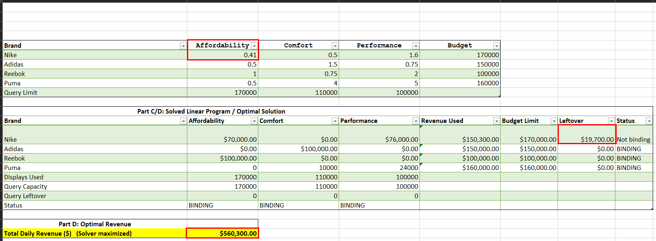

Part G: Allowable Increase from Sensitivity Report
Allowable increase Nike/Affordability (xN,Af): $0.30

Reasoning from the sensitivity report: The coefficient for revenue per ad of Nike/Affordability is $0.80. Reebok/Performance has the tightest reduced cost. If Nike/Affordability exceeds $0.80, then Reebok/Performance takes over and become the more attractive investment and change the optimal solution.

 |  |  | Part H: Shadow Price Analysis

Scenario | Change | Shadow Price ($) | Within Range? | Predicted Revenue ($) | Actual Revenue ($) | Revenue change($) | Note
Nike budget +20% ($170k→$204k) | +$34,000 | 0 | Yes | 566600 | 566600 | 0 | Shadow price = $0; extra budget earns nothing. Query slots constrained.
Adidas budget +10% ($150k→$165k) | +$15,000 | 0.1467 | Yes | 568800 | 568800 | 2200 | Allowable boundary; prediction holds
Reebok budget +20% ($100k→$120k) | +$20,000 | 0.5 | Yes | 576600 | 576600 | 10000
Performance queries +10% (→110k) | +10,000 | 1.6 | No | 582600 | 580000 | 13400 | Exceeds allowable range (8,375). Shadow price formula is invalid and model must re-run.

