23.1
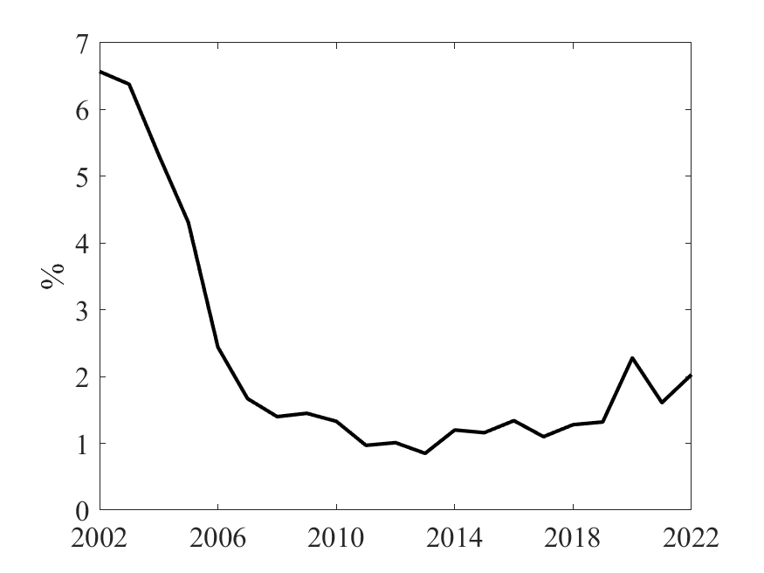
DEBT_COUNTRY | DEBT_COUNTRY_GROUP | DEBT_YEAR | DEBT_DEFRATE_EME_OTHER_GDP_2023
World | World | 2002 | 6.57
World | World | 2003 | 6.38
World | World | 2004 | 5.32
World | World | 2005 | 4.31
World | World | 2006 | 2.44
World | World | 2007 | 1.67
World | World | 2008 | 1.4
World | World | 2009 | 1.45
World | World | 2010 | 1.33
World | World | 2011 | 0.97
World | World | 2012 | 1.01
World | World | 2013 | 0.85
World | World | 2014 | 1.2
World | World | 2015 | 1.16
World | World | 2016 | 1.34
World | World | 2017 | 1.1
World | World | 2018 | 1.28
World | World | 2019 | 1.32
World | World | 2020 | 2.28
World | World | 2021 | 1.61
World | World | 2022 | 2.03

23.2
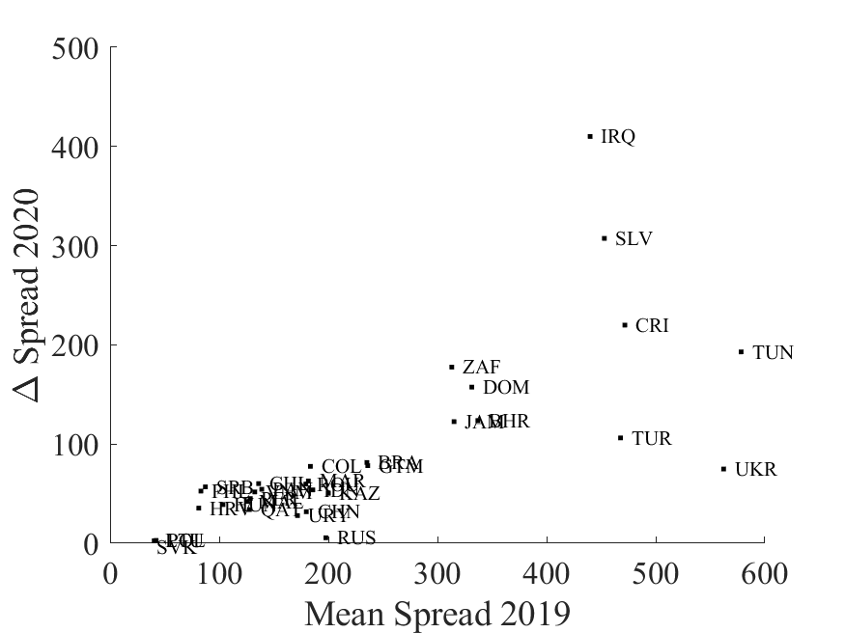
2019 average spreads |  | ∆ 2020 spreads
Argentina | 1311.768 | Argentina | 910.00619355
Bahrain | 336.97097391 | Bahrain | 123.70248824
Brazil | 235.332 | Brazil | 81.365580645
Chile | 136.16 | Chile | 60.166612903
China | 179.864 | China | 31.809387097
Colombia | 183.6 | Colombia | 77.476612903
Costa Rica | 471.69076 | Costa Rica | 219.88856271
Croatia | 81.196 | Croatia | 35.420935484
Dominican Republic | 331.444 | Dominican Republic | 157.40062151
El Salvador | 452.956 | El Salvador | 307.39077419
Guatemala | 236.156 | Guatemala | 78.223032258
Hungary | 103.464 | Hungary | 39.01583871
Indonesia | 185.74 | Indonesia | 53.853625498
Iraq | 439.832 | Iraq | 410.04449402
Jamaica | 315.168 | Jamaica | 122.6586129
Kazakhstan | 200.064 | Kazakhstan | 50.411806452
Lebanon | 1120.308 | Lebanon | 6552.1436129
Lithuania | 40.476 | Lithuania | 2.4675483871
Malaysia | 125.948 | Malaysia | 42.112483871
Morocco | 181.744 | Morocco | 62.751967742
Panama | 139.012 | Panama | 54.459774194
Peru | 128.4789272 | Peru | 45.00944489
Philippines | 83.208 | Philippines | 52.558129032
Poland | 42.188 | Poland | 2.8603870968
Qatar | 127.68246522 | Qatar | 33.978769842
Romania | 179.40668 | Romania | 59.64723129
Russia | 197.78 | Russia | 5.5103225806
Serbia | 87.376 | Serbia | 56.817939394
Slovak Republic | 32.49018 | Slovak Republic | -4.3042283871
South Africa | 313.156 | South Africa | 177.55770968
Tunisia | 578.284 | Tunisia | 192.85712903
Turkey | 467.788 | Turkey | 106.18780645
Ukraine | 562.24 | Ukraine | 74.788225806
Uruguay | 171.744 | Uruguay | 27.909225806
Venezuela | 9603.4942529 | Venezuela | 14434.315825
Vietnam | 132.59459459 | Vietnam | 51.749034749

23.3a
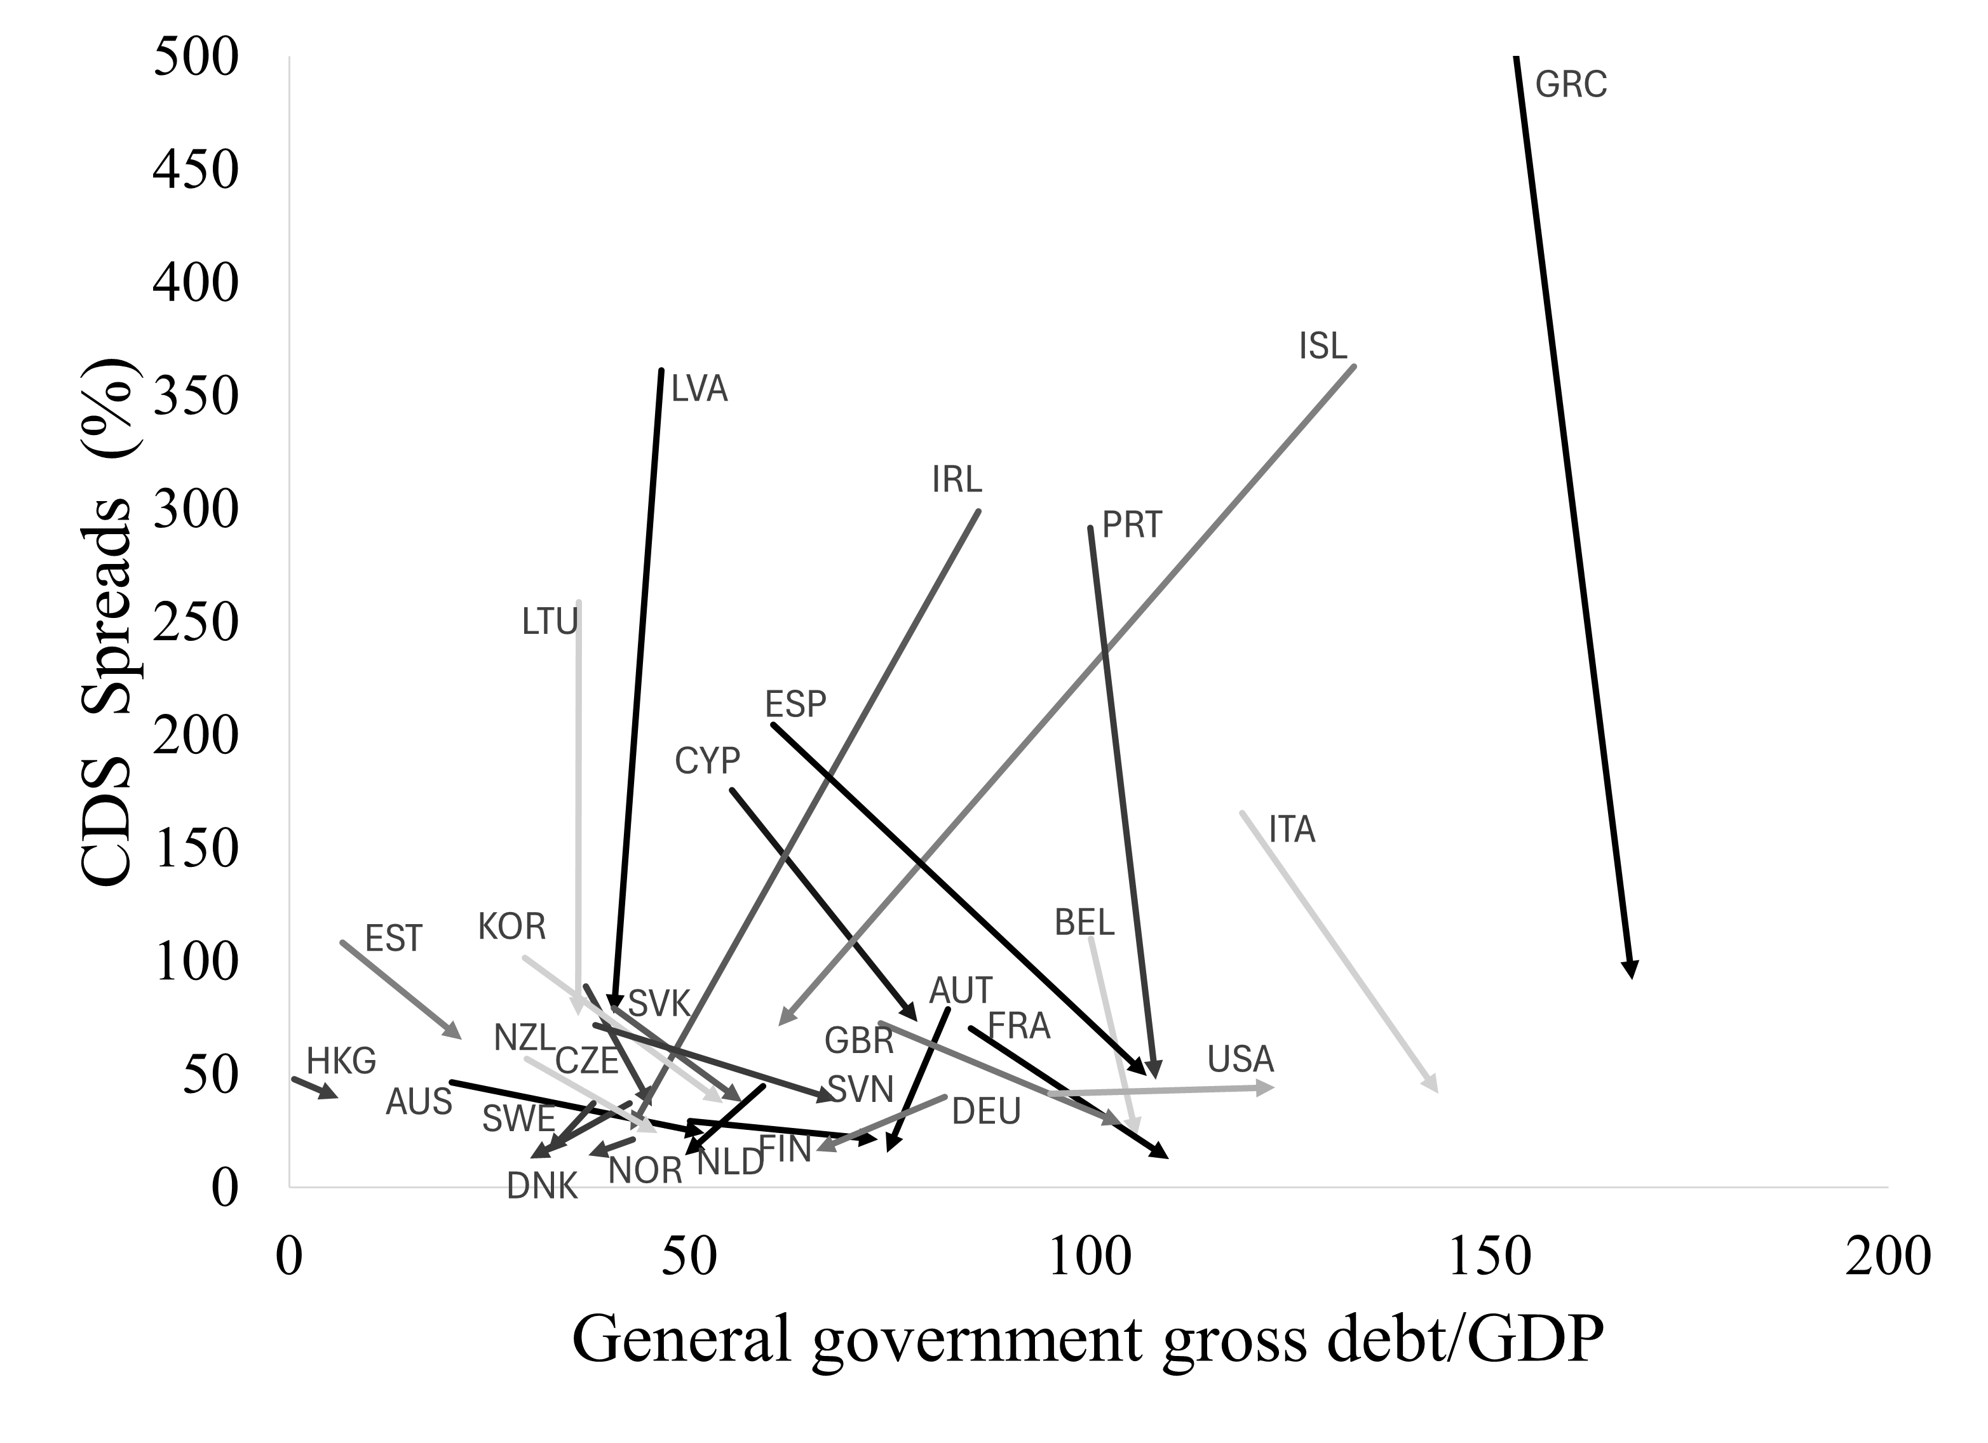
ifscode | countryname | wbcode | debt_gdp | CDS_spread | year
193 | Australia | AUS | 20.352012021 | 46.588065134 | 2010
193 | Australia | AUS | 51.92283533 | 24.095525292 | 2023
122 | Austria | AUT | 82.417665495 | 78.669770115 | 2010
122 | Austria | AUT | 74.76057242 | 15.349576923 | 2023
124 | Belgium | BEL | 100.27317288 | 109.81846743 | 2010
124 | Belgium | BEL | 105.98313688 | 22.331788462 | 2023
423 | Cyprus | CYP | 55.33991059 | 175.57409804 | 2010
423 | Cyprus | CYP | 78.576722212 | 73.089711538 | 2023
935 | Czech Republic | CZE | 37.068499601 | 88.757854406 | 2010
935 | Czech Republic | CZE | 45.376569814 | 35.762431907 | 2023
128 | Denmark | DNK | 42.587880455 | 37.273831418 | 2010
128 | Denmark | DNK | 30.139627626 | 12.672115385 | 2023
939 | Estonia | EST | 6.6609683131 | 108.31440613 | 2010
939 | Estonia | EST | 21.60133057 | 65.416365385 | 2023
172 | Finland | FIN | 50.114009025 | 29.232413793 | 2010
172 | Finland | FIN | 73.633786695 | 21.245057692 | 2023
132 | France | FRA | 85.255820084 | 70.386206897 | 2010
132 | France | FRA | 110.03067216 | 12.613788462 | 2023
134 | Germany | DEU | 81.994696615 | 40.100804598 | 2010
134 | Germany | DEU | 65.861375669 | 16.032490272 | 2023
174 | Greece | GRC | 147.49424426 | 665.87831418 | 2010
174 | Greece | GRC | 167.97241261 | 91.65275 | 2023
532 | Hong Kong SAR | HKG | 0.63221852672 | 47.881800766 | 2010
532 | Hong Kong SAR | HKG | 6.2076606249 | 39.518576923 | 2023
176 | Iceland | ISL | 133.14110271 | 362.98216475 | 2010
176 | Iceland | ISL | 61.187234574 | 71.281673077 | 2023
178 | Ireland | IRL | 86.162779583 | 298.97306513 | 2010
178 | Ireland | IRL | 42.684513889 | 25.07459144 | 2023
136 | Italy | ITA | 119.19840127 | 165.4767433 | 2010
136 | Italy | ITA | 143.73282054 | 41.57 | 2023
542 | Korea | KOR | 29.489958954 | 101.59360153 | 2010
542 | Korea | KOR | 54.265782144 | 37.239766537 | 2023
941 | Latvia | LVA | 46.518183906 | 361.14139847 | 2010
941 | Latvia | LVA | 40.555983637 | 76.873269231 | 2023
946 | Lithuania | LTU | 36.209018367 | 258.59645594 | 2010
946 | Lithuania | LTU | 36.11131007 | 75.556596154 | 2023
138 | Netherlands | NLD | 59.250579251 | 44.77256705 | 2010
138 | Netherlands | NLD | 49.516578538 | 14.260557692 | 2023
196 | New Zealand | NZL | 29.67711843 | 56.880651341 | 2010
196 | New Zealand | NZL | 46.051631591 | 24.120826923 | 2023
142 | Norway | NOR | 42.951602299 | 21.274942529 | 2010
142 | Norway | NOR | 37.39969125 | 14.291826923 | 2023
182 | Portugal | PRT | 100.21446372 | 291.47356322 | 2010
182 | Portugal | PRT | 108.349775 | 47.482153846 | 2023
936 | Slovak Republic | SVK | 40.614965796 | 79.218122605 | 2010
936 | Slovak Republic | SVK | 56.678434927 | 37.884596154 | 2023
961 | Slovenia | SVN | 38.269272548 | 71.640383142 | 2010
961 | Slovenia | SVN | 68.464901273 | 38.529942308 | 2023
184 | Spain | ESP | 60.515249709 | 204.438659 | 2010
184 | Spain | ESP | 107.28075227 | 49.189299611 | 2023
144 | Sweden | SWE | 38.065598625 | 37.261072797 | 2010
144 | Sweden | SWE | 32.299838694 | 15.302442308 | 2023
112 | United Kingdom | GBR | 73.980219315 | 72.686283525 | 2010
112 | United Kingdom | GBR | 104.14183693 | 27.958326848 | 2023
111 | United States | USA | 95.140512892 | 41.496628352 | 2010
111 | United States | USA | 123.28483342 | 44.1785 | 2023

23.3b
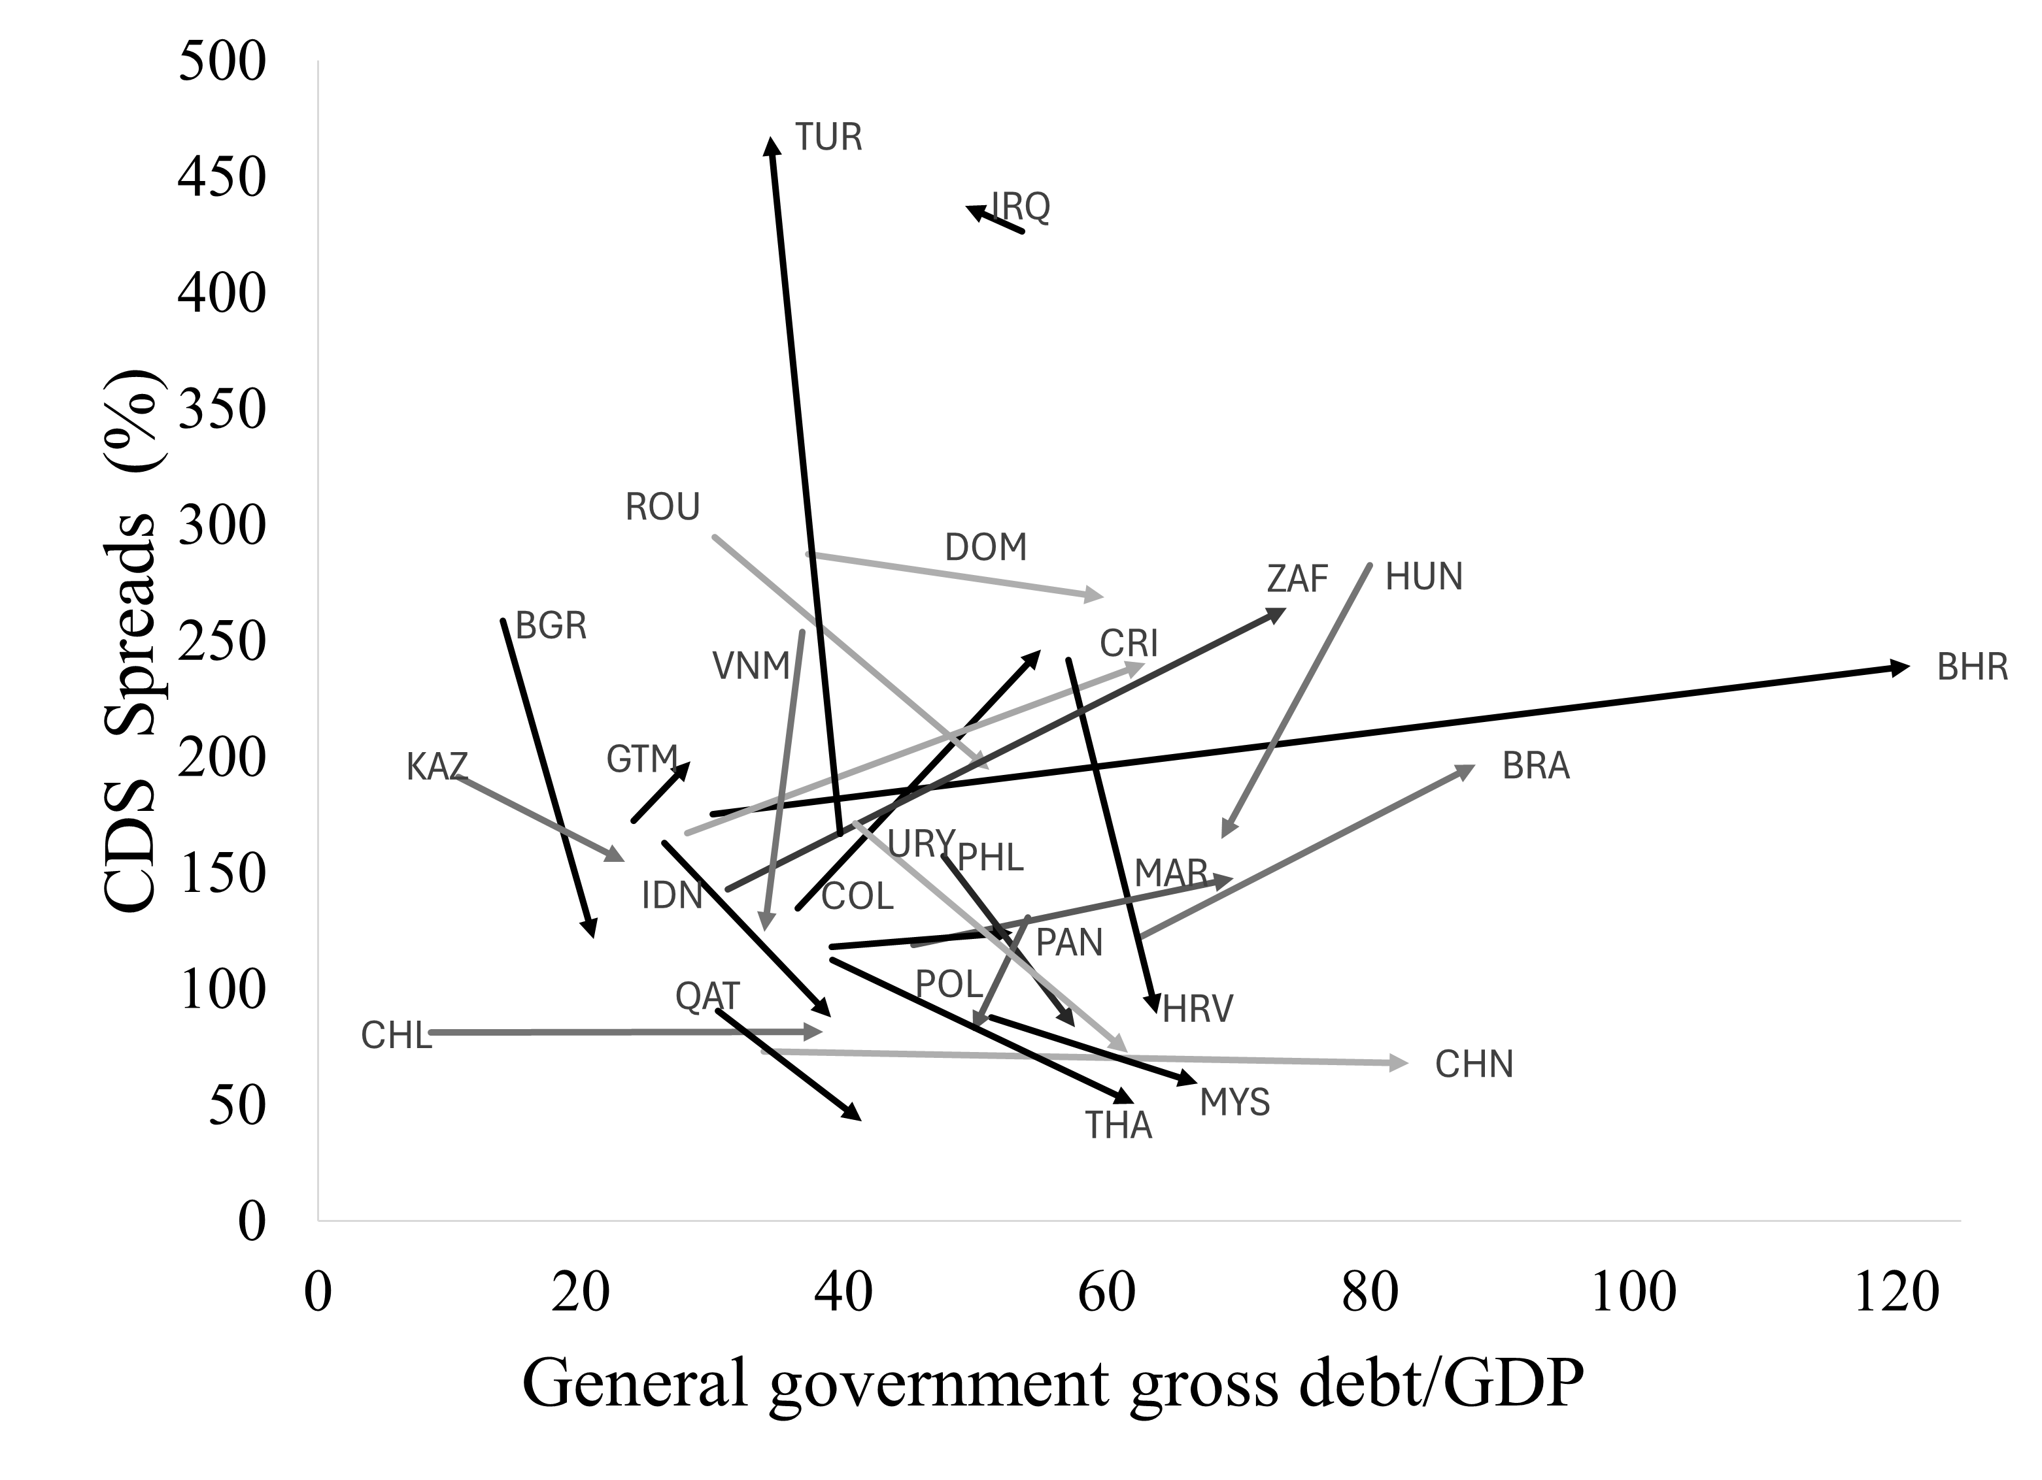
ifscode | countryname | wbcode | debt_gdp | CDS_spread | year
213 | Argentina | ARG | 43.454315479 | 921.64800766 | 2010
213 | Argentina | ARG | 89.506064361 | 7938.2073385 | 2023
419 | Bahrain | BHR | 30.010529364 | 175.47206897 | 2010
419 | Bahrain | BHR | 121.16775327 | 239.24225 | 2023
223 | Brazil | BRA | 62.433201865 | 122.08019157 | 2010
223 | Brazil | BRA | 88.082844185 | 196.68929961 | 2023
918 | Bulgaria | BGR | 14.065808061 | 258.58616858 | 2010
918 | Bulgaria | BGR | 20.992698683 | 121.53784615 | 2023
228 | Chile | CHL | 8.6073274829 | 81.450689655 | 2010
228 | Chile | CHL | 38.41524509 | 81.746108949 | 2023
924 | China | CHN | 33.924285543 | 73.214061303 | 2010
924 | China | CHN | 82.977603005 | 68.01651751 | 2023
233 | Colombia | COL | 36.496972693 | 134.80475096 | 2010
233 | Colombia | COL | 54.972337767 | 246.23745136 | 2023
238 | Costa Rica | CRI | 28.089772 | 167.08222222 | 2010
238 | Costa Rica | CRI | 62.971658114 | 240.313 | 2023
960 | Croatia | HRV | 57.081742823 | 241.78206897 | 2010
960 | Croatia | HRV | 63.806260226 | 89.226423077 | 2023
243 | Dominican Republic | DOM | 37.310870514 | 287.29372549 | 2010
243 | Dominican Republic | DOM | 59.796290455 | 268.76267578 | 2023
253 | El Salvador | SLV | 60.042292008 | 258.27758621 | 2010
253 | El Salvador | SLV | 72.96474318 | 1479.6016154 | 2023
258 | Guatemala | GTM | 24.005979174 | 172.4891453 | 2010
258 | Guatemala | GTM | 28.34012065 | 198.15667308 | 2023
944 | Hungary | HUN | 80.006511166 | 282.61563218 | 2010
944 | Hungary | HUN | 68.713585287 | 164.59988462 | 2023
536 | Indonesia | IDN | 26.363125156 | 163.00195402 | 2010
536 | Indonesia | IDN | 39.031473104 | 87.911245136 | 2023
433 | Iraq | IRQ | 53.532879724 | 426.55617647 | 2010
433 | Iraq | IRQ | 49.248000677 | 437.57103846 | 2023
916 | Kazakhstan | KAZ | 10.682733778 | 191.52816092 | 2010
916 | Kazakhstan | KAZ | 23.376048808 | 154.88888462 | 2023
548 | Malaysia | MYS | 51.212213601 | 87.884827586 | 2010
548 | Malaysia | MYS | 66.909245177 | 59.299396887 | 2023
686 | Morocco | MAR | 45.275517294 | 118.96727969 | 2010
686 | Morocco | MAR | 69.684466455 | 147.681 | 2023
283 | Panama | PAN | 39.094583447 | 118.35 | 2010
283 | Panama | PAN | 52.838316934 | 124.28836576 | 2023
566 | Philippines | PHL | 47.586513297 | 157.22465134 | 2010
566 | Philippines | PHL | 57.56163298 | 83.529876923 | 2023
964 | Poland | POL | 54.010326358 | 130.87747126 | 2010
964 | Poland | POL | 49.827656067 | 81.819269231 | 2023
453 | Qatar | QAT | 30.425204262 | 90.630344828 | 2010
453 | Qatar | QAT | 41.353834858 | 43.091634615 | 2023
968 | Romania | ROU | 30.170562296 | 294.69689655 | 2010
968 | Romania | ROU | 51.047016923 | 194.62196154 | 2023
199 | South Africa | ZAF | 31.185362806 | 143.02724138 | 2010
199 | South Africa | ZAF | 73.67418413 | 264.20863813 | 2023
578 | Thailand | THA | 39.140034576 | 112.64842912 | 2010
578 | Thailand | THA | 62.095310539 | 50.739377432 | 2023
186 | Turkey | TUR | 39.707210759 | 167.03256705 | 2010
186 | Turkey | TUR | 34.405428971 | 467.55861538 | 2023
298 | Uruguay | URY | 40.852771677 | 171.43851415 | 2010
298 | Uruguay | URY | 61.61359135 | 72.615846154 | 2023
582 | Vietnam | VNM | 36.847677463 | 253.98318008 | 2010
582 | Vietnam | VNM | 33.961167131 | 124.75198077 | 2023

23.4a
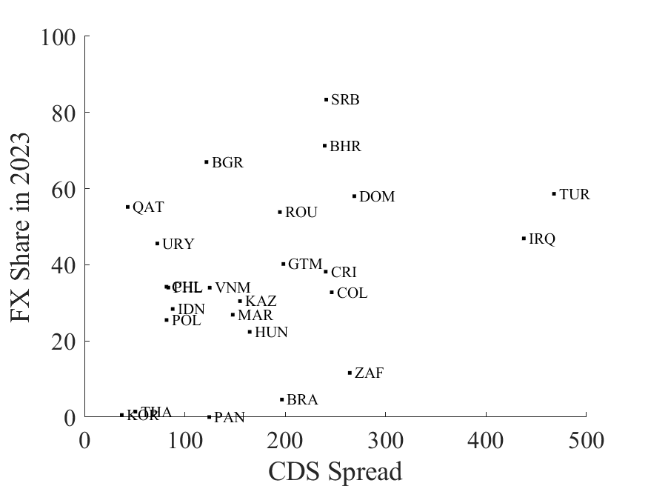
Country | CDS spread | Share of public debt in foreign currency | Emerging
ARG | 7938.2073385 | 0.67412661859 | 1
AUS | 24.095525292 | 1.3814552375E-07 | 0
AUT | 15.349576923 | 0 | 0
BHR | 239.24225 | 0.71276441995 | 1
BEL | 22.331788462 | 0 | 0
BRA | 196.68929961 | 0.045961966239 | 1
BGR | 121.53784615 | 0.66978668989 | 1
CHL | 81.746108949 | 0.34231993122 | 1
CHN | 68.01651751 | 0 | 0
COL | 246.23745136 | 0.32776532167 | 1
CRI | 240.313 | 0.38203750927 | 1
HRV | 89.226423077 | 0.00068069372822 | 0
CYP | 73.089711538 | 0 | 0
CZE | 35.762431907 | 0.077387540806 | 0
DNK | 12.672115385 | 0 | 0
DOM | 268.76267578 | 0.58007491844 | 1
SLV | 1479.6016154 | 0.025068411286 | 1
EST | 65.416365385 | 0 | 0
FIN | 21.245057692 | 0 | 0
FRA | 12.613788462 | 0.029064748201 | 0
DEU | 16.032490272 | 0 | 0
GRC | 91.65275 | 0 | 0
GTM | 198.15667308 | 0.40214032579 | 1
HUN | 164.59988462 | 0.22391154857 | 1
IDN | 87.911245136 | 0.28381186192 | 1
IRQ | 437.57103846 | 0.46920197478 | 1
IRL | 25.07459144 | 0.64467069991 | 0
ITA | 41.57 | 0 | 0
KAZ | 154.88888462 | 0.30470933829 | 1
KOR | 37.239766537 | 0.0055519927084 | 1
LVA | 76.873269231 | 0.12 | 0
LTU | 75.556596154 | 0 | 0
MAR | 147.681 | 0.26874236121 | 1
NLD | 14.260557692 | 0 | 0
NZL | 24.120826923 | 0 | 0
PAN | 124.28836576 | 0 | 1
PHL | 83.529876923 | 0.34007159605 | 1
POL | 81.819269231 | 0.255 | 1
PRT | 47.482153846 | 0 | 0
QAT | 43.091634615 | 0.55199805921 | 1
ROU | 194.62196154 | 0.53828297661 | 1
SRB | 240.83384615 | 0.83387630674 | 1
SVK | 37.884596154 | 0 | 0
ZAF | 264.20863813 | 0.11602275419 | 1
ESP | 49.189299611 | 0 | 0
THA | 50.739377432 | 0.014259120626 | 1
TUR | 467.55861538 | 0.58654106311 | 1
GBR | 27.958326848 | 0 | 0
USA | 44.1785 | 0 | 0
URY | 72.615846154 | 0.45581495489 | 1
VNM | 124.75198077 | 0.33988030385 | 1

23.4b
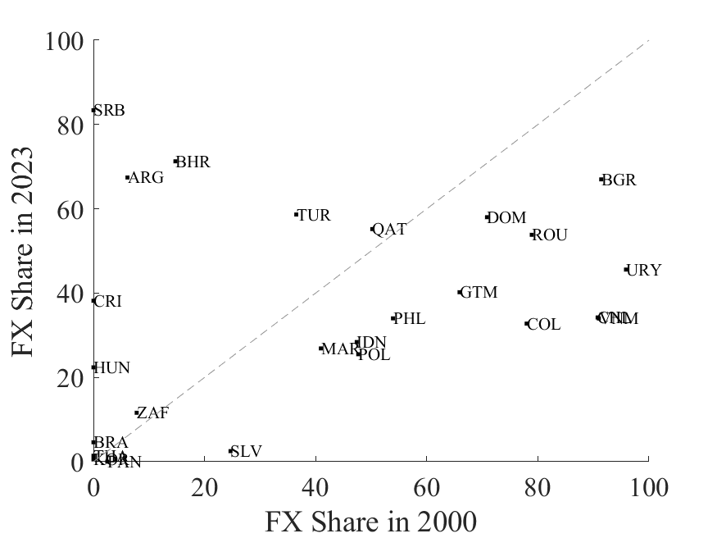
SHARE | Code | EME | 2000 | 2023
Argentina | ARG | 1 | 0.061387590732 | 0.67412661859
Australia | AUS | 0 | 0 | 1.3814552375E-07
Austria | AUT | 0
Bahrain | BHR | 1 | 0.14751023159 | 0.71276441995
Belgium | BEL | 0 | 0.029032602506 | 0
Brazil | BRA | 1 | 0 | 0.045961966239
Bulgaria | BGR | 1 | 0.9140797255 | 0.66978668989
Chile | CHL | 1 | 0.90745844466 | 0.34231993122
China | CHN | 0
Colombia | COL | 1 | 0.779726964 | 0.32776532167
Costa Rica | CRI | 1 | 0 | 0.38203750927
Croatia | HRV | 0 | 0.39212877898 | 0.00068069372822
Cyprus | CYP | 0
Czech Republic | CZE | 0 | 0.091066504201 | 0.077387540806
Denmark | DNK | 0
Dominican Republic | DOM | 1 | 0.70841576625 | 0.58007491844
El Salvador | SLV | 1 | 0.2467712602 | 0.025068411286
Estonia | EST | 0
Finland | FIN | 0
France | FRA | 0 | 0 | 0.029064748201
Germany | DEU | 0
Greece | GRC | 0 | 0 | 0
Guatemala | GTM | 1 | 0.65908627051 | 0.40214032579
Hong Kong SAR |  | 0
Hungary | HUN | 1 | 0 | 0.22391154857
Iceland | ICE | 0
Indonesia | IDN | 1 | 0.47387547576 | 0.28381186192
Iraq | IRQ | 1 | #DIV/0! | 0.46920197478
Ireland | IRL | 0 | 2.9139215071 | 0.64467069991
Israel | ISR | 1
Italy | ITA | 0
Kazakhstan | KAZ | 1 | #DIV/0! | 0.30470933829
Korea | KOR | 1 | 0 | 0.0055519927084
Latvia | LVA | 0 | 0.52831466324 | 0.12
Lithuania | LTU | 0 | 0.74116603186 | 0
Malaysia | MAL | 1
Morocco | MAR | 1 | 0.409377246 | 0.26874236121
Netherlands | NLD | 0
New Zealand | NZL | 0 | 0 | 0
Norway |  | 0
Panama | PAN | 1 | 0.025 | 0
Philippines | PHL | 1 | 0.53916746017 | 0.34007159605
Poland | POL | 1 | 0.47661970515 | 0.255
Portugal | PRT | 0
Qatar | QAT | 1 | 0.50186834698 | 0.55199805921
Romania | ROU | 1 | 0.7890800174 | 0.53828297661
Serbia | SRB | 1 | 0 | 0.83387630674
Slovak Republic | SVK | 0
Slovenia | SLO | 0
South Africa | ZAF | 1 | 0.077903090538 | 0.11602275419
Spain | ESP | 0
Sweden | SWE | 0
Thailand | THA | 1 | 0 | 0.014259120626
Tunisia | TUN | 1
Turkey | TUR | 1 | 0.36521684395 | 0.58654106311
United Kingdom | GBR | 0
United States | USA | 0
Uruguay | URY | 1 | 0.95868975324 | 0.45581495489
Vietnam | VNM | 1 | 0.90966514074 | 0.33988030385

23.5
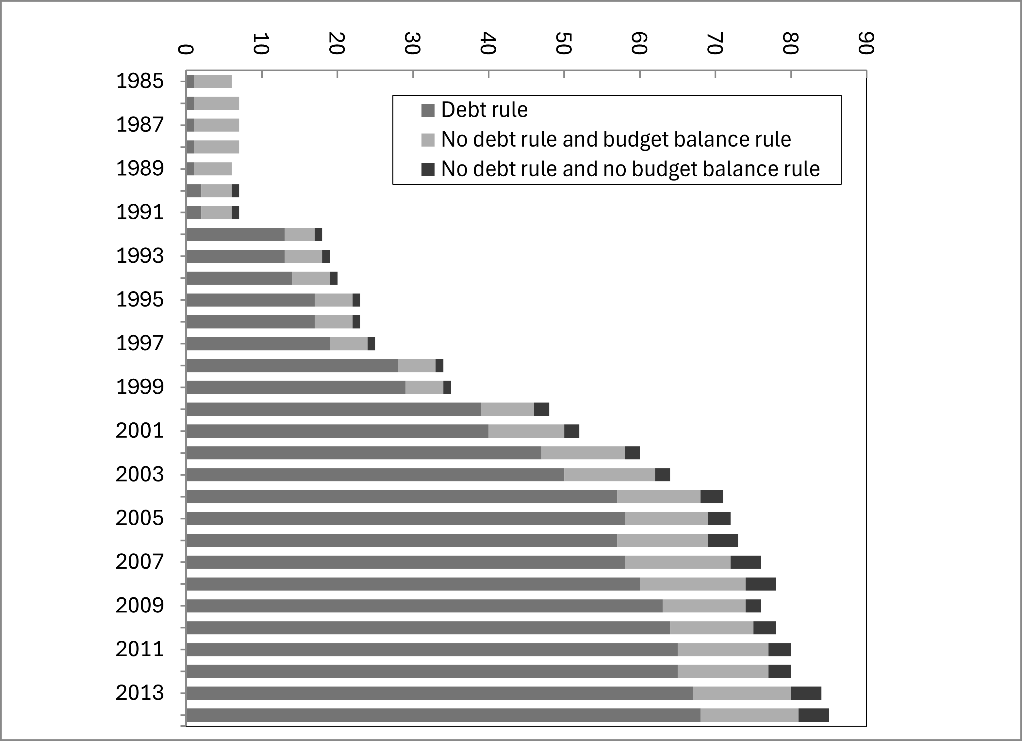
 | Values
Row Labels | Sum of DR2 | Sum of No DR but BBT | Sum of Other
1985 | 1 | 5 | 0
1986 | 1 | 6 | 0
1987 | 1 | 6 | 0
1988 | 1 | 6 | 0
1989 | 1 | 5 | 0
1990 | 2 | 4 | 1
1991 | 2 | 4 | 1
1992 | 13 | 4 | 1
1993 | 13 | 5 | 1
1994 | 14 | 5 | 1
1995 | 17 | 5 | 1
1996 | 17 | 5 | 1
1997 | 19 | 5 | 1
1998 | 28 | 5 | 1
1999 | 29 | 5 | 1
2000 | 39 | 7 | 2
2001 | 40 | 10 | 2
2002 | 47 | 11 | 2
2003 | 50 | 12 | 2
2004 | 57 | 11 | 3
2005 | 58 | 11 | 3
2006 | 57 | 12 | 4
2007 | 58 | 14 | 4
2008 | 60 | 14 | 4
2009 | 63 | 11 | 2
2010 | 64 | 11 | 3
2011 | 65 | 12 | 3
2012 | 65 | 12 | 3
2013 | 67 | 13 | 4
2014 | 68 | 13 | 4
Grand Total | 1017 | 249 | 55

Total countries
 | Debt rule | No debt rule and budget balance rule | No debt rule and no budget balance rule
1985 | 1 | 5 | 0
1986 | 1 | 6 | 0
1987 | 1 | 6 | 0
1988 | 1 | 6 | 0
1989 | 1 | 5 | 0
1990 | 2 | 4 | 1
1991 | 2 | 4 | 1
1992 | 13 | 4 | 1
1993 | 13 | 5 | 1
1994 | 14 | 5 | 1
1995 | 17 | 5 | 1
1996 | 17 | 5 | 1
1997 | 19 | 5 | 1
1998 | 28 | 5 | 1
1999 | 29 | 5 | 1
2000 | 39 | 7 | 2
2001 | 40 | 10 | 2
2002 | 47 | 11 | 2
2003 | 50 | 12 | 2
2004 | 57 | 11 | 3
2005 | 58 | 11 | 3
2006 | 57 | 12 | 4
2007 | 58 | 14 | 4
2008 | 60 | 14 | 4
2009 | 63 | 11 | 2
2010 | 64 | 11 | 3
2011 | 65 | 12 | 3
2012 | 65 | 12 | 3
2013 | 67 | 13 | 4
2014 | 68 | 13 | 4

23.6
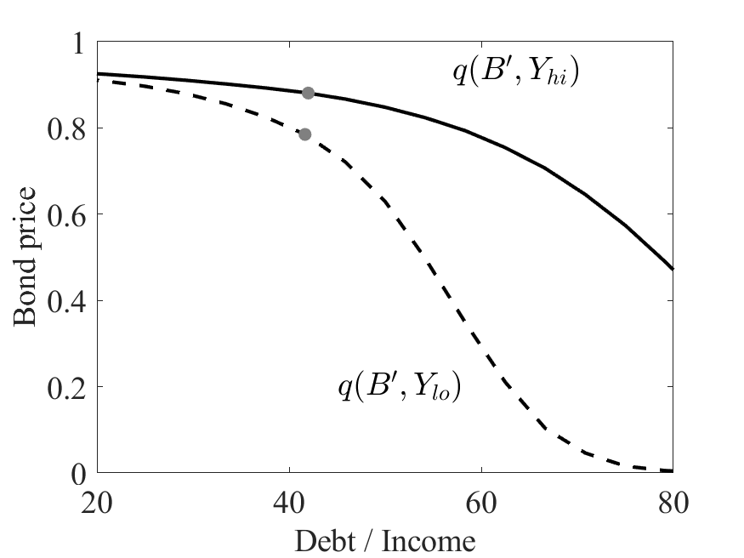
b_grid | y_grid | q | b_next | q_paid |  |  |  | default
-4 | -0.156859 | 4E-11 | 0 | 0.9900498337 | 0 | 0.9900498337 | 0 | 1
-3.8333375 | -0.14379446 | 4E-11 | 0 | 0.9900498337 | 0 | 0.9900498337 | 0 | 1
-3.666675 | -0.13072991 | 4E-11 | 0 | 0.9900498337 | 0 | 0.9900498337 | 0 | 1
-3.5000125 | -0.11766537 | 4E-11 | 0 | 0.9900498337 | 0 | 0.9900498337 | 0 | 1
-3.33335 | -0.10460083 | 4E-11 | 0 | 0.9900498337 | 0 | 0.9900498337 | 0 | 1
-3.1666875 | -0.09153629 | 4E-11 | 0 | 0.9900498337 | 0 | 0.9900498337 | 0 | 1
-3.000025 | -0.07847175 | 4E-11 | 0 | 0.9900498337 | 0 | 0.9900498337 | 0 | 1
-2.8333625 | -0.06540721 | 5E-11 | 0 | 0.9900498337 | 0 | 0.9900498337 | 0 | 1
-2.6667 | -0.05234267 | 6E-11 | 0 | 0.9900498337 | 1E-10 | 0.9900498337 | 0 | 1
-2.5000375 | -0.03927812 | 2.11E-08 | 0 | 0.9900498337 | 2.11E-08 | 0.9900498337 | 0 | 1
-2.333375 | -0.02621358 | 2.92807E-06 | 0 | 0.9900498337 | 2.9281E-06 | 0.9900498337 | 0 | 1
-2.1667125 | -0.01314904 | 0.00013403251 | 0 | 0.9900498337 | 0.0003013021 | 0.9900498337 | 0.0002945705 | 1
-2.00005 | -0.0000845 | 0.00242384303 | 0 | 0.9900498337 | 0.0046239573 | 0.9900498337 | 0.0046183334 | 1
-1.8333875 | 0.01298004 | 0.02062354339 | 0 | 0.9900498337 | 0.0327562618 | 0.9900498337 | 0.032760682 | 1
-1.666725 | 0.02604458 | 0.08946640231 | 0 | 0.9900498337 | 0.1222254932 | 0.9900498337 | 0.1222641381 | 1
-1.5000625 | 0.03910912 | 0.220867135 | -3.8885268375 | 0.2686451718 | 0.2686451718 | 0.2687440748 | 0.2687440748 | 0
-1.3334 | 0.05217367 | 0.36432940216 | -3.8883432756 | 0.4110624202 | 0.4110624202 | 0.4112265278 | 0.4112265278 | 0
-1.1667375 | 0.06523821 | 0.47782294357 | -3.8880611703 | 0.5172622241 | 0.5172622241 | 0.5174817097 | 0.5174817097 | 0
-1.000075 | 0.07830275 | 0.56179656756 | -3.887531694 | 0.5948193022 | 0.5948193022 | 0.5950841956 | 0.5950841956 | 0
-0.8334125 | 0.09136729 | 0.62556102856 | -3.886465019 | 0.6536326803 | 0.6536326803 | 0.6539353595 | 0.6539353595 | 0
-0.66675 | 0.10443183 | 0.67510719652 | -3.8848130496 | 0.6993318059 | 0.6993318059 | 0.6996662518 | 0.6996662518 | 0
-0.5000875 | 0.11749637 | 0.71440057949 | -3.8825349291 | 0.7355874881 | 0.7355874881 | 0.7359489289 | 0.7359489289 | 0
-0.333425 | 0.13056091 | 0.74615182485 | -3.8796257947 | 0.76489985 | 0.76489985 | 0.765284488 | 0.765284488 | 0
-0.1667625 | 0.14362546 | 0.77226820702 | -3.8761046772 | 0.7890311805 | 0.7890311805 | 0.789435988 | 0.789435988 | 0
-0.0001 | 0.15669 | 0.79425955476 | -3.8720229964 | 0.8093664819 | 0.8093664819 | 0.8097891191 | 0.8097891191 | 0
 |  | 4E-11 | 0 | 0.9900498337 | 0 | 0.9900498337 | 0 | 1
 |  | 4E-11 | 0 | 0.9900498337 | 0 | 0.9900498337 | 0 | 1
 |  | 4E-11 | 0 | 0.9900498337 | 0 | 0.9900498337 | 0 | 1
 |  | 4E-11 | 0 | 0.9900498337 | 0 | 0.9900498337 | 0 | 1
 |  | 4E-11 | 0 | 0.9900498337 | 0 | 0.9900498337 | 0 | 1
 |  | 4E-11 | 0 | 0.9900498337 | 0 | 0.9900498337 | 0 | 1
 |  | 4E-11 | 0 | 0.9900498337 | 0 | 0.9900498337 | 0 | 1
 |  | 5E-11 | 0 | 0.9900498337 | 0 | 0.9900498337 | 0 | 1
 |  | 5.3E-10 | 0 | 0.9900498337 | 2.1E-09 | 0.9900498337 | 0 | 1
 |  | 1.4153E-07 | 0 | 0.9900498337 | 3.953E-07 | 0.9900498337 | 0 | 1
 |  | 1.32868E-05 | 0 | 0.9900498337 | 4.59556E-05 | 0.9900498337 | 3.91694E-05 | 1
 |  | 0.00042802642 | 0 | 0.9900498337 | 0.0012095208 | 0.9900498337 | 0.001202493 | 1
 |  | 0.00593708639 | 0 | 0.9900498337 | 0.0126347594 | 0.9900498337 | 0.0126316691 | 1
 |  | 0.03979154542 | 0 | 0.9900498337 | 0.0662102361 | 0.9900498337 | 0.0662277339 | 1
 |  | 0.13992634719 | 0 | 0.9900498337 | 0.1908898036 | 0.9900498337 | 0.190958228 | 1
 |  | 0.29280647436 | -3.7252346184 | 0.3476925083 | 0.3476925083 | 0.3478303274 | 0.3478303274 | 0
 |  | 0.43350091053 | -3.7273069008 | 0.4777032314 | 0.4777032314 | 0.4779054542 | 0.4779054542 | 0
 |  | 0.53590191374 | -3.7277677033 | 0.5710329531 | 0.5710329531 | 0.5712873977 | 0.5712873977 | 0
 |  | 0.61020987397 | -3.7275702588 | 0.6392764453 | 0.6392764453 | 0.6395731433 | 0.6395731433 | 0
 |  | 0.66631353495 | -3.7267083865 | 0.6908308498 | 0.6908308498 | 0.6911622687 | 0.6911622687 | 0
 |  | 0.7097414514 | -3.7251239714 | 0.7307326995 | 0.7307326995 | 0.7310930391 | 0.7310930391 | 0
 |  | 0.74408348663 | -3.7228363646 | 0.7623215019 | 0.7623215019 | 0.7627062736 | 0.7627062736 | 0
 |  | 0.771777824 | -3.719868446 | 0.7878479076 | 0.7878479076 | 0.7882536033 | 0.7882536033 | 0
 |  | 0.79453736658 | -3.7162595193 | 0.8088769539 | 0.8088769539 | 0.8093008108 | 0.8093008108 | 0
 |  | 0.81370401564 | -3.7120765748 | 0.8266210013 | 0.8266210013 | 0.8270609003 | 0.8270609003 | 0
 |  | 4E-11 | 0 | 0.9900498337 | 0 | 0.9900498337 | 0 | 1
 |  | 4E-11 | 0 | 0.9900498337 | 0 | 0.9900498337 | 0 | 1
 |  | 4E-11 | 0 | 0.9900498337 | 0 | 0.9900498337 | 0 | 1
 |  | 4E-11 | 0 | 0.9900498337 | 0 | 0.9900498337 | 0 | 1
 |  | 4E-11 | 0 | 0.9900498337 | 0 | 0.9900498337 | 0 | 1
 |  | 4E-11 | 0 | 0.9900498337 | 0 | 0.9900498337 | 0 | 1
 |  | 5E-11 | 0 | 0.9900498337 | 0 | 0.9900498337 | 0 | 1
 |  | 6E-11 | 0 | 0.9900498337 | 0 | 0.9900498337 | 0 | 1
 |  | 9.12E-09 | 0 | 0.9900498337 | 2.14E-08 | 0.9900498337 | 0 | 1
 |  | 1.54151E-06 | 0 | 0.9900498337 | 0.000002588 | 0.9900498337 | 0 | 1
 |  | 8.425486E-05 | 0 | 0.9900498337 | 0.0002117072 | 0.9900498337 | 0.000204234 | 1
 |  | 0.00175203218 | 0 | 0.9900498337 | 0.0036596007 | 0.9900498337 | 0.003652969 | 1
 |  | 0.01686019956 | 0 | 0.9900498337 | 0.0285262972 | 0.9900498337 | 0.0285291858 | 1
 |  | 0.08138992643 | 0 | 0.9900498337 | 0.1151297149 | 0.9900498337 | 0.1151680244 | 1
 |  | 0.21789818687 | -3.5643598904 | 0.2683194486 | 0.2683194486 | 0.2684243576 | 0.2684243576 | 0
 |  | 0.37656572875 | -3.566213012 | 0.4242743715 | 0.4242743715 | 0.4244533433 | 0.4244533433 | 0
 |  | 0.50189157855 | -3.5673676719 | 0.5401897706 | 0.5401897706 | 0.5404304749 | 0.5404304749 | 0
 |  | 0.59068309059 | -3.5681388007 | 0.6214278798 | 0.6214278798 | 0.6217168651 | 0.6217168651 | 0
 |  | 0.65541183176 | -3.5681368458 | 0.680548453 | 0.680548453 | 0.6808759323 | 0.6808759323 | 0
 |  | 0.70405771754 | -3.5673460316 | 0.7249706323 | 0.7249706323 | 0.7253294059 | 0.7253294059 | 0
 |  | 0.74154336923 | -3.5657481298 | 0.7592984856 | 0.7592984856 | 0.7596831792 | 0.7596831792 | 0
 |  | 0.7711296594 | -3.5633858724 | 0.7864977331 | 0.7864977331 | 0.7869042673 | 0.7869042673 | 0
 |  | 0.79499059794 | -3.560311016 | 0.8085207791 | 0.8085207791 | 0.8089459998 | 0.8089459998 | 0
 |  | 0.81462646567 | -3.5565792919 | 0.8267103311 | 0.8267103311 | 0.8271517723 | 0.8271517723 | 0
 |  | 0.83119507595 | -3.5522676039 | 0.8421000996 | 0.8421000996 | 0.8425558781 | 0.8425558781 | 0
 |  | 4E-11 | 0 | 0.9900498337 | 0 | 0.9900498337 | 0 | 1
 |  | 4E-11 | 0 | 0.9900498337 | 0 | 0.9900498337 | 0 | 1
 |  | 4E-11 | 0 | 0.9900498337 | 0 | 0.9900498337 | 0 | 1
 |  | 4E-11 | 0 | 0.9900498337 | 0 | 0.9900498337 | 0 | 1
 |  | 4E-11 | 0 | 0.9900498337 | 0 | 0.9900498337 | 0 | 1
 |  | 4E-11 | 0 | 0.9900498337 | 0 | 0.9900498337 | 0 | 1
 |  | 5E-11 | 0 | 0.9900498337 | 0 | 0.9900498337 | 0 | 1
 |  | 3.1E-10 | 0 | 0.9900498337 | 7E-10 | 0.9900498337 | 0 | 1
 |  | 9.251E-08 | 0 | 0.9900498337 | 1.587E-07 | 0.9900498337 | 0 | 1
 |  | 9.79657E-06 | 0 | 0.9900498337 | 1.11724E-05 | 0.9900498337 | 4.3264E-06 | 1
 |  | 0.00034683851 | 0 | 0.9900498337 | 0.0008075337 | 0.9900498337 | 0.0007991656 | 1
 |  | 0.00518330148 | 0 | 0.9900498337 | 0.0098077454 | 0.9900498337 | 0.0098026531 | 1
 |  | 0.03714089715 | 0 | 0.9900498337 | 0.0579774358 | 0.9900498337 | 0.0579923086 | 1
 |  | 0.13820980227 | 0 | 0.9900498337 | 0.1804327654 | 0.9900498337 | 0.180500949 | 1
 |  | 0.30119882514 | -3.4037348958 | 0.3532492924 | 0.3532492924 | 0.3533974746 | 0.3533974746 | 0
 |  | 0.45527483066 | -3.4057471244 | 0.4995025546 | 0.4995025546 | 0.4997249868 | 0.4997249868 | 0
 |  | 0.56546468322 | -3.4078428254 | 0.5991249672 | 0.5991249672 | 0.5994040109 | 0.5994040109 | 0
 |  | 0.64189077584 | -3.409106772 | 0.6679738336 | 0.6679738336 | 0.6682961745 | 0.6682961745 | 0
 |  | 0.69711630874 | -3.4092208151 | 0.7180321086 | 0.7180321086 | 0.7183887019 | 0.7183887019 | 0
 |  | 0.73841115896 | -3.4083487379 | 0.7557011121 | 0.7557011121 | 0.7560854445 | 0.7560854445 | 0
 |  | 0.77022971076 | -3.4066210749 | 0.7848929598 | 0.7848929598 | 0.7853002293 | 0.7853002293 | 0
 |  | 0.79539585776 | -3.4041181087 | 0.8081010815 | 0.8081010815 | 0.8085276742 | 0.8085276742 | 0
 |  | 0.81575210313 | -3.4008985017 | 0.8269630162 | 0.8269630162 | 0.8274061576 | 0.8274061576 | 0
 |  | 0.83256033517 | -3.3970185663 | 0.842604342 | 0.842604342 | 0.8430618742 | 0.8430618742 | 0
 |  | 0.84679207659 | -3.39255715 | 0.8558912174 | 0.8558912174 | 0.8563614983 | 0.8563614983 | 0
 |  | 4E-11 | 0 | 0.9900498337 | 0 | 0.9900498337 | 0 | 1
 |  | 4E-11 | 0 | 0.9900498337 | 0 | 0.9900498337 | 0 | 1
 |  | 4E-11 | 0 | 0.9900498337 | 0 | 0.9900498337 | 0 | 1
 |  | 4E-11 | 0 | 0.9900498337 | 0 | 0.9900498337 | 0 | 1
 |  | 4E-11 | 0 | 0.9900498337 | 0 | 0.9900498337 | 0 | 1
 |  | 5E-11 | 0 | 0.9900498337 | 0 | 0.9900498337 | 0 | 1
 |  | 6E-11 | 0 | 0.9900498337 | 0 | 0.9900498337 | 0 | 1
 |  | 5.24E-09 | 0 | 0.9900498337 | 1.52E-08 | 0.9900498337 | 0 | 1
 |  | 1.01313E-06 | 0 | 0.9900498337 | 2.0457E-06 | 0.9900498337 | 0 | 1
 |  | 6.253633E-05 | 0 | 0.9900498337 | 0.0001822651 | 0.9900498337 | 0.0001736791 | 1
 |  | 0.00143768276 | 0 | 0.9900498337 | 0.0033000747 | 0.9900498337 | 0.0032922609 | 1
 |  | 0.01509917677 | 0 | 0.9900498337 | 0.0273595176 | 0.9900498337 | 0.0273615858 | 1
 |  | 0.0786424405 | 0 | 0.9900498337 | 0.1157616949 | 0.9900498337 | 0.1158023502 | 1
 |  | 0.22299018654 | -3.2424076955 | 0.2784673055 | 0.2784673055 | 0.2785826234 | 0.2785826234 | 0
 |  | 0.39770030364 | -3.2460833012 | 0.4473800873 | 0.4473800873 | 0.4475787663 | 0.4475787663 | 0
 |  | 0.53388408191 | -3.2487286919 | 0.5701060081 | 0.5701060081 | 0.5703717212 | 0.5703717212 | 0
 |  | 0.62518568944 | -3.2501597873 | 0.6521841581 | 0.6521841581 | 0.6524997016 | 0.6524997016 | 0
 |  | 0.68851604217 | -3.2507762421 | 0.7095467587 | 0.7095467587 | 0.7099003823 | 0.7099003823 | 0
 |  | 0.7344852837 | -3.2505840002 | 0.7513809271 | 0.7513809271 | 0.7517645445 | 0.7517645445 | 0
 |  | 0.76899757441 | -3.2495356923 | 0.7829731141 | 0.7829731141 | 0.7833809817 | 0.7833809817 | 0
 |  | 0.79569623676 | -3.2476608593 | 0.8075653074 | 0.8075653074 | 0.8079932416 | 0.8079932416 | 0
 |  | 0.81690125199 | -3.2450039406 | 0.8272168661 | 0.8272168661 | 0.8276617452 | 0.8276617452 | 0
 |  | 0.83413298977 | -3.2416199407 | 0.8432775323 | 0.8432775323 | 0.8437369721 | 0.8437369721 | 0
 |  | 0.84843228001 | -3.2375692725 | 0.8566722494 | 0.8566722494 | 0.8571443997 | 0.8571443997 | 0
 |  | 0.86059970649 | -3.2329364296 | 0.868112308 | 0.868112308 | 0.8685957605 | 0.8685957605 | 0
 |  | 4E-11 | 0 | 0.9900498337 | 0 | 0.9900498337 | 0 | 1
 |  | 4E-11 | 0 | 0.9900498337 | 0 | 0.9900498337 | 0 | 1
 |  | 4E-11 | 0 | 0.9900498337 | 0 | 0.9900498337 | 0 | 1
 |  | 4E-11 | 0 | 0.9900498337 | 0 | 0.9900498337 | 0 | 1
 |  | 4E-11 | 0 | 0.9900498337 | 0 | 0.9900498337 | 0 | 1
 |  | 5E-11 | 0 | 0.9900498337 | 0 | 0.9900498337 | 0 | 1
 |  | 2.7E-10 | 0 | 0.9900498337 | 0 | 0.9900498337 | 0 | 1
 |  | 8.528E-08 | 0 | 0.9900498337 | 1.551E-07 | 0.9900498337 | 0 | 1
 |  | 9.46012E-06 | 0 | 0.9900498337 | 8.9955E-06 | 0.9900498337 | 1.3973E-06 | 1
 |  | 0.00034599793 | 0 | 0.9900498337 | 0.0007497964 | 0.9900498337 | 0.0007404115 | 1
 |  | 0.00530887508 | 0 | 0.9900498337 | 0.0094930533 | 0.9900498337 | 0.0094870581 | 1
 |  | 0.0389209686 | 0 | 0.9900498337 | 0.0584742743 | 0.9900498337 | 0.0584898655 | 1
 |  | 0.14737711513 | 0 | 0.9900498337 | 0.1907174812 | 0.9900498337 | 0.1907939721 | 1
 |  | 0.32401593322 | -3.0838464982 | 0.3756301994 | 0.3756301994 | 0.37579639 | 0.37579639 | 0
 |  | 0.48910992475 | -3.0867288712 | 0.5304309258 | 0.5304309258 | 0.5306784369 | 0.5306784369 | 0
 |  | 0.60256308404 | -3.089521645 | 0.63201734 | 0.63201734 | 0.6323239837 | 0.6323239837 | 0
 |  | 0.67748486229 | -3.091436127 | 0.6991312598 | 0.6991312598 | 0.6994809464 | 0.6994809464 | 0
 |  | 0.72957718447 | -3.0922948912 | 0.7461959631 | 0.7461959631 | 0.7465784218 | 0.7465784218 | 0
 |  | 0.76738608171 | -3.0921016107 | 0.7806682569 | 0.7806682569 | 0.7810765305 | 0.7810765305 | 0
 |  | 0.79587213623 | -3.0909373919 | 0.8068737891 | 0.8068737891 | 0.8073030014 | 0.8073030014 | 0
 |  | 0.81803585143 | -3.0888895242 | 0.8274293825 | 0.8274293825 | 0.8278760037 | 0.8278760037 | 0
 |  | 0.83575807661 | -3.0860375192 | 0.8439838939 | 0.8439838939 | 0.8444452931 | 0.8444452931 | 0
 |  | 0.85026152461 | -3.0824531149 | 0.8576156762 | 0.8576156762 | 0.8580898416 | 0.8580898416 | 0
 |  | 0.86238032337 | -3.0782035408 | 0.8690651148 | 0.8690651148 | 0.8695504814 | 0.8695504814 | 0
 |  | 0.87275800067 | -3.0733775312 | 0.8789054406 | 0.8789054406 | 0.8794008137 | 0.8794008137 | 0
 |  | 4E-11 | 0 | 0.9900498337 | 0 | 0.9900498337 | 0 | 1
 |  | 4E-11 | 0 | 0.9900498337 | 0 | 0.9900498337 | 0 | 1
 |  | 4E-11 | 0 | 0.9900498337 | 0 | 0.9900498337 | 0 | 1
 |  | 4E-11 | 0 | 0.9900498337 | 0 | 0.9900498337 | 0 | 1
 |  | 5E-11 | 0 | 0.9900498337 | 0 | 0.9900498337 | 0 | 1
 |  | 7E-11 | 0 | 0.9900498337 | 0 | 0.9900498337 | 0 | 1
 |  | 4.87E-09 | 0 | 0.9900498337 | 1.57E-08 | 0.9900498337 | 0 | 1
 |  | 9.8174E-07 | 0 | 0.9900498337 | 2.1456E-06 | 0.9900498337 | 0 | 1
 |  | 6.229572E-05 | 0 | 0.9900498337 | 0.0001936392 | 0.9900498337 | 0.0001838118 | 1
 |  | 0.0014720751 | 0 | 0.9900498337 | 0.0035107948 | 0.9900498337 | 0.0035018961 | 1
 |  | 0.01583625125 | 0 | 0.9900498337 | 0.029374249 | 0.9900498337 | 0.0293767195 | 1
 |  | 0.08410794488 | 0 | 0.9900498337 | 0.1250809148 | 0.9900498337 | 0.1251277462 | 1
 |  | 0.24134927702 | -2.9197844692 | 0.3010040553 | 0.3010040553 | 0.301135914 | 0.301135914 | 0
 |  | 0.43103224564 | -2.9246549682 | 0.4809040143 | 0.4809040143 | 0.4811283015 | 0.4811283015 | 0
 |  | 0.57392531523 | -2.9291923833 | 0.6064983868 | 0.6064983868 | 0.6067932227 | 0.6067932227 | 0
 |  | 0.66418764832 | -2.932210622 | 0.6862878419 | 0.6862878419 | 0.6866321963 | 0.6866321963 | 0
 |  | 0.72362330734 | -2.9338811528 | 0.7398409939 | 0.7398409939 | 0.7402216226 | 0.7402216226 | 0
 |  | 0.76530581308 | -2.9344369397 | 0.7778352257 | 0.7778352257 | 0.7782436193 | 0.7782436193 | 0
 |  | 0.79586173363 | -2.9339682149 | 0.8059670937 | 0.8059670937 | 0.8063974882 | 0.8063974882 | 0
 |  | 0.81912419108 | -2.9325489312 | 0.827580396 | 0.827580396 | 0.8280287545 | 0.8280287545 | 0
 |  | 0.8374027905 | -2.930258014 | 0.8447007116 | 0.8447007116 | 0.8451641059 | 0.8451641059 | 0
 |  | 0.85215374034 | -2.9271716986 | 0.8586145525 | 0.8586145525 | 0.8590907953 | 0.8590907953 | 0
 |  | 0.86432958916 | -2.9233603929 | 0.8701692825 | 0.8701692825 | 0.8706566964 | 0.8706566964 | 0
 |  | 0.87458474003 | -2.9188924032 | 0.879950682 | 0.879950682 | 0.8804479579 | 0.8804479579 | 0
 |  | 0.88342936333 | -2.9138560508 | 0.8884166579 | 0.8884166579 | 0.8889227929 | 0.8889227929 | 0
 |  | 4E-11 | 0 | 0.9900498337 | 0 | 0.9900498337 | 0 | 1
 |  | 4E-11 | 0 | 0.9900498337 | 0 | 0.9900498337 | 0 | 1
 |  | 4E-11 | 0 | 0.9900498337 | 0 | 0.9900498337 | 0 | 1
 |  | 5E-11 | 0 | 0.9900498337 | 0 | 0.9900498337 | 0 | 1
 |  | 6E-11 | 0 | 0.9900498337 | 0 | 0.9900498337 | 0 | 1
 |  | 3.8E-10 | 0 | 0.9900498337 | 0 | 0.9900498337 | 0 | 1
 |  | 1.1917E-07 | 0 | 0.9900498337 | 2.125E-07 | 0.9900498337 | 0 | 1
 |  | 1.252419E-05 | 0 | 0.9900498337 | 1.60528E-05 | 0.9900498337 | 6.9098E-06 | 1
 |  | 0.00043749248 | 0 | 0.9900498337 | 0.0009214771 | 0.9900498337 | 0.0009109943 | 1
 |  | 0.00649121628 | 0 | 0.9900498337 | 0.0113460803 | 0.9900498337 | 0.0113399859 | 1
 |  | 0.04611855507 | 0 | 0.9900498337 | 0.0676982004 | 0.9900498337 | 0.0677184433 | 1
 |  | 0.1694529664 | 0 | 0.9900498337 | 0.2143295324 | 0.9900498337 | 0.2144209014 | 1
 |  | 0.36233280935 | -2.7636250412 | 0.4117664409 | 0.4117664409 | 0.4119579559 | 0.4119579559 | 0
 |  | 0.53400676819 | -2.767588957 | 0.5702260626 | 0.5702260626 | 0.5705038062 | 0.5705038062 | 0
 |  | 0.64550346479 | -2.7716005883 | 0.6691812619 | 0.6691812619 | 0.6695181729 | 0.6695181729 | 0
 |  | 0.71548740415 | -2.7744961365 | 0.7317905498 | 0.7317905498 | 0.7321685286 | 0.7321685286 | 0
 |  | 0.76239442498 | -2.7761458105 | 0.7743402425 | 0.7743402425 | 0.7747484585 | 0.7747484585 | 0
 |  | 0.79559256792 | -2.7765905278 | 0.8048379966 | 0.8048379966 | 0.8052694944 | 0.8052694944 | 0
 |  | 0.82016996317 | -2.7759283118 | 0.8276788972 | 0.8276788972 | 0.828128995 | 0.828128995 | 0
 |  | 0.83908059071 | -2.7742702346 | 0.8454312731 | 0.8454312731 | 0.8458966947 | 0.8458966947 | 0
 |  | 0.85409912799 | -2.7717226798 | 0.8596518001 | 0.8596518001 | 0.8601301637 | 0.8601301637 | 0
 |  | 0.86634561118 | -2.7683772183 | 0.8713320368 | 0.8713320368 | 0.871821555 | 0.871821555 | 0
 |  | 0.87655413206 | -2.7643143716 | 0.8811273148 | 0.8811273148 | 0.8816266085 | 0.8816266085 | 0
 |  | 0.88523109827 | -2.7596071293 | 0.8894932977 | 0.8894932977 | 0.8900012832 | 0.8900012832 | 0
 |  | 0.89277532007 | -2.7543447404 | 0.8967903047 | 0.8967903047 | 0.8973061461 | 0.8973061461 | 0
 |  | 4E-11 | 0 | 0.9900498337 | 0 | 0.9900498337 | 0 | 1
 |  | 4E-11 | 0 | 0.9900498337 | 0 | 0.9900498337 | 0 | 1
 |  | 4E-11 | 0 | 0.9900498337 | 0 | 0.9900498337 | 0 | 1
 |  | 5E-11 | 0 | 0.9900498337 | 0 | 0.9900498337 | 0 | 1
 |  | 8E-11 | 0 | 0.9900498337 | 0 | 0.9900498337 | 0 | 1
 |  | 8.76E-09 | 0 | 0.9900498337 | 2.62E-08 | 0.9900498337 | 0 | 1
 |  | 1.6162E-06 | 0 | 0.9900498337 | 3.2548E-06 | 0.9900498337 | 0 | 1
 |  | 9.279304E-05 | 0 | 0.9900498337 | 0.0002658455 | 0.9900498337 | 0.0002547231 | 1
 |  | 0.00203954145 | 0 | 0.9900498337 | 0.0045980319 | 0.9900498337 | 0.0045884124 | 1
 |  | 0.0206064079 | 0 | 0.9900498337 | 0.0366820597 | 0.9900498337 | 0.0366874696 | 1
 |  | 0.1032279921 | 0 | 0.9900498337 | 0.1477311691 | 0.9900498337 | 0.1477908703 | 1
 |  | 0.28119170422 | -2.5983594796 | 0.340887813 | 0.340887813 | 0.3410453931 | 0.3410453931 | 0
 |  | 0.48157627921 | -2.6048308173 | 0.5262920014 | 0.5262920014 | 0.5265486756 | 0.5265486756 | 0
 |  | 0.62246328205 | -2.6111259679 | 0.6484554708 | 0.6484554708 | 0.6487829065 | 0.6487829065 | 0
 |  | 0.70629689971 | -2.6152904728 | 0.7224223192 | 0.7224223192 | 0.7227968249 | 0.7227968249 | 0
 |  | 0.75920751603 | -2.6178799842 | 0.7703077214 | 0.7703077214 | 0.7707154005 | 0.7707154005 | 0
 |  | 0.79527414261 | -2.6191469945 | 0.8034881434 | 0.8034881434 | 0.8039205946 | 0.8039205946 | 0
 |  | 0.8212418798 | -2.619187885 | 0.8277044498 | 0.8277044498 | 0.8281562436 | 0.8281562436 | 0
 |  | 0.84079890913 | -2.6181405947 | 0.8461531153 | 0.8461531153 | 0.8466205707 | 0.8466205707 | 0
 |  | 0.85608633846 | -2.6161255426 | 0.8607124331 | 0.8607124331 | 0.8611929486 | 0.8611929486 | 0
 |  | 0.86840181843 | -2.6132514156 | 0.8725337468 | 0.8725337468 | 0.8730254114 | 0.8730254114 | 0
 |  | 0.87857240184 | -2.6096087335 | 0.8823589579 | 0.8823589579 | 0.8828603229 | 0.8828603229 | 0
 |  | 0.88714602787 | -2.6052735353 | 0.8906844787 | 0.8906844787 | 0.8911944159 | 0.8911944159 | 0
 |  | 0.89450553724 | -2.6003143607 | 0.8978601401 | 0.8978601401 | 0.8983777555 | 0.8983777555 | 0
 |  | 0.90095833654 | -2.5948154205 | 0.9041677706 | 0.9041677706 | 0.9046923697 | 0.9046923697 | 0
 |  | 4E-11 | 0 | 0.9900498337 | 0 | 0.9900498337 | 0 | 1
 |  | 4E-11 | 0 | 0.9900498337 | 0 | 0.9900498337 | 0 | 1
 |  | 5E-11 | 0 | 0.9900498337 | 0 | 0.9900498337 | 0 | 1
 |  | 6E-11 | 0 | 0.9900498337 | 0 | 0.9900498337 | 0 | 1
 |  | 9.4E-10 | 0 | 0.9900498337 | 0.000000002 | 0.9900498337 | 0 | 1
 |  | 2.6305E-07 | 0 | 0.9900498337 | 4.201E-07 | 0.9900498337 | 0 | 1
 |  | 2.342367E-05 | 0 | 0.9900498337 | 4.35357E-05 | 0.9900498337 | 3.25001E-05 | 1
 |  | 0.0007189616 | 0 | 0.9900498337 | 0.0014324126 | 0.9900498337 | 0.001420872 | 1
 |  | 0.00963107376 | 0 | 0.9900498337 | 0.0159356313 | 0.9900498337 | 0.0159307444 | 1
 |  | 0.06228653158 | 0 | 0.9900498337 | 0.0870388754 | 0.9900498337 | 0.0870690259 | 1
 |  | 0.21036274163 | 0 | 0.9900498337 | 0.2560588707 | 0.9900498337 | 0.2561749413 | 1
 |  | 0.41999970488 | -2.4430598493 | 0.4642351764 | 0.4642351764 | 0.4644613633 | 0.4644613633 | 0
 |  | 0.59010297775 | -2.4490731869 | 0.6183911111 | 0.6183911111 | 0.618704219 | 0.618704219 | 0
 |  | 0.69277022377 | -2.4545183736 | 0.7093774008 | 0.7093774008 | 0.7097465349 | 0.7097465349 | 0
 |  | 0.75424953561 | -2.4585123334 | 0.7647972041 | 0.7647972041 | 0.765203624 | 0.765203624 | 0
 |  | 0.79425427237 | -2.4609421651 | 0.8015623943 | 0.8015623943 | 0.8019955602 | 0.8019955602 | 0
 |  | 0.82206499131 | -2.461932346 | 0.8275382009 | 0.8275382009 | 0.8279916482 | 0.8279916482 | 0
 |  | 0.84246177269 | -2.461659189 | 0.8468475135 | 0.8468475135 | 0.8473170357 | 0.8473170357 | 0
 |  | 0.85809027623 | -2.4602857149 | 0.8618052656 | 0.8618052656 | 0.8622879853 | 0.8622879853 | 0
 |  | 0.87049792484 | -2.4579503726 | 0.8737855807 | 0.8737855807 | 0.8742794439 | 0.8742794439 | 0
 |  | 0.88063324852 | -2.4547662248 | 0.8836418218 | 0.8836418218 | 0.8841453049 | 0.8841453049 | 0
 |  | 0.88910763556 | -2.4508267039 | 0.8919302919 | 0.8919302919 | 0.8924422287 | 0.8924422287 | 0
 |  | 0.89633081249 | -2.4462085572 | 0.8990275942 | 0.8990275942 | 0.8995470682 | 0.8995470682 | 0
 |  | 0.90259264455 | -2.4409814028 | 0.9052023141 | 0.9052023141 | 0.9057285929 | 0.9057285929 | 0
 |  | 0.90813019553 | -2.4352304895 | 0.9106744783 | 0.9106744783 | 0.9112069887 | 0.9112069887 | 0
 |  | 4E-11 | 0 | 0.9900498337 | 0 | 0.9900498337 | 0 | 1
 |  | 5E-11 | 0 | 0.9900498337 | 0 | 0.9900498337 | 0 | 1
 |  | 6E-11 | 0 | 0.9900498337 | 0 | 0.9900498337 | 0 | 1
 |  | 1E-10 | 0 | 0.9900498337 | 0 | 0.9900498337 | 0 | 1
 |  | 0.000000031 | 0 | 0.9900498337 | 7.17E-08 | 0.9900498337 | 0 | 1
 |  | 4.49386E-06 | 0 | 0.9900498337 | 7.1831E-06 | 0.9900498337 | 0 | 1
 |  | 0.00020572205 | 0 | 0.9900498337 | 0.0005103984 | 0.9900498337 | 0.0004980221 | 1
 |  | 0.00380815991 | 0 | 0.9900498337 | 0.0074773224 | 0.9900498337 | 0.0074679072 | 1
 |  | 0.03301312514 | 0 | 0.9900498337 | 0.0524689367 | 0.9900498337 | 0.0524818187 | 1
 |  | 0.14390248229 | 0 | 0.9900498337 | 0.1899929951 | 0.9900498337 | 0.1900763105 | 1
 |  | 0.34891553194 | -2.279697709 | 0.4007656389 | 0.4007656389 | 0.4009603642 | 0.4009603642 | 0
 |  | 0.54997780974 | -2.2872259166 | 0.5833242525 | 0.5833242525 | 0.5836203472 | 0.5836203472 | 0
 |  | 0.67748009691 | -2.2946457715 | 0.6945744915 | 0.6945744915 | 0.6949372193 | 0.6949372193 | 0
 |  | 0.74939664494 | -2.2998222864 | 0.7590041764 | 0.7590041764 | 0.7594091029 | 0.7594091029 | 0
 |  | 0.79359621839 | -2.3031563789 | 0.7997080702 | 0.7997080702 | 0.8001419349 | 0.8001419349 | 0
 |  | 0.8232148469 | -2.3049334252 | 0.8275083705 | 0.8275083705 | 0.8279635109 | 0.8279635109 | 0
 |  | 0.84436053783 | -2.3053229892 | 0.8476592559 | 0.8476592559 | 0.8481308884 | 0.8481308884 | 0
 |  | 0.86025088428 | -2.3045055878 | 0.8629857022 | 0.8629857022 | 0.8634706645 | 0.8634706645 | 0
 |  | 0.87268900441 | -2.302639207 | 0.8750973581 | 0.8750973581 | 0.8755934513 | 0.8755934513 | 0
 |  | 0.88274892669 | -2.2998597409 | 0.8849671291 | 0.8849671291 | 0.885472758 | 0.885472758 | 0
 |  | 0.89110038773 | -2.2962774577 | 0.893209501 | 0.893209501 | 0.8937234648 | 0.8937234648 | 0
 |  | 0.89818211523 | -2.2919825574 | 0.9002315004 | 0.9002315004 | 0.9007528675 | 0.9007528675 | 0
 |  | 0.9042927987 | -2.2870503613 | 0.9063129204 | 0.9063129204 | 0.9068409499 | 0.9068409499 | 0
 |  | 0.90964737519 | -2.2815456593 | 0.9116567706 | 0.9116567706 | 0.9121908649 | 0.9121908649 | 0
 |  | 0.91442605874 | -2.2755489311 | 0.9164331372 | 0.9164331372 | 0.9169728255 | 0.9169728255 | 0
 |  | 4E-11 | 0 | 0.9900498337 | 0 | 0.9900498337 | 0 | 1
 |  | 5E-11 | 0 | 0.9900498337 | 0 | 0.9900498337 | 0 | 1
 |  | 8E-11 | 0 | 0.9900498337 | 0 | 0.9900498337 | 0 | 1
 |  | 4.02E-09 | 0 | 0.9900498337 | 7.2E-09 | 0.9900498337 | 0 | 1
 |  | 8.8746E-07 | 0 | 0.9900498337 | 1.1759E-06 | 0.9900498337 | 0 | 1
 |  | 5.998899E-05 | 0 | 0.9900498337 | 0.00012146 | 0.9900498337 | 0.0001086585 | 1
 |  | 0.00150099283 | 0 | 0.9900498337 | 0.0026960833 | 0.9900498337 | 0.0026838192 | 1
 |  | 0.01696135892 | 0 | 0.9900498337 | 0.0258393167 | 0.9900498337 | 0.0258384677 | 1
 |  | 0.09383950339 | 0 | 0.9900498337 | 0.1229922138 | 0.9900498337 | 0.1230415234 | 1
 |  | 0.27660000921 | 0 | 0.9900498337 | 0.3207872295 | 0.9900498337 | 0.3209413996 | 1
 |  | 0.49742105023 | -2.1230808481 | 0.532243723 | 0.532243723 | 0.5325142088 | 0.5325142088 | 0
 |  | 0.65422848339 | -2.1312534755 | 0.67255432 | 0.67255432 | 0.6729068156 | 0.6729068156 | 0
 |  | 0.74133063911 | -2.1384955349 | 0.7504416551 | 0.7504416551 | 0.7508436648 | 0.7508436648 | 0
 |  | 0.79161150619 | -2.1436009297 | 0.7966682685 | 0.7966682685 | 0.7971022714 | 0.7971022714 | 0
 |  | 0.82376393155 | -2.1467029839 | 0.826936813 | 0.826936813 | 0.8273934303 | 0.8273934303 | 0
 |  | 0.84596603122 | -2.1480897564 | 0.8482196085 | 0.8482196085 | 0.8486932807 | 0.8486932807 | 0
 |  | 0.86225792043 | -2.1480483071 | 0.8640521211 | 0.8640521211 | 0.864539316 | 0.864539316 | 0
 |  | 0.87479953795 | -2.1468099568 | 0.8763670629 | 0.8763670629 | 0.8768654022 | 0.8768654022 | 0
 |  | 0.88482221894 | -2.1445549788 | 0.886286886 | 0.886286886 | 0.8867946864 | 0.8867946864 | 0
 |  | 0.8930738503 | -2.1414257746 | 0.8945037686 | 0.8945037686 | 0.8950197897 | 0.8950197897 | 0
 |  | 0.90002958733 | -2.1375309143 | 0.9014631927 | 0.9014631927 | 0.9019864883 | 0.9019864883 | 0
 |  | 0.90600630651 | -2.13295576 | 0.9074653743 | 0.9074653743 | 0.907995202 | 0.907995202 | 0
 |  | 0.91122334326 | -2.1277706737 | 0.9127197352 | 0.9127197352 | 0.9132554985 | 0.9132554985 | 0
 |  | 0.91584115935 | -2.1220341523 | 0.917380228 | 0.917380228 | 0.9179214403 | 0.9179214403 | 0
 |  | 0.91999757089 | -2.1158187487 | 0.9215782271 | 0.9215782271 | 0.9221244998 | 0.9221244998 | 0
 |  | 5E-11 | 0 | 0.9900498337 | 0 | 0.9900498337 | 0 | 1
 |  | 7E-11 | 0 | 0.9900498337 | 0 | 0.9900498337 | 0 | 1
 |  | 6E-10 | 0 | 0.9900498337 | 0 | 0.9900498337 | 0 | 1
 |  | 1.8486E-07 | 0 | 0.9900498337 | 3.023E-07 | 0.9900498337 | 0 | 1
 |  | 1.82451E-05 | 0 | 0.9900498337 | 2.76875E-05 | 0.9900498337 | 1.50751E-05 | 1
 |  | 0.00060935029 | 0 | 0.9900498337 | 0.0011904252 | 0.9900498337 | 0.0011769998 | 1
 |  | 0.0087860591 | 0 | 0.9900498337 | 0.0143472654 | 0.9900498337 | 0.0143402012 | 1
 |  | 0.06064179775 | 0 | 0.9900498337 | 0.0834731453 | 0.9900498337 | 0.0835020438 | 1
 |  | 0.21568546096 | 0 | 0.9900498337 | 0.2576699863 | 0.9900498337 | 0.2577918029 | 1
 |  | 0.44437894087 | -1.9632107375 | 0.4809881233 | 0.4809881233 | 0.4812325552 | 0.4812325552 | 0
 |  | 0.62938827157 | -1.9719629082 | 0.6480037347 | 0.6480037347 | 0.6483443724 | 0.6483443724 | 0
 |  | 0.73355858635 | -1.9799582509 | 0.7413646243 | 0.7413646243 | 0.7417632069 | 0.7417632069 | 0
 |  | 0.79024545893 | -1.9858022894 | 0.7937772371 | 0.7937772371 | 0.7942112766 | 0.7942112766 | 0
 |  | 0.82481669579 | -1.9896111496 | 0.8266188312 | 0.8266188312 | 0.8270769254 | 0.8270769254 | 0
 |  | 0.84794092201 | -1.9916597167 | 0.8490154448 | 0.8490154448 | 0.8494911829 | 0.8494911829 | 0
 |  | 0.86452820051 | -1.9921965415 | 0.8653117581 | 0.8653117581 | 0.86580122 | 0.86580122 | 0
 |  | 0.8770960505 | -1.9914535303 | 0.8777895743 | 0.8777895743 | 0.8782902012 | 0.8782902012 | 0
 |  | 0.88703165555 | -1.9896220197 | 0.8877315879 | 0.8877315879 | 0.8882416144 | 0.8882416144 | 0
 |  | 0.89515010605 | -1.9868550534 | 0.8959034725 | 0.8959034725 | 0.8964216219 | 0.8964216219 | 0
 |  | 0.9019597821 | -1.983272799 | 0.9027888232 | 0.9027888232 | 0.9033141363 | 0.9033141363 | 0
 |  | 0.90779100984 | -1.9789741049 | 0.9087045992 | 0.9087045992 | 0.9092363296 | 0.9092363296 | 0
 |  | 0.91286814926 | -1.9740373371 | 0.9138674539 | 0.9138674539 | 0.9144050025 | 0.9144050025 | 0
 |  | 0.91734872181 | -1.9685295078 | 0.9184297643 | 0.9184297643 | 0.9189726367 | 0.9189726367 | 0
 |  | 0.921349595 | -1.9625127434 | 0.9225042773 | 0.9225042773 | 0.9230520569 | 0.9230520569 | 0
 |  | 0.92497440434 | -1.9560580461 | 0.9261901563 | 0.9261901563 | 0.9267424985 | 0.9267424985 | 0
 |  | 6E-11 | 0 | 0.9900498337 | 0 | 0.9900498337 | 0 | 1
 |  | 1.2E-10 | 0 | 0.9900498337 | 0 | 0.9900498337 | 0 | 1
 |  | 2.85E-08 | 0 | 0.9900498337 | 5.71E-08 | 0.9900498337 | 0 | 1
 |  | 4.2639E-06 | 0 | 0.9900498337 | 4.4778E-06 | 0.9900498337 | 0 | 1
 |  | 0.00020030623 | 0 | 0.9900498337 | 0.000449362 | 0.9900498337 | 0.0004350096 | 1
 |  | 0.00383594755 | 0 | 0.9900498337 | 0.0071438804 | 0.9900498337 | 0.0071325438 | 1
 |  | 0.03426953931 | 0 | 0.9900498337 | 0.0519427846 | 0.9900498337 | 0.0519549217 | 1
 |  | 0.15295452605 | 0 | 0.9900498337 | 0.1952065378 | 0.9900498337 | 0.195295822 | 1
 |  | 0.37574990677 | 0 | 0.9900498337 | 0.420788286 | 0.9900498337 | 0.4210020035 | 1
 |  | 0.59200105162 | -1.8050270412 | 0.6149279295 | 0.6149279295 | 0.6152527257 | 0.6152527257 | 0
 |  | 0.72145609901 | -1.8168006502 | 0.7288035244 | 0.7288035244 | 0.7291974693 | 0.7291974693 | 0
 |  | 0.78784139853 | -1.8255793088 | 0.7899387363 | 0.7899387363 | 0.7903729192 | 0.7903729192 | 0
 |  | 0.82568544953 | -1.8309640216 | 0.8261248215 | 0.8261248215 | 0.8265848621 | 0.8265848621 | 0
 |  | 0.84999419524 | -1.8341506913 | 0.8498934589 | 0.8498934589 | 0.8503718068 | 0.8503718068 | 0
 |  | 0.86695218472 | -1.8355027075 | 0.8667373715 | 0.8667373715 | 0.867229628 | 0.867229628 | 0
 |  | 0.87956017685 | -1.8353728655 | 0.8793985834 | 0.8793985834 | 0.8799019813 | 0.8799019813 | 0
 |  | 0.88940010595 | -1.8340264666 | 0.889357143 | 0.889357143 | 0.8898698247 | 0.8898698247 | 0
 |  | 0.89737045037 | -1.8316659362 | 0.8974682616 | 0.8974682616 | 0.8979889102 | 0.8979889102 | 0
 |  | 0.90401347148 | -1.8284466721 | 0.9042546927 | 0.9042546927 | 0.9047823293 | 0.9047823293 | 0
 |  | 0.90967529541 | -1.8244901147 | 0.9100531829 | 0.9100531829 | 0.9105870502 | 0.9105870502 | 0
 |  | 0.91458532355 | -1.8198915865 | 0.9150883416 | 0.9150883416 | 0.9156278319 | 0.9156278319 | 0
 |  | 0.91890217521 | -1.8147255846 | 0.9195162243 | 0.9195162243 | 0.9200608346 | 0.9200608346 | 0
 |  | 0.92273927209 | -1.8090523052 | 0.9234488773 | 0.9234488773 | 0.9239981806 | 0.9239981806 | 0
 |  | 0.92618293052 | -1.8029217526 | 0.9269720261 | 0.9269720261 | 0.9275256553 | 0.9275256553 | 0
 |  | 0.92931336295 | -1.7963912608 | 0.930165117 | 0.930165117 | 0.9307227657 | 0.9307227657 | 0
 |  | 1E-10 | 0 | 0.9900498337 | 0 | 0.9900498337 | 0 | 1
 |  | 7.39E-09 | 0 | 0.9900498337 | 1.09E-08 | 0.9900498337 | 0 | 1
 |  | 1.44867E-06 | 0 | 0.9900498337 | 1.6567E-06 | 0.9900498337 | 0 | 1
 |  | 8.855892E-05 | 0 | 0.9900498337 | 0.0001558713 | 0.9900498337 | 0.0001413144 | 1
 |  | 0.00206981921 | 0 | 0.9900498337 | 0.0033786032 | 0.9900498337 | 0.0033650153 | 1
 |  | 0.02206766312 | 0 | 0.9900498337 | 0.0307810563 | 0.9900498337 | 0.0307817465 | 1
 |  | 0.11550193883 | 0 | 0.9900498337 | 0.1407912234 | 0.9900498337 | 0.1408513148 | 1
 |  | 0.32335549543 | 0 | 0.9900498337 | 0.355443255 | 0.9900498337 | 0.3556217423 | 1
 |  | 0.55642102082 | -1.6460441967 | 0.5750599354 | 0.5750599354 | 0.5753632614 | 0.5753632614 | 0
 |  | 0.70800516851 | -1.6569805144 | 0.713143146 | 0.713143146 | 0.7135291585 | 0.7135291585 | 0
 |  | 0.78480070572 | -1.6662889524 | 0.7849314047 | 0.7849314047 | 0.7853639244 | 0.7853639244 | 0
 |  | 0.82627116131 | -1.6728769928 | 0.8250997061 | 0.8250997061 | 0.8255605578 | 0.8255605578 | 0
 |  | 0.85185558113 | -1.6770569101 | 0.8504864287 | 0.8504864287 | 0.8509666222 | 0.8509666222 | 0
 |  | 0.86922299408 | -1.6792065508 | 0.8679902335 | 0.8679902335 | 0.868484736 | 0.868484736 | 0
 |  | 0.88188263807 | -1.6797259066 | 0.8808752769 | 0.8808752769 | 0.8813810103 | 0.8813810103 | 0
 |  | 0.89162346203 | -1.6789322574 | 0.8908538002 | 0.8908538002 | 0.8913687505 | 0.8913687505 | 0
 |  | 0.89943061436 | -1.6770623363 | 0.8988863145 | 0.8988863145 | 0.8994090833 | 0.8994090833 | 0
 |  | 0.9058866613 | -1.6742923496 | 0.9055476678 | 0.9055476678 | 0.9060772347 | 0.9060772347 | 0
 |  | 0.91135539584 | -1.6707537498 | 0.9111997658 | 0.9111997658 | 0.911735353 | 0.911735353 | 0
 |  | 0.91607610734 | -1.6665457169 | 0.9160821396 | 0.9160821396 | 0.9166231327 | 0.9166231327 | 0
 |  | 0.92021182068 | -1.6617399296 | 0.9203590606 | 0.9203590606 | 0.920904959 | 0.920904959 | 0
 |  | 0.92387841409 | -1.656389171 | 0.9241481874 | 0.9241481874 | 0.9246985736 | 0.9246985736 | 0
 |  | 0.92716123787 | -1.6505319024 | 0.9275370705 | 0.9275370705 | 0.928091591 | 0.928091591 | 0
 |  | 0.93012739328 | -1.6442015118 | 0.9305952121 | 0.9305952121 | 0.9311535663 | 0.9311535663 | 0
 |  | 0.93284108715 | -1.6374422889 | 0.9333887074 | 0.9333887074 | 0.9339506494 | 0.9339506494 | 0
 |  | 1.71E-09 | 0 | 0.9900498337 | 0 | 0.9900498337 | 0 | 1
 |  | 4.3035E-07 | 0 | 0.9900498337 | 5.536E-07 | 0.9900498337 | 0 | 1
 |  | 3.528845E-05 | 0 | 0.9900498337 | 6.26609E-05 | 0.9900498337 | 4.76949E-05 | 1
 |  | 0.00102938796 | 0 | 0.9900498337 | 0.0017398333 | 0.9900498337 | 0.0017247918 | 1
 |  | 0.01332442533 | 0 | 0.9900498337 | 0.0195005164 | 0.9900498337 | 0.0194946902 | 1
 |  | 0.08316028313 | 0 | 0.9900498337 | 0.1052998498 | 0.9900498337 | 0.1053407942 | 1
 |  | 0.26989326684 | 0 | 0.9900498337 | 0.3028353515 | 0.9900498337 | 0.3029860204 | 1
 |  | 0.51538190493 | -1.4823517892 | 0.5356050826 | 0.5356050826 | 0.5358880314 | 0.5358880314 | 0
 |  | 0.69173868679 | -1.4950725204 | 0.6951292922 | 0.6951292922 | 0.6955065281 | 0.6955065281 | 0
 |  | 0.7806847598 | -1.5070598219 | 0.7781869096 | 0.7781869096 | 0.7786166273 | 0.7786166273 | 0
 |  | 0.82578080649 | -1.5157591238 | 0.8224886392 | 0.8224886392 | 0.8229488429 | 0.8229488429 | 0
 |  | 0.85250025841 | -1.5213221179 | 0.8495635499 | 0.8495635499 | 0.8500439862 | 0.8500439862 | 0
 |  | 0.87026680768 | -1.5244273313 | 0.8678652276 | 0.8678652276 | 0.8683604087 | 0.8683604087 | 0
 |  | 0.88306049782 | -1.5256006854 | 0.8811518351 | 0.8811518351 | 0.8816584693 | 0.8816584693 | 0
 |  | 0.89281959202 | -1.5252599577 | 0.8913246813 | 0.8913246813 | 0.8918406285 | 0.8918406285 | 0
 |  | 0.90058846321 | -1.5237142618 | 0.8994355268 | 0.8994355268 | 0.8999593085 | 0.8999593085 | 0
 |  | 0.90697577702 | -1.5211862495 | 0.9061075116 | 0.9061075116 | 0.9066380552 | 0.9066380552 | 0
 |  | 0.91236057138 | -1.5178331356 | 0.9117324198 | 0.9117324198 | 0.9122689165 | 0.9122689165 | 0
 |  | 0.91699082504 | -1.5137671574 | 0.9165677954 | 0.9165677954 | 0.9171096148 | 0.9171096148 | 0
 |  | 0.92103661872 | -1.5090688347 | 0.9207908052 | 0.9207908052 | 0.9213374426 | 0.9213374426 | 0
 |  | 0.92461815494 | -1.5037960065 | 0.9245270827 | 0.9245270827 | 0.9250781253 | 0.9250781253 | 0
 |  | 0.92782364171 | -1.4979914716 | 0.9278692329 | 0.9278692329 | 0.9284243375 | 0.9284243375 | 0
 |  | 0.93071981273 | -1.4916891504 | 0.9308876718 | 0.9308876718 | 0.9314465496 | 0.9314465496 | 0
 |  | 0.93336022983 | -1.4849210769 | 0.9336389946 | 0.9336389946 | 0.9342014027 | 0.9342014027 | 0
 |  | 0.93579675567 | -1.477735454 | 0.9361770222 | 0.9361770222 | 0.9367427635 | 0.9367427635 | 0
 |  | 1.2273E-07 | 0 | 0.9900498337 | 2.056E-07 | 0.9900498337 | 0 | 1
 |  | 1.337208E-05 | 0 | 0.9900498337 | 1.15766E-05 | 0.9900498337 | 0 | 1
 |  | 0.00048806526 | 0 | 0.9900498337 | 0.0010138859 | 0.9900498337 | 0.0009974802 | 1
 |  | 0.00772435126 | 0 | 0.9900498337 | 0.0130187601 | 0.9900498337 | 0.0130085911 | 1
 |  | 0.05795306142 | 0 | 0.9900498337 | 0.0814399335 | 0.9900498337 | 0.0814676952 | 1
 |  | 0.22049583958 | 0 | 0.9900498337 | 0.263500192 | 0.9900498337 | 0.2636306467 | 1
 |  | 0.47367487572 | 0 | 0.9900498337 | 0.5056869247 | 0.9900498337 | 0.505956376 | 1
 |  | 0.67811258592 | -1.3259876547 | 0.6844991125 | 0.6844991125 | 0.6848740357 | 0.6848740357 | 0
 |  | 0.78201008235 | -1.3424589489 | 0.778036776 | 0.778036776 | 0.7784695144 | 0.7784695144 | 0
 |  | 0.83006911398 | -1.353053649 | 0.8250887108 | 0.8250887108 | 0.8255529013 | 0.8255529013 | 0
 |  | 0.85648958492 | -1.3605417089 | 0.852006571 | 0.852006571 | 0.8524903469 | 0.8524903469 | 0
 |  | 0.87346047179 | -1.3653874865 | 0.8697401623 | 0.8697401623 | 0.8702379138 | 0.8702379138 | 0
 |  | 0.88554120439 | -1.3680030372 | 0.8825468426 | 0.8825468426 | 0.8830554508 | 0.8830554508 | 0
 |  | 0.89477101518 | -1.3687955724 | 0.8923919667 | 0.8923919667 | 0.8929094784 | 0.8929094784 | 0
 |  | 0.90216664588 | -1.3681058048 | 0.9002900998 | 0.9002900998 | 0.9008151725 | 0.9008151725 | 0
 |  | 0.90829254092 | -1.3662086962 | 0.9068235003 | 0.9068235003 | 0.9073551498 | 0.9073551498 | 0
 |  | 0.91349061287 | -1.3633176878 | 0.9123543328 | 0.9123543328 | 0.9128918051 | 0.9128918051 | 0
 |  | 0.91798384635 | -1.3595917076 | 0.9171231132 | 0.9171231132 | 0.9176658124 | 0.9176658124 | 0
 |  | 0.92192557193 | -1.3551482154 | 0.9212968433 | 0.9212968433 | 0.921844288 | 0.921844288 | 0
 |  | 0.92542634643 | -1.3500749666 | 0.9249963551 | 0.9249963551 | 0.9255481494 | 0.9255481494 | 0
 |  | 0.92856795797 | -1.3444368291 | 0.9283110957 | 0.9283110957 | 0.9288669096 | 0.9288669096 | 0
 |  | 0.93141283383 | -1.3382843617 | 0.9313092024 | 0.9313092024 | 0.9318687578 | 0.9318687578 | 0
 |  | 0.93400973686 | -1.3316585372 | 0.9340437128 | 0.9340437128 | 0.9346067731 | 0.9346067731 | 0
 |  | 0.93639890464 | -1.3245962705 | 0.9365580018 | 0.9365580018 | 0.9371243658 | 0.9371243658 | 0
 |  | 0.93862068896 | -1.3171467823 | 0.9388942944 | 0.9388942944 | 0.9394637974 | 0.9394637974 | 0
 |  | 1.188613E-05 | 0 | 0.9900498337 | 1.12734E-05 | 0.9900498337 | 0 | 1
 |  | 0.00044981065 | 0 | 0.9900498337 | 0.0008870344 | 0.9900498337 | 0.000869436 | 1
 |  | 0.0073355362 | 0 | 0.9900498337 | 0.0120031877 | 0.9900498337 | 0.0119914674 | 1
 |  | 0.05655292152 | 0 | 0.9900498337 | 0.0781032694 | 0.9900498337 | 0.0781288907 | 1
 |  | 0.22014029745 | 0 | 0.9900498337 | 0.2539022638 | 0.9900498337 | 0.2540286835 | 1
 |  | 0.48031347808 | 0 | 0.9900498337 | 0.5056830695 | 0.9900498337 | 0.5059558005 | 1
 |  | 0.69166821657 | -1.1635108975 | 0.6949755726 | 0.6949755726 | 0.6953607225 | 0.6953607225 | 0
 |  | 0.7960909941 | -1.1783927386 | 0.7900243879 | 0.7900243879 | 0.79046835 | 0.79046835 | 0
 |  | 0.84130035385 | -1.1909685745 | 0.8344221787 | 0.8344221787 | 0.8348955432 | 0.8348955432 | 0
 |  | 0.86488682218 | -1.1999867067 | 0.85896402 | 0.85896402 | 0.8594549842 | 0.8594549842 | 0
 |  | 0.87976771788 | -1.205944425 | 0.8749206761 | 0.8749206761 | 0.8754240224 | 0.8754240224 | 0
 |  | 0.89035436987 | -1.2094235069 | 0.8864156466 | 0.8864156466 | 0.886928612 | 0.886928612 | 0
 |  | 0.89850430901 | -1.2109799431 | 0.8953024023 | 0.8953024023 | 0.8958233294 | 0.8958233294 | 0
 |  | 0.90511269285 | -1.2109966545 | 0.9025138226 | 0.9025138226 | 0.9030416105 | 0.9030416105 | 0
 |  | 0.91066184368 | -1.2097409342 | 0.9085609694 | 0.9085609694 | 0.9090948216 | 0.9090948216 | 0
 |  | 0.91543648485 | -1.2074137022 | 0.9137494728 | 0.9137494728 | 0.9142887755 | 0.9142887755 | 0
 |  | 0.91961723382 | -1.2041722827 | 0.9182763968 | 0.9182763968 | 0.9188206561 | 0.9188206561 | 0
 |  | 0.92332664436 | -1.200142757 | 0.9222778012 | 0.9222778012 | 0.9228266083 | 0.9228266083 | 0
 |  | 0.92665234938 | -1.1954242511 | 0.9258524293 | 0.9258524293 | 0.9264054398 | 0.9264054398 | 0
 |  | 0.92966022297 | -1.1900952931 | 0.9290751283 | 0.9290751283 | 0.9296320489 | 0.9296320489 | 0
 |  | 0.93240106419 | -1.1842191915 | 0.9320037524 | 0.9320037524 | 0.9325643307 | 0.9325643307 | 0
 |  | 0.93491523699 | -1.1778450423 | 0.934684207 | 0.934684207 | 0.9352482248 | 0.9352482248 | 0
 |  | 0.93723548726 | -1.1710137799 | 0.9371534809 | 0.9371534809 | 0.9377207486 | 0.9377207486 | 0
 |  | 0.93938996555 | -1.1637623364 | 0.9394429012 | 0.9394429012 | 0.9400132542 | 0.9400132542 | 0
 |  | 0.94140868028 | -1.1561373533 | 0.9415845049 | 0.9415845049 | 0.9421578062 | 0.9421578062 | 0
 |  | 0.00104057549 | 0 | 0.9900498337 | 0.0025459325 | 0.9900498337 | 0.0025276674 | 1
 |  | 0.01397434548 | 0 | 0.9900498337 | 0.0261946342 | 0.9900498337 | 0.0261897407 | 1
 |  | 0.08992748442 | 0 | 0.9900498337 | 0.1337866852 | 0.9900498337 | 0.133844196 | 1
 |  | 0.29732134875 | 0 | 0.9900498337 | 0.3618086236 | 0.9900498337 | 0.3619997255 | 1
 |  | 0.56827314414 | 0 | 0.9900498337 | 0.6037618726 | 0.9900498337 | 0.6040963873 | 1
 |  | 0.7501784387 | -1.0030435969 | 0.7467491574 | 0.7467491574 | 0.7471699401 | 0.7471699401 | 0
 |  | 0.827389181 | -1.0188301661 | 0.8173684524 | 0.8173684524 | 0.8178334134 | 0.8178334134 | 0
 |  | 0.85930231299 | -1.0323358893 | 0.8503478115 | 0.8503478115 | 0.8508347886 | 0.8508347886 | 0
 |  | 0.87661488541 | -1.0419767987 | 0.8694513703 | 0.8694513703 | 0.869952126 | 0.869952126 | 0
 |  | 0.8881042844 | -1.0482903079 | 0.8823632664 | 0.8823632664 | 0.8828740838 | 0.8828740838 | 0
 |  | 0.89663069659 | -1.0520775087 | 0.8919573558 | 0.8919573558 | 0.8924762197 | 0.8924762197 | 0
 |  | 0.90341102201 | -1.0539399273 | 0.8995671134 | 0.8995671134 | 0.9000928012 | 0.9000928012 | 0
 |  | 0.90905059686 | -1.0542686046 | 0.9058718722 | 0.9058718722 | 0.9064035627 | 0.9064035627 | 0
 |  | 0.91388520952 | -1.0533385656 | 0.911252449 | 0.911252449 | 0.9117895424 | 0.9117895424 | 0
 |  | 0.91811783798 | -1.0513496974 | 0.9159416069 | 0.9159416069 | 0.9164836366 | 0.9164836366 | 0
 |  | 0.92188056392 | -1.0484523985 | 0.920091369 | 0.920091369 | 0.9206379547 | 0.9206379547 | 0
 |  | 0.9252641189 | -1.0447623218 | 0.9238063208 | 0.9238063208 | 0.9243571421 | 0.9243571421 | 0
 |  | 0.92833395253 | -1.0403714046 | 0.9271622172 | 0.9271622172 | 0.9277169981 | 0.9277169981 | 0
 |  | 0.93113910126 | -1.0353554131 | 0.930216168 | 0.930216168 | 0.9307746672 | 0.9307746672 | 0
 |  | 0.93371791903 | -1.0297749868 | 0.9330131503 | 0.9330131503 | 0.9335751552 | 0.9335751552 | 0
 |  | 0.9361010396 | -1.023680974 | 0.9355891787 | 0.9355891787 | 0.9361545009 | 0.9361545009 | 0
 |  | 0.93831362754 | -1.0171170757 | 0.9379737672 | 0.9379737672 | 0.9385422389 | 0.9385422389 | 0
 |  | 0.94037677999 | -1.0101181592 | 0.9401915398 | 0.9401915398 | 0.9407630114 | 0.9407630114 | 0
 |  | 0.94230940564 | -1.0027180595 | 0.9422641046 | 0.9422641046 | 0.9428384431 | 0.9428384431 | 0
 |  | 0.94413319313 | -0.99496077887 | 0.9442149319 | 0.9442149319 | 0.9447920237 | 0.9447920237 | 0
 |  | 0.0678571003 | 0 | 0.9900498337 | 0.0999666896 | 0.9900498337 | 0.100004272 | 1
 |  | 0.25479208268 | 0 | 0.9900498337 | 0.3098230276 | 0.9900498337 | 0.30998497 | 1
 |  | 0.53527388909 | 0 | 0.9900498337 | 0.5685174253 | 0.9900498337 | 0.5688339562 | 1
 |  | 0.74343716225 | -0.83493257535 | 0.7406671619 | 0.7406671619 | 0.7410878346 | 0.7410878346 | 0
 |  | 0.8318459772 | -0.85064588666 | 0.8184347397 | 0.8184347397 | 0.8189035308 | 0.8189035308 | 0
 |  | 0.86377714904 | -0.86650889858 | 0.8519986666 | 0.8519986666 | 0.8524891682 | 0.8524891682 | 0
 |  | 0.87936149664 | -0.87884239601 | 0.8700635508 | 0.8700635508 | 0.8705665645 | 0.8705665645 | 0
 |  | 0.88953834505 | -0.88732848913 | 0.8820350492 | 0.8820350492 | 0.8825470078 | 0.8825470078 | 0
 |  | 0.8972218867 | -0.89296767007 | 0.8910580295 | 0.8910580295 | 0.8915772322 | 0.8915772322 | 0
 |  | 0.90347810372 | -0.89645953227 | 0.8983668523 | 0.8983668523 | 0.8988923229 | 0.8988923229 | 0
 |  | 0.9087877108 | -0.89821661471 | 0.9045140103 | 0.9045140103 | 0.9050450843 | 0.9050450843 | 0
 |  | 0.91340759045 | -0.89854910787 | 0.9098104653 | 0.9098104653 | 0.910346645 | 0.910346645 | 0
 |  | 0.91749683412 | -0.89769790818 | 0.9144593434 | 0.9144593434 | 0.9150002368 | 0.9150002368 | 0
 |  | 0.92116335465 | -0.89584261088 | 0.9185982426 | 0.9185982426 | 0.9191435281 | 0.9191435281 | 0
 |  | 0.92448387572 | -0.89311821758 | 0.9223233094 | 0.9223233094 | 0.9228727136 | 0.9228727136 | 0
 |  | 0.92751509075 | -0.8896299267 | 0.9257047558 | 0.9257047558 | 0.9262580408 | 0.9262580408 | 0
 |  | 0.93030010168 | -0.8854610093 | 0.9287955728 | 0.9287955728 | 0.9293525275 | 0.9293525275 | 0
 |  | 0.93287263338 | -0.88067959837 | 0.9316369896 | 0.9316369896 | 0.9321974245 | 0.9321974245 | 0
 |  | 0.93525960035 | -0.87534142829 | 0.9342618296 | 0.9342618296 | 0.9348255734 | 0.9348255734 | 0
 |  | 0.93748314477 | -0.869493402 | 0.9366970208 | 0.9366970208 | 0.9372639177 | 0.9372639177 | 0
 |  | 0.93956165841 | -0.86317557223 | 0.9389648698 | 0.9389648698 | 0.9395347779 | 0.9395347779 | 0
 |  | 0.94151076042 | -0.85642069119 | 0.9410842552 | 0.9410842552 | 0.9416570445 | 0.9416570445 | 0
 |  | 0.94334395563 | -0.84925927873 | 0.9430713096 | 0.9430713096 | 0.9436468613 | 0.9436468613 | 0
 |  | 0.94507387191 | -0.84171835001 | 0.9449407941 | 0.9449407941 | 0.945519 | 0.945519 | 0
 |  | 0.94671622123 | -0.83383623027 | 0.9467098837 | 0.9467098837 | 0.9472906493 | 0.9472906493 | 0
 |  | 0.68705339505 | 0 | 0.9900498337 | 0.6960887577 | 0.9900498337 | 0.6964853024 | 1
 |  | 0.81864539557 | -0.67569870988 | 0.8033864612 | 0.8033864612 | 0.8038486873 | 0.8038486873 | 0
 |  | 0.86151379352 | -0.69145108963 | 0.844616229 | 0.844616229 | 0.8451042441 | 0.8451042441 | 0
 |  | 0.87783254587 | -0.7089928067 | 0.8648602782 | 0.8648602782 | 0.8653614677 | 0.8653614677 | 0
 |  | 0.8875334333 | -0.72219078407 | 0.8776842656 | 0.8776842656 | 0.8781943298 | 0.8781943298 | 0
 |  | 0.89467127025 | -0.73055320283 | 0.8865084942 | 0.8865084942 | 0.8870251466 | 0.8870251466 | 0
 |  | 0.90048758453 | -0.73623680072 | 0.8935004351 | 0.8935004351 | 0.8940226674 | 0.8940226674 | 0
 |  | 0.9055201397 | -0.74020383173 | 0.8995247588 | 0.8995247588 | 0.9000520834 | 0.9000520834 | 0
 |  | 0.91000665802 | -0.74269264597 | 0.9048488674 | 0.9048488674 | 0.9053809484 | 0.9053809484 | 0
 |  | 0.91406440545 | -0.74386826489 | 0.9096157213 | 0.9096157213 | 0.9101522894 | 0.9101522894 | 0
 |  | 0.91776548837 | -0.74389219917 | 0.9139270543 | 0.9139270543 | 0.9144678819 | 0.9144678819 | 0
 |  | 0.92116107118 | -0.74290133289 | 0.9178513061 | 0.9178513061 | 0.9183961887 | 0.9183961887 | 0
 |  | 0.92429029714 | -0.74101284179 | 0.9214399259 | 0.9214399259 | 0.9219886741 | 0.9219886741 | 0
 |  | 0.92718502744 | -0.73832740658 | 0.9247359749 | 0.9247359749 | 0.9252884125 | 0.9252884125 | 0
 |  | 0.92987209177 | -0.73492886067 | 0.9277758882 | 0.9277758882 | 0.9283318511 | 0.9283318511 | 0
 |  | 0.93237449542 | -0.7308871735 | 0.93059039 | 0.93059039 | 0.9311497253 | 0.9311497253 | 0
 |  | 0.93471195145 | -0.72626047798 | 0.9332053415 | 0.9332053415 | 0.9337679061 | 0.9337679061 | 0
 |  | 0.93690140042 | -0.72109726899 | 0.9356426621 | 0.9356426621 | 0.9362083225 | 0.9362083225 | 0
 |  | 0.93895737043 | -0.71543945426 | 0.9379209416 | 0.9379209416 | 0.9384895727 | 0.9384895727 | 0
 |  | 0.94089254097 | -0.70932145982 | 0.9400562765 | 0.9400562765 | 0.9406277614 | 0.9406277614 | 0
 |  | 0.94271793974 | -0.70277367548 | 0.9420625304 | 0.9420625304 | 0.9426367595 | 0.9426367595 | 0
 |  | 0.94444329666 | -0.69582268254 | 0.9439518139 | 0.9439518139 | 0.9445286847 | 0.9445286847 | 0
 |  | 0.9460773254 | -0.68849091129 | 0.9457348516 | 0.9457348516 | 0.9463142681 | 0.9463142681 | 0
 |  | 0.94762858021 | -0.68080142642 | 0.9474218332 | 0.9474218332 | 0.9480037063 | 0.9480037063 | 0
 |  | 0.94910866633 | -0.6727869677 | 0.9490255579 | 0.9490255579 | 0.9496098083 | 0.9496098083 | 0
 |  | 0.89428941678 | -0.55163814147 | 0.8869681081 | 0.8869681081 | 0.8874853701 | 0.8874853701 | 0
 |  | 0.89634775267 | -0.56570685993 | 0.8906463445 | 0.8906463445 | 0.8911662572 | 0.8911662572 | 0
 |  | 0.89859207731 | -0.57301765186 | 0.8916216474 | 0.8916216474 | 0.8921427687 | 0.8921427687 | 0
 |  | 0.90153293738 | -0.57833256431 | 0.8938510406 | 0.8938510406 | 0.8943742962 | 0.8943742962 | 0
 |  | 0.90503254458 | -0.58307134592 | 0.8978460422 | 0.8978460422 | 0.8983726825 | 0.8983726825 | 0
 |  | 0.90869599581 | -0.58672498907 | 0.9023423951 | 0.9023423951 | 0.9028728796 | 0.9028728796 | 0
 |  | 0.91225931673 | -0.58909870989 | 0.9066367357 | 0.9066367357 | 0.9071710585 | 0.9071710585 | 0
 |  | 0.91563526696 | -0.59037721017 | 0.9106364931 | 0.9106364931 | 0.9111745641 | 0.9111745641 | 0
 |  | 0.91881817332 | -0.59071860093 | 0.9143826853 | 0.9143826853 | 0.9149244226 | 0.9149244226 | 0
 |  | 0.9218193942 | -0.59020058163 | 0.9178977892 | 0.9178977892 | 0.9184431098 | 0.9184431098 | 0
 |  | 0.92464935331 | -0.5888784704 | 0.9211933218 | 0.9211933218 | 0.9217421353 | 0.9217421353 | 0
 |  | 0.92731740119 | -0.58680827093 | 0.9242816245 | 0.9242816245 | 0.9248338341 | 0.9248338341 | 0
 |  | 0.92983289196 | -0.58404560018 | 0.9271758132 | 0.9271758132 | 0.9277313176 | 0.9277313176 | 0
 |  | 0.93220531669 | -0.58064402625 | 0.9298891318 | 0.9298891318 | 0.9304478275 | 0.9304478275 | 0
 |  | 0.9344441024 | -0.57665183092 | 0.9324348652 | 0.9324348652 | 0.932996648 | 0.932996648 | 0
 |  | 0.93655855338 | -0.57211324326 | 0.9348260788 | 0.9348260788 | 0.9353908457 | 0.9353908457 | 0
 |  | 0.93855764148 | -0.56706715459 | 0.9370752135 | 0.9370752135 | 0.9376428639 | 0.9376428639 | 0
 |  | 0.94044985737 | -0.56154813511 | 0.93919383 | 0.93919383 | 0.9397642661 | 0.9397642661 | 0
 |  | 0.94224304499 | -0.55558622221 | 0.9411924551 | 0.9411924551 | 0.9417655827 | 0.9417655827 | 0
 |  | 0.9439444917 | -0.54920685894 | 0.9430807313 | 0.9430807313 | 0.94365646 | 0.94365646 | 0
 |  | 0.94556085155 | -0.5424331182 | 0.9448673331 | 0.9448673331 | 0.9454455762 | 0.9454455762 | 0
 |  | 0.94709824482 | -0.53528475442 | 0.9465601377 | 0.9465601377 | 0.9471408125 | 0.9471408125 | 0
 |  | 0.94856236839 | -0.52778017626 | 0.9481663428 | 0.9481663428 | 0.9487493702 | 0.9487493702 | 0
 |  | 0.94995912781 | -0.51993703539 | 0.9496931376 | 0.9496931376 | 0.950278443 | 0.950278443 | 0
 |  | 0.95129729411 | -0.51178373263 | 0.9511502528 | 0.9511502528 | 0.9517377691 | 0.9517377691 | 0
 |  | 0.90498023391 | -0.42898407352 | 0.8989062613 | 0.8989062613 | 0.8994341634 | 0.8994341634 | 0
 |  | 0.90713305676 | -0.43194850236 | 0.9002908124 | 0.9002908124 | 0.9008200257 | 0.9008200257 | 0
 |  | 0.90964157661 | -0.43439675026 | 0.9031172236 | 0.9031172236 | 0.9036488455 | 0.9036488455 | 0
 |  | 0.91229639946 | -0.43622970155 | 0.9062050753 | 0.9062050753 | 0.9067394337 | 0.9067394337 | 0
 |  | 0.91499125943 | -0.43760598173 | 0.9092826918 | 0.9092826918 | 0.9098199061 | 0.9098199061 | 0
 |  | 0.91768574585 | -0.43848090121 | 0.9124093543 | 0.9124093543 | 0.9129495578 | 0.9129495578 | 0
 |  | 0.92034415345 | -0.43872520329 | 0.915537035 | 0.915537035 | 0.9160803158 | 0.9160803158 | 0
 |  | 0.92293336201 | -0.43828980993 | 0.9185850012 | 0.9185850012 | 0.9191313824 | 0.9191313824 | 0
 |  | 0.92543289209 | -0.43719125032 | 0.9215151701 | 0.9215151701 | 0.9220646375 | 0.9220646375 | 0
 |  | 0.9278341818 | -0.43545842402 | 0.9243184441 | 0.9243184441 | 0.9248709658 | 0.9248709658 | 0
 |  | 0.93013481905 | -0.43311711162 | 0.9269932014 | 0.9269932014 | 0.9275487333 | 0.9275487333 | 0
 |  | 0.9323350187 | -0.43019256497 | 0.929539713 | 0.929539713 | 0.9300982013 | 0.9300982013 | 0
 |  | 0.93443639599 | -0.4267121696 | 0.9319601402 | 0.9319601402 | 0.9325215229 | 0.9325215229 | 0
 |  | 0.93644158996 | -0.42270468088 | 0.9342583286 | 0.9342583286 | 0.9348225382 | 0.9348225382 | 0
 |  | 0.93835396074 | -0.4181984503 | 0.9364392392 | 0.9364392392 | 0.9370062042 | 0.9370062042 | 0
 |  | 0.94017741995 | -0.41322129225 | 0.9385085794 | 0.9385085794 | 0.9390782261 | 0.9390782261 | 0
 |  | 0.94191620425 | -0.40779866194 | 0.9404724626 | 0.9404724626 | 0.9410447166 | 0.9410447166 | 0
 |  | 0.94357469909 | -0.40195413556 | 0.9423371056 | 0.9423371056 | 0.9429118925 | 0.9429118925 | 0
 |  | 0.94515723857 | -0.39570913105 | 0.9441085608 | 0.9441085608 | 0.9446858071 | 0.9446858071 | 0
 |  | 0.94666809542 | -0.38908324836 | 0.9457926791 | 0.9457926791 | 0.9463723126 | 0.9463723126 | 0
 |  | 0.94811136051 | -0.38209253034 | 0.9473949982 | 0.9473949982 | 0.9479769486 | 0.9479769486 | 0
 |  | 0.94949095864 | -0.37475246665 | 0.9489207182 | 0.9489207182 | 0.9495049172 | 0.9495049172 | 0
 |  | 0.95081069202 | -0.36707648892 | 0.9503747832 | 0.9503747832 | 0.9509611644 | 0.9509611644 | 0
 |  | 0.95207473746 | -0.35907988305 | 0.9517623512 | 0.9517623512 | 0.9523508513 | 0.9523508513 | 0
 |  | 0.95328988568 | -0.35078668003 | 0.9530909948 | 0.9530909948 | 0.953681556 | 0.953681556 | 0
 |  | 0.91359514127 | -0.2880558244 | 0.9075882628 | 0.9075882628 | 0.9081241795 | 0.9081241795 | 0
 |  | 0.91563010229 | -0.2879793734 | 0.909885724 | 0.909885724 | 0.9104237622 | 0.9104237622 | 0
 |  | 0.91772901028 | -0.28813698661 | 0.9121605898 | 0.9121605898 | 0.9127008304 | 0.9127008304 | 0
 |  | 0.91989547613 | -0.28818656821 | 0.9145883957 | 0.9145883957 | 0.9151310288 | 0.9151310288 | 0
 |  | 0.92209946957 | -0.2879234531 | 0.9171314379 | 0.9171314379 | 0.9176766209 | 0.9176766209 | 0
 |  | 0.92430395444 | -0.28725764435 | 0.9196994617 | 0.9196994617 | 0.9202472851 | 0.9202472851 | 0
 |  | 0.92648147087 | -0.28613467174 | 0.9222433455 | 0.9222433455 | 0.9227938589 | 0.9227938589 | 0
 |  | 0.9286143177 | -0.284518025 | 0.9247372953 | 0.9247372953 | 0.9252905225 | 0.9252905225 | 0
 |  | 0.9306909356 | -0.28239447215 | 0.9271627999 | 0.9271627999 | 0.9277187434 | 0.9277187434 | 0
 |  | 0.93270402288 | -0.27976875794 | 0.9295079674 | 0.9295079674 | 0.9300666132 | 0.9300666132 | 0
 |  | 0.93464935983 | -0.27664939639 | 0.9317667269 | 0.9317667269 | 0.9323280491 | 0.9323280491 | 0
 |  | 0.93652491132 | -0.27304914015 | 0.9339364319 | 0.9339364319 | 0.9345003953 | 0.9345003953 | 0
 |  | 0.93833009777 | -0.26898395665 | 0.9360163771 | 0.9360163771 | 0.9365829386 | 0.9365829386 | 0
 |  | 0.94006534313 | -0.26446898772 | 0.9380073149 | 0.9380073149 | 0.938576426 | 0.938576426 | 0
 |  | 0.94173176868 | -0.25952238377 | 0.9399109912 | 0.9399109912 | 0.9404825989 | 0.9404825989 | 0
 |  | 0.94333106289 | -0.2541615129 | 0.9417299965 | 0.9417299965 | 0.9423040448 | 0.9423040448 | 0
 |  | 0.94486532398 | -0.2484037752 | 0.9434674656 | 0.9434674656 | 0.9440438965 | 0.9440438965 | 0
 |  | 0.94633692938 | -0.24226479976 | 0.9451268908 | 0.9451268908 | 0.9457056453 | 0.9457056453 | 0
 |  | 0.94774837546 | -0.23576001959 | 0.9467118658 | 0.9467118658 | 0.9472928845 | 0.9472928845 | 0
 |  | 0.94910225845 | -0.22890345768 | 0.9482260568 | 0.9482260568 | 0.9488092805 | 0.9488092805 | 0
 |  | 0.95040117035 | -0.22170824288 | 0.9496730601 | 0.9496730601 | 0.9502584302 | 0.9502584302 | 0
 |  | 0.95164769867 | -0.21418395115 | 0.9510564275 | 0.9510564275 | 0.9516438864 | 0.9516438864 | 0
 |  | 0.95284445129 | -0.20634255203 | 0.9523796076 | 0.9523796076 | 0.9529690987 | 0.9529690987 | 0
 |  | 0.95399446821 | -0.19819519323 | 0.9536464188 | 0.9536464188 | 0.9542378875 | 0.9542378875 | 0
 |  | 0.95510314035 | -0.18976248622 | 0.9548628835 | 0.9548628835 | 0.9554562797 | 0.9554562797 | 0
 |  | 0.92017849159 | -0.13959032539 | 0.9147785118 | 0.9147785118 | 0.9153215312 | 0.9153215312 | 0
 |  | 0.92199644844 | -0.13913383255 | 0.9167272153 | 0.9167272153 | 0.9172722182 | 0.9172722182 | 0
 |  | 0.92386669672 | -0.13829959601 | 0.918853001 | 0.918853001 | 0.9194001712 | 0.9194001712 | 0
 |  | 0.9257612328 | -0.13719460268 | 0.921033488 | 0.921033488 | 0.9215829306 | 0.9215829306 | 0
 |  | 0.92765904287 | -0.13581489738 | 0.9232249369 | 0.9232249369 | 0.9237767224 | 0.9237767224 | 0
 |  | 0.92954581294 | -0.13410238256 | 0.9254163603 | 0.9254163603 | 0.9259705448 | 0.9259705448 | 0
 |  | 0.93140908649 | -0.13201250814 | 0.9275888212 | 0.9275888212 | 0.9281454417 | 0.9281454417 | 0
 |  | 0.93323827887 | -0.12952368211 | 0.9297228205 | 0.9297228205 | 0.9302818947 | 0.9302818947 | 0
 |  | 0.93502555305 | -0.12662121029 | 0.9318055837 | 0.9318055837 | 0.9323671139 | 0.9323671139 | 0
 |  | 0.93676566064 | -0.12330112419 | 0.9338293192 | 0.9338293192 | 0.9343932964 | 0.9343932964 | 0
 |  | 0.93845517636 | -0.11956364372 | 0.9357890517 | 0.9357890517 | 0.9363554572 | 0.9363554572 | 0
 |  | 0.94009200546 | -0.11541565097 | 0.9376817083 | 0.9376817083 | 0.9382505155 | 0.9382505155 | 0
 |  | 0.94167507056 | -0.11086528672 | 0.939505824 | 0.939505824 | 0.940077 | 0.940077 | 0
 |  | 0.94320407833 | -0.10592172331 | 0.9412611223 | 0.9412611223 | 0.941834629 | 0.941834629 | 0
 |  | 0.9446793029 | -0.10059634988 | 0.9429481305 | 0.9429481305 | 0.9435239259 | 0.9435239259 | 0
 |  | 0.94610148736 | -0.09489989437 | 0.9445680677 | 0.9445680677 | 0.9451461068 | 0.9451461068 | 0
 |  | 0.94747173062 | -0.08884409657 | 0.946122634 | 0.946122634 | 0.9467028696 | 0.9467028696 | 0
 |  | 0.94879139767 | -0.08243981645 | 0.9476138937 | 0.9476138937 | 0.9481962771 | 0.9481962771 | 0
 |  | 0.95006200303 | -0.07569881022 | 0.9490440762 | 0.9490440762 | 0.9496285579 | 0.9496285579 | 0
 |  | 0.95128520303 | -0.06862960745 | 0.9504155976 | 0.9504155976 | 0.9510021277 | 0.9510021277 | 0
 |  | 0.95246271201 | -0.0612422535 | 0.951730883 | 0.951730883 | 0.9523194115 | 0.9523194115 | 0
 |  | 0.95359629758 | -0.05354486735 | 0.9529924012 | 0.9529924012 | 0.9535828786 | 0.9535828786 | 0
 |  | 0.95468780571 | -0.04554583746 | 0.9542026521 | 0.9542026521 | 0.9547950293 | 0.9547950293 | 0
 |  | 0.95573951918 | -0.03725402694 | 0.9553645291 | 0.9553645291 | 0.9559587585 | 0.9559587585 | 0
 |  | 0.95675582072 | -0.02868712946 | 0.9564829299 | 0.9564829299 | 0.9570789673 | 0.9570789673 | 0

23.7
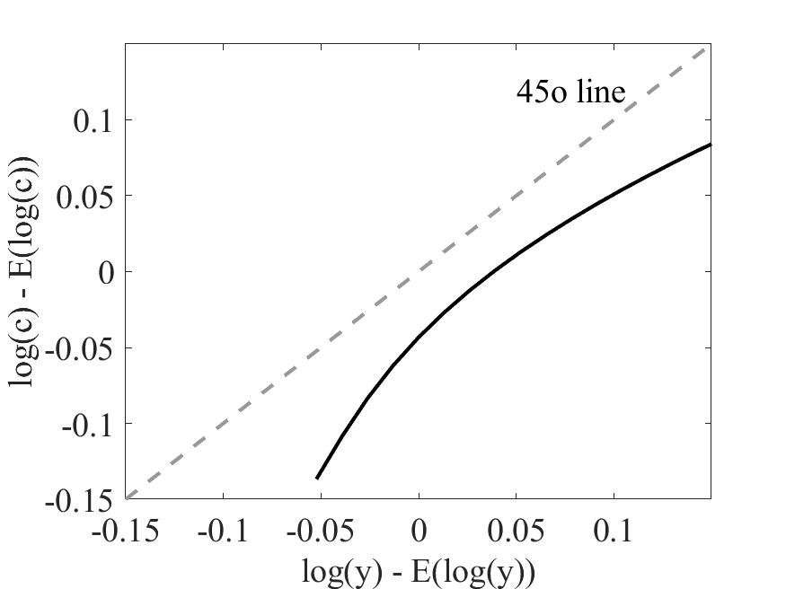
b_grid | y_grid | q | b_next | q_paid |  |  |  | default
-4 | -0.156859 | 4E-11 | 0 | 0.9900498337 | 0 | 0.9900498337 | 0 | 1
-3.8333375 | -0.14379446 | 4E-11 | 0 | 0.9900498337 | 0 | 0.9900498337 | 0 | 1
-3.666675 | -0.13072991 | 4E-11 | 0 | 0.9900498337 | 0 | 0.9900498337 | 0 | 1
-3.5000125 | -0.11766537 | 4E-11 | 0 | 0.9900498337 | 0 | 0.9900498337 | 0 | 1
-3.33335 | -0.10460083 | 4E-11 | 0 | 0.9900498337 | 0 | 0.9900498337 | 0 | 1
-3.1666875 | -0.09153629 | 4E-11 | 0 | 0.9900498337 | 0 | 0.9900498337 | 0 | 1
-3.000025 | -0.07847175 | 4E-11 | 0 | 0.9900498337 | 0 | 0.9900498337 | 0 | 1
-2.8333625 | -0.06540721 | 5E-11 | 0 | 0.9900498337 | 0 | 0.9900498337 | 0 | 1
-2.6667 | -0.05234267 | 6E-11 | 0 | 0.9900498337 | 1E-10 | 0.9900498337 | 0 | 1
-2.5000375 | -0.03927812 | 2.11E-08 | 0 | 0.9900498337 | 2.11E-08 | 0.9900498337 | 0 | 1
-2.333375 | -0.02621358 | 2.92807E-06 | 0 | 0.9900498337 | 2.9281E-06 | 0.9900498337 | 0 | 1
-2.1667125 | -0.01314904 | 0.00013403251 | 0 | 0.9900498337 | 0.0003013021 | 0.9900498337 | 0.0002945705 | 1
-2.00005 | -0.0000845 | 0.00242384303 | 0 | 0.9900498337 | 0.0046239573 | 0.9900498337 | 0.0046183334 | 1
-1.8333875 | 0.01298004 | 0.02062354339 | 0 | 0.9900498337 | 0.0327562618 | 0.9900498337 | 0.032760682 | 1
-1.666725 | 0.02604458 | 0.08946640231 | 0 | 0.9900498337 | 0.1222254932 | 0.9900498337 | 0.1222641381 | 1
-1.5000625 | 0.03910912 | 0.220867135 | -3.8885268375 | 0.2686451718 | 0.2686451718 | 0.2687440748 | 0.2687440748 | 0
-1.3334 | 0.05217367 | 0.36432940216 | -3.8883432756 | 0.4110624202 | 0.4110624202 | 0.4112265278 | 0.4112265278 | 0
-1.1667375 | 0.06523821 | 0.47782294357 | -3.8880611703 | 0.5172622241 | 0.5172622241 | 0.5174817097 | 0.5174817097 | 0
-1.000075 | 0.07830275 | 0.56179656756 | -3.887531694 | 0.5948193022 | 0.5948193022 | 0.5950841956 | 0.5950841956 | 0
-0.8334125 | 0.09136729 | 0.62556102856 | -3.886465019 | 0.6536326803 | 0.6536326803 | 0.6539353595 | 0.6539353595 | 0
-0.66675 | 0.10443183 | 0.67510719652 | -3.8848130496 | 0.6993318059 | 0.6993318059 | 0.6996662518 | 0.6996662518 | 0
-0.5000875 | 0.11749637 | 0.71440057949 | -3.8825349291 | 0.7355874881 | 0.7355874881 | 0.7359489289 | 0.7359489289 | 0
-0.333425 | 0.13056091 | 0.74615182485 | -3.8796257947 | 0.76489985 | 0.76489985 | 0.765284488 | 0.765284488 | 0
-0.1667625 | 0.14362546 | 0.77226820702 | -3.8761046772 | 0.7890311805 | 0.7890311805 | 0.789435988 | 0.789435988 | 0
-0.0001 | 0.15669 | 0.79425955476 | -3.8720229964 | 0.8093664819 | 0.8093664819 | 0.8097891191 | 0.8097891191 | 0
 |  | 4E-11 | 0 | 0.9900498337 | 0 | 0.9900498337 | 0 | 1
 |  | 4E-11 | 0 | 0.9900498337 | 0 | 0.9900498337 | 0 | 1
 |  | 4E-11 | 0 | 0.9900498337 | 0 | 0.9900498337 | 0 | 1
 |  | 4E-11 | 0 | 0.9900498337 | 0 | 0.9900498337 | 0 | 1
 |  | 4E-11 | 0 | 0.9900498337 | 0 | 0.9900498337 | 0 | 1
 |  | 4E-11 | 0 | 0.9900498337 | 0 | 0.9900498337 | 0 | 1
 |  | 4E-11 | 0 | 0.9900498337 | 0 | 0.9900498337 | 0 | 1
 |  | 5E-11 | 0 | 0.9900498337 | 0 | 0.9900498337 | 0 | 1
 |  | 5.3E-10 | 0 | 0.9900498337 | 2.1E-09 | 0.9900498337 | 0 | 1
 |  | 1.4153E-07 | 0 | 0.9900498337 | 3.953E-07 | 0.9900498337 | 0 | 1
 |  | 1.32868E-05 | 0 | 0.9900498337 | 4.59556E-05 | 0.9900498337 | 3.91694E-05 | 1
 |  | 0.00042802642 | 0 | 0.9900498337 | 0.0012095208 | 0.9900498337 | 0.001202493 | 1
 |  | 0.00593708639 | 0 | 0.9900498337 | 0.0126347594 | 0.9900498337 | 0.0126316691 | 1
 |  | 0.03979154542 | 0 | 0.9900498337 | 0.0662102361 | 0.9900498337 | 0.0662277339 | 1
 |  | 0.13992634719 | 0 | 0.9900498337 | 0.1908898036 | 0.9900498337 | 0.190958228 | 1
 |  | 0.29280647436 | -3.7252346184 | 0.3476925083 | 0.3476925083 | 0.3478303274 | 0.3478303274 | 0
 |  | 0.43350091053 | -3.7273069008 | 0.4777032314 | 0.4777032314 | 0.4779054542 | 0.4779054542 | 0
 |  | 0.53590191374 | -3.7277677033 | 0.5710329531 | 0.5710329531 | 0.5712873977 | 0.5712873977 | 0
 |  | 0.61020987397 | -3.7275702588 | 0.6392764453 | 0.6392764453 | 0.6395731433 | 0.6395731433 | 0
 |  | 0.66631353495 | -3.7267083865 | 0.6908308498 | 0.6908308498 | 0.6911622687 | 0.6911622687 | 0
 |  | 0.7097414514 | -3.7251239714 | 0.7307326995 | 0.7307326995 | 0.7310930391 | 0.7310930391 | 0
 |  | 0.74408348663 | -3.7228363646 | 0.7623215019 | 0.7623215019 | 0.7627062736 | 0.7627062736 | 0
 |  | 0.771777824 | -3.719868446 | 0.7878479076 | 0.7878479076 | 0.7882536033 | 0.7882536033 | 0
 |  | 0.79453736658 | -3.7162595193 | 0.8088769539 | 0.8088769539 | 0.8093008108 | 0.8093008108 | 0
 |  | 0.81370401564 | -3.7120765748 | 0.8266210013 | 0.8266210013 | 0.8270609003 | 0.8270609003 | 0
 |  | 4E-11 | 0 | 0.9900498337 | 0 | 0.9900498337 | 0 | 1
 |  | 4E-11 | 0 | 0.9900498337 | 0 | 0.9900498337 | 0 | 1
 |  | 4E-11 | 0 | 0.9900498337 | 0 | 0.9900498337 | 0 | 1
 |  | 4E-11 | 0 | 0.9900498337 | 0 | 0.9900498337 | 0 | 1
 |  | 4E-11 | 0 | 0.9900498337 | 0 | 0.9900498337 | 0 | 1
 |  | 4E-11 | 0 | 0.9900498337 | 0 | 0.9900498337 | 0 | 1
 |  | 5E-11 | 0 | 0.9900498337 | 0 | 0.9900498337 | 0 | 1
 |  | 6E-11 | 0 | 0.9900498337 | 0 | 0.9900498337 | 0 | 1
 |  | 9.12E-09 | 0 | 0.9900498337 | 2.14E-08 | 0.9900498337 | 0 | 1
 |  | 1.54151E-06 | 0 | 0.9900498337 | 0.000002588 | 0.9900498337 | 0 | 1
 |  | 8.425486E-05 | 0 | 0.9900498337 | 0.0002117072 | 0.9900498337 | 0.000204234 | 1
 |  | 0.00175203218 | 0 | 0.9900498337 | 0.0036596007 | 0.9900498337 | 0.003652969 | 1
 |  | 0.01686019956 | 0 | 0.9900498337 | 0.0285262972 | 0.9900498337 | 0.0285291858 | 1
...

