Sheet1
Distance between supplier ℎ and distribution center 𝑖 (km)
 | i1 | i2 | i3 | i4 | i5 | i6 | i7 | i8
h1 | 39.3 | 10.1 | 13.4 | 12.7 | 22.1 | 28.6 | 22 | 20.5 |  |  | DC |  |  | Cus |  | Supplier |  |  | Table 8 | k | cost | corruption rate | fi2xmax3 | fixmax3 | fixmax
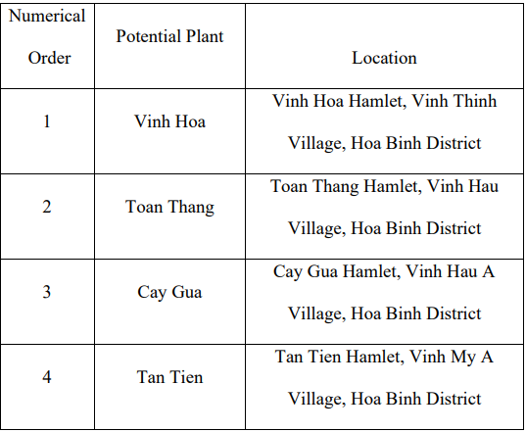
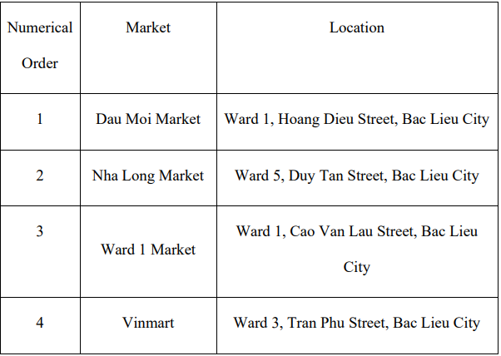
h2 | 30.4 | 15.3 | 37.3 | 21 | 13.2 | 25.2 | 18.6 | 16.6 |  |  |  |  |  |  |  | 1 | Vinh Thinh |  |  | 1.00 | 126000.00 | 0.05 | 0.00000004245312429362578 | 0.00020604155962724070000 | 0.00000000000874710794051
h3 | 20.9 | 28.5 | 39.1 | 22.8 | 15.7 | 28 | 30.8 | 30.5 | 2 | Vinh Hau |  |  |  |  |  | 2 | Vinh Hau |  |  | 2.00 | 195000.00 | 0.04 | 0.00000007009904416155909 | 0.00026476224081533814000 | 0.00000000001855958001123
 |  |  |  |  |  |  |  |  |  |  |  |  |  |  |  | 3 | Vinh My A
 |  |  |  |  |  |  |  |  | 4 | Vinh My A

Distance between distribution center 𝑖 and customer 𝑗 (km) |  |  |  |  |  |  |  |  |  |  |  |  |  |  |  | ajk | 1 | 2 | Bj
 | i1 | i2 | i3 | i4 | i5 | i6 | i7 | i8 |  |  |  |  |  |  |  | 1 | 0.7 | 0.8 | 1 | 0.75
j1 | 22.9 | 19.3 | 8.8 | 20.9 | 22.5 | 7.2 | 10.2 | 12 |  |  |  |  |  |  |  | 2 | 0.6 | 0.9 | 2 | 0.8
j2 | 21.5 | 19.8 | 8.7 | 21.7 | 21.9 | 8.7 | 11.7 | 8.2 |  |  |  |  |  |  |  | 3 | 0.9 | 0.7 | 3 | 0.65
j3 | 24.5 | 16.9 | 8.5 | 27.7 | 20.9 | 8.2 | 11.2 | 12.2 |  |  |  |  |  |  |  | 4 | 0.7 | 0.8 | 4 | 0.7
j4 | 22.6 | 18.6 | 9 | 20.4 | 20.3 | 9 | 12 | 9.1 |  |  |  |  |  |  |  | 5 | 0.8 | 0.9 | 5 | 0.85
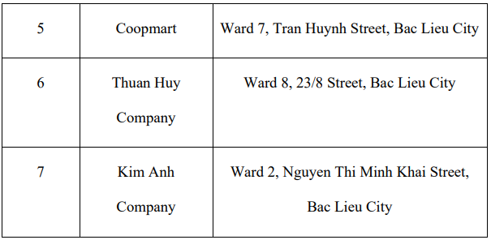
j5 | 24.1 | 17.9 | 10 | 19.8 | 19.5 | 9.8 | 12.7 | 10.4 |  |  |  |  |  |  |  | 6 | 0.9 | 0.5 | 6 | 0.65
j6 | 24.4 | 17.1 | 10.5 | 17.6 | 17.8 | 11 | 14 | 11.7 |  |  |  |  |  |  |  | 7 | 0.6 | 0.7 | 7 | 0.55
j7 | 22.1 | 19.1 | 8 | 22.1 | 21.9 | 7.3 | 10.3 | 9.4 |  |  |  |  |  |  |  | 8 | 0.7 | 0.8 | 8 | 0.5
j8 | 26.3 | 22.9 | 12.5 | 25.7 | 25.3 | 3.6 | 6.5 | 13.1 |  | 5 | Vinh My B | Hamlet 14, Vinh My B Commune, Hoa Binh District |  |  |  | 9 | 0.7 | 0.6 | 9 | 0.8
j9 | 29.4 | 22.6 | 31.2 | 25 | 15.8 | 35.6 | 38.6 | 36.1 |  | 6 | Vinh Trach | 2 Provincial Road 38, Vinh Trach, Bac Lieu |  |  |  | 10 | 0.9 | 0.7 | 10 | 0.7
j10 | 20.6 | 12.2 | 21.6 | 14.7 | 3.5 | 25.3 | 28.3 | 31.8 |  | 7 | Vinh Trach Dong | 7/233 Bien Tay A hamlet, Vinh Trach Dong commune | 8 | TRUONG PHU SEAFOODS CO. | No. 1/399, South Hau River Highway, Vinh An Hamlet, Vinh Trach Commune, Bac Lieu City | 11 | 0.8 | 0.7 | 11 | 0.9
j11 | 22.2 | 18.8 | 12.9 | 25.8 | 28.4 | 10.1 | 14.7 | 5.6 |  | 8 | Hiep Thanh | Giong Nhan Hamlet, Hiep Thanh Commune, Bac Lieu City | 9 | Bau Sang Market | Provincial Road 2, Vinh Binh, Hoa Binh, Bac Lieu | 12 | 0.7 | 0.9 | 12 | 0.8
j12 | 23.2 | 19.8 | 15.6 | 33.7 | 33.5 | 7.8 | 1.7 | 6.6 |  |  |  |  | 10 | Thuy Ngan Seafood | National Highway 1A, Vinh My B, Hoa Binh |  | 0.75 | 0.75
 |  |  |  |  |  |  |  |  |  |  |  |  | 11 | Dau Kinh Market | Lo Ren, Hiep Thanh, Bac Lieu
 |  |  |  |  |  |  |  |  |  |  |  |  | 12 | Vinh Trach Dong Market | Vinh Trach Dong, Bac Lieu

