About
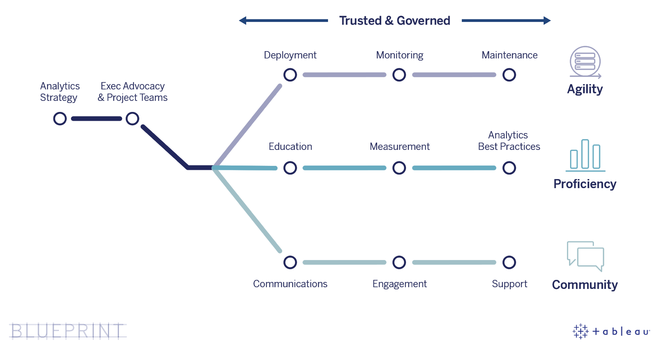
Tableau Blueprint Planner
Tableau Blueprint is a step-by-step methodology to becoming a data-driven organization. It assists you with deploying and operating Tableau by developing three core capabilities: agility, proficiency, and community. The Blueprint Planner will guide you through key decision points during the deployment process. Each tab is color-coded to help you identify the corresponding area. For more detailed information, visit Tableau Blueprint documentation at https://onlinehelp.tableau.com/current/blueprint/en-us/bp_overview.htm. (Updated 5/1/2020)

