Easy
1. Reversing Array

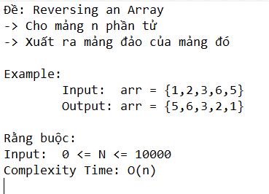

2

