z-test
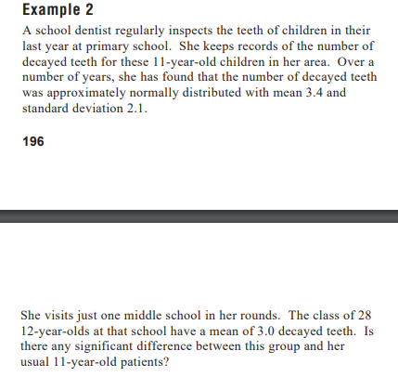
z-statistic for population mean (μ)
One Sample (n >= 30), Population variance (σ) is known
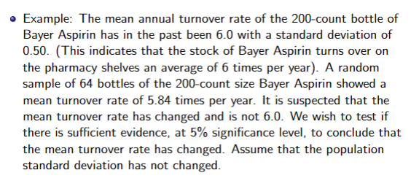
Input
Hypothesized μ | 6 | H0 | = | 6
Sample Mean x̄ | 5.84
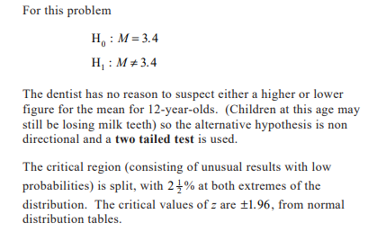
Std Dev (σ or s) | 0.5
Sample Size n | 64
Significance Level (α) | 0.05

Results
Test Statistic z stat | -2.560

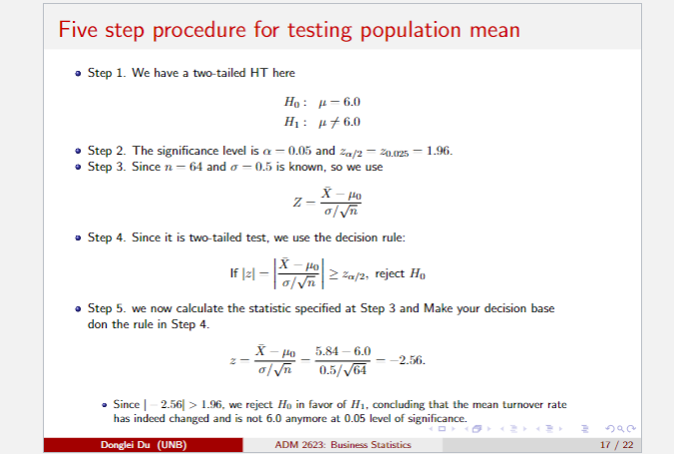
Critical z left-tail | -1.645
Critical z right-tail | 1.645
p-value left-tail | 0.0052
p-value right-tail | 0.9948

Critical z two-tails | 1.960
p-value two-tails | 0.0105

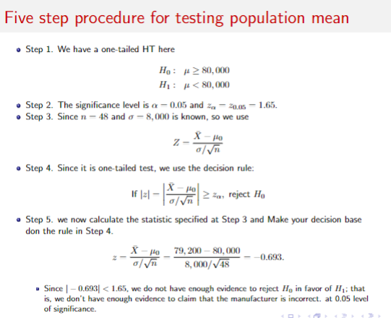
Conclusion
two-tailed
reject H0 at α = 0.05

