About
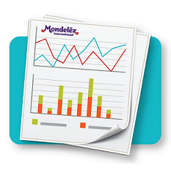
PSI - DOS LBS Exception Report

Updated: | Weekly - Friday
Posted to: | RBA Shared Reports Library
Archived to: | PSI Report Archive
Business Contact: | Bob.Delaney@mdlz.com
Technical Contact: | ReportingAndBusinessAnalysis@mdlz.com

Not In Report Sheet | Items which have returned no data from APS 7x AggSkuProjStatic
Report Sheet | PSI report.

Measures | Description | Source
SpecialDesc | Special item flags, such as Discontinued or In and Out | Manuall from file, default empty
UnderExceptions | Weeks under Minimum target in next 13 weeks | Calculation
OverExceptions | Weeks over Maximum target in next 13 weeks | Calculation
UDC_NPP_LD_GRP | NPP Assigned | APS 7x STSC.Item
Min | Minimum DOS | Manual from file with default of 28
Target | Target DOS | Manual from file, if no manual assignment then APS 7x STSC.Item, if neither then default 45
Max | Maximum DOS | Manual from file, default of 77
CovDur | Coverage duration | APS 7x AggSkuProjStatic
DepDmd | Dependent demand | APS 7x AggSkuProjStatic
ProjOH | Projected on hand | APS 7x AggSkuProjStatic
TotDmd | Total Demand | APS 7x AggSkuProjStatic
TotSupply | Total Supply | APS 7x AggSkuProjStatic

