Sheet1
Req ID | Requirement Title | Description | Priority | PIC | Estimate(hour) | Status | Change Status Date | Note | Phase
F001 | Create & Insert Database |  | Critical | Anh Khoa | 10 | Done |  |  | 1.0
F002 | Sign Up Form |  | High | Châu Phát | 5 | TO DO
F003 | Sign In Form |  | High | Trọng Lễ | 4 | TO DO
F004 | Forget Password & Change Password |  | Medium | Thanh Tài | 12 | TO DO
F005 | Load All Products |  | High | Tấn Lộc | 3 | TO DO
F006 | Load Product's detail |  | Medium | Tấn Lộc | 4 | TO DO
F007 | Re-design UI |  | High | Hồ Phát | 8 | Done
F008 | Admin's Access, Function |  | Medium | Trọng Lễ | 6 | TO DO
F000 | code optimization |  |  | TLE,TL,CP |  | Done
 | Login with Facebook & Google |  |  | CP, AK |  |  |  |  | 1.1
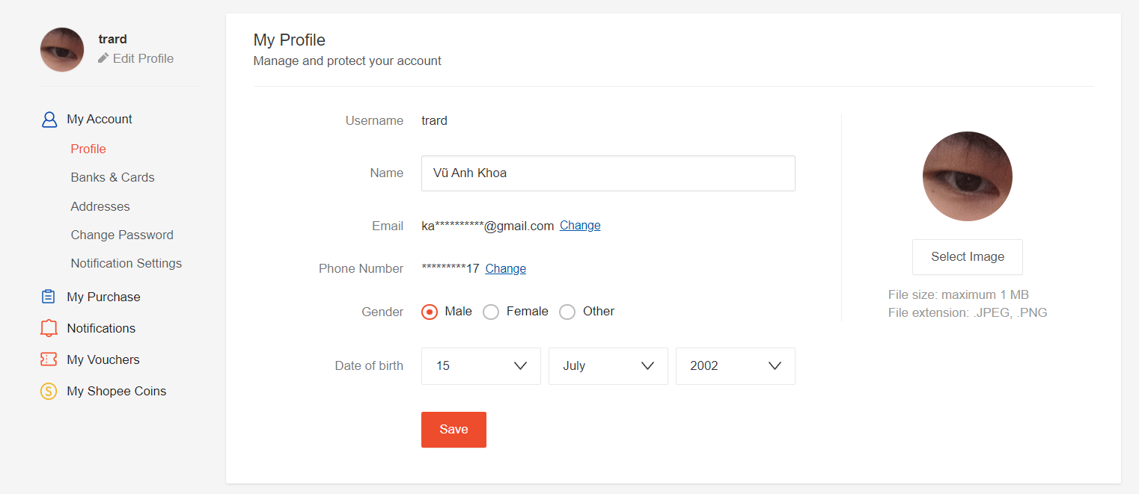
 | Load & Save User Info |  |  | TT
 | Cart UI | Giỏ hàng, thông tin hóa đơn, thông tin thanh toán |  | TL
 | Home UI |  |  | HP, TLE
 | Chuyển trang

