Test_Cases
TC#ID | Project | Scenario | Test Case Title | Steps | Test Data | Expected Results | Actual Results | Status | Comments

The main window of the application will be opened on the screen.
The application is opened in taskbar.
TC_MyCalc_001 | MyCalculatorv1 | 1 | Application opening | 1) Launch the application | N/A |  |  | PASSED WITH COMMENTS

1) Launch the application
2) Enter some data
3) Press the "Del" button
All the content will be erased.
As expected.
TC_MyCalc_002 | MyCalculatorv1 | 2 | “Del” button functionality |  | Some valid data(digits, nums) |  |  | PASSED

1) Launch the application
2) Enter some data
3) Press the "Del" button
The last number/mathematical symbol will be erased.
The function is not too intuitive.
TC_MyCalc_003 | MyCalculatorv1 | 3 | “R” button functionality |  | Some valid data(digits, nums) |  |  | PASSED WITH COMMENTS

1) Launch the application
2) Enter some data
3) Press the "Clear" button
N/A
The button has no implemented function yet.
TC_MyCalc_004 | MyCalculatorv1 | 4 | Functionality of “Clear” button |  | Some valid data(digits, nums) |  |  | FAILED

1) Launch the application
2) Press the "Minimize" button from the top right of the app interface window
The window should dissapear from the screen and the app get to the taskbar.
As expected.
TC_MyCalc_005 | MyCalculatorv1 | 5 | Functionality of “Minimize” button |  | N/A |  |  | PASSED

1) Launch the application
2) Press the "Maximize" button from the top right of the app interface window
The application window should occur the entire screen surface.
The app window is not responsible to maximization.
TC_MyCalc_006 | MyCalculatorv1 | 6 | Functionality of “Maximize” button |  | N/A |  |  | FAILED

1) Launch the application
2) Press the "Restore" button from the top right of the app interface window
The app window should be resized to the default size.
As expected.
TC_MyCalc_007 | MyCalculatorv1 | 7 | Functionality of “Restore” button |  | N/A |  |  | PASSED

1) Launch the application
2) Press the "Close" button from the top right of the app interface window
The app should end its activity.
As expected.
TC_MyCalc_008 | MyCalculatorv1 | 8 | Functionality of “Close” button |  | N/A |  |  | PASSED

1) Launch the application
2) Resize the app window using the mouse
The buttons should resized as the window interface is resized.
Nothing happens.
TC_MyCalc_009 | MyCalculatorv1 | 9 | Application window expanding |  | N/A |  |  | FAILED

1) Launch the application
2) Input digits, numbers and mathematical symbols
Digits, numbers, mathematical symbols
This action should be allowed.
As expected.
TC_MyCalc_010 | MyCalculatorv1 | 10 | Input mathematical test data |  |  |  |  | PASSED

1) Launch the application
2) Input letters, words and other non-mathematical symbols
This action should not be allowed.
This action is permitted too.
It should be not.
TC_MyCalc_010 | MyCalculatorv1 | 10 | Input alphabetical test data |  | Letters & other symbols |  |  | FAILED

* Disclaimer: in this document were not included all the aproached test cases for this project.

BugReport
I noticed that when accessing it, the application always opens in the taskbar
1) Launch the application.
QUALITY ASSURANCE |  |  |  |  |  |  |  |  |  |  | DEVELOP |  |  | Mentions
Bug ID | Application Name | Build no | Description | TC#ID | Steps to replicate bug | Screenshot | Severity | Priority | Reported by | Assigned to | Resolution | Status | Fixed Date
MYCALC_001 | MyCalculatorv1 | 1 |  | TC_no1 |  |  | N/A | N/A | Filip Neagoe | Dev team member | N/A | N/A | Unknown

PASS WITH COMMENTS

Pressing the ‘Clear’ button does not produce any results.
1) Launch the application.
2) Enter some data.
3) Press on "Clear".
MYCALC_002 | MyCalculatorv1 | 1 |  | TC_no4 |  | 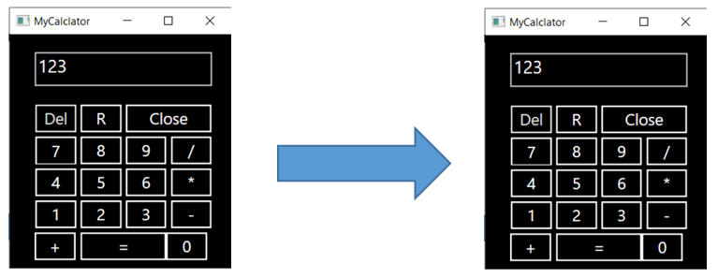 | S1 | P1 | Filip Neagoe | Dev team member | N/A | N/A | Unknown

Pressing the ‘Maximize’ button the application window should be resized to occupy the entire screen. This is not happening.
1) Launch the application.
2) Open the main window.
3) Press on "Maximize" button.
MYCALC_003 | MyCalculatorv1 | 1 |  | TC_no6 |  |  | S2 | P2 | Filip Neagoe | Dev team member | N/A | N/A | Unknown

If we try to resize the application window with the cursor, we will notice that the buttons and the computer display are not resized as they should be.
1) Launch the application.
2) Open the main window.
3) Try to resize the window using the mouse
MYCALC_004 | MyCalculatorv1 | 1 |  | TC_no9 |  |  | S2 | P2 | Filip Neagoe | Dev team member | N/A | N/A | Unknown

Enter letters and other characters that not belong to a calculator input system (~, ! , @, #, $ etc.) is allowed.
1) Launch the application.
2) Open the main window.
3) Try to enter different characters.
MYCALC_005 | MyCalculatorv1 | 1 |  | TC_no11 |  | 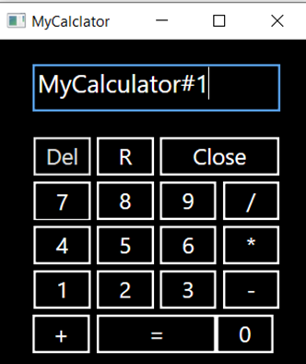 | S1 | P1 | Filip Neagoe | Dev team member | N/A | N/A | Unknown

Substraction function work just when both numbers are positive.
1) Launch the application.
2) Open the main window.
3) Execute substraction operation using different signed numbers.
MYCALC_006 | MyCalculatorv1 | 1 |  | TC_no13 |  |  | S1 | P1 | Filip Neagoe | Dev team member | N/A | N/A | Unknown

Multiplication function is not work as it should.
Instead of multiplication, division is executed.
1) Launch the application.
2) Open the main window.
3) Perform multiplication on multiple sets of numbers.
MYCALC_007 | MyCalculatorv1 | 1 |  | TC_no14 |  | 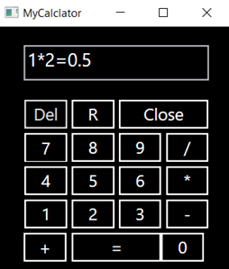 | S1 | P1 | Filip Neagoe | Dev team member | N/A | N/A | Unknown

Division function is not work as it should.
Instead of division, multiplication is executed.
1) Launch the application.
2) Open the main window.
3) Perform division on multiple sets of numbers.
MYCALC_008 | MyCalculatorv1 | 1 |  | TC_no15 |  | 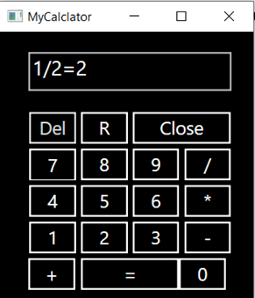 | S1 | P1 | Filip Neagoe | Dev team member | N/A | N/A | Unknown

Cannot input more than 2 parameters for an operation.
1) Launch the application.
2) Open the main window.
3) Try to insert more than 2 parameters for an operation.
MYCALC_009 | MyCalculatorv1 | 1 |  | TC_no16 |  |  | S1 | P1 | Filip Neagoe | Dev team member | N/A | N/A | Unknown

When the application default window is minimized to the maximum the buttons in the top bar will exceed the size of the window.
1) Launch the application.
2) Open the main window.
3) Minimize the app window at max using the cursor.
MYCALC_010 | MyCalculatorv1 | 1 |  | TC_no20 |  | 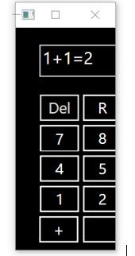 | S1 | P1 | Filip Neagoe | Dev team member | N/A | N/A | Unknown

When the application default window is minimized the size of the buttons and the computer display adapts so that the interface and functionality are affected.
1) Launch the application.
2) Open the main window.
3) Minimize the app window at max using the cursor.
MYCALC_011 | MyCalculatorv1 | 1 |  | TC_no21 |  |  | S1 | P1 | Filip Neagoe | Dev team member | N/A | N/A | Unknown

Execute multiple operations is not possible.
1) Launch the application.
2) Open the main window.
3) Try to execute at least two basic mathematical operations in a row.
MYCALC_012 | MyCalculatorv1 | 1 |  | TC_no29 |  |  | S1 | P1 | Filip Neagoe | Dev team member | N/A | N/A | Unknown

The result of an operation can not be copied.
1) Launch the application.
2) Open the main window.
3) Execute an operation.
4) Right-click on the result to see if it can be copied.
MYCALC_013 | MyCalculatorv1 | 1 |  | TC_no31 |  | N/A | S2 | P2 | Filip Neagoe | Dev team member | N/A | N/A | Unknown

Input values ​​are not limited.
1) Launch the application.
2) Open the main window.
3) Try to enter a number with numerous digits.
MYCALC_014 | MyCalculatorv1 | 1 |  | TC_no32 |  | N/A | S2 | P2 | Filip Neagoe | Dev team member | N/A | N/A | Unknown

When MyCalculator app is open on desktop (even in default size or expanded size) and I try to open another application or software, the opened application should is in the background, not in the foreground.
1) Launch the application.
2) Open the main window.
3) Launch another application.
MYCALC_015 | MyCalculatorv1 | 1 |  | TC_no33 |  | N/A | S2 | P2 | Filip Neagoe | Dev team member | N/A | N/A | Unknown

The name of the application is not displayed correctly.
1) Launch the application.
2) Open the main window.
MYCALC_016 | MyCalculatorv1 | 1 |  | TC_no35 |  |  | S2 | P2 | Filip Neagoe | Dev team member | N/A | N/A | Unknown

The graphic interface alignment is not accurate.
1) Launch the application.
2) Open the main window.
MYCALC_017 | MyCalculatorv1 | 1 |  | TC_no36 |  | 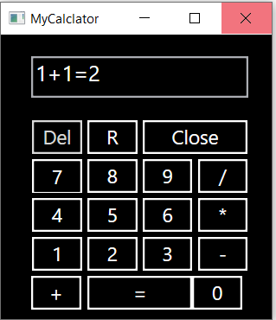 | S2 | P2 | Filip Neagoe | Dev team member | N/A | N/A | Unknown

Buttons are not intuitive.
1) Launch the application.
2) Open the main window.
MYCALC_018 | MyCalculatorv1 | 1 |  | TC_no40 |  | 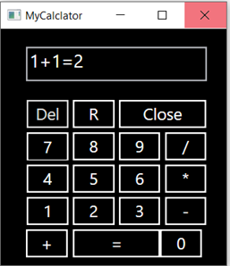 | S3 | P3 | Filip Neagoe | Dev team member | N/A | N/A | Unknown

TestMetrics
Test Metrics

Created by : Filip Neagoe
SNO | Required Data | Statistics

1 | No.of requirements | 0 | mention: no requirements were provided
2 | Average no. of written test cases per requirement | N/A | mention: no requirements were provided
3 | Total number of written test cases (for all the requirements) | 57
4 | Total number of executed test cases | 57
5 | No.of passed test cases | 15
6 | No.of passed with comments test cases | 7
7 | No.of failed test cases | 26
8 | No.of unknown status test cases | 9
9 | Total number of identified defects | 27
10 | Critical defects count | 0
11 | Higher priority / severity defects count | 15
12 | Medium priority / severity defects count | 7
13 | Low priority /severity defects count | 4
14 | Customer defects | N/A
15 | No.of defects found in UAT | *N/A | mention: the application was not released yet

Disclaimer: Defect Density, Defect Removal Efficiency, Defect Leakage, Defect Rejection Ratio, Defect Age, Customer satisfaction parameters were not provided because this was a testing exercise, not a real test situation where dev team, customer and other members should be involved also.

