Tests_Execution
TC#ID | Project / ModuleName | Req#ID | Scenario | Test Case Title | Steps | Test Data | Expected Results | Actual Result | Status(Passed / Failed) | Comments

1) Launch browser
2) Open URL "https://orangedemotrial-trials70.orangehrmlive.com/"
3) Provide valid ESS username
4) Provide valid password
5) Click on Login button
Username: Admin
Password: admin123
Login successful in the system.
ESS user should be able to see MyInfo page after login process is succesfully accomplished.
Dashboard is displayed after successful login process instead of MyInfo page.
TC_MyInfo_001 | OrangeHRM - MyInfo | 3.1.1 | ESS user Login | Verify login with valid ESS username and valid password. |  |  |  |  | FAILED(P3)

1) Launch browser
2) Open URL "https//:opensource-demo.orangehrmlive.com"
3) Provide valid ESS username
4) Provide invalid password
5) Click on Login button
Username:Admin
Password: abcdef
Invalid credentials
TC_MyInfo_002 | OrangeHRM - MyInfo | 3.1.1 | ESS user Login | Verify login with valid ESS username and invalid password. |  |  |  | As expected | PASSED

1) Launch browser
2) Open URL "https//:opensource-demo.orangehrmlive.com"
3) Provide invalid ESS username
4) Provide valid password
5) Click on Login button
Username:abcdef
Password:admin123
TC_MyInfo_003 | OrangeHRM - MyInfo | 3.1.1 | ESS user Login | Verify login with invalid ESS username and valid password. |  |  | Invalid credentials | As expected | PASSED

1) Launch browser
2) Open URL "https//:opensource-demo.orangehrmlive.com"
3) Provide invalid ESS username
4) Provide invalid password
5) Click on Login button
Username:abcdef
Password:abcdef
TC_MyInfo_004 | OrangeHRM - MyInfo | 3.1.1 | ESS user Login | Verify login with invalid ESS username and invalid password. |  |  | Invalid credentials | As expected | PASSED

1) Login as ESS user
2) Click on MyInfo tab
3) Access Personal Details area
User should be able to view "Personal Details" fields
TC_MyInfo_005 | OrangeHRM - MyInfo | 3.1.1 | ESS user can view Personal details | Verify ESS user is able to view Personal details. |  | N/A |  | As expected | PASSED

ESS user is able to enter informations in certain fields
1) Login to OrangeHRM as ESS user
2) Click on MyInfo tab
3) Access Personal Details area
4) Click on allowed fields
5) Enter First Name, Middle Name, Last Name, License Expiry Date, Gender, Marital Status, Nationality,Nick Name, Smoker field, Military Service
User should be able to enter datas in allowed fields
TC_MyInfo_006 | OrangeHRM - MyInfo | 3.1.1 |  | Verify ESS user is able to enter certain information. |  | N/A |  | As expected | PASSED

ESS user is able to edit certain field's informations
1) Login to OrangeHRM as ESS user
2) Click on MyInfo tab
3) Access Personal Details area
4) Click on allowed fields
5) Edit First Name, Middle Name, Last Name, License Expiry Date, Gender, Marital Status, Nationality,Nick Name, Smoker field, Military Service
User should be able to edit datas in allowed fields
TC_MyInfo_007 | OrangeHRM - MyInfo | 3.1.1 |  | Verify ESS user is able to edit certain information. |  | N/A |  | As expected | PASSED

ESS user is unable to edit certain fields in Personal details
1) Login to OrangeHRM as ESS user
2) Click on MyInfo tab
3) Access Personal Details area
4) Click on Edit option
The following fields should be non-editable:
•Employee ID
● SSN No
● SIN No
● Driver License No
● Date of Birth
ESS user is able to edit all the fields.
TC_MyInfo_008 | OrangeHRM - MyInfo | 3.1.1 |  | Verify ESS user cannot modify restricted fields. |  | N/A |  |  | FAILED(P2)

1) Login to OrangeHRM as ESS user
2) Click on MyInfo tab
3) Click on the photograph at corner of the screen
4) Click “Browse” and then select a photograph from the relevant path
5) Click “Upload” once you have selected the picture
Invalid file format error should be displayed if the file format does not corespond or file dimension error if the format is accepted, but the size is over 1MB.
In case of invalid format(.exe), the "Validation failed" message is displayed after the complete .exe file is upload, not before.
TC_MyInfo_009 | OrangeHRM - MyInfo | 3.1.2 | ESS user can add a profile picture | Verify ESS user can upload a profile picture. |  | Images |  |  | FAILED(P2)

1) Login to OrangeHRM as ESS user
2) Click on MyInfo tab
3) Click on “Contact Details”
TC_MyInfo_010 | OrangeHRM - MyInfo | 3.1.3 | ESS user can view "Contact Details" | Verify ESS user can view Contact details. |  | N/A | User can view Contact details area | As expected | PASSED

1) Login to OrangeHRM as ESS user
2) Click on MyInfo tab
3) Click on “Contact Details”
4) Click on Edit button
5) Access/ Edit Country, Street1, Street2, CIty/Town, State,ZIP Code, Home Telephone, Mobile, Work Email, Other Email
6) Click on Save button
User can access and edit these fields.
Successfully saved.
TC_MyInfo_011 | OrangeHRM - MyInfo | 3.1.3 | User can acces and edit "Contact Details" | Verify ESS user can access and edit Contact Details. |  | N/A |  | As expected | PASSED

1) Login to OrangeHRM as ESS user
2) Click on MyInfo tab
3) Select “Emergency Contacts”
4) Click on Add button
5) Provide the following datas:
- Name[required field]
- Relationship[required field]
- Home Telephone
- Mobile
- Work Telephone
6)Click on Save button
Entered details should appear in the "Emergency Details" table.
Operation successfully done.
TC_MyInfo_012 | OrangeHRM - MyInfo | 3.1.4 | ESS user can add an emergency contact | Verify ESS user can add and emergency contact person. |  | N/A |  | As expected | PASSED

Successfully add multiple emergency contact persons.Successfully save.
TC_MyInfo_013 | OrangeHRM - MyInfo | 3.1.4 | User can add multiple emergency contacts | Verify ESS user can add multiple emergency contact persons | Repeat the TC_MyInfo_011 test case | N/A |  | As expected | PASSED

1) Login to OrangeHRM as ESS user
2) Click on MyInfo tab
3) Select “Emergency Contacts”
4)Click on the check box next to particular entry
5) Click on Delete button
Deleted contact/ contacts should no longer appear in the Emergency Contact list.
Successfully saved the edits made.
TC_MyInfo_014 | OrangeHRM - MyInfo | 3.1.4 | ESS user can delete emergency contacts | Verify ESS user can delete multiple emergency contacts. |  | N/A |  | As expected | PASSED

1) Login to OrangeHRM as ESS user
2) Click on MyInfo tab
3) Click on “Dependents”
4) Click on Add button
5) Provide the following datas:
- Name[required]
- Relationships[required-select from the list]
- Date of birth[select using calendar]
The user is able to add one dependant & providing his personal informations.
Successfully save the operation.
TC_MyInfo_015 | OrangeHRM - MyInfo | 3.1.5 | ESS user can add a dependent | Verify ESS user can add a dependent. |  | N/A |  | As expected | PASSED

The user is able to add multiple dependant & providing their personal informations.
Successfully save the operation.
TC_MyInfo_016 | OrangeHRM - MyInfo | 3.1.5 | ESS user can add multiple dependents | Verify ESS user can add multiple dependents. | Repeat the TC_MyInfo_014 test case | N/A |  | As expected | PASSED

1) Login to OrangeHRM as ESS user
2) Click on MyInfo tab
3) Click on “Dependents”
4) Click on the check box next to particular entry / entries
5) Simply clicking “Delete”
6) Save the procedure
The user is able to delete one/multiple dependant from the data base.
They should be no longer appear in the list.
Successfully save the operation
TC_MyInfo_017 | OrangeHRM - MyInfo | 3.1.5 | User can delete one/multiple dependents | Verify ESS user can delete dependents. |  | N/A |  | As expected | PASSED

1) Login to OrangeHRM as ESS user
2) Click on MyInfo tab
3) Click on “Dependents”
4) Click “Add” under the “Attachment”
5) Select a file from a relevant path
6) Uploading the following file by clicking “Upload”
The user is able to attach one/multiple files/documents .
ESS user successfully upload them.
Successfully save the operation
TC_MyInfo_018 | OrangeHRM - MyInfo | 3.1.5 | ESS user can upload attachments | Verify ESS user can upload attachments. |  | Files/Documents |  | As expected | PASSED

1) Login to OrangeHRM as ESS user
2) Click on MyInfo tab
3) Select “Immigration”
4) Select the document type (Passport or Visa)
5) Add the “Number” of selected doc
6) Enter "Issued Date” , “Expiry Date”, the “Eligible Status” of Passport/Visa and the “Eligible Review Date”
7) Write a additonal comment if needed
The user is able to add a new instance in Immigration list.
ESS user should be able to enter and select all the required datas in the certain fields.
Save the added instance.
TC_MyInfo_019 | OrangeHRM - MyInfo | 3.1.6 | ESS user can add immigration details | Verify ESS user can add immigration details. |  | N/A |  | As expected | PASSED

The user can add multiple immigrations entries in the Immigration list.
TC_MyInfo_020 | OrangeHRM - MyInfo | 3.1.6 | User can add multiple immigration details | Verify ESS user can add multiple immigration entries. | Repeat TC_MyInfo_018 test case | N/A |  | As expected | PASSED

1) Login to OrangeHRM as ESS user
2) Click on MyInfo tab
3)Select “Immigration”
4) Click on the check box next to particular entry
5) Click the check box entries you wish to delete
6) Click Delete
The user can delete single/multiple immigrations entries in the Immigration list.
They should no longer appear in the immigration table.
TC_MyInfo_021 | OrangeHRM - MyInfo | 3.1.6 | ESS user can delete immigrations details | Verify ESS user can delete single/multiple immigration entries |  | N/A |  | As expected | PASSED

1) Login to OrangeHRM as ESS user
2) Click on MyInfo tab
3)Select “Immigration”
4) Click “Add” under the “Attachment"
5) Select a file from a relevant path
6) Upload the following file by clicking “Upload”
The user should be able to select and upload documents in the immigration dedicated field.
TC_MyInfo_022 | OrangeHRM - MyInfo | 3.1.6 | ESS user can attach documents | Verify ESS user can attach documents . |  | N/A |  | As expected | PASSED

1) Login to OrangeHRM as ESS user
2) Click on MyInfo tab
3)Select “Job”
4) You are only able to view job details that have been pre-defined by the administrator:
- Job Title, Job Specification, Employment Status, Job Category, Joined Date, Sub Unit, Location, Contract Start Date/End Date, Attachments
The user cannot edit pre-defined fields.
TC_MyInfo_023 | OrangeHRM - MyInfo | 3.1.7 | ESS user cannot change job details | Verify ESS user cannot change job details. |  | N/A |  | As expected | PASSED

1) Login to OrangeHRM as ESS user
2) Click on MyInfo tab
3) Select “Salary"
4) Following informations cannot be accessed by user:
- Salary Component, Pay Frequency, Currency, Amount, Comments, Direct Deposit Details, Attachments
Regular user is not able to access "Salary" informations
TC_MyInfo_024 | OrangeHRM - MyInfo | 3.1.8 | User cannot access the salary field information | Verify ESS user cannot access the salary field. |  | N/A |  | As expected | PASSED

1) Login to OrangeHRM as ESS user
2) Click on MyInfo tab
3) Select “Salary”
4) Following informations cannot be edited by user:
- Salary Component, Pay Frequency, Currency, Amount, Comments, Direct Deposit Details, Attachments
Regular user is not able to edit "Salary" informations
TC_MyInfo_025 | OrangeHRM - MyInfo | 3.1.8 | User is restricted to edit the Salary fields | Verify ESS user cannot edit the salary field. |  | N/A |  | As expected | PASSED

ESS user can only view the list of supervisors
Verify ESS user can only view the list of supervisors.
1) Login to OrangeHRM as ESS user
2) Click on MyInfo tab
3) Select “Report to”
4) User can only view the list of supervisors
User can only view the supervisors list
TC_MyInfo_026 | OrangeHRM - MyInfo | 3.1.9 |  |  |  | N/A |  | As expected | PASSED

A superviser-user can view the list of suordinates
Verify superviser-user can view his subordinates.
1) Login to OrangeHRM as superviser user
2) Click on MyInfo tab
3) Select “Report to”
4) Superviser user can view the list of his subordinates
Superviser user can view the list of his subordinates
TC_MyInfo_027 | OrangeHRM - MyInfo | 3.1.9 |  |  |  | N/A |  | As expected | PASSED

ESS user cannot modify certain fields
Verify ESS user cannot edit certain fields.
1) Login to OrangeHRM as superviser user
2) Click on MyInfo tab
3) Select “Report to”
4) Fields that cannot be modified:
- Assigned Supervisors
- Assigned Subordinates
- Attachments
User or superviser user cannot edit certain datas.
TC_MyInfo_028 | OrangeHRM - MyInfo | 3.1.9 |  |  |  | N/A |  | As expected | PASSED

1) Login to OrangeHRM as superviser user
2) Click on MyInfo tab
3) Select “Qualifications”
4) Click “Add” under “Work Experience”
5) Enter the following details:
- Company[required], Job Title[required], Start Date, End Date, Comments[optional]
-Click "Save"
TC_MyInfo_029 | OrangeHRM - MyInfo | 3.1.10 | ESS user can add work experience | Verify ESS can add work experience. |  | N/A | ESS user can add work experience | As expected | PASSED

ESS user may enter multiple entries of work experience
Verify ESS can add multiple work experience.
TC_MyInfo_030 | OrangeHRM - MyInfo | 3.1.10 |  |  | Repeat TC_MyInfo_028 test case | N/A | ESS user can add multiple work experience | As expected | PASSED

ESS user can delete one or multiple entries in "Work Experience"
Verify ESS can delete one/multiple multiple work experience.
1) Login to OrangeHRM as superviser user
2) Click on MyInfo tab
3) Select “Qualifications”
4) To delete an entry, click on the check box next to a particular entry.
To delete multiple entries at the same time by clicking the check box entries you wish to delete.
5) Click "Delete".
ESS user can delete one/multiple multiple work experience entries
TC_MyInfo_031 | OrangeHRM - MyInfo | 3.1.10 |  |  |  | N/A |  | As expected | PASSED

Verify ESS can enter education details.
1) Login to OrangeHRM as superviser user
2) Click on MyInfo tab
3) Select “Qualifications”
4) Click “Add” under “Education”
5) Enter the datas:
- Level[required], Institute,Major, Year, GPA, Start Date, End Date
6) Click "Save"
TC_MyInfo_032 | OrangeHRM - MyInfo | 3.1.10 | ESS user can introduce education details |  |  | N/A | ESS user can enter education details | As expected | PASSED

Verify ESS can enter multiple education details.
ESS user can enter multiple education details
TC_MyInfo_033 | OrangeHRM - MyInfo | 3.1.10 | User can add multiple entries in education list |  | Repeat TC_MyInfo_031 test case | N/A |  | As expected | PASSED

1) Login to OrangeHRM as superviser user
2) Click on MyInfo tab
3) Select “Qualifications”
4)Click on the check box next to particular entry
5) To delete multiple entries at the same time by clicking the check box entries you wish to delete
6) Click "Delete"
7) Save
ESS user can delete single/ multiple education details
TC_MyInfo_034 | OrangeHRM - MyInfo | 3.1.10 | ESS user can delete education entries | Verify ESS user can delete single/ multiple education details |  | N/A |  | As expected | PASSED

ESS user can add one or multiple skills/talents
Verify ESS user can add single/ multiple skills/ talents.
1) Login to OrangeHRM as superviser user
2) Click on MyInfo tab
3) Select “Skills”
4) To enter skills, click “Add” under “Skills”
5) Complete the fields:
- Skill[required], Years of Experience, Comments
6) Save
ESS user can add single/ multiple skills/ talents
TC_MyInfo_035 | OrangeHRM - MyInfo | 3.1.10 |  |  |  | N/A |  | As expected | PASSED

ESS user can delete one or multiple instances of "Skills" category
Verify ESS user can delete single/ multiple intances of
"Skills" category.
1) Login to OrangeHRM as superviser user
2) Click on MyInfo tab
3) Select “Skills”
4) Click on the check box next to particular entry.
5) To delete multiple entries at the same time click the check box entries you wish to delete
6) Click "Delete"
ESS user can delete single/ multiple skills/ talents
TC_MyInfo_036 | OrangeHRM - MyInfo | 3.1.10 |  |  |  | N/A |  | As expected | PASSED

ESS user can add a language
1) Login to OrangeHRM as superviser user
2) Click on MyInfo tab
3) Select “Languages”
4) Click “Add” under “Language”
5) Complete the fields:
- Language[required], Fluency[required], Competency[required], Comments
6) Save
ESS user can add a language
TC_MyInfo_037 | OrangeHRM - MyInfo | 3.1.10 |  | Verify ESS user can add a language. |  | N/A |  | As expected | PASSED

TC_MyInfo_038 | OrangeHRM - MyInfo | 3.1.10 | ESS user can add multiple language | Verify ESS user can add multiple languages. | Repeat TC_MyInfo_036 test case | N/A | ESS user can add multiple languages | As expected | PASSED

1) Login to OrangeHRM as superviser user
2) Click on MyInfo tab
3) Select “Languages”
4) Click on the check box next to particular entry
5) To delete multiple entries at the same time click the check box entries you wish to delete
6) Click "Delete"
TC_MyInfo_039 | OrangeHRM - MyInfo | 3.1.10 | User can remove one/multiple languages | Verify ESS user can remove multiple languages. |  | N/A | ESS user can remove multiple languages | As expected | PASSED

1) Login to OrangeHRM as superviser user
2) Click on MyInfo tab
3) Select “License”
4) Click “Add” under “Language”
5) Enter:
- License Type[required], License Number, Issued Date, Expity Date
6) Click "Save"
TC_MyInfo_040 | OrangeHRM - MyInfo | 3.1.10 | ESS user can add a license | Verify ESS user can add a license. |  | N/A | ESS user can add a license | As expected | PASSED

Repeat TC_MyInfo_039 test case
TC_MyInfo_041 | OrangeHRM - MyInfo | 3.1.10 | ESS user can add multiple licenses | Verify ESS user can add multiple licenses. |  | N/A | ESS user can add multiple licenses | As expected | PASSED

1) Login to OrangeHRM as superviser user
2) Click on MyInfo tab
3) Select “License”
4) Click on the check box next to particular entry
5) To delete multiple entries at the same time by clicking the check box entries you wish to delete
6) Click "Delete"
TC_MyInfo_042 | OrangeHRM - MyInfo | 3.1.10 | User can delete single/multiple licenses | Verify ESS user can delete single/ multiple licenses. |  | N/A | ESS user can remove licenses | As expected | PASSED

ESS user can add a document for supporting a license
Verify ESS user can attacht a document in "License" field.
1) Login to OrangeHRM as superviser user
2) Click on MyInfo tab
3) Select “License”
4) Click “Add” under attachment
5) Click “Browse” and select the file from the relevant path
6) Click “Upload” to upload it
7) Add a comment (optional)
User can add a document for supporting a license
TC_MyInfo_043 | OrangeHRM - MyInfo | 3.1.10 |  |  |  | N/A |  | As expected | PASSED

ESS user can attach multiple documents for supporting a license
TC_MyInfo_044 | OrangeHRM - MyInfo | 3.1.10 |  | Verify ESS user can add multiple document in "License" field | Repeat TC_MyInfo_042 test case | N/A | User can add multiple documents | As expected | PASSED

1) Login to OrangeHRM as superviser user
2) Go to My Info>>Personal>>Membership
3) Click “Add”
4) Enter:
- Membership[required], Subscription Pay, Subscription Amount, Currency, Subscription Commence Date, Subscription Renewal Date
5) Click “Save”
TC_MyInfo_045 | OrangeHRM - MyInfo | 3.1.11 | ESS user can add membership details | Verify ESS user can add membership details. |  | N/A | User can add membership details | As expected | PASSED

TC_MyInfo_046 | OrangeHRM - MyInfo | 3.1.11 | ESS user can add multiple memberships | Verify ESS user can add multiple memberships. | Repeat TC_MyInfo_044 test case | N/A | User can add multiple memberships | As expected | PASSED

1) Login to OrangeHRM as superviser user
2) Go to My Info>>Personal>>Membership
3) Click on the check box next to particular entry
4) To delete multiple entries at the same time click the check box entries you wish to delete
5) Click "Delete"
TC_MyInfo_047 | OrangeHRM - MyInfo | 3.1.11 | ESS user can remove memberships | Verify ESS user can remove one/multiple memberships. |  | N/A | User can remove memberships | As expected | PASSED

1) Login to OrangeHRM as superviser user
2) Go to My Info>>Personal>>Membership
3) Click “Add” under the “Attachment”
4) Select a file from a relevant path
5) Upload the following file by clicking “Upload”
TC_MyInfo_048 | OrangeHRM - MyInfo | 3.1.11 | ESS user can attach documents | Verify ESS user can upload membership documents. |  | N/A | User can attach and upload documents | As expected | PASSED

BugReport
Dashboard is displayed after successful login process instead of MyInfo page.
1) Launch browser
2) Open URL "https://orangedemotrial-trials70.orangehrmlive.com/"
3) Provide valid ESS username
4) Provide valid password
5) Click on Login button
QUALITY ASSURANCE |  |  |  |  |  |  |  |  |  |  | DEVELOP
Bug ID | Module Name | Build no | Description | TC#ID | Steps to replicate bug | Screenshot | Severity | Priority | Reported by | Assigned to | Resolution | Status | Fixed Date
ORHRM_001 | OrangeHRM-MyInfo | 1 |  | TC_MyInfo_001 |  | 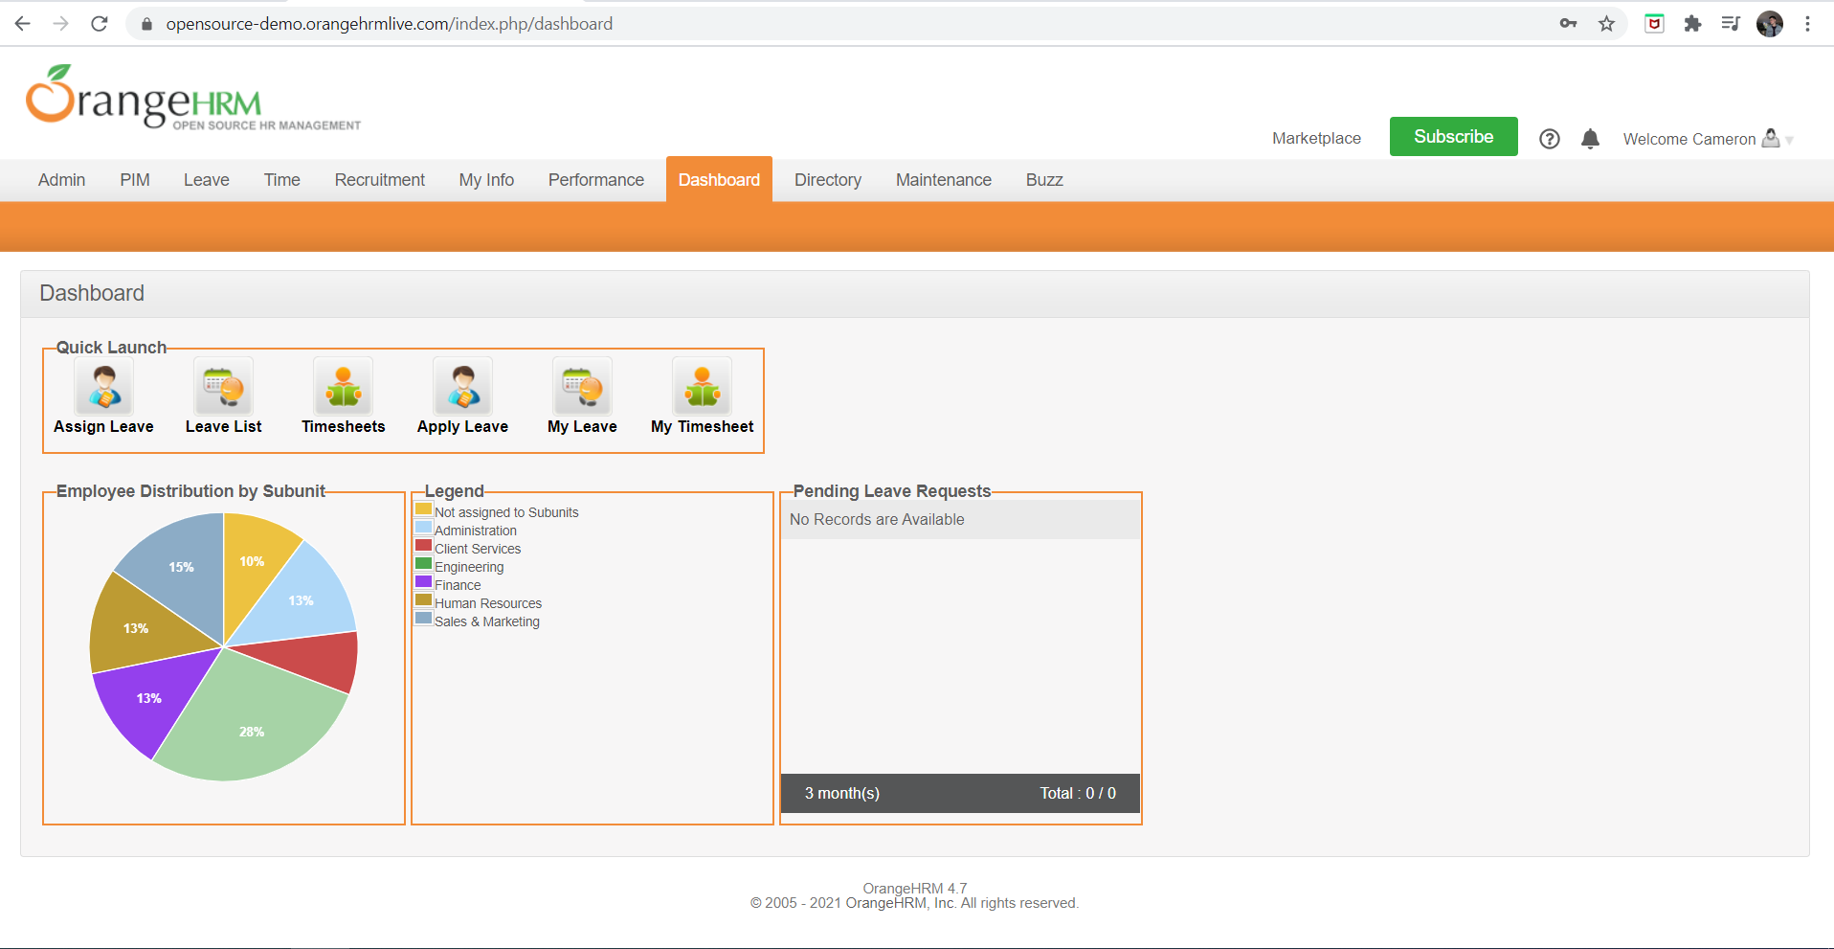 | S3 | P3 | Filip Neagoe | Dev team member | Accepted | In progress | Unknown

ESS user is able to edit all the restricted fields.
1) Login to OrangeHRM as ESS user
2) Click on MyInfo tab
3) Access Personal Details area
4) Click on Edit option
ORHRM_002 | OrangeHRM-MyInfo | 1 |  | TC_MyInfo_007 |  | 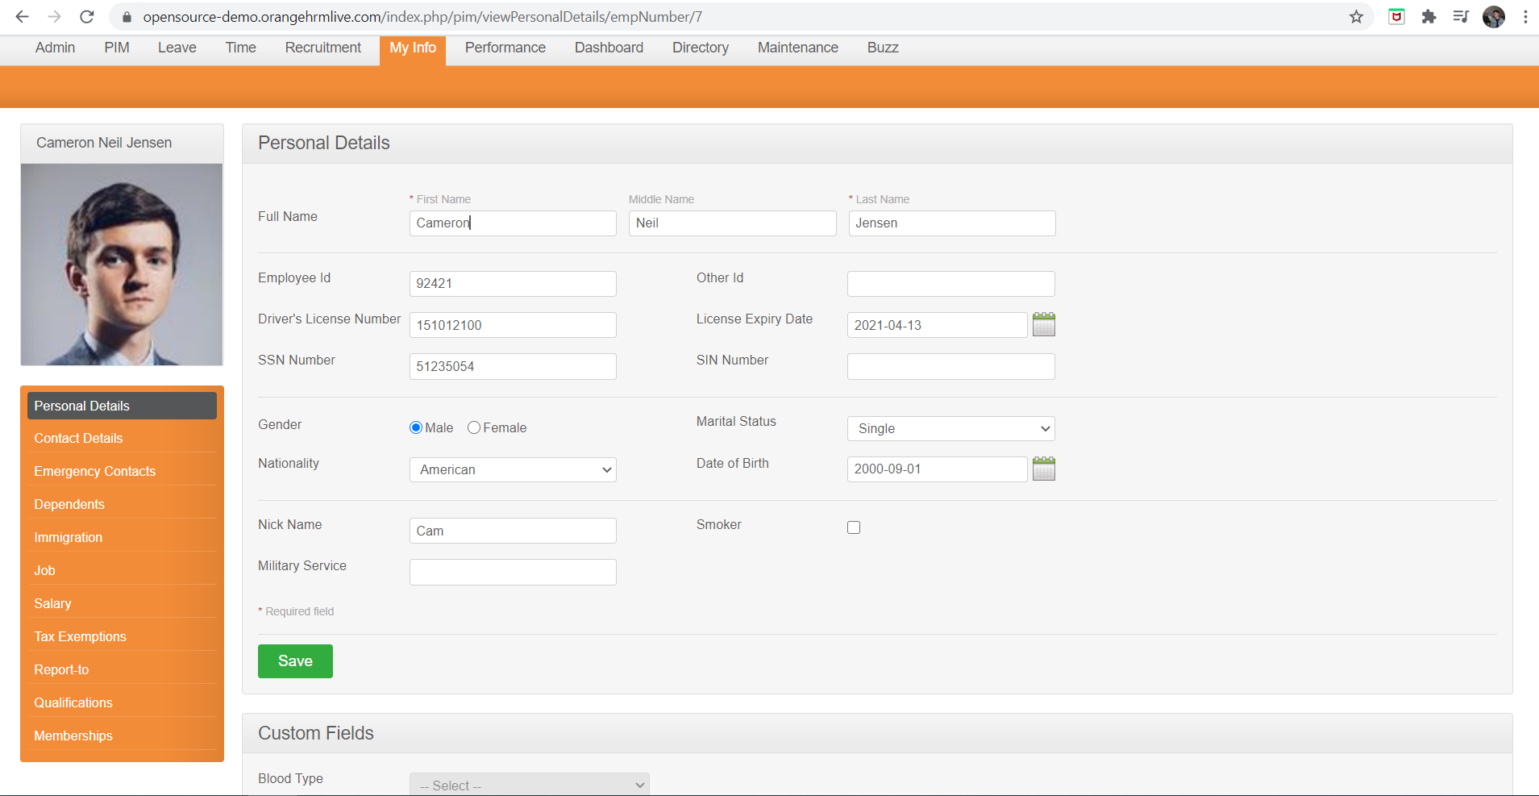 | S2 | P2 | Filip Neagoe | Dev team member | Accepted | Open | Unknown

In case of invalid format(.exe), the "Validation failed" message is displayed after the complete .exe file is upload, not before.
1) Login to OrangeHRM as ESS user
2) Click on MyInfo tab
3) Click on the photograph at corner of the screen
4) Click “Browse” and then select a photograph from the relevant path
5) Click “Upload” once you have selected the picture
ORHRM_003 | OrangeHRM-MyInfo | 1 |  | TC_MyInfo_008 | 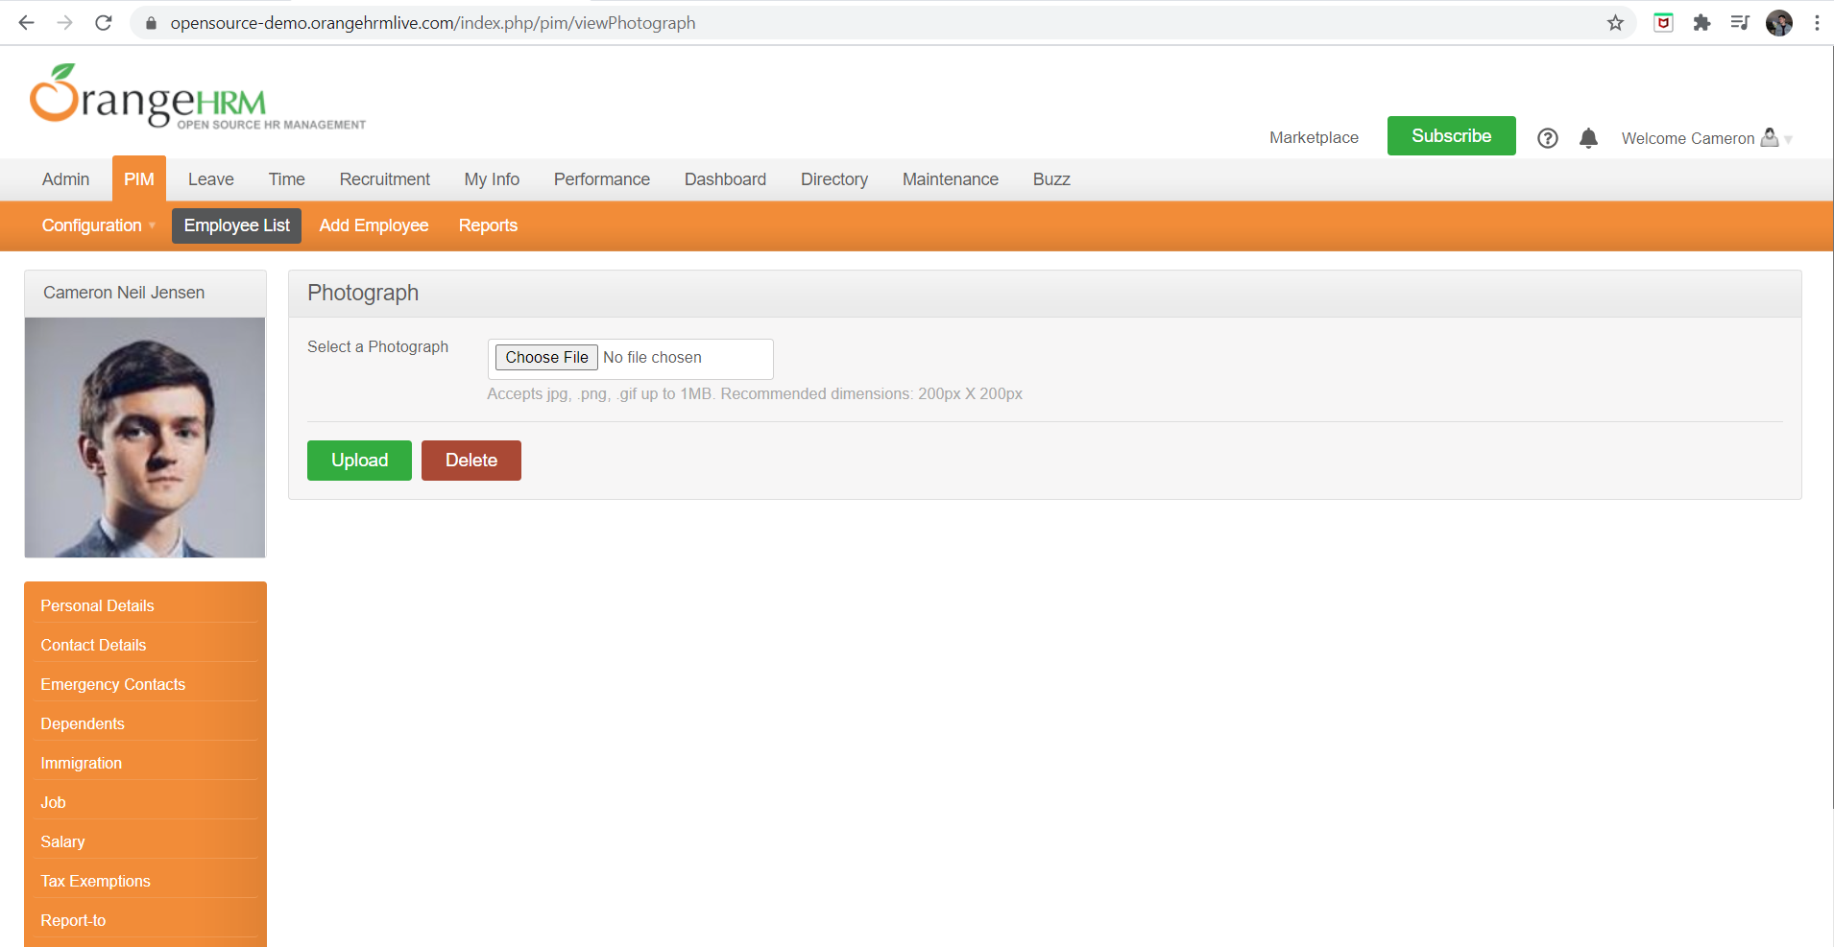 |  | S2 | P2 | Filip Neagoe | Dev team member | Accepted | Open | Unknown

