Moorings
Ref Des | Serial Number | Deployment Number | Anchor Launch Date | Anchor Launch Time | Recover Date | Latitude | Longitude | Water Depth | Cruise Number | Notes
CP02PMCI | CP02PMCI-0000# | # | 14-Apr-14 | 12:00:00 | 4-Nov-14 | 41°51.875'N | 70°70.090'W | 140 m | KN 217 |  | 41.864583333 | -71.168166667

DO NOT CHANGE | Insert last digit indicating the serial of this deployed platform | Insert number of times this particular platform has been deployed | Replace this date with date this particular platform was deployed - format is important | Replace this time with time this particular platform was deployed | Replace this date with date this particular platform was recovered - if no recovery date available, leave it blank; be sure recovery date from deployment does not overlap launch date for deployment n+1 | Replace this latitude with latitude this particular platform was deployed to | Replace this longitude with longitude this particular platform was deployed to | If available, use actual water depth of deployed platform (it may vary by several meters). Otherwise, use this measurement. | Replace this cruise number with cruise number involved in deploying this particular platform

 |  |  |  |  |  | Format: Use degrees, minutes (3 decimal places), + compass direction - the minute symbol is the key next to the return, not the one next to the number 1
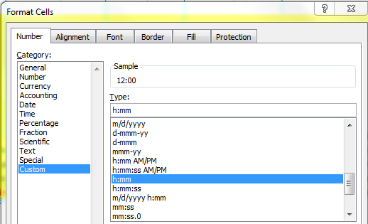
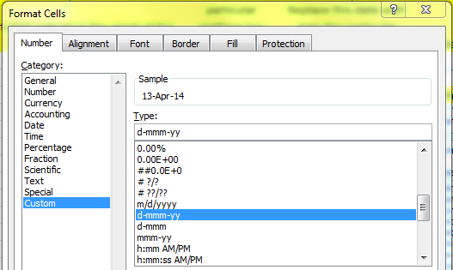

Example
CP02PMUI | CP02PMUI-00002 | 2 | 13-Apr-14 | 12:00:00 | 4-Nov-14 | 40°21.897'N | 70°41.160'W | 130 m | KN 217

