Moorings
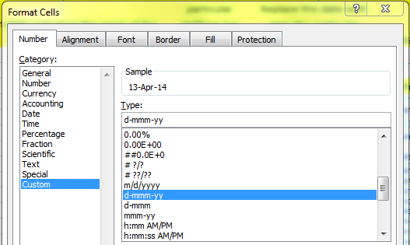
Ref Des | Serial Number | Deployment Number | Anchor Launch Date | Anchor Launch Time | Recover Date | Latitude | Longitude | Water Depth | Cruise Number | Notes
GA01SUMO-SM001 | GA01SUMO-0000# | 1 | 10-Sep-14 | 17:30:00 | 10-Dec-14 | 59° 56.024' N | 39° 28.430' W | 1500m | KN-221-4 | From GA01SUMO-00001.xlsx | 59.933733333 | -39.473833333

DO NOT CHANGE | Insert last digit (usually same as deployment number) | Insert number of times this particular platform has been deployed | Replace this date with date this particular platform was deployed - format is important | Replace this time with time this particular platform was deployed | Replace this date with date this particular platform was recovered - if no recovery date available, leave it blank; be sure recovery date from deployment does not overlap launch date for deployment n+1 | Replace this latitude with latitude this particular platform was deployed to | Replace this longitude with longitude this particular platform was deployed to | If available, use actual water depth of deployed platform (it may vary by several meters). Otherwise, use this measurement. | Replace this cruise number with cruise number involved in deploying this particular platform

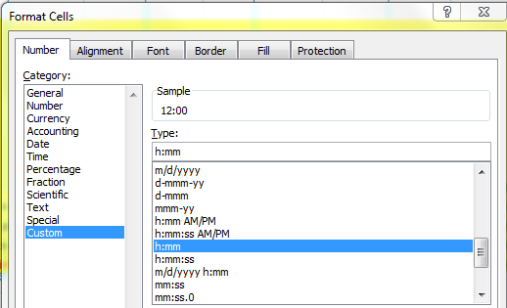
 |  |  |  |  |  | Format: Use degrees, minutes (3 decimal places), + compass direction - the minute symbol is the key next to the return, not the one next to the number 1

