Moorings
Ref Des | Serial Number | Deployment Number | Anchor Launch Date | Anchor Launch Time | Recover Date | Latitude | Longitude | Water Depth | Cruise Number | Notes
GA02HYPM-GP001 | GA02HYPM-00001 | 1 | 1-Jul-13 | 5:00:00 | 22-Jul-14 | 50° 04.245' N | 144° 47.885' W | 5000m | Melville 130 |  | 50.07075 | -144.79808333

DO NOT CHANGE | Insert last digit (same as deployment number) | Insert number of times this particular platform has been deployed | Replace this date with date this particular platform was deployed - format is important | Replace this time with time this particular platform was deployed | Replace this date with date this particular platform was recovered - if no recovery date available, leave it blank; be sure recovery date from deployment does not overlap launch date for deployment n+1 | Replace this latitude with latitude this particular platform was deployed to | Replace this longitude with longitude this particular platform was deployed to | If available, use actual water depth of deployed platform (it may vary by several meters). Otherwise, use this measurement. | Replace this cruise number with cruise number involved in deploying this particular platform |  | DO NOT CHANGE This value is Latitude (cell G2) converted to decimal format. Copy this value (not the formula) to the appropriate cell(s) on the Asset Cal Info tab. | DO NOT CHANGE This value is Longitude (cell H2) converted to decimal format. Copy this value (not the formula) to the appropriate cell(s) on the Asset Cal Info tab.
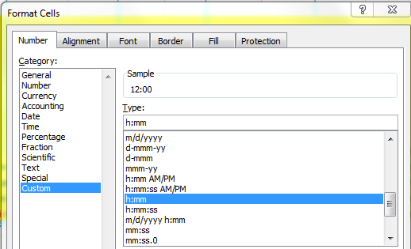
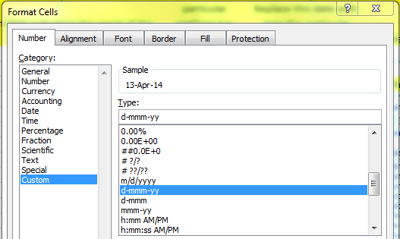
 |  |  |  |  |  | Format: Use degrees, minutes (3 decimal places), + compass direction - the minute symbol is the key next to the return, not the one next to the number 1 - the degree symbol (°) is created by holding down ALT, and then, using the number pad, typing 0176

