Moorings
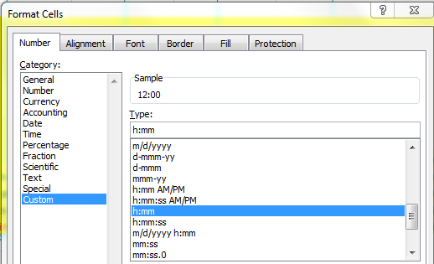
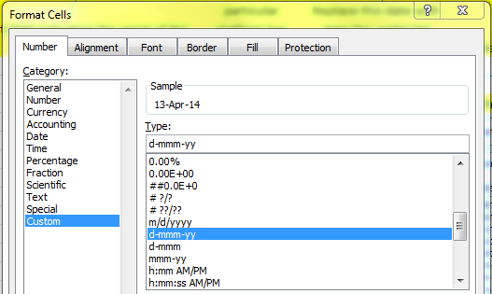
Ref Des | Serial Number | Deployment Number | Anchor Launch Date | Anchor Launch Time | Recover Date | Latitude | Longitude | Water Depth | Cruise Number | Notes
GA05MOAS-PG002 | 276 | # | 14-Apr-14 | 12:00:00 | 13-Jun-14 | 39°49.5203'N | 70°34.9622'W | 1000 m | Melville 130 |  | 39.825338333 | -70.582703333

DO NOT CHANGE NOTE: Each deployed profiling glider would have a complete set of deployment spreadsheets, including this one and telemetered and recovered ingest spreadsheets. | Insert serial number of the deployed profiling glider. | Insert number of times this particular profiling glider has been deployed. | Replace this date with date this particular profiling glider was deployed - format is important. | Replace this time with time this particular profiling glider was deployed. | Replace this date with date this particular profiling glider was recovered - if no recovery date available, leave it blank; be sure recovery date from deployment does not overlap launch date for deployment n+1. | Replace this latitude with latitude this particular profiling glider was deployed to. | Replace this longitude with longitude this particular profiling glider was deployed to. | If available, use actual water depth of deployed profiling glider (it may vary by several meters). Otherwise, use this measurement. | Replace this cruise number with cruise number involved in deploying this particular profiling glider |  | DO NOT CHANGE This value is Latitude (cell G2) converted to decimal format. Copy this value (not the formula) to the appropriate cell(s) on the Asset Cal Info tab. | DO NOT CHANGE This value is Longitude (cell H2) converted to decimal format. Copy this value (not the formula) to the appropriate cell(s) on the Asset Cal Info tab.

 |  |  |  |  |  | Format: Use degrees, minutes (3 decimal places), + compass direction - the minute symbol is the key next to the return, not the one next to the number 1.

